TimeLine Analysis
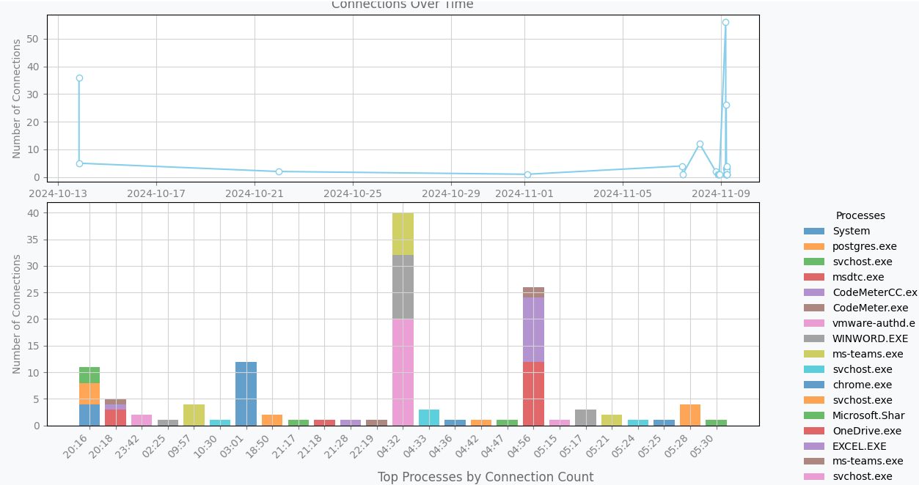
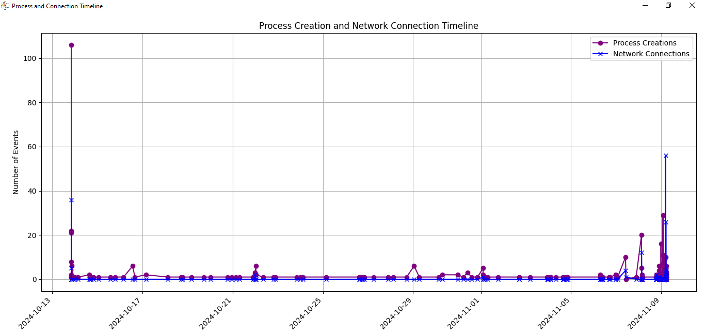
TimeLine Plotter Test Cases
1. Test parsing creation times from processes with valid data
2. Test parsing creation times from processes with invalid data
3. Test retrieving all process creation times
4. Test retrieving process creation times with no data
5. Test retrieving connection creation times with valid data
6. Test retrieving connection creation times with invalid data
7. Test plotting timelines with valid data
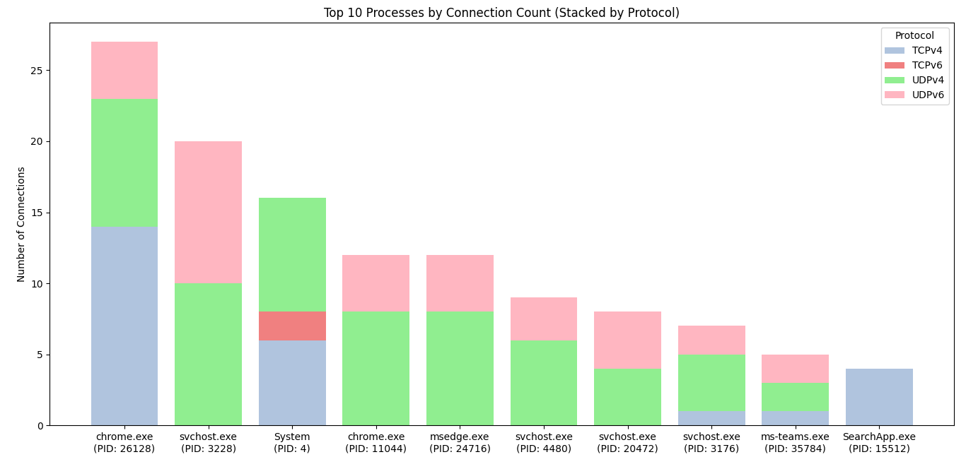
8. Test plotting timelines with no data
9. Test aggregating counts by minute with valid data
10. Test aggregating counts by minute with no data
11. Test plotting top processes by connection count with valid data
12. Test plotting top processes by connection count with no data
13. Test mapping PIDs to process names with valid data
14. Test mapping PIDs to process names with no data
15. Test getting connection counts by minute
16. Test getting connection counts with no data
17. Test plotting combined timelines with valid data
18. Test plotting combined timelines with no data
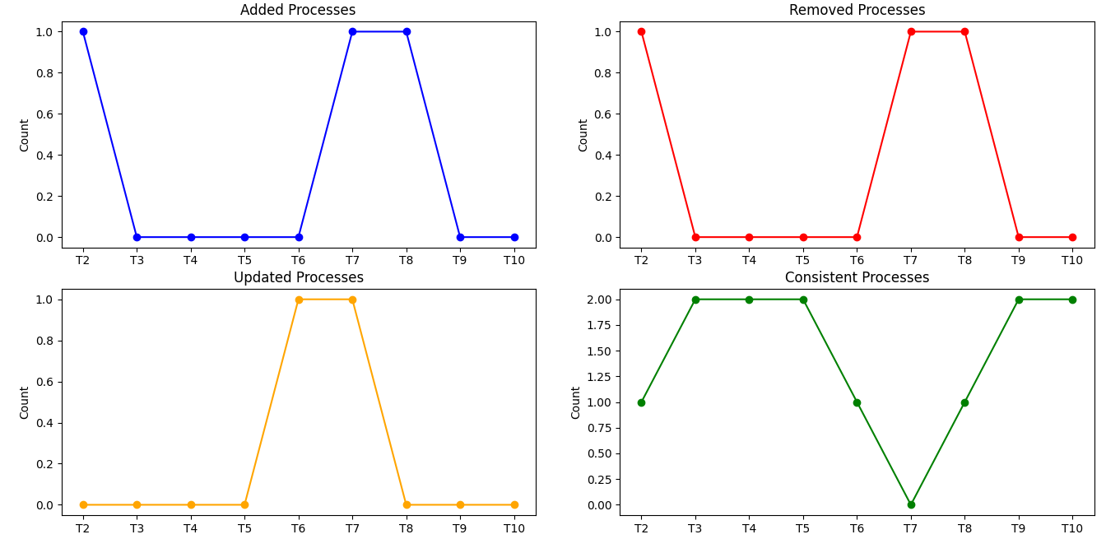
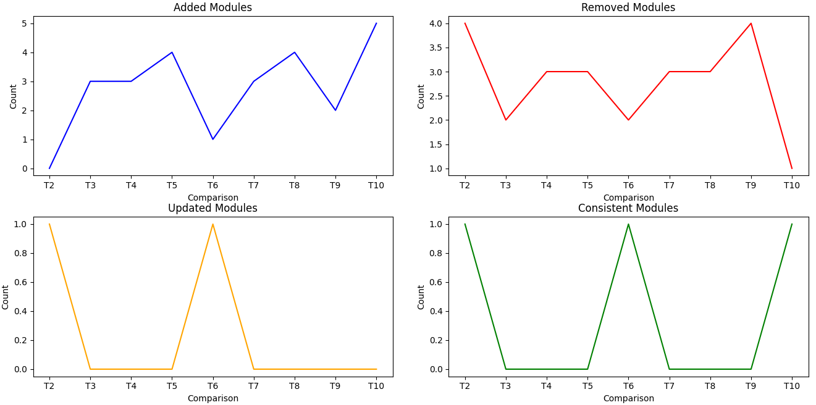
Following tests executed for RegistryTimelineAnalysis, ProcessTimeLineAnalysis, ModulesTimeLineAnalysis and ConnectionTimeLineAnalysis
1. Test reading JSON from a file
2. Test parsing valid JSON into objects
3. Test comparison between two JSON entries with new objects
4. Test comparison between two JSON entries with removed objects
5. Test comparison between two JSON entries with updated objects
6. Test comparison between two JSON entries with consistent objects
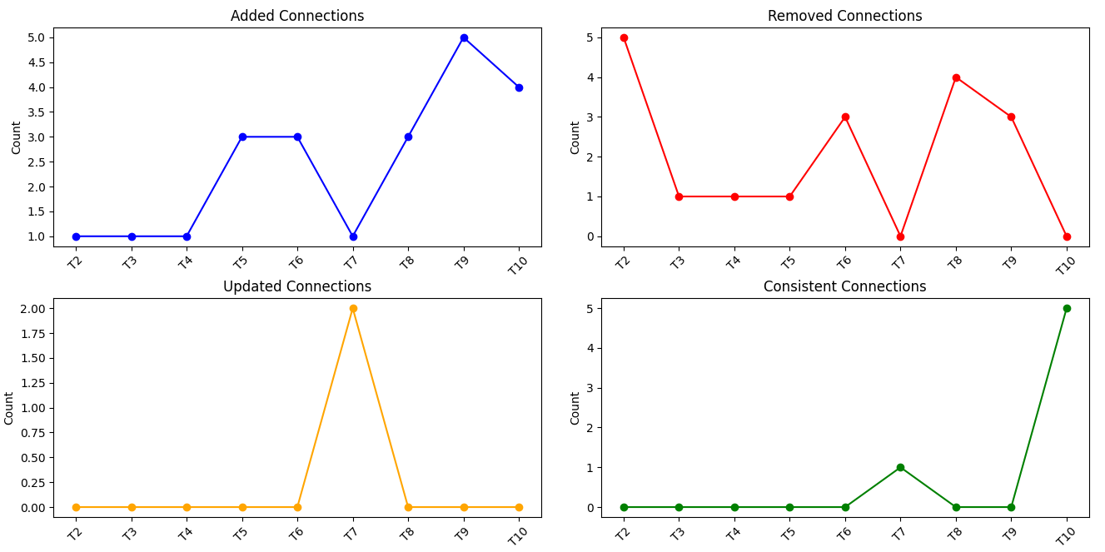
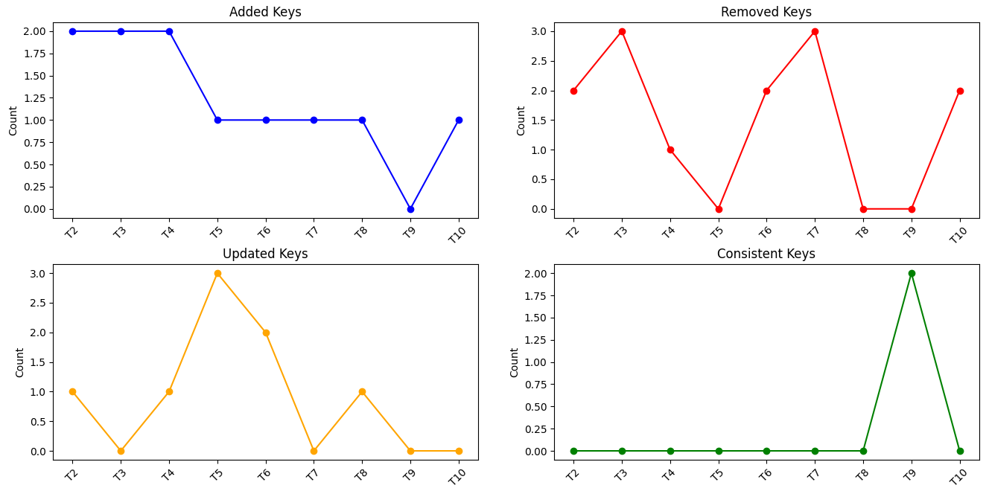
7. Test comparison with tree nodes having child processes (ProcessTimeLineAnalysis only test)
8. Test plotting of added objects counts across multiple comparisons
9. Test plotting of removed objects counts across multiple comparisons
10. Test plotting of updated objects counts across multiple comparisons
11. Test plotting of consistent objects counts across multiple comparisons
12. Test the compare_files method with a sorted file list
13. Test the behavior of compare_files when there are no changes between files
14. Test the behavior of compare_files with large file sizes

