diagram
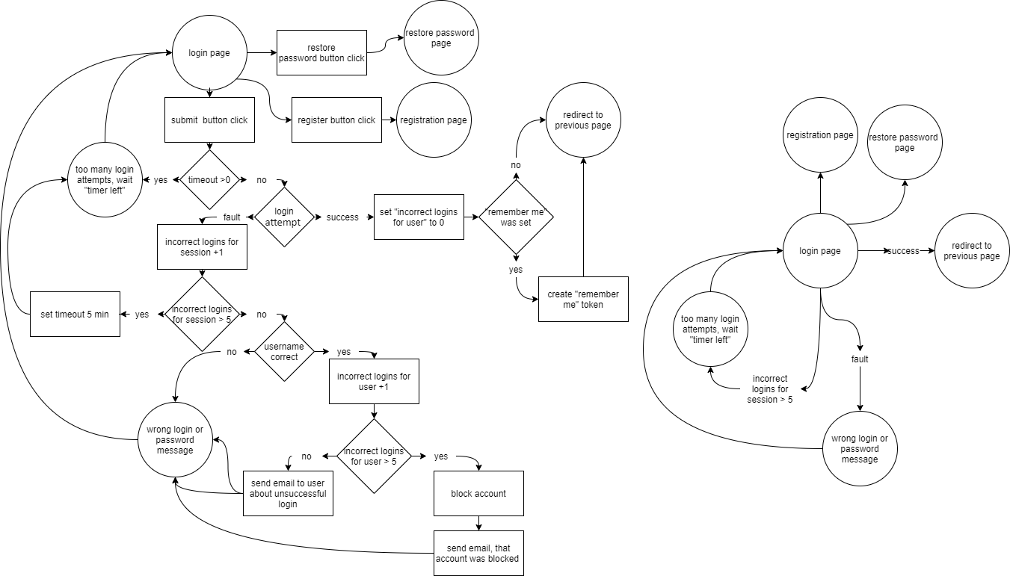

ui ux
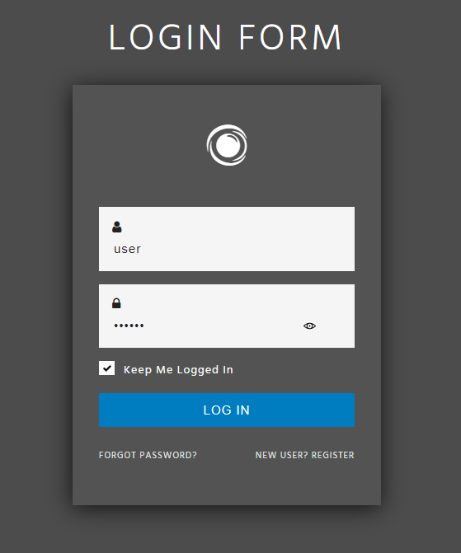
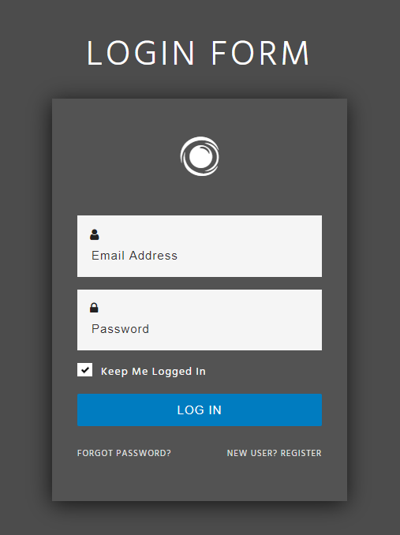
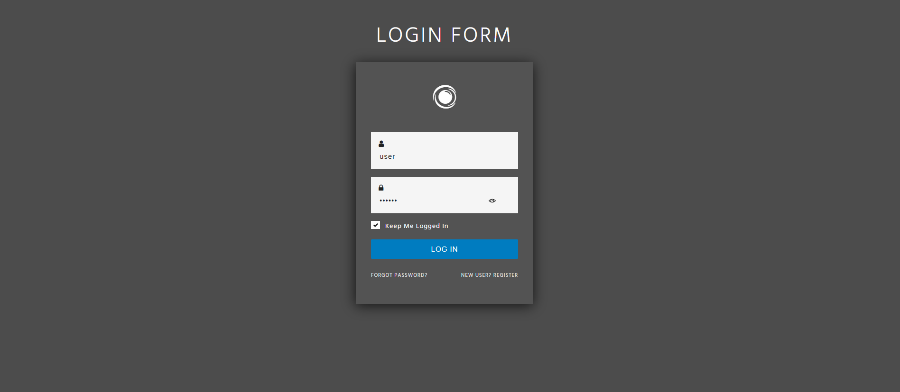
Table 1 - Elements and fonts
№ | element (content) | type | colour | size (px) | weight | font | alignment
1 | Login | header | #333 | 39 | Bold | Poppins | centre
2 | Username | field name |  | 14 | Regular |  | left
3 | Password
4 | SIGN UP | link |  |  |  |  | centre
5 | Username | place holder |  | 16 | Medium |  | left
6 | Password
7 | Username | content
8 | Password
9 | Forgot password? | link | #666 | 14 | Regular |  | right
10 | remember me | checkbox |  |  |  |  | left
11 | LOGIN | button | #fff | 16 | Medium |  | centre

Table 2 - Links
№ | element (content) | type | direction
1 | LOGIN | button | previous page on site (default index page)
2 | Forgot password? | link | https://www.site.this/restore
3 | SIGN UP | link | https://www.site.this/registration

