homework
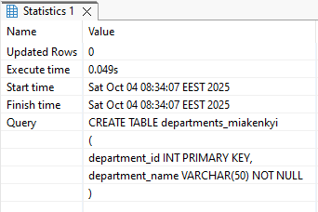
Скріншот виконання запиту | SQL-запит
Завдання 1
 | CREATE TABLE departments_miakenkyi
 | (
 | department_id INT PRIMARY KEY,
 | department_name VARCHAR(50) NOT NULL
 | );

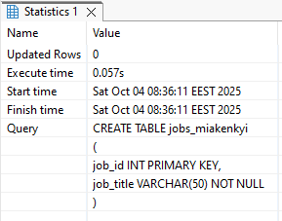
 | CREATE TABLE jobs_miakenkyi
 | (
 | job_id INT PRIMARY KEY,
 | job_title VARCHAR(50) NOT NULL
 | );

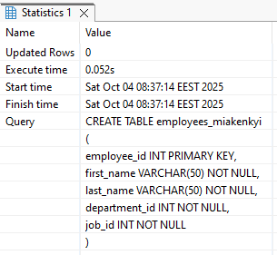
 | CREATE TABLE employees_miakenkyi
 | (
 | employee_id INT PRIMARY KEY,
 | first_name VARCHAR(50) NOT NULL,
 | last_name VARCHAR(50) NOT NULL,
 | department_id INT NOT NULL,
 | job_id INT NOT NULL
 | );

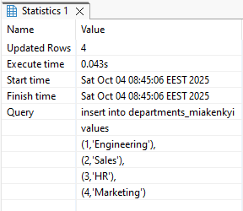
Завдання 2
 | insert into departments_miakenkyi
 | values
 | (1,'Engineering'),
 | (2,'Sales'),
 | (3,'HR'),
 | (4,'Marketing');

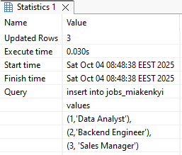
 | insert into jobs_miakenkyi
 | values
 | (1,'Data Analyst'),
 | (2,'Backend Engineer'),
 | (3, 'Sales Manager');

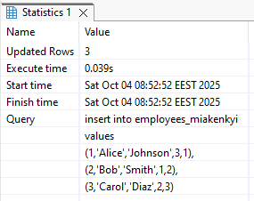
 | insert into employees_miakenkyi
 | values
 | (1,'Alice','Johnson',3,1),
 | (2,'Bob','Smith',1,2),
 | (3,'Carol','Diaz',2,3);

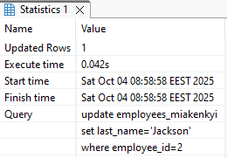
Завдання 3
 | update employees_miakenkyi
 | set last_name='Jackson'
 | where employee_id=2;

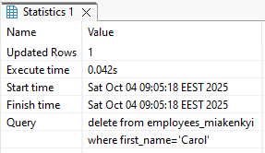
Завдання 4
 | delete from employees_miakenkyi
 | where first_name='Carol';

Завдання 5
INNER JOIN | select e.first_name ,
 | e.last_name ,
 | j.job_title ,
 | d.department_name
 | from employees_miakenkyi e
 | join departments_miakenkyi d
 | on e.department_id = d.department_id
 | join jobs_miakenkyi j
 | on e.job_id = j.job_id;

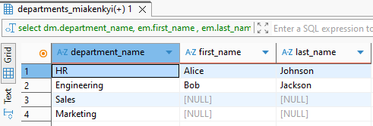
LEFT JOIN | select dm.department_name,
 | em.first_name ,
 | em.last_name
 | from departments_miakenkyi dm
 | left join employees_miakenkyi em
 | on dm.department_id =em.department_id;

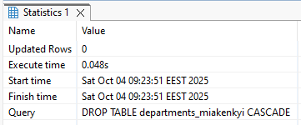
Завдання 6
 | DROP TABLE departments_miakenkyi CASCADE;

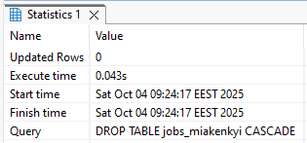
 | DROP TABLE jobs_miakenkyi CASCADE;

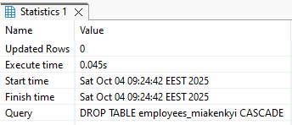
 | DROP TABLE employees_miakenkyi CASCADE;

