Inverter History Report__17-08-
Inverter History Report_04/06/2022_Report

Inverter SN:054B7020C020041 |  | Inverter type:B7
Collector SN:4045966636 |  | Full Load Hours(h):3.48
Rated Power:10000Wp

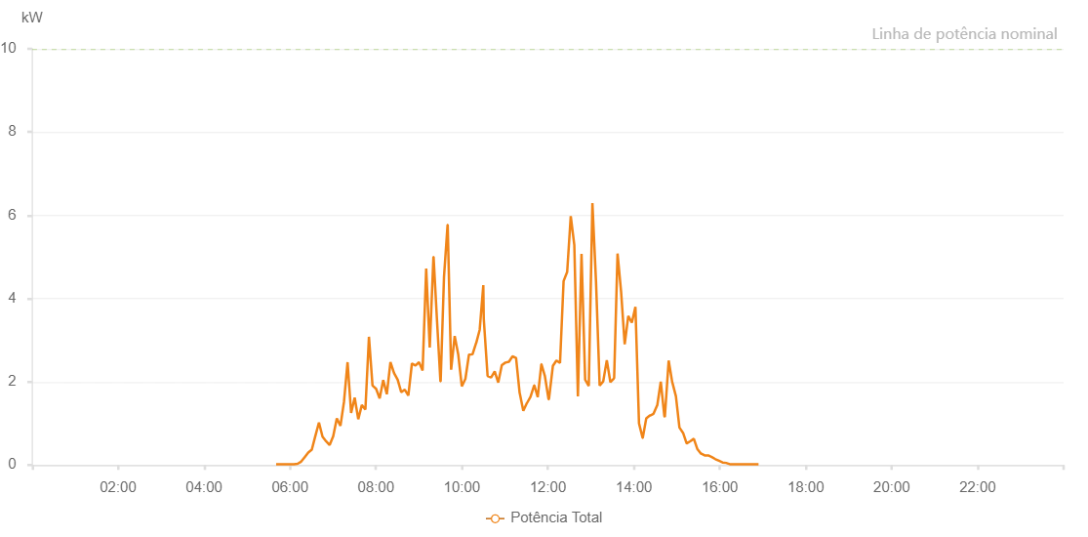

Number | Time | Working State | Alarm Code | Total Inverter Power(W)
1 | 04/06/2022 05:37:23 (UTC-4:00) | Normal |  | 20.000
2 | 04/06/2022 05:42:26 (UTC-4:00) | Normal |  | 20.000
3 | 04/06/2022 05:47:25 (UTC-4:00) | Normal |  | 20.000
4 | 04/06/2022 05:52:24 (UTC-4:00) | Normal |  | 20.000
5 | 04/06/2022 05:57:27 (UTC-4:00) | Normal |  | 20.000
6 | 04/06/2022 06:02:30 (UTC-4:00) | Normal |  | 80.000
7 | 04/06/2022 06:07:33 (UTC-4:00) | Normal |  | 130.000
8 | 04/06/2022 06:12:36 (UTC-4:00) | Normal |  | 250.000
9 | 04/06/2022 06:17:39 (UTC-4:00) | Normal |  | 410.000
10 | 04/06/2022 06:22:42 (UTC-4:00) | Normal |  | 680.000
11 | 04/06/2022 06:27:45 (UTC-4:00) | Normal |  | 670.000
12 | 04/06/2022 06:32:47 (UTC-4:00) | Normal |  | 710.000
13 | 04/06/2022 06:37:46 (UTC-4:00) | Normal |  | 820.000
14 | 04/06/2022 06:42:45 (UTC-4:00) | Normal |  | 1020.000
15 | 04/06/2022 06:47:44 (UTC-4:00) | Normal |  | 1190.000
16 | 04/06/2022 06:52:43 (UTC-4:00) | Normal |  | 1300.000
17 | 04/06/2022 06:57:41 (UTC-4:00) | Normal |  | 1440.000
18 | 04/06/2022 07:02:41 (UTC-4:00) | Normal |  | 1640.000
19 | 04/06/2022 07:07:40 (UTC-4:00) | Normal |  | 1790.000
20 | 04/06/2022 07:12:39 (UTC-4:00) | Normal |  | 1910.000
21 | 04/06/2022 07:17:38 (UTC-4:00) | Normal |  | 2080.000
22 | 04/06/2022 07:22:37 (UTC-4:00) | Normal |  | 2220.000
23 | 04/06/2022 07:27:35 (UTC-4:00) | Normal |  | 2360.000
24 | 04/06/2022 07:32:35 (UTC-4:00) | Normal |  | 2520.000
25 | 04/06/2022 07:37:38 (UTC-4:00) | Normal |  | 2680.000
26 | 04/06/2022 07:42:41 (UTC-4:00) | Normal |  | 2860.000
27 | 04/06/2022 07:47:44 (UTC-4:00) | Normal |  | 1350.000
28 | 04/06/2022 07:52:42 (UTC-4:00) | Normal |  | 3120.000
29 | 04/06/2022 07:57:41 (UTC-4:00) | Normal |  | 1830.000
30 | 04/06/2022 08:02:40 (UTC-4:00) | Normal |  | 3320.000
31 | 04/06/2022 08:07:39 (UTC-4:00) | Normal |  | 3450.000
32 | 04/06/2022 08:12:37 (UTC-4:00) | Normal |  | 3600.000
33 | 04/06/2022 08:17:37 (UTC-4:00) | Normal |  | 3720.000
34 | 04/06/2022 08:22:35 (UTC-4:00) | Normal |  | 3820.000
35 | 04/06/2022 08:27:39 (UTC-4:00) | Normal |  | 3970.000
36 | 04/06/2022 08:32:35 (UTC-4:00) | Normal |  | 4050.000
37 | 04/06/2022 08:37:31 (UTC-4:00) | Normal |  | 4160.000
38 | 04/06/2022 08:42:30 (UTC-4:00) | Normal |  | 4250.000
39 | 04/06/2022 08:47:32 (UTC-4:00) | Normal |  | 4340.000
40 | 04/06/2022 08:52:33 (UTC-4:00) | Normal |  | 4450.000
41 | 04/06/2022 08:57:35 (UTC-4:00) | Normal |  | 4540.000
42 | 04/06/2022 09:02:38 (UTC-4:00) | Normal |  | 4620.000
43 | 04/06/2022 09:07:37 (UTC-4:00) | Normal |  | 4650.000
44 | 04/06/2022 09:12:42 (UTC-4:00) | Normal |  | 4750.000
45 | 04/06/2022 09:12:47 (UTC-4:00) | Normal |  | 4750.000
46 | 04/06/2022 09:17:40 (UTC-4:00) | Normal |  | 4820.000
47 | 04/06/2022 09:22:39 (UTC-4:00) | Normal |  | 4880.000
48 | 04/06/2022 09:27:32 (UTC-4:00) | Normal |  | 4970.000
49 | 04/06/2022 09:32:34 (UTC-4:00) | Normal |  | 5020.000
50 | 04/06/2022 09:37:38 (UTC-4:00) | Normal |  | 5080.000
51 | 04/06/2022 09:42:29 (UTC-4:00) | Normal |  | 5090.000
52 | 04/06/2022 09:47:28 (UTC-4:00) | Normal |  | 5190.000
53 | 04/06/2022 09:52:27 (UTC-4:00) | Normal |  | 5210.000
54 | 04/06/2022 09:57:29 (UTC-4:00) | Normal |  | 5220.000
55 | 04/06/2022 10:02:32 (UTC-4:00) | Normal |  | 5300.000
56 | 04/06/2022 10:07:43 (UTC-4:00) | Normal |  | 5360.000
57 | 04/06/2022 10:12:44 (UTC-4:00) | Normal |  | 5290.000
58 | 04/06/2022 10:12:49 (UTC-4:00) | Normal |  | 5290.000
59 | 04/06/2022 10:17:41 (UTC-4:00) | Normal |  | 5380.000
60 | 04/06/2022 10:22:43 (UTC-4:00) | Normal |  | 5420.000
61 | 04/06/2022 10:27:46 (UTC-4:00) | Normal |  | 5440.000
62 | 04/06/2022 10:32:51 (UTC-4:00) | Normal |  | 5430.000
63 | 04/06/2022 10:37:52 (UTC-4:00) | Normal |  | 5410.000
64 | 04/06/2022 10:42:50 (UTC-4:00) | Normal |  | 5440.000
65 | 04/06/2022 10:47:53 (UTC-4:00) | Normal |  | 5480.000
66 | 04/06/2022 10:52:50 (UTC-4:00) | Normal |  | 5460.000
67 | 04/06/2022 10:57:47 (UTC-4:00) | Normal |  | 5490.000
68 | 04/06/2022 11:02:49 (UTC-4:00) | Normal |  | 5450.000
69 | 04/06/2022 11:07:52 (UTC-4:00) | Normal |  | 5450.000
70 | 04/06/2022 11:12:43 (UTC-4:00) | Normal |  | 5460.000
71 | 04/06/2022 11:17:50 (UTC-4:00) | Normal |  | 5460.000
72 | 04/06/2022 11:22:41 (UTC-4:00) | Normal |  | 5430.000
73 | 04/06/2022 11:27:40 (UTC-4:00) | Normal |  | 5380.000
74 | 04/06/2022 11:32:38 (UTC-4:00) | Normal |  | 5340.000
75 | 04/06/2022 11:37:39 (UTC-4:00) | Normal |  | 5330.000
76 | 04/06/2022 11:42:42 (UTC-4:00) | Normal |  | 5330.000
77 | 04/06/2022 11:47:52 (UTC-4:00) | Normal |  | 5260.000
78 | 04/06/2022 11:52:48 (UTC-4:00) | Normal |  | 5200.000
79 | 04/06/2022 11:57:59 (UTC-4:00) | Normal |  | 5150.000
80 | 04/06/2022 12:02:58 (UTC-4:00) | Normal |  | 5170.000
81 | 04/06/2022 12:07:56 (UTC-4:00) | Normal |  | 5110.000
82 | 04/06/2022 12:12:59 (UTC-4:00) | Normal |  | 5090.000
83 | 04/06/2022 12:18:00 (UTC-4:00) | Normal |  | 5010.000
84 | 04/06/2022 12:22:56 (UTC-4:00) | Normal |  | 4960.000
85 | 04/06/2022 12:27:55 (UTC-4:00) | Normal |  | 4830.000
86 | 04/06/2022 12:32:54 (UTC-4:00) | Normal |  | 4830.000
87 | 04/06/2022 12:37:59 (UTC-4:00) | Normal |  | 4760.000
88 | 04/06/2022 12:42:53 (UTC-4:00) | Normal |  | 4690.000
89 | 04/06/2022 12:48:03 (UTC-4:00) | Normal |  | 4630.000
90 | 04/06/2022 12:48:06 (UTC-4:00) | Normal |  | 4630.000
91 | 04/06/2022 12:52:53 (UTC-4:00) | Normal |  | 4560.000
92 | 04/06/2022 12:57:49 (UTC-4:00) | Normal |  | 4500.000
93 | 04/06/2022 13:02:48 (UTC-4:00) | Normal |  | 4420.000
94 | 04/06/2022 13:07:48 (UTC-4:00) | Normal |  | 4310.000
95 | 04/06/2022 13:12:50 (UTC-4:00) | Normal |  | 4220.000
96 | 04/06/2022 13:17:52 (UTC-4:00) | Normal |  | 4140.000
97 | 04/06/2022 13:22:55 (UTC-4:00) | Normal |  | 4090.000
98 | 04/06/2022 13:27:54 (UTC-4:00) | Normal |  | 4000.000
99 | 04/06/2022 13:32:53 (UTC-4:00) | Normal |  | 3860.000
100 | 04/06/2022 13:37:52 (UTC-4:00) | Normal |  | 3760.000
101 | 04/06/2022 13:42:51 (UTC-4:00) | Normal |  | 3630.000
102 | 04/06/2022 13:47:50 (UTC-4:00) | Normal |  | 3540.000
103 | 04/06/2022 13:52:50 (UTC-4:00) | Normal |  | 3450.000
104 | 04/06/2022 13:57:49 (UTC-4:00) | Normal |  | 3310.000
105 | 04/06/2022 14:02:47 (UTC-4:00) | Normal |  | 3170.000
106 | 04/06/2022 14:07:46 (UTC-4:00) | Normal |  | 2910.000
107 | 04/06/2022 14:12:45 (UTC-4:00) | Normal |  | 2840.000
108 | 04/06/2022 14:17:44 (UTC-4:00) | Normal |  | 2860.000
109 | 04/06/2022 14:22:44 (UTC-4:00) | Normal |  | 2710.000
110 | 04/06/2022 14:24:37 (UTC-4:00) | Normal |  | 2660.000
111 | 04/06/2022 14:29:53 (UTC-4:00) | Normal |  | 2510.000
112 | 04/06/2022 14:34:51 (UTC-4:00) | Normal |  | 2350.000
113 | 04/06/2022 14:39:50 (UTC-4:00) | Normal |  | 2260.000
114 | 04/06/2022 14:44:48 (UTC-4:00) | Normal |  | 2110.000
115 | 04/06/2022 14:49:47 (UTC-4:00) | Normal |  | 1970.000
116 | 04/06/2022 14:54:45 (UTC-4:00) | Normal |  | 1830.000
117 | 04/06/2022 14:59:44 (UTC-4:00) | Normal |  | 1660.000
118 | 04/06/2022 15:04:46 (UTC-4:00) | Normal |  | 1530.000
119 | 04/06/2022 15:09:48 (UTC-4:00) | Normal |  | 1390.000
120 | 04/06/2022 15:14:51 (UTC-4:00) | Normal |  | 1250.000
121 | 04/06/2022 15:19:49 (UTC-4:00) | Normal |  | 1130.000
122 | 04/06/2022 15:24:47 (UTC-4:00) | Normal |  | 940.000
123 | 04/06/2022 15:29:46 (UTC-4:00) | Normal |  | 730.000
124 | 04/06/2022 15:34:44 (UTC-4:00) | Normal |  | 490.000
125 | 04/06/2022 15:35:02 (UTC-4:00) | Normal |  | 460.000
126 | 04/06/2022 15:40:19 (UTC-4:00) | Normal |  | 300.000
127 | 04/06/2022 15:45:19 (UTC-4:00) | Normal |  | 260.000
128 | 04/06/2022 15:45:30 (UTC-4:00) | Normal |  | 260.000
129 | 04/06/2022 15:50:26 (UTC-4:00) | Normal |  | 210.000
130 | 04/06/2022 15:55:20 (UTC-4:00) | Normal |  | 160.000
131 | 04/06/2022 16:00:20 (UTC-4:00) | Normal |  | 100.000
132 | 04/06/2022 16:05:20 (UTC-4:00) | Normal |  | 20.000
133 | 04/06/2022 16:10:27 (UTC-4:00) | Normal |  | 30.000
134 | 04/06/2022 16:15:28 (UTC-4:00) | Normal |  | 20.000
135 | 04/06/2022 16:20:32 (UTC-4:00) | Normal |  | 20.000
136 | 04/06/2022 16:25:36 (UTC-4:00) | Normal |  | 20.000
137 | 04/06/2022 16:30:41 (UTC-4:00) | Normal |  | 20.000
138 | 04/06/2022 16:35:45 (UTC-4:00) | Normal |  | 20.000
139 | 04/06/2022 16:40:45 (UTC-4:00) | Normal |  | 20.000
140 | 04/06/2022 16:45:45 (UTC-4:00) | Normal |  | 20.000
141 | 04/06/2022 16:50:46 (UTC-4:00) | Normal |  | 20.000
142 | 04/06/2022 16:55:46 (UTC-4:00) | Normal |  | 20.000

