Inverter History Report__17-08-
Inverter History Report_05/06/2022_Report

Inverter SN:054B7020C020041 |  | Inverter type:B7
Collector SN:4045966636 |  | Full Load Hours(h):3.26
Rated Power:10000Wp

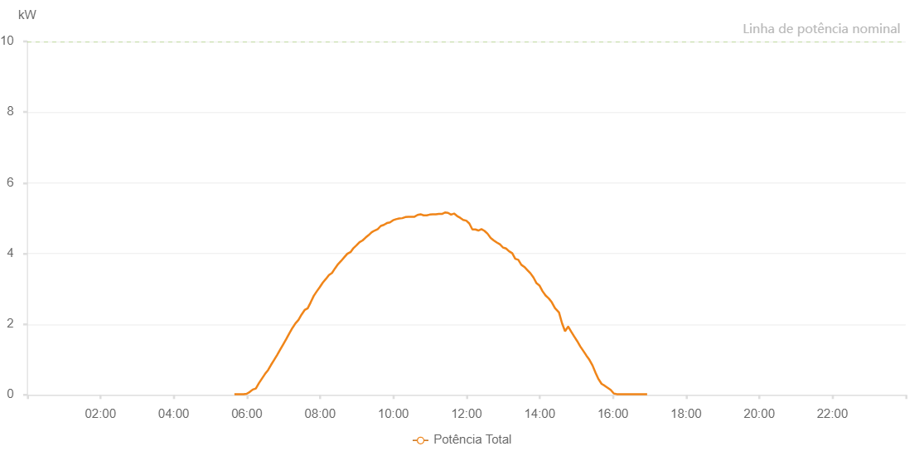

Number | Time | Working State | Alarm Code | Total Inverter Power(W)
1 | 05/06/2022 05:39:32 (UTC-4:00) | Normal |  | 20.000
2 | 05/06/2022 05:44:35 (UTC-4:00) | Normal |  | 20.000
3 | 05/06/2022 05:49:28 (UTC-4:00) | Normal |  | 20.000
4 | 05/06/2022 05:54:29 (UTC-4:00) | Normal |  | 20.000
5 | 05/06/2022 05:54:44 (UTC-4:00) | Normal |  | 20.000
6 | 05/06/2022 05:59:32 (UTC-4:00) | Normal |  | 30.000
7 | 05/06/2022 06:04:35 (UTC-4:00) | Normal |  | 80.000
8 | 05/06/2022 06:09:38 (UTC-4:00) | Normal |  | 150.000
9 | 05/06/2022 06:14:41 (UTC-4:00) | Normal |  | 180.000
10 | 05/06/2022 06:19:44 (UTC-4:00) | Normal |  | 330.000
11 | 05/06/2022 06:24:43 (UTC-4:00) | Normal |  | 460.000
12 | 05/06/2022 06:29:42 (UTC-4:00) | Normal |  | 590.000
13 | 05/06/2022 06:34:41 (UTC-4:00) | Normal |  | 700.000
14 | 05/06/2022 06:39:40 (UTC-4:00) | Normal |  | 850.000
15 | 05/06/2022 06:44:39 (UTC-4:00) | Normal |  | 990.000
16 | 05/06/2022 06:49:38 (UTC-4:00) | Normal |  | 1130.000
17 | 05/06/2022 06:54:37 (UTC-4:00) | Normal |  | 1280.000
18 | 05/06/2022 06:59:36 (UTC-4:00) | Normal |  | 1430.000
19 | 05/06/2022 07:04:35 (UTC-4:00) | Normal |  | 1580.000
20 | 05/06/2022 07:09:34 (UTC-4:00) | Normal |  | 1740.000
21 | 05/06/2022 07:14:33 (UTC-4:00) | Normal |  | 1890.000
22 | 05/06/2022 07:19:32 (UTC-4:00) | Normal |  | 2020.000
23 | 05/06/2022 07:24:35 (UTC-4:00) | Normal |  | 2120.000
24 | 05/06/2022 07:29:38 (UTC-4:00) | Normal |  | 2270.000
25 | 05/06/2022 07:34:41 (UTC-4:00) | Normal |  | 2400.000
26 | 05/06/2022 07:39:40 (UTC-4:00) | Normal |  | 2450.000
27 | 05/06/2022 07:44:39 (UTC-4:00) | Normal |  | 2620.000
28 | 05/06/2022 07:49:38 (UTC-4:00) | Normal |  | 2800.000
29 | 05/06/2022 07:54:37 (UTC-4:00) | Normal |  | 2930.000
30 | 05/06/2022 07:59:36 (UTC-4:00) | Normal |  | 3050.000
31 | 05/06/2022 08:04:35 (UTC-4:00) | Normal |  | 3180.000
32 | 05/06/2022 08:09:34 (UTC-4:00) | Normal |  | 3280.000
33 | 05/06/2022 08:14:33 (UTC-4:00) | Normal |  | 3390.000
34 | 05/06/2022 08:19:32 (UTC-4:00) | Normal |  | 3450.000
35 | 05/06/2022 08:24:31 (UTC-4:00) | Normal |  | 3580.000
36 | 05/06/2022 08:29:30 (UTC-4:00) | Normal |  | 3700.000
37 | 05/06/2022 08:34:30 (UTC-4:00) | Normal |  | 3790.000
38 | 05/06/2022 08:39:33 (UTC-4:00) | Normal |  | 3890.000
39 | 05/06/2022 08:44:36 (UTC-4:00) | Normal |  | 3990.000
40 | 05/06/2022 08:49:39 (UTC-4:00) | Normal |  | 4040.000
41 | 05/06/2022 08:50:04 (UTC-4:00) | Normal |  | 4040.000
42 | 05/06/2022 08:54:42 (UTC-4:00) | Normal |  | 4150.000
43 | 05/06/2022 08:59:41 (UTC-4:00) | Normal |  | 4230.000
44 | 05/06/2022 09:04:40 (UTC-4:00) | Normal |  | 4320.000
45 | 05/06/2022 09:09:39 (UTC-4:00) | Normal |  | 4370.000
46 | 05/06/2022 09:14:38 (UTC-4:00) | Normal |  | 4450.000
47 | 05/06/2022 09:19:37 (UTC-4:00) | Normal |  | 4520.000
48 | 05/06/2022 09:24:36 (UTC-4:00) | Normal |  | 4600.000
49 | 05/06/2022 09:29:35 (UTC-4:00) | Normal |  | 4650.000
50 | 05/06/2022 09:34:34 (UTC-4:00) | Normal |  | 4690.000
51 | 05/06/2022 09:39:33 (UTC-4:00) | Normal |  | 4780.000
52 | 05/06/2022 09:44:32 (UTC-4:00) | Normal |  | 4810.000
53 | 05/06/2022 09:49:31 (UTC-4:00) | Normal |  | 4860.000
54 | 05/06/2022 09:54:33 (UTC-4:00) | Normal |  | 4880.000
55 | 05/06/2022 09:59:35 (UTC-4:00) | Normal |  | 4940.000
56 | 05/06/2022 10:04:38 (UTC-4:00) | Normal |  | 4970.000
57 | 05/06/2022 10:09:41 (UTC-4:00) | Normal |  | 4990.000
58 | 05/06/2022 10:14:44 (UTC-4:00) | Normal |  | 5000.000
59 | 05/06/2022 10:19:47 (UTC-4:00) | Normal |  | 5030.000
60 | 05/06/2022 10:24:50 (UTC-4:00) | Normal |  | 5040.000
61 | 05/06/2022 10:29:51 (UTC-4:00) | Normal |  | 5040.000
62 | 05/06/2022 10:34:48 (UTC-4:00) | Normal |  | 5040.000
63 | 05/06/2022 10:39:47 (UTC-4:00) | Normal |  | 5090.000
64 | 05/06/2022 10:44:46 (UTC-4:00) | Normal |  | 5110.000
65 | 05/06/2022 10:49:45 (UTC-4:00) | Normal |  | 5080.000
66 | 05/06/2022 10:54:50 (UTC-4:00) | Normal |  | 5080.000
67 | 05/06/2022 10:59:43 (UTC-4:00) | Normal |  | 5100.000
68 | 05/06/2022 11:04:42 (UTC-4:00) | Normal |  | 5110.000
69 | 05/06/2022 11:09:42 (UTC-4:00) | Normal |  | 5110.000
70 | 05/06/2022 11:14:45 (UTC-4:00) | Normal |  | 5120.000
71 | 05/06/2022 11:19:43 (UTC-4:00) | Normal |  | 5120.000
72 | 05/06/2022 11:24:43 (UTC-4:00) | Normal |  | 5160.000
73 | 05/06/2022 11:24:54 (UTC-4:00) | Normal |  | 5160.000
74 | 05/06/2022 11:29:43 (UTC-4:00) | Normal |  | 5150.000
75 | 05/06/2022 11:34:43 (UTC-4:00) | Normal |  | 5100.000
76 | 05/06/2022 11:39:41 (UTC-4:00) | Normal |  | 5130.000
77 | 05/06/2022 11:44:41 (UTC-4:00) | Normal |  | 5060.000
78 | 05/06/2022 11:49:40 (UTC-4:00) | Normal |  | 5010.000
79 | 05/06/2022 11:54:39 (UTC-4:00) | Normal |  | 4950.000
80 | 05/06/2022 11:59:38 (UTC-4:00) | Normal |  | 4930.000
81 | 05/06/2022 12:04:38 (UTC-4:00) | Normal |  | 4850.000
82 | 05/06/2022 12:09:41 (UTC-4:00) | Normal |  | 4680.000
83 | 05/06/2022 12:14:35 (UTC-4:00) | Normal |  | 4680.000
84 | 05/06/2022 12:19:34 (UTC-4:00) | Normal |  | 4650.000
85 | 05/06/2022 12:24:33 (UTC-4:00) | Normal |  | 4690.000
86 | 05/06/2022 12:29:35 (UTC-4:00) | Normal |  | 4640.000
87 | 05/06/2022 12:34:36 (UTC-4:00) | Normal |  | 4560.000
88 | 05/06/2022 12:39:39 (UTC-4:00) | Normal |  | 4440.000
89 | 05/06/2022 12:39:40 (UTC-4:00) | Normal |  | 4440.000
90 | 05/06/2022 12:44:43 (UTC-4:00) | Normal |  | 4370.000
91 | 05/06/2022 12:49:45 (UTC-4:00) | Normal |  | 4310.000
92 | 05/06/2022 12:54:48 (UTC-4:00) | Normal |  | 4260.000
93 | 05/06/2022 12:59:51 (UTC-4:00) | Normal |  | 4170.000
94 | 05/06/2022 13:04:54 (UTC-4:00) | Normal |  | 4140.000
95 | 05/06/2022 13:09:58 (UTC-4:00) | Normal |  | 4060.000
96 | 05/06/2022 13:15:00 (UTC-4:00) | Normal |  | 4010.000
97 | 05/06/2022 13:19:59 (UTC-4:00) | Normal |  | 3850.000
98 | 05/06/2022 13:24:58 (UTC-4:00) | Normal |  | 3820.000
99 | 05/06/2022 13:29:57 (UTC-4:00) | Normal |  | 3680.000
100 | 05/06/2022 13:34:56 (UTC-4:00) | Normal |  | 3620.000
101 | 05/06/2022 13:39:55 (UTC-4:00) | Normal |  | 3530.000
102 | 05/06/2022 13:44:54 (UTC-4:00) | Normal |  | 3440.000
103 | 05/06/2022 13:49:53 (UTC-4:00) | Normal |  | 3320.000
104 | 05/06/2022 13:54:52 (UTC-4:00) | Normal |  | 3160.000
105 | 05/06/2022 13:59:51 (UTC-4:00) | Normal |  | 3090.000
106 | 05/06/2022 14:04:50 (UTC-4:00) | Normal |  | 2930.000
107 | 05/06/2022 14:09:49 (UTC-4:00) | Normal |  | 2810.000
108 | 05/06/2022 14:14:49 (UTC-4:00) | Normal |  | 2730.000
109 | 05/06/2022 14:19:51 (UTC-4:00) | Normal |  | 2620.000
110 | 05/06/2022 14:24:54 (UTC-4:00) | Normal |  | 2460.000
111 | 05/06/2022 14:26:24 (UTC-4:00) | Normal |  | 2430.000
112 | 05/06/2022 14:31:42 (UTC-4:00) | Normal |  | 2330.000
113 | 05/06/2022 14:36:37 (UTC-4:00) | Normal |  | 2030.000
114 | 05/06/2022 14:41:37 (UTC-4:00) | Normal |  | 1800.000
115 | 05/06/2022 14:46:40 (UTC-4:00) | Normal |  | 1930.000
116 | 05/06/2022 14:46:47 (UTC-4:00) | Normal |  | 1930.000
117 | 05/06/2022 14:51:35 (UTC-4:00) | Normal |  | 1790.000
118 | 05/06/2022 14:56:39 (UTC-4:00) | Normal |  | 1650.000
119 | 05/06/2022 15:01:33 (UTC-4:00) | Normal |  | 1520.000
120 | 05/06/2022 15:06:35 (UTC-4:00) | Normal |  | 1370.000
121 | 05/06/2022 15:11:41 (UTC-4:00) | Normal |  | 1240.000
122 | 05/06/2022 15:16:39 (UTC-4:00) | Normal |  | 1110.000
123 | 05/06/2022 15:21:37 (UTC-4:00) | Normal |  | 990.000
124 | 05/06/2022 15:26:43 (UTC-4:00) | Normal |  | 830.000
125 | 05/06/2022 15:31:42 (UTC-4:00) | Normal |  | 620.000
126 | 05/06/2022 15:36:33 (UTC-4:00) | Normal |  | 440.000
127 | 05/06/2022 15:36:43 (UTC-4:00) | Normal |  | 440.000
128 | 05/06/2022 15:41:31 (UTC-4:00) | Normal |  | 310.000
129 | 05/06/2022 15:46:30 (UTC-4:00) | Normal |  | 260.000
130 | 05/06/2022 15:51:28 (UTC-4:00) | Normal |  | 200.000
131 | 05/06/2022 15:56:26 (UTC-4:00) | Normal |  | 140.000
132 | 05/06/2022 16:01:26 (UTC-4:00) | Normal |  | 40.000
133 | 05/06/2022 16:06:24 (UTC-4:00) | Normal |  | 20.000
134 | 05/06/2022 16:11:23 (UTC-4:00) | Normal |  | 20.000
135 | 05/06/2022 16:16:24 (UTC-4:00) | Normal |  | 20.000
136 | 05/06/2022 16:21:23 (UTC-4:00) | Normal |  | 20.000
137 | 05/06/2022 16:26:21 (UTC-4:00) | Normal |  | 20.000
138 | 05/06/2022 16:31:20 (UTC-4:00) | Normal |  | 20.000
139 | 05/06/2022 16:36:18 (UTC-4:00) | Normal |  | 20.000
140 | 05/06/2022 16:41:17 (UTC-4:00) | Normal |  | 20.000
141 | 05/06/2022 16:46:15 (UTC-4:00) | Normal |  | 20.000
142 | 05/06/2022 16:51:14 (UTC-4:00) | Normal |  | 20.000
143 | 05/06/2022 16:56:12 (UTC-4:00) | Normal |  | 20.000

