Inverter History Report__17-08-
Inverter History Report_06/06/2022_Report

Inverter SN:054B7020C020041 |  | Inverter type:B7
Collector SN:4045966636 |  | Full Load Hours(h):2.99
Rated Power:10000Wp

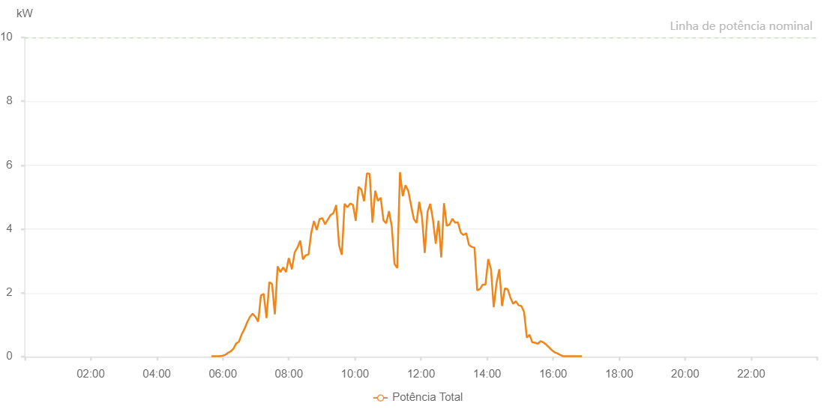

Number | Time | Working State | Alarm Code | Total Inverter Power(W)
1 | 06/06/2022 05:39:14 (UTC-4:00) | Normal |  | 20.000
2 | 06/06/2022 05:44:13 (UTC-4:00) | Normal |  | 20.000
3 | 06/06/2022 05:49:13 (UTC-4:00) | Normal |  | 20.000
4 | 06/06/2022 05:54:18 (UTC-4:00) | Normal |  | 20.000
5 | 06/06/2022 05:59:19 (UTC-4:00) | Normal |  | 30.000
6 | 06/06/2022 06:04:18 (UTC-4:00) | Normal |  | 60.000
7 | 06/06/2022 06:09:17 (UTC-4:00) | Normal |  | 120.000
8 | 06/06/2022 06:14:16 (UTC-4:00) | Normal |  | 170.000
9 | 06/06/2022 06:19:15 (UTC-4:00) | Normal |  | 250.000
10 | 06/06/2022 06:24:16 (UTC-4:00) | Normal |  | 420.000
11 | 06/06/2022 06:29:13 (UTC-4:00) | Normal |  | 470.000
12 | 06/06/2022 06:34:16 (UTC-4:00) | Normal |  | 700.000
13 | 06/06/2022 06:39:16 (UTC-4:00) | Normal |  | 870.000
14 | 06/06/2022 06:44:14 (UTC-4:00) | Normal |  | 1080.000
15 | 06/06/2022 06:49:14 (UTC-4:00) | Normal |  | 1250.000
16 | 06/06/2022 06:54:09 (UTC-4:00) | Normal |  | 1350.000
17 | 06/06/2022 06:59:14 (UTC-4:00) | Normal |  | 1250.000
18 | 06/06/2022 07:04:17 (UTC-4:00) | Normal |  | 1100.000
19 | 06/06/2022 07:09:15 (UTC-4:00) | Normal |  | 1920.000
20 | 06/06/2022 07:14:18 (UTC-4:00) | Normal |  | 1970.000
21 | 06/06/2022 07:19:21 (UTC-4:00) | Normal |  | 1210.000
22 | 06/06/2022 07:24:24 (UTC-4:00) | Normal |  | 2330.000
23 | 06/06/2022 07:24:34 (UTC-4:00) | Normal |  | 2330.000
24 | 06/06/2022 07:29:27 (UTC-4:00) | Normal |  | 2280.000
25 | 06/06/2022 07:34:29 (UTC-4:00) | Normal |  | 1330.000
26 | 06/06/2022 07:39:32 (UTC-4:00) | Normal |  | 2830.000
27 | 06/06/2022 07:44:35 (UTC-4:00) | Normal |  | 2650.000
28 | 06/06/2022 07:49:38 (UTC-4:00) | Normal |  | 2800.000
29 | 06/06/2022 07:54:41 (UTC-4:00) | Normal |  | 2660.000
30 | 06/06/2022 07:54:52 (UTC-4:00) | Normal |  | 2660.000
31 | 06/06/2022 07:59:47 (UTC-4:00) | Normal |  | 3090.000
32 | 06/06/2022 08:04:47 (UTC-4:00) | Normal |  | 2790.000
33 | 06/06/2022 08:05:16 (UTC-4:00) | Normal |  | 2740.000
34 | 06/06/2022 08:10:36 (UTC-4:00) | Normal |  | 3270.000
35 | 06/06/2022 08:15:38 (UTC-4:00) | Normal |  | 3420.000
36 | 06/06/2022 08:20:37 (UTC-4:00) | Normal |  | 3640.000
37 | 06/06/2022 08:25:37 (UTC-4:00) | Normal |  | 3050.000
38 | 06/06/2022 08:30:36 (UTC-4:00) | Normal |  | 3180.000
39 | 06/06/2022 08:35:36 (UTC-4:00) | Normal |  | 3200.000
40 | 06/06/2022 08:40:35 (UTC-4:00) | Normal |  | 3880.000
41 | 06/06/2022 08:45:36 (UTC-4:00) | Normal |  | 4250.000
42 | 06/06/2022 08:50:38 (UTC-4:00) | Normal |  | 3970.000
43 | 06/06/2022 08:55:41 (UTC-4:00) | Normal |  | 4310.000
44 | 06/06/2022 09:00:46 (UTC-4:00) | Normal |  | 4340.000
45 | 06/06/2022 09:05:49 (UTC-4:00) | Normal |  | 4150.000
46 | 06/06/2022 09:10:53 (UTC-4:00) | Normal |  | 4300.000
47 | 06/06/2022 09:15:56 (UTC-4:00) | Normal |  | 4440.000
48 | 06/06/2022 09:21:00 (UTC-4:00) | Normal |  | 4500.000
49 | 06/06/2022 09:26:03 (UTC-4:00) | Normal |  | 4750.000
50 | 06/06/2022 09:31:07 (UTC-4:00) | Normal |  | 3500.000
51 | 06/06/2022 09:36:10 (UTC-4:00) | Normal |  | 3190.000
52 | 06/06/2022 09:41:14 (UTC-4:00) | Normal |  | 4790.000
53 | 06/06/2022 09:46:17 (UTC-4:00) | Normal |  | 4680.000
54 | 06/06/2022 09:51:28 (UTC-4:00) | Normal |  | 4800.000
55 | 06/06/2022 09:56:32 (UTC-4:00) | Normal |  | 4750.000
56 | 06/06/2022 10:01:30 (UTC-4:00) | Normal |  | 4260.000
57 | 06/06/2022 10:06:35 (UTC-4:00) | Normal |  | 5320.000
58 | 06/06/2022 10:11:37 (UTC-4:00) | Normal |  | 5240.000
59 | 06/06/2022 10:16:40 (UTC-4:00) | Normal |  | 4870.000
60 | 06/06/2022 10:21:44 (UTC-4:00) | Normal |  | 5740.000
61 | 06/06/2022 10:26:47 (UTC-4:00) | Normal |  | 5730.000
62 | 06/06/2022 10:31:51 (UTC-4:00) | Normal |  | 4200.000
63 | 06/06/2022 10:36:54 (UTC-4:00) | Normal |  | 5200.000
64 | 06/06/2022 10:41:54 (UTC-4:00) | Normal |  | 4880.000
65 | 06/06/2022 10:46:53 (UTC-4:00) | Normal |  | 4980.000
66 | 06/06/2022 10:51:53 (UTC-4:00) | Normal |  | 4270.000
67 | 06/06/2022 10:56:53 (UTC-4:00) | Normal |  | 4180.000
68 | 06/06/2022 11:01:52 (UTC-4:00) | Normal |  | 4560.000
69 | 06/06/2022 11:06:52 (UTC-4:00) | Normal |  | 4090.000
70 | 06/06/2022 11:11:51 (UTC-4:00) | Normal |  | 2910.000
71 | 06/06/2022 11:16:51 (UTC-4:00) | Normal |  | 2780.000
72 | 06/06/2022 11:21:50 (UTC-4:00) | Normal |  | 5780.000
73 | 06/06/2022 11:26:50 (UTC-4:00) | Normal |  | 5030.000
74 | 06/06/2022 11:31:50 (UTC-4:00) | Normal |  | 5370.000
75 | 06/06/2022 11:36:51 (UTC-4:00) | Normal |  | 5200.000
76 | 06/06/2022 11:41:54 (UTC-4:00) | Normal |  | 4750.000
77 | 06/06/2022 11:46:53 (UTC-4:00) | Normal |  | 4320.000
78 | 06/06/2022 11:51:53 (UTC-4:00) | Normal |  | 4190.000
79 | 06/06/2022 11:56:53 (UTC-4:00) | Normal |  | 4850.000
80 | 06/06/2022 12:01:52 (UTC-4:00) | Normal |  | 4370.000
81 | 06/06/2022 12:06:52 (UTC-4:00) | Normal |  | 3250.000
82 | 06/06/2022 12:11:51 (UTC-4:00) | Normal |  | 4540.000
83 | 06/06/2022 12:16:51 (UTC-4:00) | Normal |  | 4790.000
84 | 06/06/2022 12:21:51 (UTC-4:00) | Normal |  | 4280.000
85 | 06/06/2022 12:26:50 (UTC-4:00) | Normal |  | 3540.000
86 | 06/06/2022 12:31:50 (UTC-4:00) | Normal |  | 4260.000
87 | 06/06/2022 12:36:49 (UTC-4:00) | Normal |  | 3110.000
88 | 06/06/2022 12:41:50 (UTC-4:00) | Normal |  | 4810.000
89 | 06/06/2022 12:46:54 (UTC-4:00) | Normal |  | 4100.000
90 | 06/06/2022 12:51:58 (UTC-4:00) | Normal |  | 4140.000
91 | 06/06/2022 12:57:01 (UTC-4:00) | Normal |  | 4320.000
92 | 06/06/2022 13:02:04 (UTC-4:00) | Normal |  | 4200.000
93 | 06/06/2022 13:07:08 (UTC-4:00) | Normal |  | 4210.000
94 | 06/06/2022 13:12:12 (UTC-4:00) | Normal |  | 3890.000
95 | 06/06/2022 13:17:15 (UTC-4:00) | Normal |  | 3810.000
96 | 06/06/2022 13:22:14 (UTC-4:00) | Normal |  | 3870.000
97 | 06/06/2022 13:27:14 (UTC-4:00) | Normal |  | 3500.000
98 | 06/06/2022 13:32:13 (UTC-4:00) | Normal |  | 3440.000
99 | 06/06/2022 13:37:13 (UTC-4:00) | Normal |  | 3420.000
100 | 06/06/2022 13:42:13 (UTC-4:00) | Normal |  | 2080.000
101 | 06/06/2022 13:47:12 (UTC-4:00) | Normal |  | 2120.000
102 | 06/06/2022 13:52:12 (UTC-4:00) | Normal |  | 2260.000
103 | 06/06/2022 13:57:12 (UTC-4:00) | Normal |  | 2260.000
104 | 06/06/2022 14:02:11 (UTC-4:00) | Normal |  | 3060.000
105 | 06/06/2022 14:07:11 (UTC-4:00) | Normal |  | 2740.000
106 | 06/06/2022 14:12:10 (UTC-4:00) | Normal |  | 1550.000
107 | 06/06/2022 14:17:13 (UTC-4:00) | Normal |  | 2300.000
108 | 06/06/2022 14:22:17 (UTC-4:00) | Normal |  | 2740.000
109 | 06/06/2022 14:27:20 (UTC-4:00) | Normal |  | 1590.000
110 | 06/06/2022 14:32:24 (UTC-4:00) | Normal |  | 2140.000
111 | 06/06/2022 14:37:23 (UTC-4:00) | Normal |  | 2120.000
112 | 06/06/2022 14:42:23 (UTC-4:00) | Normal |  | 1860.000
113 | 06/06/2022 14:47:22 (UTC-4:00) | Normal |  | 1660.000
114 | 06/06/2022 14:52:22 (UTC-4:00) | Normal |  | 1740.000
115 | 06/06/2022 14:57:22 (UTC-4:00) | Normal |  | 1610.000
116 | 06/06/2022 15:02:21 (UTC-4:00) | Normal |  | 1590.000
117 | 06/06/2022 15:07:21 (UTC-4:00) | Normal |  | 1400.000
118 | 06/06/2022 15:12:20 (UTC-4:00) | Normal |  | 600.000
119 | 06/06/2022 15:17:20 (UTC-4:00) | Normal |  | 690.000
120 | 06/06/2022 15:22:20 (UTC-4:00) | Normal |  | 450.000
121 | 06/06/2022 15:27:19 (UTC-4:00) | Normal |  | 440.000
122 | 06/06/2022 15:32:19 (UTC-4:00) | Normal |  | 410.000
123 | 06/06/2022 15:37:23 (UTC-4:00) | Normal |  | 490.000
124 | 06/06/2022 15:42:27 (UTC-4:00) | Normal |  | 450.000
125 | 06/06/2022 15:47:31 (UTC-4:00) | Normal |  | 380.000
126 | 06/06/2022 15:52:34 (UTC-4:00) | Normal |  | 300.000
127 | 06/06/2022 15:57:38 (UTC-4:00) | Normal |  | 210.000
128 | 06/06/2022 16:02:38 (UTC-4:00) | Normal |  | 140.000
129 | 06/06/2022 16:07:37 (UTC-4:00) | Normal |  | 110.000
130 | 06/06/2022 16:12:37 (UTC-4:00) | Normal |  | 60.000
131 | 06/06/2022 16:17:36 (UTC-4:00) | Normal |  | 20.000
132 | 06/06/2022 16:22:36 (UTC-4:00) | Normal |  | 20.000
133 | 06/06/2022 16:27:36 (UTC-4:00) | Normal |  | 20.000
134 | 06/06/2022 16:32:36 (UTC-4:00) | Normal |  | 20.000
135 | 06/06/2022 16:37:35 (UTC-4:00) | Normal |  | 20.000
136 | 06/06/2022 16:42:34 (UTC-4:00) | Normal |  | 20.000
137 | 06/06/2022 16:47:34 (UTC-4:00) | Normal |  | 20.000
138 | 06/06/2022 16:52:33 (UTC-4:00) | Normal |  | 20.000

