Inverter History Report__17-08-
Inverter History Report_07/06/2022_Report

Inverter SN:054B7020C020041 |  | Inverter type:B7
Collector SN:4045966636 |  | Full Load Hours(h):2.83
Rated Power:10000Wp

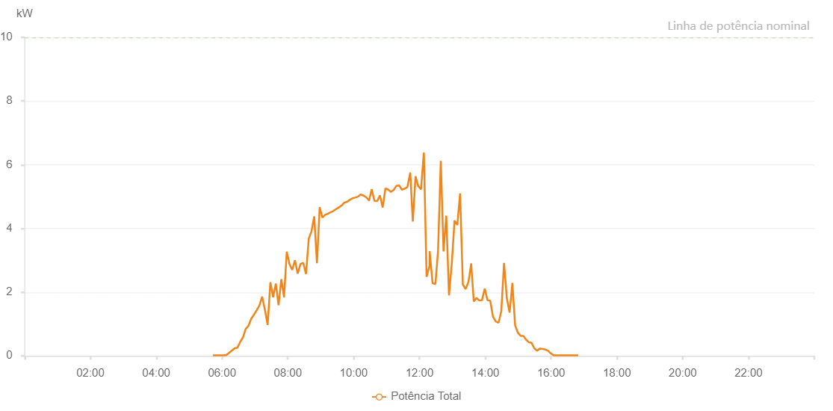

Number | Time | Working State | Alarm Code | Total Inverter Power(W)
1 | 07/06/2022 05:43:15 (UTC-4:00) | Normal |  | 20.000
2 | 07/06/2022 05:48:13 (UTC-4:00) | Normal |  | 20.000
3 | 07/06/2022 05:53:12 (UTC-4:00) | Normal |  | 20.000
4 | 07/06/2022 05:58:14 (UTC-4:00) | Normal |  | 20.000
5 | 07/06/2022 06:03:17 (UTC-4:00) | Normal |  | 20.000
6 | 07/06/2022 06:08:15 (UTC-4:00) | Normal |  | 30.000
7 | 07/06/2022 06:13:14 (UTC-4:00) | Normal |  | 100.000
8 | 07/06/2022 06:18:13 (UTC-4:00) | Normal |  | 170.000
9 | 07/06/2022 06:23:11 (UTC-4:00) | Normal |  | 240.000
10 | 07/06/2022 06:28:10 (UTC-4:00) | Normal |  | 260.000
11 | 07/06/2022 06:33:09 (UTC-4:00) | Normal |  | 440.000
12 | 07/06/2022 06:38:08 (UTC-4:00) | Normal |  | 580.000
13 | 07/06/2022 06:43:07 (UTC-4:00) | Normal |  | 850.000
14 | 07/06/2022 06:48:05 (UTC-4:00) | Normal |  | 940.000
15 | 07/06/2022 06:53:04 (UTC-4:00) | Normal |  | 1160.000
16 | 07/06/2022 06:58:03 (UTC-4:00) | Normal |  | 1290.000
17 | 07/06/2022 07:03:03 (UTC-4:00) | Normal |  | 1430.000
18 | 07/06/2022 07:08:06 (UTC-4:00) | Normal |  | 1580.000
19 | 07/06/2022 07:13:08 (UTC-4:00) | Normal |  | 1860.000
20 | 07/06/2022 07:18:11 (UTC-4:00) | Normal |  | 1450.000
21 | 07/06/2022 07:23:10 (UTC-4:00) | Normal |  | 970.000
22 | 07/06/2022 07:28:09 (UTC-4:00) | Normal |  | 2310.000
23 | 07/06/2022 07:33:08 (UTC-4:00) | Normal |  | 1840.000
24 | 07/06/2022 07:38:07 (UTC-4:00) | Normal |  | 2270.000
25 | 07/06/2022 07:43:05 (UTC-4:00) | Normal |  | 1590.000
26 | 07/06/2022 07:48:04 (UTC-4:00) | Normal |  | 2410.000
27 | 07/06/2022 07:53:03 (UTC-4:00) | Normal |  | 1840.000
28 | 07/06/2022 07:58:02 (UTC-4:00) | Normal |  | 3270.000
29 | 07/06/2022 08:03:01 (UTC-4:00) | Normal |  | 2880.000
30 | 07/06/2022 08:08:00 (UTC-4:00) | Normal |  | 2700.000
31 | 07/06/2022 08:12:59 (UTC-4:00) | Normal |  | 3000.000
32 | 07/06/2022 08:18:01 (UTC-4:00) | Normal |  | 2580.000
33 | 07/06/2022 08:23:04 (UTC-4:00) | Normal |  | 2890.000
34 | 07/06/2022 08:28:07 (UTC-4:00) | Normal |  | 2920.000
35 | 07/06/2022 08:33:09 (UTC-4:00) | Normal |  | 2570.000
36 | 07/06/2022 08:38:08 (UTC-4:00) | Normal |  | 3680.000
37 | 07/06/2022 08:43:07 (UTC-4:00) | Normal |  | 3910.000
38 | 07/06/2022 08:48:06 (UTC-4:00) | Normal |  | 4380.000
39 | 07/06/2022 08:53:05 (UTC-4:00) | Normal |  | 2910.000
40 | 07/06/2022 08:58:04 (UTC-4:00) | Normal |  | 4670.000
41 | 07/06/2022 09:03:03 (UTC-4:00) | Normal |  | 4340.000
42 | 07/06/2022 09:08:01 (UTC-4:00) | Normal |  | 4430.000
43 | 07/06/2022 09:13:00 (UTC-4:00) | Normal |  | 4460.000
44 | 07/06/2022 09:17:59 (UTC-4:00) | Normal |  | 4510.000
45 | 07/06/2022 09:22:59 (UTC-4:00) | Normal |  | 4550.000
46 | 07/06/2022 09:27:58 (UTC-4:00) | Normal |  | 4610.000
47 | 07/06/2022 09:32:57 (UTC-4:00) | Normal |  | 4660.000
48 | 07/06/2022 09:37:59 (UTC-4:00) | Normal |  | 4720.000
49 | 07/06/2022 09:43:02 (UTC-4:00) | Normal |  | 4810.000
50 | 07/06/2022 09:48:04 (UTC-4:00) | Normal |  | 4840.000
51 | 07/06/2022 09:53:03 (UTC-4:00) | Normal |  | 4900.000
52 | 07/06/2022 09:58:02 (UTC-4:00) | Normal |  | 4950.000
53 | 07/06/2022 10:03:01 (UTC-4:00) | Normal |  | 4970.000
54 | 07/06/2022 10:08:00 (UTC-4:00) | Normal |  | 5000.000
55 | 07/06/2022 10:12:59 (UTC-4:00) | Normal |  | 5070.000
56 | 07/06/2022 10:18:00 (UTC-4:00) | Normal |  | 5030.000
57 | 07/06/2022 10:18:09 (UTC-4:00) | Normal |  | 5030.000
58 | 07/06/2022 10:22:58 (UTC-4:00) | Normal |  | 4980.000
59 | 07/06/2022 10:27:57 (UTC-4:00) | Normal |  | 4880.000
60 | 07/06/2022 10:28:06 (UTC-4:00) | Normal |  | 4880.000
61 | 07/06/2022 10:32:54 (UTC-4:00) | Normal |  | 5230.000
62 | 07/06/2022 10:37:54 (UTC-4:00) | Normal |  | 4870.000
63 | 07/06/2022 10:42:52 (UTC-4:00) | Normal |  | 4860.000
64 | 07/06/2022 10:47:54 (UTC-4:00) | Normal |  | 5040.000
65 | 07/06/2022 10:53:00 (UTC-4:00) | Normal |  | 4660.000
66 | 07/06/2022 10:57:58 (UTC-4:00) | Normal |  | 5260.000
67 | 07/06/2022 11:03:01 (UTC-4:00) | Normal |  | 5220.000
68 | 07/06/2022 11:08:00 (UTC-4:00) | Normal |  | 5150.000
69 | 07/06/2022 11:12:59 (UTC-4:00) | Normal |  | 5210.000
70 | 07/06/2022 11:17:58 (UTC-4:00) | Normal |  | 5340.000
71 | 07/06/2022 11:22:57 (UTC-4:00) | Normal |  | 5350.000
72 | 07/06/2022 11:27:55 (UTC-4:00) | Normal |  | 5220.000
73 | 07/06/2022 11:32:54 (UTC-4:00) | Normal |  | 5250.000
74 | 07/06/2022 11:37:57 (UTC-4:00) | Normal |  | 5300.000
75 | 07/06/2022 11:43:04 (UTC-4:00) | Normal |  | 5740.000
76 | 07/06/2022 11:43:17 (UTC-4:00) | Normal |  | 5740.000
77 | 07/06/2022 11:47:52 (UTC-4:00) | Normal |  | 4220.000
78 | 07/06/2022 11:52:51 (UTC-4:00) | Normal |  | 5640.000
79 | 07/06/2022 11:57:50 (UTC-4:00) | Normal |  | 5330.000
80 | 07/06/2022 12:02:51 (UTC-4:00) | Normal |  | 5230.000
81 | 07/06/2022 12:07:54 (UTC-4:00) | Normal |  | 6370.000
82 | 07/06/2022 12:08:05 (UTC-4:00) | Normal |  | 6370.000
83 | 07/06/2022 12:12:58 (UTC-4:00) | Normal |  | 2480.000
84 | 07/06/2022 12:18:00 (UTC-4:00) | Normal |  | 2810.000
85 | 07/06/2022 12:18:10 (UTC-4:00) | Normal |  | 2810.000
86 | 07/06/2022 12:18:36 (UTC-4:00) | Normal |  | 3290.000
87 | 07/06/2022 12:23:56 (UTC-4:00) | Normal |  | 2280.000
88 | 07/06/2022 12:29:08 (UTC-4:00) | Normal |  | 2260.000
89 | 07/06/2022 12:33:55 (UTC-4:00) | Normal |  | 3310.000
90 | 07/06/2022 12:38:54 (UTC-4:00) | Normal |  | 6120.000
91 | 07/06/2022 12:43:54 (UTC-4:00) | Normal |  | 3280.000
92 | 07/06/2022 12:48:53 (UTC-4:00) | Normal |  | 4400.000
93 | 07/06/2022 12:53:52 (UTC-4:00) | Normal |  | 1900.000
94 | 07/06/2022 12:58:53 (UTC-4:00) | Normal |  | 2890.000
95 | 07/06/2022 13:03:57 (UTC-4:00) | Normal |  | 4250.000
96 | 07/06/2022 13:09:00 (UTC-4:00) | Normal |  | 4110.000
97 | 07/06/2022 13:14:04 (UTC-4:00) | Normal |  | 5100.000
98 | 07/06/2022 13:19:06 (UTC-4:00) | Normal |  | 2240.000
99 | 07/06/2022 13:24:09 (UTC-4:00) | Normal |  | 2100.000
100 | 07/06/2022 13:29:14 (UTC-4:00) | Normal |  | 2320.000
101 | 07/06/2022 13:29:16 (UTC-4:00) | Normal |  | 2320.000
102 | 07/06/2022 13:34:15 (UTC-4:00) | Normal |  | 2890.000
103 | 07/06/2022 13:34:18 (UTC-4:00) | Normal |  | 2890.000
104 | 07/06/2022 13:39:03 (UTC-4:00) | Normal |  | 1710.000
105 | 07/06/2022 13:44:02 (UTC-4:00) | Normal |  | 1820.000
106 | 07/06/2022 13:49:01 (UTC-4:00) | Normal |  | 1740.000
107 | 07/06/2022 13:54:00 (UTC-4:00) | Normal |  | 1750.000
108 | 07/06/2022 13:58:59 (UTC-4:00) | Normal |  | 2110.000
109 | 07/06/2022 14:03:58 (UTC-4:00) | Normal |  | 1750.000
110 | 07/06/2022 14:09:00 (UTC-4:00) | Normal |  | 1730.000
111 | 07/06/2022 14:14:03 (UTC-4:00) | Normal |  | 1230.000
112 | 07/06/2022 14:19:06 (UTC-4:00) | Normal |  | 1080.000
113 | 07/06/2022 14:24:09 (UTC-4:00) | Normal |  | 1040.000
114 | 07/06/2022 14:29:13 (UTC-4:00) | Normal |  | 1400.000
115 | 07/06/2022 14:34:15 (UTC-4:00) | Normal |  | 2920.000
116 | 07/06/2022 14:39:18 (UTC-4:00) | Normal |  | 1810.000
117 | 07/06/2022 14:44:21 (UTC-4:00) | Normal |  | 1360.000
118 | 07/06/2022 14:49:25 (UTC-4:00) | Normal |  | 2290.000
119 | 07/06/2022 14:54:24 (UTC-4:00) | Normal |  | 960.000
120 | 07/06/2022 14:59:23 (UTC-4:00) | Normal |  | 730.000
121 | 07/06/2022 15:04:22 (UTC-4:00) | Normal |  | 630.000
122 | 07/06/2022 15:09:21 (UTC-4:00) | Normal |  | 630.000
123 | 07/06/2022 15:14:20 (UTC-4:00) | Normal |  | 510.000
124 | 07/06/2022 15:19:21 (UTC-4:00) | Normal |  | 430.000
125 | 07/06/2022 15:24:21 (UTC-4:00) | Normal |  | 410.000
126 | 07/06/2022 15:29:20 (UTC-4:00) | Normal |  | 240.000
127 | 07/06/2022 15:34:20 (UTC-4:00) | Normal |  | 160.000
128 | 07/06/2022 15:39:19 (UTC-4:00) | Normal |  | 230.000
129 | 07/06/2022 15:44:18 (UTC-4:00) | Normal |  | 220.000
130 | 07/06/2022 15:49:17 (UTC-4:00) | Normal |  | 200.000
131 | 07/06/2022 15:54:21 (UTC-4:00) | Normal |  | 160.000
132 | 07/06/2022 15:59:23 (UTC-4:00) | Normal |  | 80.000
133 | 07/06/2022 16:04:27 (UTC-4:00) | Normal |  | 20.000
134 | 07/06/2022 16:04:38 (UTC-4:00) | Normal |  | 20.000
135 | 07/06/2022 16:09:33 (UTC-4:00) | Normal |  | 20.000
136 | 07/06/2022 16:14:35 (UTC-4:00) | Normal |  | 20.000
137 | 07/06/2022 16:14:46 (UTC-4:00) | Normal |  | 20.000
138 | 07/06/2022 16:19:36 (UTC-4:00) | Normal |  | 20.000
139 | 07/06/2022 16:24:39 (UTC-4:00) | Normal |  | 20.000
140 | 07/06/2022 16:29:38 (UTC-4:00) | Normal |  | 20.000
141 | 07/06/2022 16:34:37 (UTC-4:00) | Normal |  | 20.000
142 | 07/06/2022 16:34:39 (UTC-4:00) | Normal |  | 20.000
143 | 07/06/2022 16:39:43 (UTC-4:00) | Normal |  | 20.000
144 | 07/06/2022 16:44:35 (UTC-4:00) | Normal |  | 20.000
145 | 07/06/2022 16:49:34 (UTC-4:00) | Normal |  | 20.000

