Inverter History Report__17-08-
Inverter History Report_08/06/2022_Report

Inverter SN:054B7020C020041 |  | Inverter type:B7
Collector SN:4045966636 |  | Full Load Hours(h):1.83
Rated Power:10000Wp

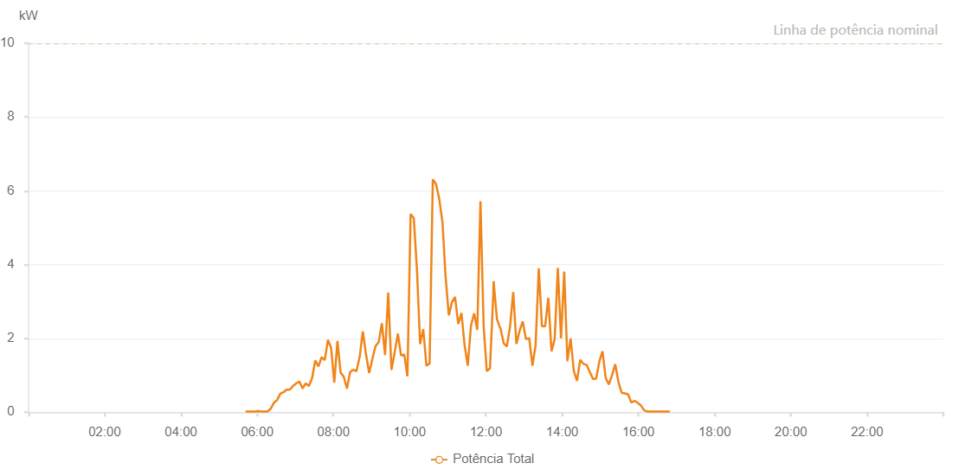

Number | Time | Working State | Alarm Code | Total Inverter Power(W)
1 | 08/06/2022 05:41:36 (UTC-4:00) | Normal |  | 20.000
2 | 08/06/2022 05:46:26 (UTC-4:00) | Normal |  | 20.000
3 | 08/06/2022 05:51:25 (UTC-4:00) | Normal |  | 20.000
4 | 08/06/2022 05:56:24 (UTC-4:00) | Normal |  | 20.000
5 | 08/06/2022 06:01:26 (UTC-4:00) | Normal |  | 30.000
6 | 08/06/2022 06:06:29 (UTC-4:00) | Normal |  | 20.000
7 | 08/06/2022 06:11:28 (UTC-4:00) | Normal |  | 20.000
8 | 08/06/2022 06:16:28 (UTC-4:00) | Normal |  | 20.000
9 | 08/06/2022 06:21:27 (UTC-4:00) | Normal |  | 100.000
10 | 08/06/2022 06:26:26 (UTC-4:00) | Normal |  | 260.000
11 | 08/06/2022 06:31:25 (UTC-4:00) | Normal |  | 330.000
12 | 08/06/2022 06:36:24 (UTC-4:00) | Normal |  | 500.000
13 | 08/06/2022 06:41:23 (UTC-4:00) | Normal |  | 540.000
14 | 08/06/2022 06:46:22 (UTC-4:00) | Normal |  | 610.000
15 | 08/06/2022 06:51:22 (UTC-4:00) | Normal |  | 610.000
16 | 08/06/2022 06:56:21 (UTC-4:00) | Normal |  | 710.000
17 | 08/06/2022 07:01:20 (UTC-4:00) | Normal |  | 780.000
18 | 08/06/2022 07:06:21 (UTC-4:00) | Normal |  | 830.000
19 | 08/06/2022 07:11:24 (UTC-4:00) | Normal |  | 640.000
20 | 08/06/2022 07:16:23 (UTC-4:00) | Normal |  | 780.000
21 | 08/06/2022 07:21:22 (UTC-4:00) | Normal |  | 710.000
22 | 08/06/2022 07:26:21 (UTC-4:00) | Normal |  | 920.000
23 | 08/06/2022 07:31:21 (UTC-4:00) | Normal |  | 1400.000
24 | 08/06/2022 07:36:20 (UTC-4:00) | Normal |  | 1240.000
25 | 08/06/2022 07:41:19 (UTC-4:00) | Normal |  | 1490.000
26 | 08/06/2022 07:46:18 (UTC-4:00) | Normal |  | 1410.000
27 | 08/06/2022 07:51:17 (UTC-4:00) | Normal |  | 1960.000
28 | 08/06/2022 07:56:16 (UTC-4:00) | Normal |  | 1750.000
29 | 08/06/2022 08:01:17 (UTC-4:00) | Normal |  | 800.000
30 | 08/06/2022 08:06:16 (UTC-4:00) | Normal |  | 1930.000
31 | 08/06/2022 08:11:15 (UTC-4:00) | Normal |  | 1070.000
32 | 08/06/2022 08:16:16 (UTC-4:00) | Normal |  | 960.000
33 | 08/06/2022 08:21:15 (UTC-4:00) | Normal |  | 640.000
34 | 08/06/2022 08:26:17 (UTC-4:00) | Normal |  | 1090.000
35 | 08/06/2022 08:31:13 (UTC-4:00) | Normal |  | 1150.000
36 | 08/06/2022 08:36:13 (UTC-4:00) | Normal |  | 1110.000
37 | 08/06/2022 08:41:15 (UTC-4:00) | Normal |  | 1500.000
38 | 08/06/2022 08:46:14 (UTC-4:00) | Normal |  | 2190.000
39 | 08/06/2022 08:51:13 (UTC-4:00) | Normal |  | 1570.000
40 | 08/06/2022 08:56:12 (UTC-4:00) | Normal |  | 1060.000
41 | 08/06/2022 09:01:14 (UTC-4:00) | Normal |  | 1440.000
42 | 08/06/2022 09:06:11 (UTC-4:00) | Normal |  | 1790.000
43 | 08/06/2022 09:11:12 (UTC-4:00) | Normal |  | 1900.000
44 | 08/06/2022 09:16:16 (UTC-4:00) | Normal |  | 2410.000
45 | 08/06/2022 09:21:12 (UTC-4:00) | Normal |  | 1550.000
46 | 08/06/2022 09:26:15 (UTC-4:00) | Normal |  | 3240.000
47 | 08/06/2022 09:31:16 (UTC-4:00) | Normal |  | 1160.000
48 | 08/06/2022 09:31:26 (UTC-4:00) | Normal |  | 1160.000
49 | 08/06/2022 09:36:21 (UTC-4:00) | Normal |  | 1620.000
50 | 08/06/2022 09:41:24 (UTC-4:00) | Normal |  | 2130.000
51 | 08/06/2022 09:46:25 (UTC-4:00) | Normal |  | 1540.000
52 | 08/06/2022 09:51:28 (UTC-4:00) | Normal |  | 1560.000
53 | 08/06/2022 09:56:27 (UTC-4:00) | Normal |  | 970.000
54 | 08/06/2022 10:01:26 (UTC-4:00) | Normal |  | 5370.000
55 | 08/06/2022 10:06:25 (UTC-4:00) | Normal |  | 5260.000
56 | 08/06/2022 10:11:24 (UTC-4:00) | Normal |  | 3870.000
57 | 08/06/2022 10:16:23 (UTC-4:00) | Normal |  | 1850.000
58 | 08/06/2022 10:21:22 (UTC-4:00) | Normal |  | 2250.000
59 | 08/06/2022 10:26:22 (UTC-4:00) | Normal |  | 1260.000
60 | 08/06/2022 10:31:21 (UTC-4:00) | Normal |  | 1320.000
61 | 08/06/2022 10:36:24 (UTC-4:00) | Normal |  | 6310.000
62 | 08/06/2022 10:41:23 (UTC-4:00) | Normal |  | 6190.000
63 | 08/06/2022 10:46:26 (UTC-4:00) | Normal |  | 5790.000
64 | 08/06/2022 10:51:21 (UTC-4:00) | Normal |  | 5170.000
65 | 08/06/2022 10:51:32 (UTC-4:00) | Normal |  | 5170.000
66 | 08/06/2022 10:56:23 (UTC-4:00) | Normal |  | 3700.000
67 | 08/06/2022 11:01:29 (UTC-4:00) | Normal |  | 2640.000
68 | 08/06/2022 11:01:51 (UTC-4:00) | Normal |  | 2640.000
69 | 08/06/2022 11:06:26 (UTC-4:00) | Normal |  | 2980.000
70 | 08/06/2022 11:11:25 (UTC-4:00) | Normal |  | 3120.000
71 | 08/06/2022 11:16:28 (UTC-4:00) | Normal |  | 2390.000
72 | 08/06/2022 11:21:27 (UTC-4:00) | Normal |  | 2690.000
73 | 08/06/2022 11:26:26 (UTC-4:00) | Normal |  | 1810.000
74 | 08/06/2022 11:31:25 (UTC-4:00) | Normal |  | 1260.000
75 | 08/06/2022 11:36:25 (UTC-4:00) | Normal |  | 2340.000
76 | 08/06/2022 11:41:24 (UTC-4:00) | Normal |  | 2680.000
77 | 08/06/2022 11:46:23 (UTC-4:00) | Normal |  | 2230.000
78 | 08/06/2022 11:51:22 (UTC-4:00) | Normal |  | 5720.000
79 | 08/06/2022 11:56:22 (UTC-4:00) | Normal |  | 2340.000
80 | 08/06/2022 12:01:21 (UTC-4:00) | Normal |  | 1110.000
81 | 08/06/2022 12:06:22 (UTC-4:00) | Normal |  | 1190.000
82 | 08/06/2022 12:11:26 (UTC-4:00) | Normal |  | 3150.000
83 | 08/06/2022 12:11:35 (UTC-4:00) | Normal |  | 3150.000
84 | 08/06/2022 12:12:02 (UTC-4:00) | Normal |  | 3550.000
85 | 08/06/2022 12:17:24 (UTC-4:00) | Normal |  | 2520.000
86 | 08/06/2022 12:22:20 (UTC-4:00) | Normal |  | 2280.000
87 | 08/06/2022 12:22:38 (UTC-4:00) | Normal |  | 2300.000
88 | 08/06/2022 12:27:55 (UTC-4:00) | Normal |  | 1870.000
89 | 08/06/2022 12:32:55 (UTC-4:00) | Normal |  | 1780.000
90 | 08/06/2022 12:37:56 (UTC-4:00) | Normal |  | 2320.000
91 | 08/06/2022 12:42:56 (UTC-4:00) | Normal |  | 3260.000
92 | 08/06/2022 12:47:56 (UTC-4:00) | Normal |  | 1850.000
93 | 08/06/2022 12:52:56 (UTC-4:00) | Normal |  | 2200.000
94 | 08/06/2022 12:57:57 (UTC-4:00) | Normal |  | 2460.000
95 | 08/06/2022 13:03:02 (UTC-4:00) | Normal |  | 1980.000
96 | 08/06/2022 13:08:06 (UTC-4:00) | Normal |  | 2010.000
97 | 08/06/2022 13:13:10 (UTC-4:00) | Normal |  | 1260.000
98 | 08/06/2022 13:18:10 (UTC-4:00) | Normal |  | 1810.000
99 | 08/06/2022 13:23:10 (UTC-4:00) | Normal |  | 3900.000
100 | 08/06/2022 13:28:10 (UTC-4:00) | Normal |  | 2330.000
101 | 08/06/2022 13:33:11 (UTC-4:00) | Normal |  | 2330.000
102 | 08/06/2022 13:38:11 (UTC-4:00) | Normal |  | 3100.000
103 | 08/06/2022 13:43:11 (UTC-4:00) | Normal |  | 1650.000
104 | 08/06/2022 13:48:11 (UTC-4:00) | Normal |  | 1980.000
105 | 08/06/2022 13:53:11 (UTC-4:00) | Normal |  | 3910.000
106 | 08/06/2022 13:58:12 (UTC-4:00) | Normal |  | 2000.000
107 | 08/06/2022 14:03:13 (UTC-4:00) | Normal |  | 3810.000
108 | 08/06/2022 14:08:14 (UTC-4:00) | Normal |  | 1380.000
109 | 08/06/2022 14:13:17 (UTC-4:00) | Normal |  | 2000.000
110 | 08/06/2022 14:18:18 (UTC-4:00) | Normal |  | 1120.000
111 | 08/06/2022 14:23:21 (UTC-4:00) | Normal |  | 850.000
112 | 08/06/2022 14:28:24 (UTC-4:00) | Normal |  | 1420.000
113 | 08/06/2022 14:33:29 (UTC-4:00) | Normal |  | 1310.000
114 | 08/06/2022 14:33:40 (UTC-4:00) | Normal |  | 1310.000
115 | 08/06/2022 14:38:29 (UTC-4:00) | Normal |  | 1280.000
116 | 08/06/2022 14:43:29 (UTC-4:00) | Normal |  | 1090.000
117 | 08/06/2022 14:48:29 (UTC-4:00) | Normal |  | 900.000
118 | 08/06/2022 14:53:29 (UTC-4:00) | Normal |  | 910.000
119 | 08/06/2022 14:58:29 (UTC-4:00) | Normal |  | 1370.000
120 | 08/06/2022 15:03:29 (UTC-4:00) | Normal |  | 1650.000
121 | 08/06/2022 15:08:29 (UTC-4:00) | Normal |  | 930.000
122 | 08/06/2022 15:13:30 (UTC-4:00) | Normal |  | 750.000
123 | 08/06/2022 15:18:30 (UTC-4:00) | Normal |  | 1000.000
124 | 08/06/2022 15:23:30 (UTC-4:00) | Normal |  | 1300.000
125 | 08/06/2022 15:28:30 (UTC-4:00) | Normal |  | 820.000
126 | 08/06/2022 15:33:33 (UTC-4:00) | Normal |  | 530.000
127 | 08/06/2022 15:38:37 (UTC-4:00) | Normal |  | 510.000
128 | 08/06/2022 15:43:41 (UTC-4:00) | Normal |  | 480.000
129 | 08/06/2022 15:43:52 (UTC-4:00) | Normal |  | 480.000
130 | 08/06/2022 15:48:50 (UTC-4:00) | Normal |  | 260.000
131 | 08/06/2022 15:53:55 (UTC-4:00) | Normal |  | 310.000
132 | 08/06/2022 15:58:54 (UTC-4:00) | Normal |  | 250.000
133 | 08/06/2022 16:03:58 (UTC-4:00) | Normal |  | 180.000
134 | 08/06/2022 16:09:02 (UTC-4:00) | Normal |  | 50.000
135 | 08/06/2022 16:14:06 (UTC-4:00) | Normal |  | 20.000
136 | 08/06/2022 16:19:10 (UTC-4:00) | Normal |  | 20.000
137 | 08/06/2022 16:24:14 (UTC-4:00) | Normal |  | 20.000
138 | 08/06/2022 16:29:18 (UTC-4:00) | Normal |  | 20.000
139 | 08/06/2022 16:34:22 (UTC-4:00) | Normal |  | 20.000
140 | 08/06/2022 16:39:26 (UTC-4:00) | Normal |  | 20.000
141 | 08/06/2022 16:44:26 (UTC-4:00) | Normal |  | 20.000
142 | 08/06/2022 16:49:27 (UTC-4:00) | Normal |  | 20.000

