Inverter History Report__17-08-
Inverter History Report_09/06/2022_Report

Inverter SN:054B7020C020041 |  | Inverter type:B7
Collector SN:4045966636 |  | Full Load Hours(h):0.87
Rated Power:10000Wp

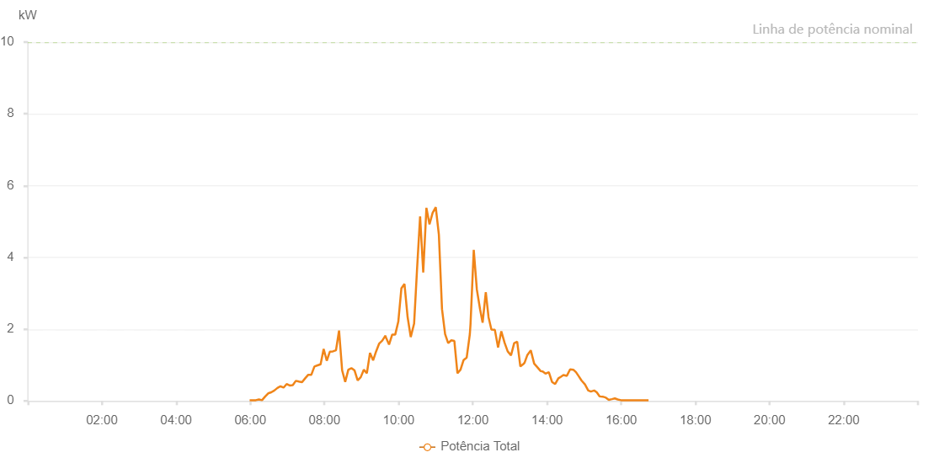

Number | Time | Working State | Alarm Code | Total Inverter Power(W)
1 | 09/06/2022 05:58:58 (UTC-4:00) | Normal |  | 20.000
2 | 09/06/2022 06:03:56 (UTC-4:00) | Normal |  | 20.000
3 | 09/06/2022 06:08:55 (UTC-4:00) | Normal |  | 20.000
4 | 09/06/2022 06:13:56 (UTC-4:00) | Normal |  | 40.000
5 | 09/06/2022 06:18:59 (UTC-4:00) | Normal |  | 20.000
6 | 09/06/2022 06:23:57 (UTC-4:00) | Normal |  | 120.000
7 | 09/06/2022 06:28:56 (UTC-4:00) | Normal |  | 210.000
8 | 09/06/2022 06:33:55 (UTC-4:00) | Normal |  | 240.000
9 | 09/06/2022 06:38:53 (UTC-4:00) | Normal |  | 290.000
10 | 09/06/2022 06:43:52 (UTC-4:00) | Normal |  | 360.000
11 | 09/06/2022 06:48:50 (UTC-4:00) | Normal |  | 410.000
12 | 09/06/2022 06:53:49 (UTC-4:00) | Normal |  | 370.000
13 | 09/06/2022 06:58:47 (UTC-4:00) | Normal |  | 470.000
14 | 09/06/2022 07:03:46 (UTC-4:00) | Normal |  | 430.000
15 | 09/06/2022 07:08:44 (UTC-4:00) | Normal |  | 440.000
16 | 09/06/2022 07:13:43 (UTC-4:00) | Normal |  | 560.000
17 | 09/06/2022 07:18:42 (UTC-4:00) | Normal |  | 540.000
18 | 09/06/2022 07:23:44 (UTC-4:00) | Normal |  | 520.000
19 | 09/06/2022 07:28:47 (UTC-4:00) | Normal |  | 630.000
20 | 09/06/2022 07:33:49 (UTC-4:00) | Normal |  | 730.000
21 | 09/06/2022 07:38:48 (UTC-4:00) | Normal |  | 730.000
22 | 09/06/2022 07:43:46 (UTC-4:00) | Normal |  | 960.000
23 | 09/06/2022 07:48:45 (UTC-4:00) | Normal |  | 990.000
24 | 09/06/2022 07:53:44 (UTC-4:00) | Normal |  | 1020.000
25 | 09/06/2022 07:58:42 (UTC-4:00) | Normal |  | 1450.000
26 | 09/06/2022 08:03:41 (UTC-4:00) | Normal |  | 1120.000
27 | 09/06/2022 08:08:40 (UTC-4:00) | Normal |  | 1370.000
28 | 09/06/2022 08:13:38 (UTC-4:00) | Normal |  | 1380.000
29 | 09/06/2022 08:18:37 (UTC-4:00) | Normal |  | 1410.000
30 | 09/06/2022 08:23:35 (UTC-4:00) | Normal |  | 1960.000
31 | 09/06/2022 08:28:36 (UTC-4:00) | Normal |  | 850.000
32 | 09/06/2022 08:33:33 (UTC-4:00) | Normal |  | 530.000
33 | 09/06/2022 08:38:37 (UTC-4:00) | Normal |  | 870.000
34 | 09/06/2022 08:43:39 (UTC-4:00) | Normal |  | 910.000
35 | 09/06/2022 08:44:03 (UTC-4:00) | Normal |  | 910.000
36 | 09/06/2022 08:48:41 (UTC-4:00) | Normal |  | 850.000
37 | 09/06/2022 08:53:40 (UTC-4:00) | Normal |  | 570.000
38 | 09/06/2022 08:58:38 (UTC-4:00) | Normal |  | 660.000
39 | 09/06/2022 09:03:37 (UTC-4:00) | Normal |  | 870.000
40 | 09/06/2022 09:08:36 (UTC-4:00) | Normal |  | 770.000
41 | 09/06/2022 09:13:39 (UTC-4:00) | Normal |  | 1340.000
42 | 09/06/2022 09:18:40 (UTC-4:00) | Normal |  | 1130.000
43 | 09/06/2022 09:23:32 (UTC-4:00) | Normal |  | 1380.000
44 | 09/06/2022 09:28:32 (UTC-4:00) | Normal |  | 1600.000
45 | 09/06/2022 09:33:30 (UTC-4:00) | Normal |  | 1680.000
46 | 09/06/2022 09:38:40 (UTC-4:00) | Normal |  | 1820.000
47 | 09/06/2022 09:39:10 (UTC-4:00) | Normal |  | 1780.000
48 | 09/06/2022 09:44:27 (UTC-4:00) | Normal |  | 1570.000
49 | 09/06/2022 09:49:36 (UTC-4:00) | Normal |  | 1850.000
50 | 09/06/2022 09:54:27 (UTC-4:00) | Normal |  | 1850.000
51 | 09/06/2022 09:59:26 (UTC-4:00) | Normal |  | 2210.000
52 | 09/06/2022 10:04:26 (UTC-4:00) | Normal |  | 3140.000
53 | 09/06/2022 10:09:25 (UTC-4:00) | Normal |  | 3260.000
54 | 09/06/2022 10:14:28 (UTC-4:00) | Normal |  | 2340.000
55 | 09/06/2022 10:19:32 (UTC-4:00) | Normal |  | 1780.000
56 | 09/06/2022 10:24:46 (UTC-4:00) | Normal |  | 2140.000
57 | 09/06/2022 10:24:57 (UTC-4:00) | Normal |  | 2140.000
58 | 09/06/2022 10:29:39 (UTC-4:00) | Normal |  | 3640.000
59 | 09/06/2022 10:34:42 (UTC-4:00) | Normal |  | 5140.000
60 | 09/06/2022 10:39:46 (UTC-4:00) | Normal |  | 3580.000
61 | 09/06/2022 10:44:54 (UTC-4:00) | Normal |  | 5380.000
62 | 09/06/2022 10:49:53 (UTC-4:00) | Normal |  | 4920.000
63 | 09/06/2022 10:54:56 (UTC-4:00) | Normal |  | 5240.000
64 | 09/06/2022 11:00:00 (UTC-4:00) | Normal |  | 5400.000
65 | 09/06/2022 11:05:04 (UTC-4:00) | Normal |  | 4630.000
66 | 09/06/2022 11:10:07 (UTC-4:00) | Normal |  | 2560.000
67 | 09/06/2022 11:15:07 (UTC-4:00) | Normal |  | 1860.000
68 | 09/06/2022 11:20:07 (UTC-4:00) | Normal |  | 1610.000
69 | 09/06/2022 11:25:06 (UTC-4:00) | Normal |  | 1690.000
70 | 09/06/2022 11:30:06 (UTC-4:00) | Normal |  | 1670.000
71 | 09/06/2022 11:35:05 (UTC-4:00) | Normal |  | 770.000
72 | 09/06/2022 11:40:05 (UTC-4:00) | Normal |  | 870.000
73 | 09/06/2022 11:45:04 (UTC-4:00) | Normal |  | 1140.000
74 | 09/06/2022 11:50:04 (UTC-4:00) | Normal |  | 1210.000
75 | 09/06/2022 11:55:08 (UTC-4:00) | Normal |  | 1860.000
76 | 09/06/2022 11:56:13 (UTC-4:00) | Normal |  | 2130.000
77 | 09/06/2022 12:01:29 (UTC-4:00) | Normal |  | 4210.000
78 | 09/06/2022 12:06:27 (UTC-4:00) | Normal |  | 3110.000
79 | 09/06/2022 12:11:38 (UTC-4:00) | Normal |  | 2560.000
80 | 09/06/2022 12:15:49 (UTC-4:00) | Normal |  | 2180.000
81 | 09/06/2022 12:20:57 (UTC-4:00) | Normal |  | 3030.000
82 | 09/06/2022 12:25:26 (UTC-4:00) | Normal |  | 2330.000
83 | 09/06/2022 12:30:04 (UTC-4:00) | Normal |  | 1990.000
84 | 09/06/2022 12:35:38 (UTC-4:00) | Normal |  | 1980.000
85 | 09/06/2022 12:40:50 (UTC-4:00) | Normal |  | 1490.000
86 | 09/06/2022 12:46:03 (UTC-4:00) | Normal |  | 1940.000
87 | 09/06/2022 12:51:21 (UTC-4:00) | Normal |  | 1620.000
88 | 09/06/2022 12:56:23 (UTC-4:00) | Normal |  | 1380.000
89 | 09/06/2022 13:01:44 (UTC-4:00) | Normal |  | 1270.000
90 | 09/06/2022 13:06:52 (UTC-4:00) | Normal |  | 1610.000
91 | 09/06/2022 13:11:45 (UTC-4:00) | Normal |  | 1650.000
92 | 09/06/2022 13:16:52 (UTC-4:00) | Normal |  | 960.000
93 | 09/06/2022 13:22:26 (UTC-4:00) | Normal |  | 1040.000
94 | 09/06/2022 13:23:48 (UTC-4:00) | Normal |  | 1070.000
95 | 09/06/2022 13:28:14 (UTC-4:00) | Normal |  | 1280.000
96 | 09/06/2022 13:33:44 (UTC-4:00) | Normal |  | 1410.000
97 | 09/06/2022 13:39:10 (UTC-4:00) | Normal |  | 1040.000
98 | 09/06/2022 13:44:13 (UTC-4:00) | Normal |  | 940.000
99 | 09/06/2022 13:49:47 (UTC-4:00) | Normal |  | 830.000
100 | 09/06/2022 13:52:57 (UTC-4:00) | Normal |  | 820.000
101 | 09/06/2022 13:57:30 (UTC-4:00) | Normal |  | 760.000
102 | 09/06/2022 14:02:57 (UTC-4:00) | Normal |  | 800.000
103 | 09/06/2022 14:08:07 (UTC-4:00) | Normal |  | 530.000
104 | 09/06/2022 14:13:10 (UTC-4:00) | Normal |  | 470.000
105 | 09/06/2022 14:18:25 (UTC-4:00) | Normal |  | 630.000
106 | 09/06/2022 14:22:06 (UTC-4:00) | Normal |  | 670.000
107 | 09/06/2022 14:26:28 (UTC-4:00) | Normal |  | 720.000
108 | 09/06/2022 14:32:03 (UTC-4:00) | Normal |  | 700.000
109 | 09/06/2022 14:37:22 (UTC-4:00) | Normal |  | 880.000
110 | 09/06/2022 14:42:32 (UTC-4:00) | Normal |  | 870.000
111 | 09/06/2022 14:46:53 (UTC-4:00) | Normal |  | 800.000
112 | 09/06/2022 14:51:15 (UTC-4:00) | Normal |  | 690.000
113 | 09/06/2022 14:55:48 (UTC-4:00) | Normal |  | 570.000
114 | 09/06/2022 15:01:21 (UTC-4:00) | Normal |  | 460.000
115 | 09/06/2022 15:06:40 (UTC-4:00) | Normal |  | 290.000
116 | 09/06/2022 15:10:56 (UTC-4:00) | Normal |  | 260.000
117 | 09/06/2022 15:16:15 (UTC-4:00) | Normal |  | 290.000
118 | 09/06/2022 15:20:26 (UTC-4:00) | Normal |  | 240.000
119 | 09/06/2022 15:24:58 (UTC-4:00) | Normal |  | 130.000
120 | 09/06/2022 15:30:00 (UTC-4:00) | Normal |  | 120.000
121 | 09/06/2022 15:35:18 (UTC-4:00) | Normal |  | 90.000
122 | 09/06/2022 15:39:52 (UTC-4:00) | Normal |  | 30.000
123 | 09/06/2022 15:45:02 (UTC-4:00) | Normal |  | 50.000
124 | 09/06/2022 15:49:37 (UTC-4:00) | Normal |  | 70.000
125 | 09/06/2022 15:54:18 (UTC-4:00) | Normal |  | 40.000
126 | 09/06/2022 15:59:28 (UTC-4:00) | Normal |  | 20.000
127 | 09/06/2022 16:04:48 (UTC-4:00) | Normal |  | 20.000
128 | 09/06/2022 16:10:11 (UTC-4:00) | Normal |  | 20.000
129 | 09/06/2022 16:15:23 (UTC-4:00) | Normal |  | 20.000
130 | 09/06/2022 16:18:47 (UTC-4:00) | Normal |  | 20.000
131 | 09/06/2022 16:23:10 (UTC-4:00) | Normal |  | 20.000
132 | 09/06/2022 16:28:25 (UTC-4:00) | Normal |  | 20.000
133 | 09/06/2022 16:33:59 (UTC-4:00) | Normal |  | 20.000
134 | 09/06/2022 16:39:01 (UTC-4:00) | Normal |  | 20.000
135 | 09/06/2022 16:44:11 (UTC-4:00) | Normal |  | 20.000

