Inverter History Report__17-08-
Inverter History Report_10/06/2022_Report

Inverter SN:054B7020C020041 |  | Inverter type:B7
Collector SN:4045966636 |  | Full Load Hours(h):1.25
Rated Power:10000Wp

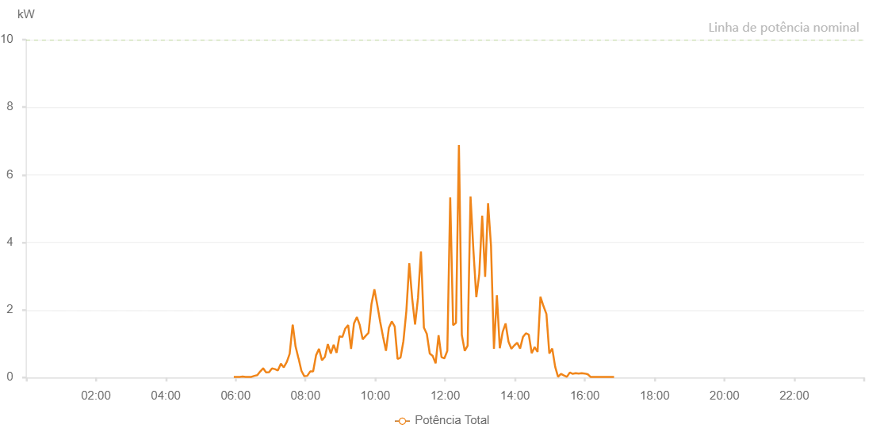

Number | Time | Working State | Alarm Code | Total Inverter Power(W)
1 | 10/06/2022 05:56:52 (UTC-4:00) | Normal |  | 20.000
2 | 10/06/2022 05:57:03 (UTC-4:00) | Normal |  | 20.000
3 | 10/06/2022 06:01:54 (UTC-4:00) | Normal |  | 20.000
4 | 10/06/2022 06:06:57 (UTC-4:00) | Normal |  | 20.000
5 | 10/06/2022 06:07:08 (UTC-4:00) | Normal |  | 20.000
6 | 10/06/2022 06:12:00 (UTC-4:00) | Normal |  | 30.000
7 | 10/06/2022 06:17:03 (UTC-4:00) | Normal |  | 20.000
8 | 10/06/2022 06:22:06 (UTC-4:00) | Normal |  | 20.000
9 | 10/06/2022 06:27:09 (UTC-4:00) | Normal |  | 20.000
10 | 10/06/2022 06:32:11 (UTC-4:00) | Normal |  | 50.000
11 | 10/06/2022 06:37:15 (UTC-4:00) | Normal |  | 70.000
12 | 10/06/2022 06:42:17 (UTC-4:00) | Normal |  | 180.000
13 | 10/06/2022 06:47:21 (UTC-4:00) | Normal |  | 270.000
14 | 10/06/2022 06:47:31 (UTC-4:00) | Normal |  | 270.000
15 | 10/06/2022 06:52:25 (UTC-4:00) | Normal |  | 150.000
16 | 10/06/2022 06:57:28 (UTC-4:00) | Normal |  | 160.000
17 | 10/06/2022 07:02:30 (UTC-4:00) | Normal |  | 270.000
18 | 10/06/2022 07:07:32 (UTC-4:00) | Normal |  | 250.000
19 | 10/06/2022 07:12:35 (UTC-4:00) | Normal |  | 210.000
20 | 10/06/2022 07:17:47 (UTC-4:00) | Normal |  | 410.000
21 | 10/06/2022 07:22:45 (UTC-4:00) | Normal |  | 300.000
22 | 10/06/2022 07:27:51 (UTC-4:00) | Normal |  | 460.000
23 | 10/06/2022 07:27:55 (UTC-4:00) | Normal |  | 460.000
24 | 10/06/2022 07:32:50 (UTC-4:00) | Normal |  | 700.000
25 | 10/06/2022 07:37:57 (UTC-4:00) | Normal |  | 1550.000
26 | 10/06/2022 07:38:17 (UTC-4:00) | Normal |  | 1550.000
27 | 10/06/2022 07:42:53 (UTC-4:00) | Normal |  | 930.000
28 | 10/06/2022 07:47:57 (UTC-4:00) | Normal |  | 570.000
29 | 10/06/2022 07:48:07 (UTC-4:00) | Normal |  | 570.000
30 | 10/06/2022 07:53:02 (UTC-4:00) | Normal |  | 200.000
31 | 10/06/2022 07:58:02 (UTC-4:00) | Normal |  | 40.000
32 | 10/06/2022 08:03:05 (UTC-4:00) | Normal |  | 50.000
33 | 10/06/2022 08:08:08 (UTC-4:00) | Normal |  | 180.000
34 | 10/06/2022 08:13:11 (UTC-4:00) | Normal |  | 180.000
35 | 10/06/2022 08:18:14 (UTC-4:00) | Normal |  | 660.000
36 | 10/06/2022 08:23:17 (UTC-4:00) | Normal |  | 850.000
37 | 10/06/2022 08:28:20 (UTC-4:00) | Normal |  | 510.000
38 | 10/06/2022 08:33:23 (UTC-4:00) | Normal |  | 610.000
39 | 10/06/2022 08:38:26 (UTC-4:00) | Normal |  | 990.000
40 | 10/06/2022 08:43:29 (UTC-4:00) | Normal |  | 710.000
41 | 10/06/2022 08:48:28 (UTC-4:00) | Normal |  | 970.000
42 | 10/06/2022 08:53:27 (UTC-4:00) | Normal |  | 730.000
43 | 10/06/2022 08:58:26 (UTC-4:00) | Normal |  | 1220.000
44 | 10/06/2022 09:03:26 (UTC-4:00) | Normal |  | 1200.000
45 | 10/06/2022 09:08:24 (UTC-4:00) | Normal |  | 1450.000
46 | 10/06/2022 09:13:23 (UTC-4:00) | Normal |  | 1550.000
47 | 10/06/2022 09:18:22 (UTC-4:00) | Normal |  | 850.000
48 | 10/06/2022 09:23:21 (UTC-4:00) | Normal |  | 1600.000
49 | 10/06/2022 09:28:20 (UTC-4:00) | Normal |  | 1790.000
50 | 10/06/2022 09:33:19 (UTC-4:00) | Normal |  | 1550.000
51 | 10/06/2022 09:38:18 (UTC-4:00) | Normal |  | 1130.000
52 | 10/06/2022 09:43:17 (UTC-4:00) | Normal |  | 1230.000
53 | 10/06/2022 09:48:19 (UTC-4:00) | Normal |  | 1320.000
54 | 10/06/2022 09:53:22 (UTC-4:00) | Normal |  | 2170.000
55 | 10/06/2022 09:58:25 (UTC-4:00) | Normal |  | 2610.000
56 | 10/06/2022 10:03:24 (UTC-4:00) | Normal |  | 2150.000
57 | 10/06/2022 10:08:23 (UTC-4:00) | Normal |  | 1650.000
58 | 10/06/2022 10:13:22 (UTC-4:00) | Normal |  | 1200.000
59 | 10/06/2022 10:18:21 (UTC-4:00) | Normal |  | 790.000
60 | 10/06/2022 10:23:20 (UTC-4:00) | Normal |  | 1470.000
61 | 10/06/2022 10:28:19 (UTC-4:00) | Normal |  | 1660.000
62 | 10/06/2022 10:33:18 (UTC-4:00) | Normal |  | 1510.000
63 | 10/06/2022 10:38:17 (UTC-4:00) | Normal |  | 550.000
64 | 10/06/2022 10:43:19 (UTC-4:00) | Normal |  | 590.000
65 | 10/06/2022 10:48:19 (UTC-4:00) | Normal |  | 1080.000
66 | 10/06/2022 10:53:21 (UTC-4:00) | Normal |  | 1970.000
67 | 10/06/2022 10:58:21 (UTC-4:00) | Normal |  | 3380.000
68 | 10/06/2022 11:03:20 (UTC-4:00) | Normal |  | 2340.000
69 | 10/06/2022 11:08:20 (UTC-4:00) | Normal |  | 1570.000
70 | 10/06/2022 11:13:23 (UTC-4:00) | Normal |  | 2360.000
71 | 10/06/2022 11:18:26 (UTC-4:00) | Normal |  | 3730.000
72 | 10/06/2022 11:23:29 (UTC-4:00) | Normal |  | 1480.000
73 | 10/06/2022 11:28:32 (UTC-4:00) | Normal |  | 1290.000
74 | 10/06/2022 11:33:34 (UTC-4:00) | Normal |  | 710.000
75 | 10/06/2022 11:38:37 (UTC-4:00) | Normal |  | 640.000
76 | 10/06/2022 11:43:40 (UTC-4:00) | Normal |  | 420.000
77 | 10/06/2022 11:48:43 (UTC-4:00) | Normal |  | 1250.000
78 | 10/06/2022 11:53:46 (UTC-4:00) | Normal |  | 600.000
79 | 10/06/2022 11:58:45 (UTC-4:00) | Normal |  | 570.000
80 | 10/06/2022 12:03:44 (UTC-4:00) | Normal |  | 790.000
81 | 10/06/2022 12:08:43 (UTC-4:00) | Normal |  | 5330.000
82 | 10/06/2022 12:13:42 (UTC-4:00) | Normal |  | 1550.000
83 | 10/06/2022 12:18:41 (UTC-4:00) | Normal |  | 1620.000
84 | 10/06/2022 12:23:40 (UTC-4:00) | Normal |  | 6880.000
85 | 10/06/2022 12:28:39 (UTC-4:00) | Normal |  | 1260.000
86 | 10/06/2022 12:33:38 (UTC-4:00) | Normal |  | 790.000
87 | 10/06/2022 12:38:37 (UTC-4:00) | Normal |  | 940.000
88 | 10/06/2022 12:43:37 (UTC-4:00) | Normal |  | 5360.000
89 | 10/06/2022 12:48:35 (UTC-4:00) | Normal |  | 3760.000
90 | 10/06/2022 12:53:35 (UTC-4:00) | Normal |  | 2380.000
91 | 10/06/2022 12:58:36 (UTC-4:00) | Normal |  | 3060.000
92 | 10/06/2022 13:03:39 (UTC-4:00) | Normal |  | 4790.000
93 | 10/06/2022 13:08:43 (UTC-4:00) | Normal |  | 2980.000
94 | 10/06/2022 13:13:45 (UTC-4:00) | Normal |  | 5160.000
95 | 10/06/2022 13:18:48 (UTC-4:00) | Normal |  | 3900.000
96 | 10/06/2022 13:23:51 (UTC-4:00) | Normal |  | 850.000
97 | 10/06/2022 13:28:55 (UTC-4:00) | Normal |  | 2440.000
98 | 10/06/2022 13:33:53 (UTC-4:00) | Normal |  | 870.000
99 | 10/06/2022 13:38:52 (UTC-4:00) | Normal |  | 1350.000
100 | 10/06/2022 13:43:51 (UTC-4:00) | Normal |  | 1600.000
101 | 10/06/2022 13:48:50 (UTC-4:00) | Normal |  | 1060.000
102 | 10/06/2022 13:53:49 (UTC-4:00) | Normal |  | 850.000
103 | 10/06/2022 13:58:48 (UTC-4:00) | Normal |  | 950.000
104 | 10/06/2022 14:03:47 (UTC-4:00) | Normal |  | 1030.000
105 | 10/06/2022 14:08:46 (UTC-4:00) | Normal |  | 860.000
106 | 10/06/2022 14:13:45 (UTC-4:00) | Normal |  | 1200.000
107 | 10/06/2022 14:18:44 (UTC-4:00) | Normal |  | 1310.000
108 | 10/06/2022 14:23:43 (UTC-4:00) | Normal |  | 1270.000
109 | 10/06/2022 14:28:45 (UTC-4:00) | Normal |  | 720.000
110 | 10/06/2022 14:33:48 (UTC-4:00) | Normal |  | 900.000
111 | 10/06/2022 14:38:47 (UTC-4:00) | Normal |  | 760.000
112 | 10/06/2022 14:43:44 (UTC-4:00) | Normal |  | 2390.000
113 | 10/06/2022 14:49:01 (UTC-4:00) | Normal |  | 2110.000
114 | 10/06/2022 14:54:01 (UTC-4:00) | Normal |  | 1880.000
115 | 10/06/2022 14:59:01 (UTC-4:00) | Normal |  | 710.000
116 | 10/06/2022 15:04:01 (UTC-4:00) | Normal |  | 860.000
117 | 10/06/2022 15:09:02 (UTC-4:00) | Normal |  | 320.000
118 | 10/06/2022 15:14:01 (UTC-4:00) | Normal |  | 20.000
119 | 10/06/2022 15:19:03 (UTC-4:00) | Normal |  | 110.000
120 | 10/06/2022 15:24:07 (UTC-4:00) | Normal |  | 60.000
121 | 10/06/2022 15:29:11 (UTC-4:00) | Normal |  | 20.000
122 | 10/06/2022 15:34:15 (UTC-4:00) | Normal |  | 150.000
123 | 10/06/2022 15:39:19 (UTC-4:00) | Normal |  | 110.000
124 | 10/06/2022 15:44:23 (UTC-4:00) | Normal |  | 130.000
125 | 10/06/2022 15:49:27 (UTC-4:00) | Normal |  | 120.000
126 | 10/06/2022 15:54:31 (UTC-4:00) | Normal |  | 130.000
127 | 10/06/2022 15:54:45 (UTC-4:00) | Normal |  | 130.000
128 | 10/06/2022 15:59:35 (UTC-4:00) | Normal |  | 120.000
129 | 10/06/2022 16:04:42 (UTC-4:00) | Normal |  | 100.000
130 | 10/06/2022 16:04:50 (UTC-4:00) | Normal |  | 100.000
131 | 10/06/2022 16:09:45 (UTC-4:00) | Normal |  | 20.000
132 | 10/06/2022 16:14:55 (UTC-4:00) | Normal |  | 20.000
133 | 10/06/2022 16:19:53 (UTC-4:00) | Normal |  | 20.000
134 | 10/06/2022 16:24:56 (UTC-4:00) | Normal |  | 20.000
135 | 10/06/2022 16:29:59 (UTC-4:00) | Normal |  | 20.000
136 | 10/06/2022 16:35:03 (UTC-4:00) | Normal |  | 20.000
137 | 10/06/2022 16:40:06 (UTC-4:00) | Normal |  | 20.000
138 | 10/06/2022 16:45:11 (UTC-4:00) | Normal |  | 20.000
139 | 10/06/2022 16:50:14 (UTC-4:00) | Normal |  | 20.000

