Inverter History Report__17-08-
Inverter History Report_11/06/2022_Report

Inverter SN:054B7020C020041 |  | Inverter type:B7
Collector SN:4045966636 |  | Full Load Hours(h):2.25
Rated Power:10000Wp

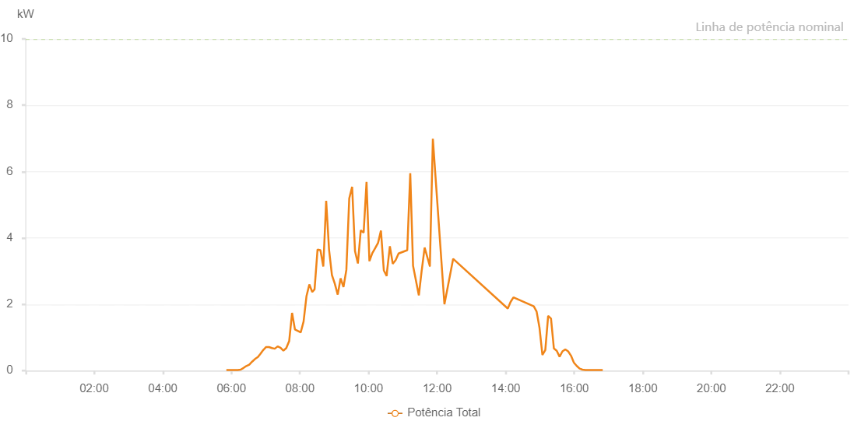

Number | Time | Working State | Alarm Code | Total Inverter Power(W)
1 | 11/06/2022 05:51:17 (UTC-4:00) | Normal |  | 20.000
2 | 11/06/2022 05:56:16 (UTC-4:00) | Normal |  | 20.000
3 | 11/06/2022 06:01:14 (UTC-4:00) | Normal |  | 20.000
4 | 11/06/2022 06:06:13 (UTC-4:00) | Normal |  | 20.000
5 | 11/06/2022 06:11:14 (UTC-4:00) | Normal |  | 20.000
6 | 11/06/2022 06:16:14 (UTC-4:00) | Normal |  | 30.000
7 | 11/06/2022 06:21:16 (UTC-4:00) | Normal |  | 80.000
8 | 11/06/2022 06:26:19 (UTC-4:00) | Normal |  | 140.000
9 | 11/06/2022 06:31:21 (UTC-4:00) | Normal |  | 180.000
10 | 11/06/2022 06:36:24 (UTC-4:00) | Normal |  | 270.000
11 | 11/06/2022 06:41:26 (UTC-4:00) | Normal |  | 350.000
12 | 11/06/2022 06:46:29 (UTC-4:00) | Normal |  | 410.000
13 | 11/06/2022 06:50:32 (UTC-4:00) | Normal |  | 500.000
14 | 11/06/2022 06:55:46 (UTC-4:00) | Normal |  | 620.000
15 | 11/06/2022 07:00:49 (UTC-4:00) | Normal |  | 710.000
16 | 11/06/2022 07:05:51 (UTC-4:00) | Normal |  | 710.000
17 | 11/06/2022 07:10:54 (UTC-4:00) | Normal |  | 680.000
18 | 11/06/2022 07:15:57 (UTC-4:00) | Normal |  | 660.000
19 | 11/06/2022 07:21:00 (UTC-4:00) | Normal |  | 730.000
20 | 11/06/2022 07:26:02 (UTC-4:00) | Normal |  | 690.000
21 | 11/06/2022 07:31:05 (UTC-4:00) | Normal |  | 600.000
22 | 11/06/2022 07:36:07 (UTC-4:00) | Normal |  | 680.000
23 | 11/06/2022 07:41:11 (UTC-4:00) | Normal |  | 890.000
24 | 11/06/2022 07:46:13 (UTC-4:00) | Normal |  | 1740.000
25 | 11/06/2022 07:51:16 (UTC-4:00) | Normal |  | 1240.000
26 | 11/06/2022 08:01:20 (UTC-4:00) | Normal |  | 1150.000
27 | 11/06/2022 08:06:23 (UTC-4:00) | Normal |  | 1480.000
28 | 11/06/2022 08:11:25 (UTC-4:00) | Normal |  | 2240.000
29 | 11/06/2022 08:16:28 (UTC-4:00) | Normal |  | 2600.000
30 | 11/06/2022 08:21:31 (UTC-4:00) | Normal |  | 2370.000
31 | 11/06/2022 08:25:35 (UTC-4:00) | Normal |  | 2450.000
32 | 11/06/2022 08:30:48 (UTC-4:00) | Normal |  | 3650.000
33 | 11/06/2022 08:35:50 (UTC-4:00) | Normal |  | 3630.000
34 | 11/06/2022 08:40:53 (UTC-4:00) | Normal |  | 3140.000
35 | 11/06/2022 08:45:55 (UTC-4:00) | Normal |  | 5120.000
36 | 11/06/2022 08:50:58 (UTC-4:00) | Normal |  | 3640.000
37 | 11/06/2022 08:56:00 (UTC-4:00) | Normal |  | 2880.000
38 | 11/06/2022 09:01:03 (UTC-4:00) | Normal |  | 2620.000
39 | 11/06/2022 09:06:07 (UTC-4:00) | Normal |  | 2290.000
40 | 11/06/2022 09:11:10 (UTC-4:00) | Normal |  | 2780.000
41 | 11/06/2022 09:16:12 (UTC-4:00) | Normal |  | 2520.000
42 | 11/06/2022 09:21:15 (UTC-4:00) | Normal |  | 3040.000
43 | 11/06/2022 09:26:17 (UTC-4:00) | Normal |  | 5190.000
44 | 11/06/2022 09:31:20 (UTC-4:00) | Normal |  | 5540.000
45 | 11/06/2022 09:36:22 (UTC-4:00) | Normal |  | 3600.000
46 | 11/06/2022 09:41:25 (UTC-4:00) | Normal |  | 3230.000
47 | 11/06/2022 09:46:27 (UTC-4:00) | Normal |  | 4230.000
48 | 11/06/2022 09:51:30 (UTC-4:00) | Normal |  | 4160.000
49 | 11/06/2022 09:56:32 (UTC-4:00) | Normal |  | 5690.000
50 | 11/06/2022 10:01:35 (UTC-4:00) | Normal |  | 3300.000
51 | 11/06/2022 10:06:37 (UTC-4:00) | Normal |  | 3540.000
52 | 11/06/2022 10:11:40 (UTC-4:00) | Normal |  | 3690.000
53 | 11/06/2022 10:16:42 (UTC-4:00) | Normal |  | 3850.000
54 | 11/06/2022 10:21:45 (UTC-4:00) | Normal |  | 4220.000
55 | 11/06/2022 10:26:47 (UTC-4:00) | Normal |  | 3020.000
56 | 11/06/2022 10:31:50 (UTC-4:00) | Normal |  | 2850.000
57 | 11/06/2022 10:32:19 (UTC-4:00) | Normal |  | 2970.000
58 | 11/06/2022 10:37:23 (UTC-4:00) | Normal |  | 3750.000
59 | 11/06/2022 10:42:27 (UTC-4:00) | Normal |  | 3220.000
60 | 11/06/2022 10:47:31 (UTC-4:00) | Normal |  | 3330.000
61 | 11/06/2022 10:52:37 (UTC-4:00) | Normal |  | 3530.000
62 | 11/06/2022 11:07:48 (UTC-4:00) | Normal |  | 3630.000
63 | 11/06/2022 11:13:02 (UTC-4:00) | Normal |  | 5950.000
64 | 11/06/2022 11:17:56 (UTC-4:00) | Normal |  | 3160.000
65 | 11/06/2022 11:28:04 (UTC-4:00) | Normal |  | 2270.000
66 | 11/06/2022 11:33:08 (UTC-4:00) | Normal |  | 3030.000
67 | 11/06/2022 11:33:13 (UTC-4:00) | Normal |  | 3030.000
68 | 11/06/2022 11:38:12 (UTC-4:00) | Normal |  | 3710.000
69 | 11/06/2022 11:47:20 (UTC-4:00) | Normal |  | 3150.000
70 | 11/06/2022 11:47:21 (UTC-4:00) | Normal |  | 3150.000
71 | 11/06/2022 11:52:36 (UTC-4:00) | Normal |  | 6990.000
72 | 11/06/2022 12:12:51 (UTC-4:00) | Normal |  | 2000.000
73 | 11/06/2022 12:28:08 (UTC-4:00) | Normal |  | 3370.000
74 | 11/06/2022 14:03:42 (UTC-4:00) | Normal |  | 1870.000
75 | 11/06/2022 14:08:36 (UTC-4:00) | Normal |  | 2070.000
76 | 11/06/2022 14:13:39 (UTC-4:00) | Normal |  | 2210.000
77 | 11/06/2022 14:49:12 (UTC-4:00) | Normal |  | 1940.000
78 | 11/06/2022 14:54:10 (UTC-4:00) | Normal |  | 1780.000
79 | 11/06/2022 14:59:14 (UTC-4:00) | Normal |  | 1290.000
80 | 11/06/2022 15:04:18 (UTC-4:00) | Normal |  | 470.000
81 | 11/06/2022 15:09:21 (UTC-4:00) | Normal |  | 620.000
82 | 11/06/2022 15:14:21 (UTC-4:00) | Normal |  | 1650.000
83 | 11/06/2022 15:19:21 (UTC-4:00) | Normal |  | 1570.000
84 | 11/06/2022 15:24:21 (UTC-4:00) | Normal |  | 670.000
85 | 11/06/2022 15:29:21 (UTC-4:00) | Normal |  | 600.000
86 | 11/06/2022 15:34:21 (UTC-4:00) | Normal |  | 420.000
87 | 11/06/2022 15:39:21 (UTC-4:00) | Normal |  | 580.000
88 | 11/06/2022 15:44:21 (UTC-4:00) | Normal |  | 640.000
89 | 11/06/2022 15:49:21 (UTC-4:00) | Normal |  | 580.000
90 | 11/06/2022 15:54:21 (UTC-4:00) | Normal |  | 450.000
91 | 11/06/2022 15:59:23 (UTC-4:00) | Normal |  | 240.000
92 | 11/06/2022 16:04:23 (UTC-4:00) | Normal |  | 140.000
93 | 11/06/2022 16:09:24 (UTC-4:00) | Normal |  | 60.000
94 | 11/06/2022 16:14:24 (UTC-4:00) | Normal |  | 30.000
95 | 11/06/2022 16:19:28 (UTC-4:00) | Normal |  | 20.000
96 | 11/06/2022 16:24:32 (UTC-4:00) | Normal |  | 20.000
97 | 11/06/2022 16:29:36 (UTC-4:00) | Normal |  | 20.000
98 | 11/06/2022 16:34:40 (UTC-4:00) | Normal |  | 20.000
99 | 11/06/2022 16:39:43 (UTC-4:00) | Normal |  | 20.000
100 | 11/06/2022 16:44:47 (UTC-4:00) | Normal |  | 20.000
101 | 11/06/2022 16:49:51 (UTC-4:00) | Normal |  | 20.000

