Inverter History Report__17-08-
Inverter History Report_12/06/2022_Report

Inverter SN:054B7020C020041 |  | Inverter type:B7
Collector SN:4045966636 |  | Full Load Hours(h):2.99
Rated Power:10000Wp

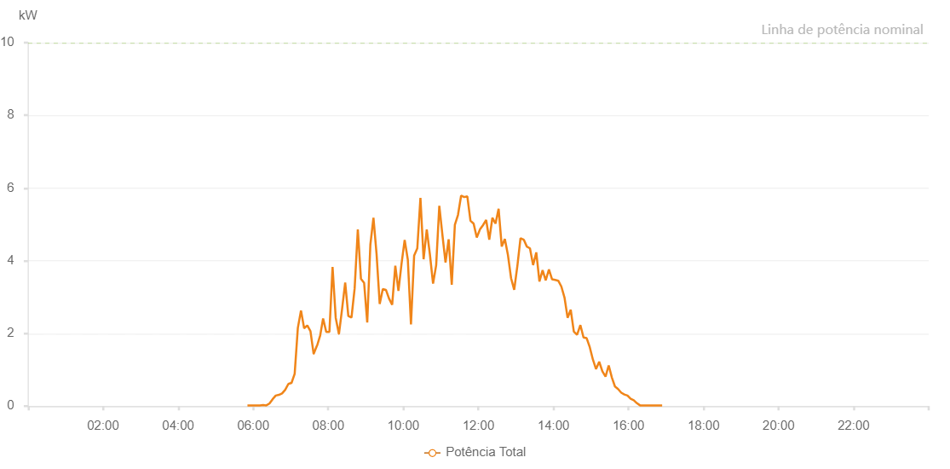

Number | Time | Working State | Alarm Code | Total Inverter Power(W)
1 | 12/06/2022 05:50:47 (UTC-4:00) | Normal |  | 20.000
2 | 12/06/2022 05:55:49 (UTC-4:00) | Normal |  | 20.000
3 | 12/06/2022 06:00:48 (UTC-4:00) | Normal |  | 20.000
4 | 12/06/2022 06:05:46 (UTC-4:00) | Normal |  | 20.000
5 | 12/06/2022 06:10:48 (UTC-4:00) | Normal |  | 20.000
6 | 12/06/2022 06:15:51 (UTC-4:00) | Normal |  | 30.000
7 | 12/06/2022 06:20:54 (UTC-4:00) | Normal |  | 20.000
8 | 12/06/2022 06:25:56 (UTC-4:00) | Normal |  | 70.000
9 | 12/06/2022 06:30:59 (UTC-4:00) | Normal |  | 190.000
10 | 12/06/2022 06:36:01 (UTC-4:00) | Normal |  | 290.000
11 | 12/06/2022 06:41:04 (UTC-4:00) | Normal |  | 310.000
12 | 12/06/2022 06:46:07 (UTC-4:00) | Normal |  | 350.000
13 | 12/06/2022 06:51:09 (UTC-4:00) | Normal |  | 450.000
14 | 12/06/2022 06:56:12 (UTC-4:00) | Normal |  | 610.000
15 | 12/06/2022 07:01:15 (UTC-4:00) | Normal |  | 640.000
16 | 12/06/2022 07:06:17 (UTC-4:00) | Normal |  | 890.000
17 | 12/06/2022 07:11:20 (UTC-4:00) | Normal |  | 2150.000
18 | 12/06/2022 07:16:23 (UTC-4:00) | Normal |  | 2630.000
19 | 12/06/2022 07:21:25 (UTC-4:00) | Normal |  | 2140.000
20 | 12/06/2022 07:26:28 (UTC-4:00) | Normal |  | 2220.000
21 | 12/06/2022 07:31:31 (UTC-4:00) | Normal |  | 2060.000
22 | 12/06/2022 07:36:34 (UTC-4:00) | Normal |  | 1440.000
23 | 12/06/2022 07:36:44 (UTC-4:00) | Normal |  | 1440.000
24 | 12/06/2022 07:41:48 (UTC-4:00) | Normal |  | 1660.000
25 | 12/06/2022 07:42:03 (UTC-4:00) | Normal |  | 1660.000
26 | 12/06/2022 07:46:40 (UTC-4:00) | Normal |  | 1920.000
27 | 12/06/2022 07:46:51 (UTC-4:00) | Normal |  | 1920.000
28 | 12/06/2022 07:51:44 (UTC-4:00) | Normal |  | 2410.000
29 | 12/06/2022 07:56:45 (UTC-4:00) | Normal |  | 2040.000
30 | 12/06/2022 07:56:56 (UTC-4:00) | Normal |  | 2040.000
31 | 12/06/2022 08:01:49 (UTC-4:00) | Normal |  | 2040.000
32 | 12/06/2022 08:06:52 (UTC-4:00) | Normal |  | 3830.000
33 | 12/06/2022 08:11:54 (UTC-4:00) | Normal |  | 2430.000
34 | 12/06/2022 08:16:57 (UTC-4:00) | Normal |  | 1990.000
35 | 12/06/2022 08:17:08 (UTC-4:00) | Normal |  | 1990.000
36 | 12/06/2022 08:22:00 (UTC-4:00) | Normal |  | 2660.000
37 | 12/06/2022 08:27:03 (UTC-4:00) | Normal |  | 3400.000
38 | 12/06/2022 08:32:05 (UTC-4:00) | Normal |  | 2480.000
39 | 12/06/2022 08:37:08 (UTC-4:00) | Normal |  | 2440.000
40 | 12/06/2022 08:42:11 (UTC-4:00) | Normal |  | 3240.000
41 | 12/06/2022 08:47:14 (UTC-4:00) | Normal |  | 4860.000
42 | 12/06/2022 08:52:16 (UTC-4:00) | Normal |  | 3500.000
43 | 12/06/2022 08:57:19 (UTC-4:00) | Normal |  | 3390.000
44 | 12/06/2022 09:02:18 (UTC-4:00) | Normal |  | 2300.000
45 | 12/06/2022 09:07:17 (UTC-4:00) | Normal |  | 4440.000
46 | 12/06/2022 09:12:15 (UTC-4:00) | Normal |  | 5180.000
47 | 12/06/2022 09:17:14 (UTC-4:00) | Normal |  | 4180.000
48 | 12/06/2022 09:22:13 (UTC-4:00) | Normal |  | 2810.000
49 | 12/06/2022 09:27:12 (UTC-4:00) | Normal |  | 3220.000
50 | 12/06/2022 09:32:11 (UTC-4:00) | Normal |  | 3200.000
51 | 12/06/2022 09:37:09 (UTC-4:00) | Normal |  | 2960.000
52 | 12/06/2022 09:42:10 (UTC-4:00) | Normal |  | 2790.000
53 | 12/06/2022 09:47:11 (UTC-4:00) | Normal |  | 3860.000
54 | 12/06/2022 09:52:10 (UTC-4:00) | Normal |  | 3170.000
55 | 12/06/2022 09:57:10 (UTC-4:00) | Normal |  | 3920.000
56 | 12/06/2022 10:02:09 (UTC-4:00) | Normal |  | 4570.000
57 | 12/06/2022 10:07:11 (UTC-4:00) | Normal |  | 4030.000
58 | 12/06/2022 10:12:14 (UTC-4:00) | Normal |  | 2250.000
59 | 12/06/2022 10:17:17 (UTC-4:00) | Normal |  | 4140.000
60 | 12/06/2022 10:22:20 (UTC-4:00) | Normal |  | 4340.000
61 | 12/06/2022 10:27:22 (UTC-4:00) | Normal |  | 5730.000
62 | 12/06/2022 10:32:25 (UTC-4:00) | Normal |  | 4040.000
63 | 12/06/2022 10:37:28 (UTC-4:00) | Normal |  | 4860.000
64 | 12/06/2022 10:42:31 (UTC-4:00) | Normal |  | 4170.000
65 | 12/06/2022 10:47:33 (UTC-4:00) | Normal |  | 3370.000
66 | 12/06/2022 10:52:32 (UTC-4:00) | Normal |  | 3880.000
67 | 12/06/2022 10:57:31 (UTC-4:00) | Normal |  | 5510.000
68 | 12/06/2022 11:02:30 (UTC-4:00) | Normal |  | 4710.000
69 | 12/06/2022 11:07:28 (UTC-4:00) | Normal |  | 3950.000
70 | 12/06/2022 11:12:27 (UTC-4:00) | Normal |  | 4590.000
71 | 12/06/2022 11:17:26 (UTC-4:00) | Normal |  | 3340.000
72 | 12/06/2022 11:22:25 (UTC-4:00) | Normal |  | 4990.000
73 | 12/06/2022 11:27:24 (UTC-4:00) | Normal |  | 5260.000
74 | 12/06/2022 11:32:23 (UTC-4:00) | Normal |  | 5790.000
75 | 12/06/2022 11:37:21 (UTC-4:00) | Normal |  | 5750.000
76 | 12/06/2022 11:42:20 (UTC-4:00) | Normal |  | 5770.000
77 | 12/06/2022 11:47:21 (UTC-4:00) | Normal |  | 5100.000
78 | 12/06/2022 11:52:24 (UTC-4:00) | Normal |  | 5020.000
79 | 12/06/2022 11:57:26 (UTC-4:00) | Normal |  | 4640.000
80 | 12/06/2022 12:02:29 (UTC-4:00) | Normal |  | 4860.000
81 | 12/06/2022 12:07:28 (UTC-4:00) | Normal |  | 4980.000
82 | 12/06/2022 12:12:27 (UTC-4:00) | Normal |  | 5120.000
83 | 12/06/2022 12:17:26 (UTC-4:00) | Normal |  | 4580.000
84 | 12/06/2022 12:22:24 (UTC-4:00) | Normal |  | 5180.000
85 | 12/06/2022 12:27:23 (UTC-4:00) | Normal |  | 5020.000
86 | 12/06/2022 12:32:22 (UTC-4:00) | Normal |  | 5430.000
87 | 12/06/2022 12:37:21 (UTC-4:00) | Normal |  | 4390.000
88 | 12/06/2022 12:42:19 (UTC-4:00) | Normal |  | 4600.000
89 | 12/06/2022 12:47:19 (UTC-4:00) | Normal |  | 4150.000
90 | 12/06/2022 12:52:17 (UTC-4:00) | Normal |  | 3520.000
91 | 12/06/2022 12:57:16 (UTC-4:00) | Normal |  | 3200.000
92 | 12/06/2022 13:02:25 (UTC-4:00) | Normal |  | 3870.000
93 | 12/06/2022 13:07:20 (UTC-4:00) | Normal |  | 4620.000
94 | 12/06/2022 13:12:26 (UTC-4:00) | Normal |  | 4580.000
95 | 12/06/2022 13:12:34 (UTC-4:00) | Normal |  | 4580.000
96 | 12/06/2022 13:17:27 (UTC-4:00) | Normal |  | 4390.000
97 | 12/06/2022 13:22:29 (UTC-4:00) | Normal |  | 4340.000
98 | 12/06/2022 13:27:31 (UTC-4:00) | Normal |  | 3880.000
99 | 12/06/2022 13:32:34 (UTC-4:00) | Normal |  | 4230.000
100 | 12/06/2022 13:37:37 (UTC-4:00) | Normal |  | 3430.000
101 | 12/06/2022 13:42:40 (UTC-4:00) | Normal |  | 3740.000
102 | 12/06/2022 13:47:42 (UTC-4:00) | Normal |  | 3460.000
103 | 12/06/2022 13:52:45 (UTC-4:00) | Normal |  | 3760.000
104 | 12/06/2022 13:57:44 (UTC-4:00) | Normal |  | 3490.000
105 | 12/06/2022 14:02:43 (UTC-4:00) | Normal |  | 3470.000
106 | 12/06/2022 14:07:41 (UTC-4:00) | Normal |  | 3450.000
107 | 12/06/2022 14:12:40 (UTC-4:00) | Normal |  | 3290.000
108 | 12/06/2022 14:17:40 (UTC-4:00) | Normal |  | 2990.000
109 | 12/06/2022 14:22:39 (UTC-4:00) | Normal |  | 2430.000
110 | 12/06/2022 14:27:38 (UTC-4:00) | Normal |  | 2650.000
111 | 12/06/2022 14:32:37 (UTC-4:00) | Normal |  | 2050.000
112 | 12/06/2022 14:37:49 (UTC-4:00) | Normal |  | 1960.000
113 | 12/06/2022 14:43:06 (UTC-4:00) | Normal |  | 2230.000
114 | 12/06/2022 14:48:07 (UTC-4:00) | Normal |  | 1890.000
115 | 12/06/2022 14:53:07 (UTC-4:00) | Normal |  | 1870.000
116 | 12/06/2022 14:58:07 (UTC-4:00) | Normal |  | 1620.000
117 | 12/06/2022 15:03:08 (UTC-4:00) | Normal |  | 1280.000
118 | 12/06/2022 15:08:08 (UTC-4:00) | Normal |  | 1020.000
119 | 12/06/2022 15:13:10 (UTC-4:00) | Normal |  | 1220.000
120 | 12/06/2022 15:18:14 (UTC-4:00) | Normal |  | 960.000
121 | 12/06/2022 15:23:18 (UTC-4:00) | Normal |  | 810.000
122 | 12/06/2022 15:28:23 (UTC-4:00) | Normal |  | 1120.000
123 | 12/06/2022 15:33:23 (UTC-4:00) | Normal |  | 790.000
124 | 12/06/2022 15:38:24 (UTC-4:00) | Normal |  | 540.000
125 | 12/06/2022 15:43:24 (UTC-4:00) | Normal |  | 470.000
126 | 12/06/2022 15:48:24 (UTC-4:00) | Normal |  | 370.000
127 | 12/06/2022 15:53:25 (UTC-4:00) | Normal |  | 320.000
128 | 12/06/2022 15:58:25 (UTC-4:00) | Normal |  | 290.000
129 | 12/06/2022 16:03:26 (UTC-4:00) | Normal |  | 200.000
130 | 12/06/2022 16:08:26 (UTC-4:00) | Normal |  | 160.000
131 | 12/06/2022 16:13:27 (UTC-4:00) | Normal |  | 80.000
132 | 12/06/2022 16:18:28 (UTC-4:00) | Normal |  | 20.000
133 | 12/06/2022 16:23:28 (UTC-4:00) | Normal |  | 20.000
134 | 12/06/2022 16:28:28 (UTC-4:00) | Normal |  | 20.000
135 | 12/06/2022 16:33:32 (UTC-4:00) | Normal |  | 20.000
136 | 12/06/2022 16:38:40 (UTC-4:00) | Normal |  | 20.000
137 | 12/06/2022 16:43:41 (UTC-4:00) | Normal |  | 20.000
138 | 12/06/2022 16:48:45 (UTC-4:00) | Normal |  | 20.000
139 | 12/06/2022 16:53:49 (UTC-4:00) | Normal |  | 20.000

