Inverter History Report__17-08-
Inverter History Report_13/06/2022_Report

Inverter SN:054B7020C020041 |  | Inverter type:B7
Collector SN:4045966636 |  | Full Load Hours(h):3.12
Rated Power:10000Wp

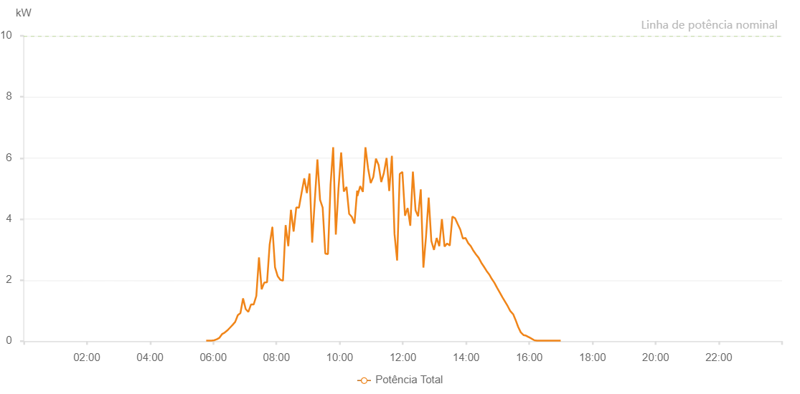

Number | Time | Working State | Alarm Code | Total Inverter Power(W)
1 | 13/06/2022 05:46:39 (UTC-4:00) | Normal |  | 20.000
2 | 13/06/2022 05:51:41 (UTC-4:00) | Normal |  | 20.000
3 | 13/06/2022 05:56:42 (UTC-4:00) | Normal |  | 20.000
4 | 13/06/2022 06:01:41 (UTC-4:00) | Normal |  | 30.000
5 | 13/06/2022 06:06:43 (UTC-4:00) | Normal |  | 60.000
6 | 13/06/2022 06:11:43 (UTC-4:00) | Normal |  | 110.000
7 | 13/06/2022 06:16:43 (UTC-4:00) | Normal |  | 230.000
8 | 13/06/2022 06:21:42 (UTC-4:00) | Normal |  | 280.000
9 | 13/06/2022 06:26:41 (UTC-4:00) | Normal |  | 350.000
10 | 13/06/2022 06:31:41 (UTC-4:00) | Normal |  | 440.000
11 | 13/06/2022 06:36:40 (UTC-4:00) | Normal |  | 530.000
12 | 13/06/2022 06:41:39 (UTC-4:00) | Normal |  | 630.000
13 | 13/06/2022 06:46:39 (UTC-4:00) | Normal |  | 850.000
14 | 13/06/2022 06:51:38 (UTC-4:00) | Normal |  | 920.000
15 | 13/06/2022 06:56:38 (UTC-4:00) | Normal |  | 1400.000
16 | 13/06/2022 07:01:37 (UTC-4:00) | Normal |  | 1050.000
17 | 13/06/2022 07:06:38 (UTC-4:00) | Normal |  | 960.000
18 | 13/06/2022 07:11:41 (UTC-4:00) | Normal |  | 1200.000
19 | 13/06/2022 07:16:44 (UTC-4:00) | Normal |  | 1200.000
20 | 13/06/2022 07:21:48 (UTC-4:00) | Normal |  | 1480.000
21 | 13/06/2022 07:26:51 (UTC-4:00) | Normal |  | 2740.000
22 | 13/06/2022 07:31:55 (UTC-4:00) | Normal |  | 1700.000
23 | 13/06/2022 07:36:58 (UTC-4:00) | Normal |  | 1920.000
24 | 13/06/2022 07:42:10 (UTC-4:00) | Normal |  | 1930.000
25 | 13/06/2022 07:47:07 (UTC-4:00) | Normal |  | 3160.000
26 | 13/06/2022 07:52:12 (UTC-4:00) | Normal |  | 3730.000
27 | 13/06/2022 07:52:19 (UTC-4:00) | Normal |  | 3730.000
28 | 13/06/2022 07:57:17 (UTC-4:00) | Normal |  | 2420.000
29 | 13/06/2022 08:02:17 (UTC-4:00) | Normal |  | 2130.000
30 | 13/06/2022 08:07:20 (UTC-4:00) | Normal |  | 2010.000
31 | 13/06/2022 08:12:23 (UTC-4:00) | Normal |  | 1980.000
32 | 13/06/2022 08:17:27 (UTC-4:00) | Normal |  | 3800.000
33 | 13/06/2022 08:22:30 (UTC-4:00) | Normal |  | 3110.000
34 | 13/06/2022 08:27:34 (UTC-4:00) | Normal |  | 4300.000
35 | 13/06/2022 08:32:37 (UTC-4:00) | Normal |  | 3590.000
36 | 13/06/2022 08:37:41 (UTC-4:00) | Normal |  | 4380.000
37 | 13/06/2022 08:42:44 (UTC-4:00) | Normal |  | 4370.000
38 | 13/06/2022 08:47:48 (UTC-4:00) | Normal |  | 4860.000
39 | 13/06/2022 08:52:51 (UTC-4:00) | Normal |  | 5330.000
40 | 13/06/2022 08:57:50 (UTC-4:00) | Normal |  | 4850.000
41 | 13/06/2022 09:02:50 (UTC-4:00) | Normal |  | 5490.000
42 | 13/06/2022 09:07:49 (UTC-4:00) | Normal |  | 3230.000
43 | 13/06/2022 09:12:49 (UTC-4:00) | Normal |  | 4610.000
44 | 13/06/2022 09:17:48 (UTC-4:00) | Normal |  | 5950.000
45 | 13/06/2022 09:22:48 (UTC-4:00) | Normal |  | 4630.000
46 | 13/06/2022 09:27:47 (UTC-4:00) | Normal |  | 4370.000
47 | 13/06/2022 09:32:47 (UTC-4:00) | Normal |  | 2870.000
48 | 13/06/2022 09:37:47 (UTC-4:00) | Normal |  | 2850.000
49 | 13/06/2022 09:42:46 (UTC-4:00) | Normal |  | 5130.000
50 | 13/06/2022 09:47:45 (UTC-4:00) | Normal |  | 6350.000
51 | 13/06/2022 09:52:46 (UTC-4:00) | Normal |  | 3490.000
52 | 13/06/2022 09:57:50 (UTC-4:00) | Normal |  | 5000.000
53 | 13/06/2022 10:02:53 (UTC-4:00) | Normal |  | 6180.000
54 | 13/06/2022 10:07:56 (UTC-4:00) | Normal |  | 4900.000
55 | 13/06/2022 10:13:00 (UTC-4:00) | Normal |  | 5050.000
56 | 13/06/2022 10:18:03 (UTC-4:00) | Normal |  | 4170.000
57 | 13/06/2022 10:23:07 (UTC-4:00) | Normal |  | 4070.000
58 | 13/06/2022 10:28:10 (UTC-4:00) | Normal |  | 3850.000
59 | 13/06/2022 10:33:14 (UTC-4:00) | Normal |  | 4930.000
60 | 13/06/2022 10:33:44 (UTC-4:00) | Normal |  | 4750.000
61 | 13/06/2022 10:39:04 (UTC-4:00) | Normal |  | 5080.000
62 | 13/06/2022 10:44:03 (UTC-4:00) | Normal |  | 4890.000
63 | 13/06/2022 10:49:01 (UTC-4:00) | Normal |  | 6350.000
64 | 13/06/2022 10:54:00 (UTC-4:00) | Normal |  | 5660.000
65 | 13/06/2022 10:58:59 (UTC-4:00) | Normal |  | 5180.000
66 | 13/06/2022 11:03:58 (UTC-4:00) | Normal |  | 5380.000
67 | 13/06/2022 11:08:57 (UTC-4:00) | Normal |  | 5980.000
68 | 13/06/2022 11:13:57 (UTC-4:00) | Normal |  | 5770.000
69 | 13/06/2022 11:19:00 (UTC-4:00) | Normal |  | 5210.000
70 | 13/06/2022 11:24:03 (UTC-4:00) | Normal |  | 5510.000
71 | 13/06/2022 11:29:06 (UTC-4:00) | Normal |  | 6000.000
72 | 13/06/2022 11:34:09 (UTC-4:00) | Normal |  | 4920.000
73 | 13/06/2022 11:39:11 (UTC-4:00) | Normal |  | 6070.000
74 | 13/06/2022 11:44:10 (UTC-4:00) | Normal |  | 3510.000
75 | 13/06/2022 11:49:09 (UTC-4:00) | Normal |  | 2640.000
76 | 13/06/2022 11:54:08 (UTC-4:00) | Normal |  | 5480.000
77 | 13/06/2022 11:59:09 (UTC-4:00) | Normal |  | 5540.000
78 | 13/06/2022 12:04:10 (UTC-4:00) | Normal |  | 4110.000
79 | 13/06/2022 12:09:08 (UTC-4:00) | Normal |  | 4360.000
80 | 13/06/2022 12:14:07 (UTC-4:00) | Normal |  | 3780.000
81 | 13/06/2022 12:19:06 (UTC-4:00) | Normal |  | 5550.000
82 | 13/06/2022 12:24:05 (UTC-4:00) | Normal |  | 4290.000
83 | 13/06/2022 12:29:04 (UTC-4:00) | Normal |  | 4090.000
84 | 13/06/2022 12:34:02 (UTC-4:00) | Normal |  | 4970.000
85 | 13/06/2022 12:39:01 (UTC-4:00) | Normal |  | 2410.000
86 | 13/06/2022 12:44:00 (UTC-4:00) | Normal |  | 3430.000
87 | 13/06/2022 12:49:03 (UTC-4:00) | Normal |  | 4700.000
88 | 13/06/2022 12:54:06 (UTC-4:00) | Normal |  | 3280.000
89 | 13/06/2022 12:59:08 (UTC-4:00) | Normal |  | 2990.000
90 | 13/06/2022 13:04:11 (UTC-4:00) | Normal |  | 3380.000
91 | 13/06/2022 13:09:10 (UTC-4:00) | Normal |  | 3110.000
92 | 13/06/2022 13:14:09 (UTC-4:00) | Normal |  | 4000.000
93 | 13/06/2022 13:19:08 (UTC-4:00) | Normal |  | 3100.000
94 | 13/06/2022 13:24:06 (UTC-4:00) | Normal |  | 3200.000
95 | 13/06/2022 13:29:05 (UTC-4:00) | Normal |  | 3130.000
96 | 13/06/2022 13:34:04 (UTC-4:00) | Normal |  | 4080.000
97 | 13/06/2022 13:39:03 (UTC-4:00) | Normal |  | 4030.000
98 | 13/06/2022 13:44:02 (UTC-4:00) | Normal |  | 3840.000
99 | 13/06/2022 13:49:00 (UTC-4:00) | Normal |  | 3660.000
100 | 13/06/2022 13:53:59 (UTC-4:00) | Normal |  | 3360.000
101 | 13/06/2022 13:58:58 (UTC-4:00) | Normal |  | 3380.000
102 | 13/06/2022 14:04:03 (UTC-4:00) | Normal |  | 3210.000
103 | 13/06/2022 14:09:01 (UTC-4:00) | Normal |  | 3110.000
104 | 13/06/2022 14:14:00 (UTC-4:00) | Normal |  | 2960.000
105 | 13/06/2022 14:18:58 (UTC-4:00) | Normal |  | 2840.000
106 | 13/06/2022 14:23:57 (UTC-4:00) | Normal |  | 2730.000
107 | 13/06/2022 14:28:56 (UTC-4:00) | Normal |  | 2570.000
108 | 13/06/2022 14:33:55 (UTC-4:00) | Normal |  | 2440.000
109 | 13/06/2022 14:38:59 (UTC-4:00) | Normal |  | 2300.000
110 | 13/06/2022 14:43:52 (UTC-4:00) | Normal |  | 2190.000
111 | 13/06/2022 14:48:51 (UTC-4:00) | Normal |  | 2040.000
112 | 13/06/2022 14:53:57 (UTC-4:00) | Normal |  | 1910.000
113 | 13/06/2022 14:58:50 (UTC-4:00) | Normal |  | 1750.000
114 | 13/06/2022 15:03:53 (UTC-4:00) | Normal |  | 1600.000
115 | 13/06/2022 15:08:59 (UTC-4:00) | Normal |  | 1440.000
116 | 13/06/2022 15:13:52 (UTC-4:00) | Normal |  | 1300.000
117 | 13/06/2022 15:19:01 (UTC-4:00) | Normal |  | 1150.000
118 | 13/06/2022 15:23:57 (UTC-4:00) | Normal |  | 990.000
119 | 13/06/2022 15:29:07 (UTC-4:00) | Normal |  | 890.000
120 | 13/06/2022 15:29:18 (UTC-4:00) | Normal |  | 890.000
121 | 13/06/2022 15:33:57 (UTC-4:00) | Normal |  | 700.000
122 | 13/06/2022 15:38:56 (UTC-4:00) | Normal |  | 470.000
123 | 13/06/2022 15:43:52 (UTC-4:00) | Normal |  | 290.000
124 | 13/06/2022 15:49:02 (UTC-4:00) | Normal |  | 200.000
125 | 13/06/2022 15:53:54 (UTC-4:00) | Normal |  | 180.000
126 | 13/06/2022 15:59:04 (UTC-4:00) | Normal |  | 130.000
127 | 13/06/2022 15:59:23 (UTC-4:00) | Normal |  | 130.000
128 | 13/06/2022 16:04:41 (UTC-4:00) | Normal |  | 80.000
129 | 13/06/2022 16:09:40 (UTC-4:00) | Normal |  | 30.000
130 | 13/06/2022 16:14:39 (UTC-4:00) | Normal |  | 20.000
131 | 13/06/2022 16:19:39 (UTC-4:00) | Normal |  | 20.000
132 | 13/06/2022 16:24:38 (UTC-4:00) | Normal |  | 20.000
133 | 13/06/2022 16:29:37 (UTC-4:00) | Normal |  | 20.000
134 | 13/06/2022 16:34:36 (UTC-4:00) | Normal |  | 20.000
135 | 13/06/2022 16:39:38 (UTC-4:00) | Normal |  | 20.000
136 | 13/06/2022 16:44:41 (UTC-4:00) | Normal |  | 20.000
137 | 13/06/2022 16:49:44 (UTC-4:00) | Normal |  | 20.000
138 | 13/06/2022 16:54:43 (UTC-4:00) | Normal |  | 20.000
139 | 13/06/2022 16:59:42 (UTC-4:00) | Normal |  | 20.000

