Inverter History Report__17-08-
Inverter History Report_15/06/2022_Report

Inverter SN:054B7020C020041 |  | Inverter type:B7
Collector SN:4045966636 |  | Full Load Hours(h):2.16
Rated Power:10000Wp

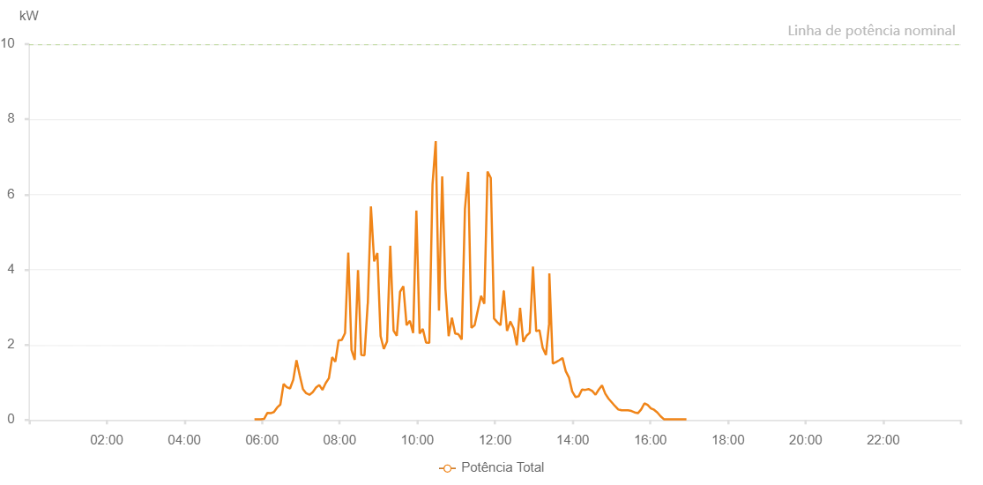

Number | Time | Working State | Alarm Code | Total Inverter Power(W)
1 | 15/06/2022 05:48:20 (UTC-4:00) | Normal |  | 20.000
2 | 15/06/2022 05:53:19 (UTC-4:00) | Normal |  | 20.000
3 | 15/06/2022 05:58:18 (UTC-4:00) | Normal |  | 20.000
4 | 15/06/2022 06:03:21 (UTC-4:00) | Normal |  | 30.000
5 | 15/06/2022 06:08:24 (UTC-4:00) | Normal |  | 190.000
6 | 15/06/2022 06:13:23 (UTC-4:00) | Normal |  | 180.000
7 | 15/06/2022 06:18:22 (UTC-4:00) | Normal |  | 210.000
8 | 15/06/2022 06:23:21 (UTC-4:00) | Normal |  | 330.000
9 | 15/06/2022 06:28:20 (UTC-4:00) | Normal |  | 410.000
10 | 15/06/2022 06:33:20 (UTC-4:00) | Normal |  | 960.000
11 | 15/06/2022 06:38:19 (UTC-4:00) | Normal |  | 870.000
12 | 15/06/2022 06:43:18 (UTC-4:00) | Normal |  | 840.000
13 | 15/06/2022 06:48:17 (UTC-4:00) | Normal |  | 1070.000
14 | 15/06/2022 06:53:16 (UTC-4:00) | Normal |  | 1590.000
15 | 15/06/2022 06:58:15 (UTC-4:00) | Normal |  | 1190.000
16 | 15/06/2022 07:03:14 (UTC-4:00) | Normal |  | 820.000
17 | 15/06/2022 07:08:15 (UTC-4:00) | Normal |  | 710.000
18 | 15/06/2022 07:13:18 (UTC-4:00) | Normal |  | 670.000
19 | 15/06/2022 07:18:22 (UTC-4:00) | Normal |  | 740.000
20 | 15/06/2022 07:23:25 (UTC-4:00) | Normal |  | 860.000
21 | 15/06/2022 07:28:24 (UTC-4:00) | Normal |  | 930.000
22 | 15/06/2022 07:33:23 (UTC-4:00) | Normal |  | 800.000
23 | 15/06/2022 07:38:22 (UTC-4:00) | Normal |  | 980.000
24 | 15/06/2022 07:43:21 (UTC-4:00) | Normal |  | 1110.000
25 | 15/06/2022 07:48:20 (UTC-4:00) | Normal |  | 1670.000
26 | 15/06/2022 07:53:21 (UTC-4:00) | Normal |  | 1550.000
27 | 15/06/2022 07:58:20 (UTC-4:00) | Normal |  | 2120.000
28 | 15/06/2022 08:03:19 (UTC-4:00) | Normal |  | 2130.000
29 | 15/06/2022 08:08:18 (UTC-4:00) | Normal |  | 2310.000
30 | 15/06/2022 08:13:17 (UTC-4:00) | Normal |  | 4450.000
31 | 15/06/2022 08:18:16 (UTC-4:00) | Normal |  | 1860.000
32 | 15/06/2022 08:23:17 (UTC-4:00) | Normal |  | 1600.000
33 | 15/06/2022 08:28:20 (UTC-4:00) | Normal |  | 3990.000
34 | 15/06/2022 08:33:20 (UTC-4:00) | Normal |  | 1730.000
35 | 15/06/2022 08:38:19 (UTC-4:00) | Normal |  | 1720.000
36 | 15/06/2022 08:43:18 (UTC-4:00) | Normal |  | 3090.000
37 | 15/06/2022 08:43:29 (UTC-4:00) | Normal |  | 3090.000
38 | 15/06/2022 08:48:17 (UTC-4:00) | Normal |  | 5680.000
39 | 15/06/2022 08:53:16 (UTC-4:00) | Normal |  | 4220.000
40 | 15/06/2022 08:58:15 (UTC-4:00) | Normal |  | 4440.000
41 | 15/06/2022 09:03:14 (UTC-4:00) | Normal |  | 2230.000
42 | 15/06/2022 09:08:14 (UTC-4:00) | Normal |  | 1890.000
43 | 15/06/2022 09:13:13 (UTC-4:00) | Normal |  | 2090.000
44 | 15/06/2022 09:18:12 (UTC-4:00) | Normal |  | 4630.000
45 | 15/06/2022 09:23:15 (UTC-4:00) | Normal |  | 2380.000
46 | 15/06/2022 09:28:15 (UTC-4:00) | Normal |  | 2240.000
47 | 15/06/2022 09:33:19 (UTC-4:00) | Normal |  | 3410.000
48 | 15/06/2022 09:38:22 (UTC-4:00) | Normal |  | 3560.000
49 | 15/06/2022 09:43:25 (UTC-4:00) | Normal |  | 2520.000
50 | 15/06/2022 09:48:28 (UTC-4:00) | Normal |  | 2640.000
51 | 15/06/2022 09:53:31 (UTC-4:00) | Normal |  | 2310.000
52 | 15/06/2022 09:58:30 (UTC-4:00) | Normal |  | 5570.000
53 | 15/06/2022 10:03:30 (UTC-4:00) | Normal |  | 2300.000
54 | 15/06/2022 10:08:29 (UTC-4:00) | Normal |  | 2420.000
55 | 15/06/2022 10:13:28 (UTC-4:00) | Normal |  | 2060.000
56 | 15/06/2022 10:18:27 (UTC-4:00) | Normal |  | 2050.000
57 | 15/06/2022 10:23:27 (UTC-4:00) | Normal |  | 6260.000
58 | 15/06/2022 10:28:26 (UTC-4:00) | Normal |  | 7420.000
59 | 15/06/2022 10:33:26 (UTC-4:00) | Normal |  | 2910.000
60 | 15/06/2022 10:38:25 (UTC-4:00) | Normal |  | 6480.000
61 | 15/06/2022 10:43:25 (UTC-4:00) | Normal |  | 3490.000
62 | 15/06/2022 10:48:24 (UTC-4:00) | Normal |  | 2230.000
63 | 15/06/2022 10:53:25 (UTC-4:00) | Normal |  | 2720.000
64 | 15/06/2022 10:58:28 (UTC-4:00) | Normal |  | 2300.000
65 | 15/06/2022 11:03:31 (UTC-4:00) | Normal |  | 2280.000
66 | 15/06/2022 11:08:35 (UTC-4:00) | Normal |  | 2140.000
67 | 15/06/2022 11:13:34 (UTC-4:00) | Normal |  | 5610.000
68 | 15/06/2022 11:18:33 (UTC-4:00) | Normal |  | 6600.000
69 | 15/06/2022 11:23:32 (UTC-4:00) | Normal |  | 2450.000
70 | 15/06/2022 11:28:32 (UTC-4:00) | Normal |  | 2520.000
71 | 15/06/2022 11:33:31 (UTC-4:00) | Normal |  | 2920.000
72 | 15/06/2022 11:38:30 (UTC-4:00) | Normal |  | 3300.000
73 | 15/06/2022 11:43:29 (UTC-4:00) | Normal |  | 3090.000
74 | 15/06/2022 11:48:28 (UTC-4:00) | Normal |  | 6610.000
75 | 15/06/2022 11:53:28 (UTC-4:00) | Normal |  | 6440.000
76 | 15/06/2022 11:58:29 (UTC-4:00) | Normal |  | 2700.000
77 | 15/06/2022 12:03:29 (UTC-4:00) | Normal |  | 2600.000
78 | 15/06/2022 12:08:28 (UTC-4:00) | Normal |  | 2520.000
79 | 15/06/2022 12:13:31 (UTC-4:00) | Normal |  | 3430.000
80 | 15/06/2022 12:13:39 (UTC-4:00) | Normal |  | 3430.000
81 | 15/06/2022 12:18:34 (UTC-4:00) | Normal |  | 2370.000
82 | 15/06/2022 12:23:35 (UTC-4:00) | Normal |  | 2610.000
83 | 15/06/2022 12:24:00 (UTC-4:00) | Normal |  | 2610.000
84 | 15/06/2022 12:28:38 (UTC-4:00) | Normal |  | 2440.000
85 | 15/06/2022 12:33:45 (UTC-4:00) | Normal |  | 1990.000
86 | 15/06/2022 12:38:46 (UTC-4:00) | Normal |  | 2980.000
87 | 15/06/2022 12:43:43 (UTC-4:00) | Normal |  | 2080.000
88 | 15/06/2022 12:48:44 (UTC-4:00) | Normal |  | 2240.000
89 | 15/06/2022 12:53:42 (UTC-4:00) | Normal |  | 2320.000
90 | 15/06/2022 12:58:41 (UTC-4:00) | Normal |  | 4080.000
91 | 15/06/2022 13:03:40 (UTC-4:00) | Normal |  | 2360.000
92 | 15/06/2022 13:08:43 (UTC-4:00) | Normal |  | 2390.000
93 | 15/06/2022 13:13:42 (UTC-4:00) | Normal |  | 1920.000
94 | 15/06/2022 13:18:41 (UTC-4:00) | Normal |  | 1730.000
95 | 15/06/2022 13:23:36 (UTC-4:00) | Normal |  | 2560.000
96 | 15/06/2022 13:23:58 (UTC-4:00) | Normal |  | 3900.000
97 | 15/06/2022 13:29:19 (UTC-4:00) | Normal |  | 1500.000
98 | 15/06/2022 13:34:19 (UTC-4:00) | Normal |  | 1540.000
99 | 15/06/2022 13:39:19 (UTC-4:00) | Normal |  | 1590.000
100 | 15/06/2022 13:44:18 (UTC-4:00) | Normal |  | 1650.000
101 | 15/06/2022 13:49:18 (UTC-4:00) | Normal |  | 1300.000
102 | 15/06/2022 13:54:18 (UTC-4:00) | Normal |  | 1130.000
103 | 15/06/2022 13:59:17 (UTC-4:00) | Normal |  | 760.000
104 | 15/06/2022 14:04:18 (UTC-4:00) | Normal |  | 610.000
105 | 15/06/2022 14:04:39 (UTC-4:00) | Normal |  | 610.000
106 | 15/06/2022 14:04:42 (UTC-4:00) | Normal |  | 610.000
107 | 15/06/2022 14:09:21 (UTC-4:00) | Normal |  | 630.000
108 | 15/06/2022 14:14:25 (UTC-4:00) | Normal |  | 810.000
109 | 15/06/2022 14:19:29 (UTC-4:00) | Normal |  | 800.000
110 | 15/06/2022 14:24:40 (UTC-4:00) | Normal |  | 820.000
111 | 15/06/2022 14:25:03 (UTC-4:00) | Normal |  | 820.000
112 | 15/06/2022 14:30:21 (UTC-4:00) | Normal |  | 770.000
113 | 15/06/2022 14:35:20 (UTC-4:00) | Normal |  | 670.000
114 | 15/06/2022 14:40:21 (UTC-4:00) | Normal |  | 810.000
115 | 15/06/2022 14:45:22 (UTC-4:00) | Normal |  | 920.000
116 | 15/06/2022 14:50:21 (UTC-4:00) | Normal |  | 700.000
117 | 15/06/2022 14:55:20 (UTC-4:00) | Normal |  | 570.000
118 | 15/06/2022 15:00:23 (UTC-4:00) | Normal |  | 470.000
119 | 15/06/2022 15:05:24 (UTC-4:00) | Normal |  | 370.000
120 | 15/06/2022 15:10:26 (UTC-4:00) | Normal |  | 280.000
121 | 15/06/2022 15:15:29 (UTC-4:00) | Normal |  | 260.000
122 | 15/06/2022 15:20:32 (UTC-4:00) | Normal |  | 260.000
123 | 15/06/2022 15:25:35 (UTC-4:00) | Normal |  | 260.000
124 | 15/06/2022 15:30:47 (UTC-4:00) | Normal |  | 240.000
125 | 15/06/2022 15:35:48 (UTC-4:00) | Normal |  | 200.000
126 | 15/06/2022 15:40:50 (UTC-4:00) | Normal |  | 180.000
127 | 15/06/2022 15:45:48 (UTC-4:00) | Normal |  | 280.000
128 | 15/06/2022 15:50:51 (UTC-4:00) | Normal |  | 440.000
129 | 15/06/2022 15:55:50 (UTC-4:00) | Normal |  | 400.000
130 | 15/06/2022 16:00:55 (UTC-4:00) | Normal |  | 310.000
131 | 15/06/2022 16:05:51 (UTC-4:00) | Normal |  | 270.000
132 | 15/06/2022 16:10:49 (UTC-4:00) | Normal |  | 200.000
133 | 15/06/2022 16:15:48 (UTC-4:00) | Normal |  | 100.000
134 | 15/06/2022 16:20:57 (UTC-4:00) | Normal |  | 20.000
135 | 15/06/2022 16:25:47 (UTC-4:00) | Normal |  | 20.000
136 | 15/06/2022 16:30:46 (UTC-4:00) | Normal |  | 20.000
137 | 15/06/2022 16:35:45 (UTC-4:00) | Normal |  | 20.000
138 | 15/06/2022 16:40:44 (UTC-4:00) | Normal |  | 20.000
139 | 15/06/2022 16:45:45 (UTC-4:00) | Normal |  | 20.000
140 | 15/06/2022 16:50:45 (UTC-4:00) | Normal |  | 20.000
141 | 15/06/2022 16:55:47 (UTC-4:00) | Normal |  | 20.000

