Inverter History Report__17-08-
Inverter History Report_17/06/2022_Report

Inverter SN:054B7020C020041 |  | Inverter type:B7
Collector SN:4045966636 |  | Full Load Hours(h):3.28
Rated Power:10000Wp

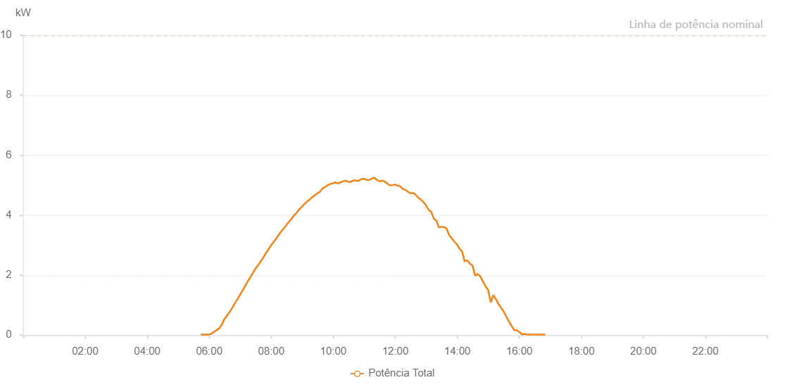

Number | Time | Working State | Alarm Code | Total Inverter Power(W)
1 | 17/06/2022 05:43:36 (UTC-4:00) | Normal |  | 20.000
2 | 17/06/2022 05:48:40 (UTC-4:00) | Normal |  | 20.000
3 | 17/06/2022 05:53:34 (UTC-4:00) | Normal |  | 20.000
4 | 17/06/2022 05:58:41 (UTC-4:00) | Normal |  | 20.000
5 | 17/06/2022 06:03:38 (UTC-4:00) | Normal |  | 40.000
6 | 17/06/2022 06:08:42 (UTC-4:00) | Normal |  | 100.000
7 | 17/06/2022 06:13:42 (UTC-4:00) | Normal |  | 160.000
8 | 17/06/2022 06:18:46 (UTC-4:00) | Normal |  | 220.000
9 | 17/06/2022 06:23:46 (UTC-4:00) | Normal |  | 330.000
10 | 17/06/2022 06:28:49 (UTC-4:00) | Normal |  | 520.000
11 | 17/06/2022 06:33:50 (UTC-4:00) | Normal |  | 630.000
12 | 17/06/2022 06:38:52 (UTC-4:00) | Normal |  | 760.000
13 | 17/06/2022 06:39:03 (UTC-4:00) | Normal |  | 760.000
14 | 17/06/2022 06:43:56 (UTC-4:00) | Normal |  | 890.000
15 | 17/06/2022 06:48:58 (UTC-4:00) | Normal |  | 1040.000
16 | 17/06/2022 06:54:00 (UTC-4:00) | Normal |  | 1180.000
17 | 17/06/2022 06:59:02 (UTC-4:00) | Normal |  | 1330.000
18 | 17/06/2022 07:04:04 (UTC-4:00) | Normal |  | 1480.000
19 | 17/06/2022 07:09:06 (UTC-4:00) | Normal |  | 1620.000
20 | 17/06/2022 07:14:08 (UTC-4:00) | Normal |  | 1780.000
21 | 17/06/2022 07:19:10 (UTC-4:00) | Normal |  | 1920.000
22 | 17/06/2022 07:24:12 (UTC-4:00) | Normal |  | 2060.000
23 | 17/06/2022 07:29:14 (UTC-4:00) | Normal |  | 2210.000
24 | 17/06/2022 07:34:16 (UTC-4:00) | Normal |  | 2320.000
25 | 17/06/2022 07:39:14 (UTC-4:00) | Normal |  | 2450.000
26 | 17/06/2022 07:44:12 (UTC-4:00) | Normal |  | 2570.000
27 | 17/06/2022 07:49:10 (UTC-4:00) | Normal |  | 2720.000
28 | 17/06/2022 07:54:08 (UTC-4:00) | Normal |  | 2840.000
29 | 17/06/2022 07:59:06 (UTC-4:00) | Normal |  | 2980.000
30 | 17/06/2022 08:04:04 (UTC-4:00) | Normal |  | 3090.000
31 | 17/06/2022 08:09:02 (UTC-4:00) | Normal |  | 3200.000
32 | 17/06/2022 08:14:00 (UTC-4:00) | Normal |  | 3330.000
33 | 17/06/2022 08:19:00 (UTC-4:00) | Normal |  | 3450.000
34 | 17/06/2022 08:23:56 (UTC-4:00) | Normal |  | 3550.000
35 | 17/06/2022 08:28:56 (UTC-4:00) | Normal |  | 3660.000
36 | 17/06/2022 08:33:54 (UTC-4:00) | Normal |  | 3770.000
37 | 17/06/2022 08:38:57 (UTC-4:00) | Normal |  | 3870.000
38 | 17/06/2022 08:43:58 (UTC-4:00) | Normal |  | 3990.000
39 | 17/06/2022 08:49:00 (UTC-4:00) | Normal |  | 4080.000
40 | 17/06/2022 08:49:15 (UTC-4:00) | Normal |  | 4080.000
41 | 17/06/2022 08:54:02 (UTC-4:00) | Normal |  | 4190.000
42 | 17/06/2022 08:59:04 (UTC-4:00) | Normal |  | 4280.000
43 | 17/06/2022 08:59:15 (UTC-4:00) | Normal |  | 4280.000
44 | 17/06/2022 09:04:07 (UTC-4:00) | Normal |  | 4370.000
45 | 17/06/2022 09:09:08 (UTC-4:00) | Normal |  | 4450.000
46 | 17/06/2022 09:09:19 (UTC-4:00) | Normal |  | 4450.000
47 | 17/06/2022 09:14:11 (UTC-4:00) | Normal |  | 4520.000
48 | 17/06/2022 09:19:12 (UTC-4:00) | Normal |  | 4600.000
49 | 17/06/2022 09:24:14 (UTC-4:00) | Normal |  | 4660.000
50 | 17/06/2022 09:29:16 (UTC-4:00) | Normal |  | 4730.000
51 | 17/06/2022 09:34:18 (UTC-4:00) | Normal |  | 4780.000
52 | 17/06/2022 09:39:20 (UTC-4:00) | Normal |  | 4890.000
53 | 17/06/2022 09:44:22 (UTC-4:00) | Normal |  | 4940.000
54 | 17/06/2022 09:49:20 (UTC-4:00) | Normal |  | 5000.000
55 | 17/06/2022 09:54:18 (UTC-4:00) | Normal |  | 5040.000
56 | 17/06/2022 09:59:16 (UTC-4:00) | Normal |  | 5060.000
57 | 17/06/2022 09:59:41 (UTC-4:00) | Normal |  | 5060.000
58 | 17/06/2022 10:04:15 (UTC-4:00) | Normal |  | 5090.000
59 | 17/06/2022 10:09:12 (UTC-4:00) | Normal |  | 5060.000
60 | 17/06/2022 10:14:11 (UTC-4:00) | Normal |  | 5090.000
61 | 17/06/2022 10:19:11 (UTC-4:00) | Normal |  | 5130.000
62 | 17/06/2022 10:24:09 (UTC-4:00) | Normal |  | 5150.000
63 | 17/06/2022 10:29:11 (UTC-4:00) | Normal |  | 5110.000
64 | 17/06/2022 10:34:12 (UTC-4:00) | Normal |  | 5110.000
65 | 17/06/2022 10:39:15 (UTC-4:00) | Normal |  | 5160.000
66 | 17/06/2022 10:44:16 (UTC-4:00) | Normal |  | 5150.000
67 | 17/06/2022 10:49:18 (UTC-4:00) | Normal |  | 5150.000
68 | 17/06/2022 10:54:20 (UTC-4:00) | Normal |  | 5200.000
69 | 17/06/2022 10:59:23 (UTC-4:00) | Normal |  | 5210.000
70 | 17/06/2022 11:04:24 (UTC-4:00) | Normal |  | 5180.000
71 | 17/06/2022 11:09:26 (UTC-4:00) | Normal |  | 5170.000
72 | 17/06/2022 11:14:29 (UTC-4:00) | Normal |  | 5220.000
73 | 17/06/2022 11:19:31 (UTC-4:00) | Normal |  | 5250.000
74 | 17/06/2022 11:24:33 (UTC-4:00) | Normal |  | 5170.000
75 | 17/06/2022 11:29:35 (UTC-4:00) | Normal |  | 5130.000
76 | 17/06/2022 11:34:37 (UTC-4:00) | Normal |  | 5150.000
77 | 17/06/2022 11:39:39 (UTC-4:00) | Normal |  | 5120.000
78 | 17/06/2022 11:44:41 (UTC-4:00) | Normal |  | 5050.000
79 | 17/06/2022 11:49:43 (UTC-4:00) | Normal |  | 4990.000
80 | 17/06/2022 11:54:45 (UTC-4:00) | Normal |  | 5000.000
81 | 17/06/2022 11:59:43 (UTC-4:00) | Normal |  | 5020.000
82 | 17/06/2022 12:04:41 (UTC-4:00) | Normal |  | 4980.000
83 | 17/06/2022 12:09:39 (UTC-4:00) | Normal |  | 4960.000
84 | 17/06/2022 12:14:38 (UTC-4:00) | Normal |  | 4870.000
85 | 17/06/2022 12:19:36 (UTC-4:00) | Normal |  | 4840.000
86 | 17/06/2022 12:24:34 (UTC-4:00) | Normal |  | 4780.000
87 | 17/06/2022 12:29:32 (UTC-4:00) | Normal |  | 4730.000
88 | 17/06/2022 12:34:30 (UTC-4:00) | Normal |  | 4740.000
89 | 17/06/2022 12:39:28 (UTC-4:00) | Normal |  | 4680.000
90 | 17/06/2022 12:44:26 (UTC-4:00) | Normal |  | 4580.000
91 | 17/06/2022 12:49:24 (UTC-4:00) | Normal |  | 4520.000
92 | 17/06/2022 12:54:25 (UTC-4:00) | Normal |  | 4430.000
93 | 17/06/2022 12:54:36 (UTC-4:00) | Normal |  | 4430.000
94 | 17/06/2022 12:59:28 (UTC-4:00) | Normal |  | 4330.000
95 | 17/06/2022 13:04:29 (UTC-4:00) | Normal |  | 4170.000
96 | 17/06/2022 13:09:31 (UTC-4:00) | Normal |  | 4110.000
97 | 17/06/2022 13:14:29 (UTC-4:00) | Normal |  | 3880.000
98 | 17/06/2022 13:19:27 (UTC-4:00) | Normal |  | 3820.000
99 | 17/06/2022 13:24:25 (UTC-4:00) | Normal |  | 3590.000
100 | 17/06/2022 13:29:26 (UTC-4:00) | Normal |  | 3610.000
101 | 17/06/2022 13:34:21 (UTC-4:00) | Normal |  | 3600.000
102 | 17/06/2022 13:39:19 (UTC-4:00) | Normal |  | 3550.000
103 | 17/06/2022 13:44:17 (UTC-4:00) | Normal |  | 3330.000
104 | 17/06/2022 13:49:15 (UTC-4:00) | Normal |  | 3230.000
105 | 17/06/2022 13:54:14 (UTC-4:00) | Normal |  | 3120.000
106 | 17/06/2022 13:59:12 (UTC-4:00) | Normal |  | 3030.000
107 | 17/06/2022 14:04:10 (UTC-4:00) | Normal |  | 2880.000
108 | 17/06/2022 14:09:10 (UTC-4:00) | Normal |  | 2790.000
109 | 17/06/2022 14:14:12 (UTC-4:00) | Normal |  | 2460.000
110 | 17/06/2022 14:19:14 (UTC-4:00) | Normal |  | 2500.000
111 | 17/06/2022 14:24:16 (UTC-4:00) | Normal |  | 2380.000
112 | 17/06/2022 14:29:20 (UTC-4:00) | Normal |  | 2320.000
113 | 17/06/2022 14:34:36 (UTC-4:00) | Normal |  | 1980.000
114 | 17/06/2022 14:39:36 (UTC-4:00) | Normal |  | 2040.000
115 | 17/06/2022 14:44:36 (UTC-4:00) | Normal |  | 1950.000
116 | 17/06/2022 14:49:36 (UTC-4:00) | Normal |  | 1790.000
117 | 17/06/2022 14:54:36 (UTC-4:00) | Normal |  | 1630.000
118 | 17/06/2022 14:59:36 (UTC-4:00) | Normal |  | 1500.000
119 | 17/06/2022 14:59:47 (UTC-4:00) | Normal |  | 1500.000
120 | 17/06/2022 15:04:42 (UTC-4:00) | Normal |  | 1090.000
121 | 17/06/2022 15:09:43 (UTC-4:00) | Normal |  | 1330.000
122 | 17/06/2022 15:14:47 (UTC-4:00) | Normal |  | 1200.000
123 | 17/06/2022 15:19:51 (UTC-4:00) | Normal |  | 1030.000
124 | 17/06/2022 15:24:55 (UTC-4:00) | Normal |  | 910.000
125 | 17/06/2022 15:29:59 (UTC-4:00) | Normal |  | 780.000
126 | 17/06/2022 15:35:03 (UTC-4:00) | Normal |  | 610.000
127 | 17/06/2022 15:40:07 (UTC-4:00) | Normal |  | 450.000
128 | 17/06/2022 15:45:11 (UTC-4:00) | Normal |  | 300.000
129 | 17/06/2022 15:50:15 (UTC-4:00) | Normal |  | 170.000
130 | 17/06/2022 15:55:19 (UTC-4:00) | Normal |  | 160.000
131 | 17/06/2022 16:00:19 (UTC-4:00) | Normal |  | 100.000
132 | 17/06/2022 16:05:19 (UTC-4:00) | Normal |  | 20.000
133 | 17/06/2022 16:10:19 (UTC-4:00) | Normal |  | 40.000
134 | 17/06/2022 16:15:19 (UTC-4:00) | Normal |  | 20.000
135 | 17/06/2022 16:20:19 (UTC-4:00) | Normal |  | 20.000
136 | 17/06/2022 16:25:19 (UTC-4:00) | Normal |  | 20.000
137 | 17/06/2022 16:30:19 (UTC-4:00) | Normal |  | 20.000
138 | 17/06/2022 16:35:19 (UTC-4:00) | Normal |  | 20.000
139 | 17/06/2022 16:40:19 (UTC-4:00) | Normal |  | 20.000
140 | 17/06/2022 16:45:19 (UTC-4:00) | Normal |  | 20.000
141 | 17/06/2022 16:50:19 (UTC-4:00) | Normal |  | 20.000

