Inverter History Report__17-08-
Inverter History Report_18/06/2022_Report

Inverter SN:054B7020C020041 |  | Inverter type:B7
Collector SN:4045966636 |  | Full Load Hours(h):1.34
Rated Power:10000Wp

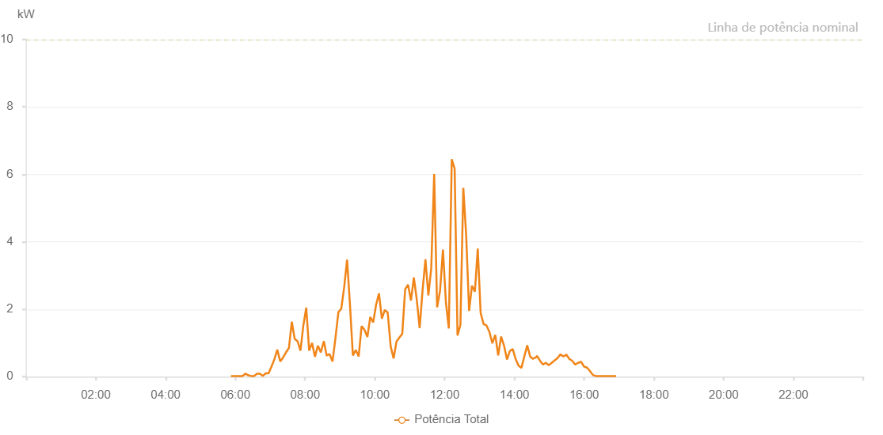

Number | Time | Working State | Alarm Code | Total Inverter Power(W)
1 | 18/06/2022 05:52:23 (UTC-4:00) | Normal |  | 20.000
2 | 18/06/2022 05:57:22 (UTC-4:00) | Normal |  | 20.000
3 | 18/06/2022 06:02:20 (UTC-4:00) | Normal |  | 20.000
4 | 18/06/2022 06:07:21 (UTC-4:00) | Normal |  | 20.000
5 | 18/06/2022 06:12:23 (UTC-4:00) | Normal |  | 20.000
6 | 18/06/2022 06:17:21 (UTC-4:00) | Normal |  | 90.000
7 | 18/06/2022 06:22:20 (UTC-4:00) | Normal |  | 40.000
8 | 18/06/2022 06:27:18 (UTC-4:00) | Normal |  | 20.000
9 | 18/06/2022 06:32:16 (UTC-4:00) | Normal |  | 20.000
10 | 18/06/2022 06:37:15 (UTC-4:00) | Normal |  | 90.000
11 | 18/06/2022 06:42:15 (UTC-4:00) | Normal |  | 90.000
12 | 18/06/2022 06:47:13 (UTC-4:00) | Normal |  | 20.000
13 | 18/06/2022 06:52:13 (UTC-4:00) | Normal |  | 100.000
14 | 18/06/2022 06:57:09 (UTC-4:00) | Normal |  | 100.000
15 | 18/06/2022 07:02:09 (UTC-4:00) | Normal |  | 300.000
16 | 18/06/2022 07:07:10 (UTC-4:00) | Normal |  | 520.000
17 | 18/06/2022 07:12:07 (UTC-4:00) | Normal |  | 800.000
18 | 18/06/2022 07:17:10 (UTC-4:00) | Normal |  | 450.000
19 | 18/06/2022 07:22:10 (UTC-4:00) | Normal |  | 570.000
20 | 18/06/2022 07:27:06 (UTC-4:00) | Normal |  | 720.000
21 | 18/06/2022 07:32:06 (UTC-4:00) | Normal |  | 850.000
22 | 18/06/2022 07:37:05 (UTC-4:00) | Normal |  | 1630.000
23 | 18/06/2022 07:42:03 (UTC-4:00) | Normal |  | 1120.000
24 | 18/06/2022 07:47:01 (UTC-4:00) | Normal |  | 1050.000
25 | 18/06/2022 07:52:00 (UTC-4:00) | Normal |  | 770.000
26 | 18/06/2022 07:56:58 (UTC-4:00) | Normal |  | 1520.000
27 | 18/06/2022 08:01:57 (UTC-4:00) | Normal |  | 2050.000
28 | 18/06/2022 08:06:55 (UTC-4:00) | Normal |  | 770.000
29 | 18/06/2022 08:11:54 (UTC-4:00) | Normal |  | 1000.000
30 | 18/06/2022 08:16:54 (UTC-4:00) | Normal |  | 590.000
31 | 18/06/2022 08:21:57 (UTC-4:00) | Normal |  | 920.000
32 | 18/06/2022 08:26:58 (UTC-4:00) | Normal |  | 720.000
33 | 18/06/2022 08:32:01 (UTC-4:00) | Normal |  | 1040.000
34 | 18/06/2022 08:32:25 (UTC-4:00) | Normal |  | 1040.000
35 | 18/06/2022 08:37:03 (UTC-4:00) | Normal |  | 630.000
36 | 18/06/2022 08:37:14 (UTC-4:00) | Normal |  | 630.000
37 | 18/06/2022 08:42:07 (UTC-4:00) | Normal |  | 670.000
38 | 18/06/2022 08:47:08 (UTC-4:00) | Normal |  | 450.000
39 | 18/06/2022 08:52:10 (UTC-4:00) | Normal |  | 1140.000
40 | 18/06/2022 08:57:13 (UTC-4:00) | Normal |  | 1910.000
41 | 18/06/2022 09:02:15 (UTC-4:00) | Normal |  | 2020.000
42 | 18/06/2022 09:07:13 (UTC-4:00) | Normal |  | 2660.000
43 | 18/06/2022 09:12:12 (UTC-4:00) | Normal |  | 3470.000
44 | 18/06/2022 09:17:10 (UTC-4:00) | Normal |  | 2130.000
45 | 18/06/2022 09:22:10 (UTC-4:00) | Normal |  | 630.000
46 | 18/06/2022 09:27:11 (UTC-4:00) | Normal |  | 790.000
47 | 18/06/2022 09:32:09 (UTC-4:00) | Normal |  | 600.000
48 | 18/06/2022 09:37:08 (UTC-4:00) | Normal |  | 1500.000
49 | 18/06/2022 09:42:06 (UTC-4:00) | Normal |  | 1390.000
50 | 18/06/2022 09:47:06 (UTC-4:00) | Normal |  | 1180.000
51 | 18/06/2022 09:52:06 (UTC-4:00) | Normal |  | 1770.000
52 | 18/06/2022 09:57:04 (UTC-4:00) | Normal |  | 1610.000
53 | 18/06/2022 10:02:03 (UTC-4:00) | Normal |  | 2130.000
54 | 18/06/2022 10:07:01 (UTC-4:00) | Normal |  | 2470.000
55 | 18/06/2022 10:12:02 (UTC-4:00) | Normal |  | 1720.000
56 | 18/06/2022 10:17:04 (UTC-4:00) | Normal |  | 1980.000
57 | 18/06/2022 10:22:06 (UTC-4:00) | Normal |  | 1900.000
58 | 18/06/2022 10:27:09 (UTC-4:00) | Normal |  | 900.000
59 | 18/06/2022 10:32:11 (UTC-4:00) | Normal |  | 540.000
60 | 18/06/2022 10:37:09 (UTC-4:00) | Normal |  | 1040.000
61 | 18/06/2022 10:42:08 (UTC-4:00) | Normal |  | 1160.000
62 | 18/06/2022 10:47:06 (UTC-4:00) | Normal |  | 1270.000
63 | 18/06/2022 10:52:05 (UTC-4:00) | Normal |  | 2590.000
64 | 18/06/2022 10:57:03 (UTC-4:00) | Normal |  | 2730.000
65 | 18/06/2022 11:02:05 (UTC-4:00) | Normal |  | 2260.000
66 | 18/06/2022 11:07:04 (UTC-4:00) | Normal |  | 2940.000
67 | 18/06/2022 11:12:02 (UTC-4:00) | Normal |  | 2290.000
68 | 18/06/2022 11:17:01 (UTC-4:00) | Normal |  | 1440.000
69 | 18/06/2022 11:21:59 (UTC-4:00) | Normal |  | 2550.000
70 | 18/06/2022 11:26:58 (UTC-4:00) | Normal |  | 3480.000
71 | 18/06/2022 11:31:58 (UTC-4:00) | Normal |  | 2410.000
72 | 18/06/2022 11:36:58 (UTC-4:00) | Normal |  | 3220.000
73 | 18/06/2022 11:42:00 (UTC-4:00) | Normal |  | 6010.000
74 | 18/06/2022 11:47:02 (UTC-4:00) | Normal |  | 2060.000
75 | 18/06/2022 11:52:04 (UTC-4:00) | Normal |  | 2540.000
76 | 18/06/2022 11:57:07 (UTC-4:00) | Normal |  | 3770.000
77 | 18/06/2022 12:02:09 (UTC-4:00) | Normal |  | 2210.000
78 | 18/06/2022 12:07:11 (UTC-4:00) | Normal |  | 1430.000
79 | 18/06/2022 12:12:14 (UTC-4:00) | Normal |  | 6450.000
80 | 18/06/2022 12:17:12 (UTC-4:00) | Normal |  | 6170.000
81 | 18/06/2022 12:22:10 (UTC-4:00) | Normal |  | 1220.000
82 | 18/06/2022 12:27:09 (UTC-4:00) | Normal |  | 1540.000
83 | 18/06/2022 12:32:07 (UTC-4:00) | Normal |  | 5600.000
84 | 18/06/2022 12:37:05 (UTC-4:00) | Normal |  | 4180.000
85 | 18/06/2022 12:42:04 (UTC-4:00) | Normal |  | 1950.000
86 | 18/06/2022 12:47:02 (UTC-4:00) | Normal |  | 2700.000
87 | 18/06/2022 12:52:00 (UTC-4:00) | Normal |  | 2520.000
88 | 18/06/2022 12:56:59 (UTC-4:00) | Normal |  | 3800.000
89 | 18/06/2022 13:01:57 (UTC-4:00) | Normal |  | 1890.000
90 | 18/06/2022 13:06:56 (UTC-4:00) | Normal |  | 1560.000
91 | 18/06/2022 13:11:57 (UTC-4:00) | Normal |  | 1520.000
92 | 18/06/2022 13:16:59 (UTC-4:00) | Normal |  | 1330.000
93 | 18/06/2022 13:22:02 (UTC-4:00) | Normal |  | 990.000
94 | 18/06/2022 13:27:04 (UTC-4:00) | Normal |  | 1240.000
95 | 18/06/2022 13:32:07 (UTC-4:00) | Normal |  | 630.000
96 | 18/06/2022 13:37:09 (UTC-4:00) | Normal |  | 1190.000
97 | 18/06/2022 13:42:11 (UTC-4:00) | Normal |  | 920.000
98 | 18/06/2022 13:47:14 (UTC-4:00) | Normal |  | 510.000
99 | 18/06/2022 13:52:12 (UTC-4:00) | Normal |  | 760.000
100 | 18/06/2022 13:57:11 (UTC-4:00) | Normal |  | 820.000
101 | 18/06/2022 14:02:09 (UTC-4:00) | Normal |  | 520.000
102 | 18/06/2022 14:07:08 (UTC-4:00) | Normal |  | 330.000
103 | 18/06/2022 14:12:07 (UTC-4:00) | Normal |  | 260.000
104 | 18/06/2022 14:17:05 (UTC-4:00) | Normal |  | 600.000
105 | 18/06/2022 14:22:04 (UTC-4:00) | Normal |  | 930.000
106 | 18/06/2022 14:27:02 (UTC-4:00) | Normal |  | 600.000
107 | 18/06/2022 14:32:00 (UTC-4:00) | Normal |  | 530.000
108 | 18/06/2022 14:36:59 (UTC-4:00) | Normal |  | 570.000
109 | 18/06/2022 14:38:51 (UTC-4:00) | Normal |  | 620.000
110 | 18/06/2022 14:44:08 (UTC-4:00) | Normal |  | 470.000
111 | 18/06/2022 14:49:08 (UTC-4:00) | Normal |  | 360.000
112 | 18/06/2022 14:54:08 (UTC-4:00) | Normal |  | 410.000
113 | 18/06/2022 14:59:08 (UTC-4:00) | Normal |  | 340.000
114 | 18/06/2022 15:04:09 (UTC-4:00) | Normal |  | 410.000
115 | 18/06/2022 15:09:09 (UTC-4:00) | Normal |  | 480.000
116 | 18/06/2022 15:14:09 (UTC-4:00) | Normal |  | 550.000
117 | 18/06/2022 15:19:13 (UTC-4:00) | Normal |  | 660.000
118 | 18/06/2022 15:24:16 (UTC-4:00) | Normal |  | 600.000
119 | 18/06/2022 15:29:21 (UTC-4:00) | Normal |  | 650.000
120 | 18/06/2022 15:29:31 (UTC-4:00) | Normal |  | 650.000
121 | 18/06/2022 15:34:26 (UTC-4:00) | Normal |  | 530.000
122 | 18/06/2022 15:39:30 (UTC-4:00) | Normal |  | 470.000
123 | 18/06/2022 15:44:34 (UTC-4:00) | Normal |  | 360.000
124 | 18/06/2022 15:49:38 (UTC-4:00) | Normal |  | 410.000
125 | 18/06/2022 15:54:42 (UTC-4:00) | Normal |  | 440.000
126 | 18/06/2022 15:59:46 (UTC-4:00) | Normal |  | 300.000
127 | 18/06/2022 16:04:50 (UTC-4:00) | Normal |  | 270.000
128 | 18/06/2022 16:09:53 (UTC-4:00) | Normal |  | 170.000
129 | 18/06/2022 16:14:57 (UTC-4:00) | Normal |  | 50.000
130 | 18/06/2022 16:20:01 (UTC-4:00) | Normal |  | 20.000
131 | 18/06/2022 16:25:05 (UTC-4:00) | Normal |  | 20.000
132 | 18/06/2022 16:30:08 (UTC-4:00) | Normal |  | 20.000
133 | 18/06/2022 16:35:05 (UTC-4:00) | Normal |  | 20.000
134 | 18/06/2022 16:40:05 (UTC-4:00) | Normal |  | 20.000
135 | 18/06/2022 16:45:05 (UTC-4:00) | Normal |  | 20.000
136 | 18/06/2022 16:50:04 (UTC-4:00) | Normal |  | 20.000
137 | 18/06/2022 16:55:04 (UTC-4:00) | Normal |  | 20.000

