Inverter History Report__17-08-
Inverter History Report_19/06/2022_Report

Inverter SN:054B7020C020041 |  | Inverter type:B7
Collector SN:4045966636 |  | Full Load Hours(h):2.61
Rated Power:10000Wp

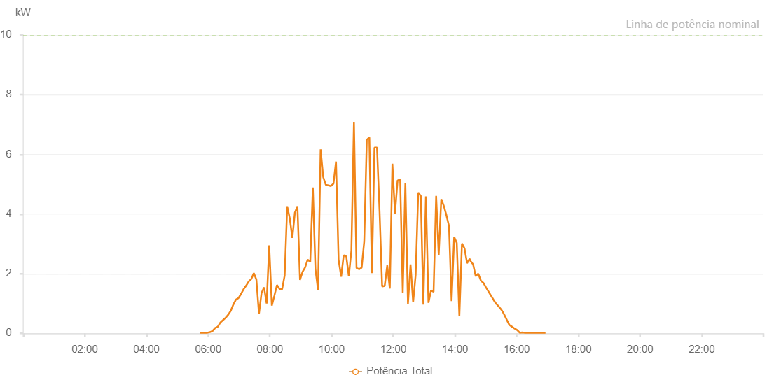

Number | Time | Working State | Alarm Code | Total Inverter Power(W)
1 | 19/06/2022 05:43:32 (UTC-4:00) | Normal |  | 20.000
2 | 19/06/2022 05:48:31 (UTC-4:00) | Normal |  | 20.000
3 | 19/06/2022 05:53:33 (UTC-4:00) | Normal |  | 20.000
4 | 19/06/2022 05:58:30 (UTC-4:00) | Normal |  | 20.000
5 | 19/06/2022 06:03:35 (UTC-4:00) | Normal |  | 40.000
6 | 19/06/2022 06:08:36 (UTC-4:00) | Normal |  | 80.000
7 | 19/06/2022 06:13:39 (UTC-4:00) | Normal |  | 180.000
8 | 19/06/2022 06:18:40 (UTC-4:00) | Normal |  | 220.000
9 | 19/06/2022 06:23:42 (UTC-4:00) | Normal |  | 360.000
10 | 19/06/2022 06:28:45 (UTC-4:00) | Normal |  | 440.000
11 | 19/06/2022 06:33:47 (UTC-4:00) | Normal |  | 520.000
12 | 19/06/2022 06:38:49 (UTC-4:00) | Normal |  | 620.000
13 | 19/06/2022 06:43:51 (UTC-4:00) | Normal |  | 750.000
14 | 19/06/2022 06:48:54 (UTC-4:00) | Normal |  | 960.000
15 | 19/06/2022 06:53:56 (UTC-4:00) | Normal |  | 1130.000
16 | 19/06/2022 06:58:58 (UTC-4:00) | Normal |  | 1180.000
17 | 19/06/2022 07:03:57 (UTC-4:00) | Normal |  | 1320.000
18 | 19/06/2022 07:08:55 (UTC-4:00) | Normal |  | 1480.000
19 | 19/06/2022 07:13:53 (UTC-4:00) | Normal |  | 1600.000
20 | 19/06/2022 07:18:53 (UTC-4:00) | Normal |  | 1740.000
21 | 19/06/2022 07:23:50 (UTC-4:00) | Normal |  | 1820.000
22 | 19/06/2022 07:28:49 (UTC-4:00) | Normal |  | 2020.000
23 | 19/06/2022 07:33:47 (UTC-4:00) | Normal |  | 1800.000
24 | 19/06/2022 07:38:45 (UTC-4:00) | Normal |  | 670.000
25 | 19/06/2022 07:38:56 (UTC-4:00) | Normal |  | 670.000
26 | 19/06/2022 07:43:47 (UTC-4:00) | Normal |  | 1350.000
27 | 19/06/2022 07:48:43 (UTC-4:00) | Normal |  | 1540.000
28 | 19/06/2022 07:53:44 (UTC-4:00) | Normal |  | 1000.000
29 | 19/06/2022 07:58:43 (UTC-4:00) | Normal |  | 2950.000
30 | 19/06/2022 08:03:49 (UTC-4:00) | Normal |  | 930.000
31 | 19/06/2022 08:08:46 (UTC-4:00) | Normal |  | 1260.000
32 | 19/06/2022 08:13:48 (UTC-4:00) | Normal |  | 1620.000
33 | 19/06/2022 08:18:47 (UTC-4:00) | Normal |  | 1490.000
34 | 19/06/2022 08:23:48 (UTC-4:00) | Normal |  | 1480.000
35 | 19/06/2022 08:28:48 (UTC-4:00) | Normal |  | 1940.000
36 | 19/06/2022 08:33:41 (UTC-4:00) | Normal |  | 4260.000
37 | 19/06/2022 08:38:41 (UTC-4:00) | Normal |  | 3860.000
38 | 19/06/2022 08:43:40 (UTC-4:00) | Normal |  | 3200.000
39 | 19/06/2022 08:48:38 (UTC-4:00) | Normal |  | 4050.000
40 | 19/06/2022 08:53:36 (UTC-4:00) | Normal |  | 4260.000
41 | 19/06/2022 08:58:34 (UTC-4:00) | Normal |  | 1790.000
42 | 19/06/2022 09:03:34 (UTC-4:00) | Normal |  | 2060.000
43 | 19/06/2022 09:08:32 (UTC-4:00) | Normal |  | 2210.000
44 | 19/06/2022 09:13:30 (UTC-4:00) | Normal |  | 2470.000
45 | 19/06/2022 09:18:32 (UTC-4:00) | Normal |  | 2400.000
46 | 19/06/2022 09:23:34 (UTC-4:00) | Normal |  | 4890.000
47 | 19/06/2022 09:28:37 (UTC-4:00) | Normal |  | 2150.000
48 | 19/06/2022 09:33:39 (UTC-4:00) | Normal |  | 1450.000
49 | 19/06/2022 09:38:41 (UTC-4:00) | Normal |  | 6170.000
50 | 19/06/2022 09:43:44 (UTC-4:00) | Normal |  | 5240.000
51 | 19/06/2022 09:48:46 (UTC-4:00) | Normal |  | 4980.000
52 | 19/06/2022 09:53:44 (UTC-4:00) | Normal |  | 4960.000
53 | 19/06/2022 09:58:43 (UTC-4:00) | Normal |  | 4940.000
54 | 19/06/2022 10:03:41 (UTC-4:00) | Normal |  | 5020.000
55 | 19/06/2022 10:08:39 (UTC-4:00) | Normal |  | 5760.000
56 | 19/06/2022 10:13:38 (UTC-4:00) | Normal |  | 2470.000
57 | 19/06/2022 10:18:37 (UTC-4:00) | Normal |  | 1900.000
58 | 19/06/2022 10:23:36 (UTC-4:00) | Normal |  | 2620.000
59 | 19/06/2022 10:28:35 (UTC-4:00) | Normal |  | 2580.000
60 | 19/06/2022 10:33:34 (UTC-4:00) | Normal |  | 1910.000
61 | 19/06/2022 10:38:32 (UTC-4:00) | Normal |  | 2780.000
62 | 19/06/2022 10:43:30 (UTC-4:00) | Normal |  | 7090.000
63 | 19/06/2022 10:48:31 (UTC-4:00) | Normal |  | 2190.000
64 | 19/06/2022 10:53:33 (UTC-4:00) | Normal |  | 2150.000
65 | 19/06/2022 10:58:31 (UTC-4:00) | Normal |  | 2200.000
66 | 19/06/2022 11:03:30 (UTC-4:00) | Normal |  | 3080.000
67 | 19/06/2022 11:08:28 (UTC-4:00) | Normal |  | 6490.000
68 | 19/06/2022 11:13:27 (UTC-4:00) | Normal |  | 6570.000
69 | 19/06/2022 11:18:25 (UTC-4:00) | Normal |  | 2020.000
70 | 19/06/2022 11:23:24 (UTC-4:00) | Normal |  | 6230.000
71 | 19/06/2022 11:28:23 (UTC-4:00) | Normal |  | 6230.000
72 | 19/06/2022 11:33:21 (UTC-4:00) | Normal |  | 4080.000
73 | 19/06/2022 11:38:20 (UTC-4:00) | Normal |  | 1570.000
74 | 19/06/2022 11:43:18 (UTC-4:00) | Normal |  | 1590.000
75 | 19/06/2022 11:48:17 (UTC-4:00) | Normal |  | 2280.000
76 | 19/06/2022 11:53:15 (UTC-4:00) | Normal |  | 1500.000
77 | 19/06/2022 11:58:17 (UTC-4:00) | Normal |  | 5690.000
78 | 19/06/2022 12:03:19 (UTC-4:00) | Normal |  | 4020.000
79 | 19/06/2022 12:08:22 (UTC-4:00) | Normal |  | 5130.000
80 | 19/06/2022 12:08:32 (UTC-4:00) | Normal |  | 5130.000
81 | 19/06/2022 12:13:25 (UTC-4:00) | Normal |  | 5160.000
82 | 19/06/2022 12:18:26 (UTC-4:00) | Normal |  | 1360.000
83 | 19/06/2022 12:23:29 (UTC-4:00) | Normal |  | 5040.000
84 | 19/06/2022 12:28:31 (UTC-4:00) | Normal |  | 990.000
85 | 19/06/2022 12:33:33 (UTC-4:00) | Normal |  | 2310.000
86 | 19/06/2022 12:38:36 (UTC-4:00) | Normal |  | 1040.000
87 | 19/06/2022 12:43:34 (UTC-4:00) | Normal |  | 1970.000
88 | 19/06/2022 12:48:33 (UTC-4:00) | Normal |  | 4720.000
89 | 19/06/2022 12:53:31 (UTC-4:00) | Normal |  | 4610.000
90 | 19/06/2022 12:58:30 (UTC-4:00) | Normal |  | 960.000
91 | 19/06/2022 13:03:29 (UTC-4:00) | Normal |  | 4590.000
92 | 19/06/2022 13:08:27 (UTC-4:00) | Normal |  | 1020.000
93 | 19/06/2022 13:13:25 (UTC-4:00) | Normal |  | 1440.000
94 | 19/06/2022 13:18:24 (UTC-4:00) | Normal |  | 1390.000
95 | 19/06/2022 13:23:23 (UTC-4:00) | Normal |  | 4610.000
96 | 19/06/2022 13:28:21 (UTC-4:00) | Normal |  | 2630.000
97 | 19/06/2022 13:33:20 (UTC-4:00) | Normal |  | 4500.000
98 | 19/06/2022 13:38:20 (UTC-4:00) | Normal |  | 4270.000
99 | 19/06/2022 13:43:21 (UTC-4:00) | Normal |  | 3960.000
100 | 19/06/2022 13:48:22 (UTC-4:00) | Normal |  | 3600.000
101 | 19/06/2022 13:53:24 (UTC-4:00) | Normal |  | 1080.000
102 | 19/06/2022 13:58:26 (UTC-4:00) | Normal |  | 3230.000
103 | 19/06/2022 14:03:29 (UTC-4:00) | Normal |  | 3030.000
104 | 19/06/2022 14:08:31 (UTC-4:00) | Normal |  | 570.000
105 | 19/06/2022 14:13:33 (UTC-4:00) | Normal |  | 3010.000
106 | 19/06/2022 14:18:32 (UTC-4:00) | Normal |  | 2850.000
107 | 19/06/2022 14:23:30 (UTC-4:00) | Normal |  | 2350.000
108 | 19/06/2022 14:28:29 (UTC-4:00) | Normal |  | 2500.000
109 | 19/06/2022 14:30:00 (UTC-4:00) | Normal |  | 2430.000
110 | 19/06/2022 14:35:17 (UTC-4:00) | Normal |  | 2310.000
111 | 19/06/2022 14:40:19 (UTC-4:00) | Normal |  | 1920.000
112 | 19/06/2022 14:40:28 (UTC-4:00) | Normal |  | 1920.000
113 | 19/06/2022 14:45:17 (UTC-4:00) | Normal |  | 2000.000
114 | 19/06/2022 14:50:17 (UTC-4:00) | Normal |  | 1770.000
115 | 19/06/2022 14:55:17 (UTC-4:00) | Normal |  | 1690.000
116 | 19/06/2022 15:00:17 (UTC-4:00) | Normal |  | 1540.000
117 | 19/06/2022 15:05:17 (UTC-4:00) | Normal |  | 1400.000
118 | 19/06/2022 15:10:21 (UTC-4:00) | Normal |  | 1250.000
119 | 19/06/2022 15:10:32 (UTC-4:00) | Normal |  | 1250.000
120 | 19/06/2022 15:15:28 (UTC-4:00) | Normal |  | 1110.000
121 | 19/06/2022 15:20:29 (UTC-4:00) | Normal |  | 980.000
122 | 19/06/2022 15:20:54 (UTC-4:00) | Normal |  | 980.000
123 | 19/06/2022 15:25:33 (UTC-4:00) | Normal |  | 890.000
124 | 19/06/2022 15:30:37 (UTC-4:00) | Normal |  | 780.000
125 | 19/06/2022 15:30:48 (UTC-4:00) | Normal |  | 780.000
126 | 19/06/2022 15:35:41 (UTC-4:00) | Normal |  | 630.000
127 | 19/06/2022 15:40:45 (UTC-4:00) | Normal |  | 450.000
128 | 19/06/2022 15:40:46 (UTC-4:00) | Normal |  | 450.000
129 | 19/06/2022 15:45:49 (UTC-4:00) | Normal |  | 280.000
130 | 19/06/2022 15:50:53 (UTC-4:00) | Normal |  | 220.000
131 | 19/06/2022 15:55:56 (UTC-4:00) | Normal |  | 160.000
132 | 19/06/2022 16:01:01 (UTC-4:00) | Normal |  | 110.000
133 | 19/06/2022 16:06:00 (UTC-4:00) | Normal |  | 20.000
134 | 19/06/2022 16:11:00 (UTC-4:00) | Normal |  | 30.000
135 | 19/06/2022 16:16:00 (UTC-4:00) | Normal |  | 20.000
136 | 19/06/2022 16:21:00 (UTC-4:00) | Normal |  | 20.000
137 | 19/06/2022 16:26:00 (UTC-4:00) | Normal |  | 20.000
138 | 19/06/2022 16:31:00 (UTC-4:00) | Normal |  | 20.000
139 | 19/06/2022 16:36:00 (UTC-4:00) | Normal |  | 20.000
140 | 19/06/2022 16:41:00 (UTC-4:00) | Normal |  | 20.000
141 | 19/06/2022 16:46:01 (UTC-4:00) | Normal |  | 20.000
142 | 19/06/2022 16:51:01 (UTC-4:00) | Normal |  | 20.000
143 | 19/06/2022 16:56:00 (UTC-4:00) | Normal |  | 20.000

