Inverter History Report__17-08-
Inverter History Report_23/06/2022_Report

Inverter SN:054B7020C020041 |  | Inverter type:B7
Collector SN:4045966636 |  | Full Load Hours(h):3.12
Rated Power:10000Wp

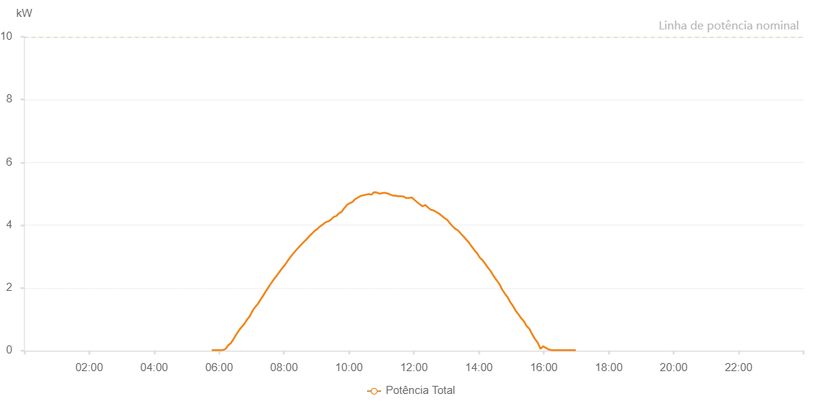

Number | Time | Working State | Alarm Code | Total Inverter Power(W)
1 | 23/06/2022 05:46:29 (UTC-4:00) | Normal |  | 20.000
2 | 23/06/2022 05:51:30 (UTC-4:00) | Normal |  | 20.000
3 | 23/06/2022 05:56:32 (UTC-4:00) | Normal |  | 20.000
4 | 23/06/2022 06:01:33 (UTC-4:00) | Normal |  | 20.000
5 | 23/06/2022 06:06:36 (UTC-4:00) | Normal |  | 20.000
6 | 23/06/2022 06:11:37 (UTC-4:00) | Normal |  | 50.000
7 | 23/06/2022 06:16:39 (UTC-4:00) | Normal |  | 170.000
8 | 23/06/2022 06:21:42 (UTC-4:00) | Normal |  | 240.000
9 | 23/06/2022 06:26:43 (UTC-4:00) | Normal |  | 370.000
10 | 23/06/2022 06:31:46 (UTC-4:00) | Normal |  | 520.000
11 | 23/06/2022 06:36:47 (UTC-4:00) | Normal |  | 650.000
12 | 23/06/2022 06:41:49 (UTC-4:00) | Normal |  | 760.000
13 | 23/06/2022 06:46:47 (UTC-4:00) | Normal |  | 860.000
14 | 23/06/2022 06:51:45 (UTC-4:00) | Normal |  | 990.000
15 | 23/06/2022 06:56:43 (UTC-4:00) | Normal |  | 1100.000
16 | 23/06/2022 07:01:42 (UTC-4:00) | Normal |  | 1270.000
17 | 23/06/2022 07:06:40 (UTC-4:00) | Normal |  | 1390.000
18 | 23/06/2022 07:11:39 (UTC-4:00) | Normal |  | 1490.000
19 | 23/06/2022 07:16:41 (UTC-4:00) | Normal |  | 1630.000
20 | 23/06/2022 07:21:35 (UTC-4:00) | Normal |  | 1760.000
21 | 23/06/2022 07:26:33 (UTC-4:00) | Normal |  | 1900.000
22 | 23/06/2022 07:31:32 (UTC-4:00) | Normal |  | 2030.000
23 | 23/06/2022 07:36:30 (UTC-4:00) | Normal |  | 2160.000
24 | 23/06/2022 07:41:31 (UTC-4:00) | Normal |  | 2280.000
25 | 23/06/2022 07:46:29 (UTC-4:00) | Normal |  | 2390.000
26 | 23/06/2022 07:51:32 (UTC-4:00) | Normal |  | 2510.000
27 | 23/06/2022 07:56:34 (UTC-4:00) | Normal |  | 2630.000
28 | 23/06/2022 08:01:36 (UTC-4:00) | Normal |  | 2730.000
29 | 23/06/2022 08:06:38 (UTC-4:00) | Normal |  | 2860.000
30 | 23/06/2022 08:11:40 (UTC-4:00) | Normal |  | 2980.000
31 | 23/06/2022 08:16:42 (UTC-4:00) | Normal |  | 3090.000
32 | 23/06/2022 08:21:44 (UTC-4:00) | Normal |  | 3190.000
33 | 23/06/2022 08:26:46 (UTC-4:00) | Normal |  | 3290.000
34 | 23/06/2022 08:31:48 (UTC-4:00) | Normal |  | 3380.000
35 | 23/06/2022 08:36:47 (UTC-4:00) | Normal |  | 3470.000
36 | 23/06/2022 08:41:45 (UTC-4:00) | Normal |  | 3550.000
37 | 23/06/2022 08:46:43 (UTC-4:00) | Normal |  | 3650.000
38 | 23/06/2022 08:51:41 (UTC-4:00) | Normal |  | 3730.000
39 | 23/06/2022 08:56:39 (UTC-4:00) | Normal |  | 3820.000
40 | 23/06/2022 09:01:37 (UTC-4:00) | Normal |  | 3880.000
41 | 23/06/2022 09:06:35 (UTC-4:00) | Normal |  | 3960.000
42 | 23/06/2022 09:11:34 (UTC-4:00) | Normal |  | 4020.000
43 | 23/06/2022 09:16:34 (UTC-4:00) | Normal |  | 4090.000
44 | 23/06/2022 09:21:30 (UTC-4:00) | Normal |  | 4120.000
45 | 23/06/2022 09:21:41 (UTC-4:00) | Normal |  | 4120.000
46 | 23/06/2022 09:26:29 (UTC-4:00) | Normal |  | 4170.000
47 | 23/06/2022 09:31:30 (UTC-4:00) | Normal |  | 4260.000
48 | 23/06/2022 09:36:33 (UTC-4:00) | Normal |  | 4290.000
49 | 23/06/2022 09:41:31 (UTC-4:00) | Normal |  | 4380.000
50 | 23/06/2022 09:41:42 (UTC-4:00) | Normal |  | 4380.000
51 | 23/06/2022 09:46:33 (UTC-4:00) | Normal |  | 4430.000
52 | 23/06/2022 09:51:35 (UTC-4:00) | Normal |  | 4550.000
53 | 23/06/2022 09:51:54 (UTC-4:00) | Normal |  | 4550.000
54 | 23/06/2022 09:56:37 (UTC-4:00) | Normal |  | 4650.000
55 | 23/06/2022 10:01:36 (UTC-4:00) | Normal |  | 4700.000
56 | 23/06/2022 10:06:35 (UTC-4:00) | Normal |  | 4740.000
57 | 23/06/2022 10:11:32 (UTC-4:00) | Normal |  | 4830.000
58 | 23/06/2022 10:16:30 (UTC-4:00) | Normal |  | 4880.000
59 | 23/06/2022 10:21:28 (UTC-4:00) | Normal |  | 4930.000
60 | 23/06/2022 10:26:27 (UTC-4:00) | Normal |  | 4950.000
61 | 23/06/2022 10:31:25 (UTC-4:00) | Normal |  | 4970.000
62 | 23/06/2022 10:31:36 (UTC-4:00) | Normal |  | 4970.000
63 | 23/06/2022 10:36:25 (UTC-4:00) | Normal |  | 4990.000
64 | 23/06/2022 10:41:25 (UTC-4:00) | Normal |  | 4970.000
65 | 23/06/2022 10:46:24 (UTC-4:00) | Normal |  | 5050.000
66 | 23/06/2022 10:51:22 (UTC-4:00) | Normal |  | 5040.000
67 | 23/06/2022 10:56:21 (UTC-4:00) | Normal |  | 5000.000
68 | 23/06/2022 11:01:22 (UTC-4:00) | Normal |  | 5020.000
69 | 23/06/2022 11:06:24 (UTC-4:00) | Normal |  | 5030.000
70 | 23/06/2022 11:11:26 (UTC-4:00) | Normal |  | 5010.000
71 | 23/06/2022 11:16:27 (UTC-4:00) | Normal |  | 4970.000
72 | 23/06/2022 11:21:26 (UTC-4:00) | Normal |  | 4940.000
73 | 23/06/2022 11:26:24 (UTC-4:00) | Normal |  | 4940.000
74 | 23/06/2022 11:31:22 (UTC-4:00) | Normal |  | 4920.000
75 | 23/06/2022 11:36:21 (UTC-4:00) | Normal |  | 4920.000
76 | 23/06/2022 11:41:19 (UTC-4:00) | Normal |  | 4910.000
77 | 23/06/2022 11:46:17 (UTC-4:00) | Normal |  | 4860.000
78 | 23/06/2022 11:51:15 (UTC-4:00) | Normal |  | 4870.000
79 | 23/06/2022 11:56:13 (UTC-4:00) | Normal |  | 4880.000
80 | 23/06/2022 12:01:13 (UTC-4:00) | Normal |  | 4800.000
81 | 23/06/2022 12:06:11 (UTC-4:00) | Normal |  | 4730.000
82 | 23/06/2022 12:11:09 (UTC-4:00) | Normal |  | 4660.000
83 | 23/06/2022 12:16:08 (UTC-4:00) | Normal |  | 4600.000
84 | 23/06/2022 12:21:11 (UTC-4:00) | Normal |  | 4640.000
85 | 23/06/2022 12:26:13 (UTC-4:00) | Normal |  | 4560.000
86 | 23/06/2022 12:31:15 (UTC-4:00) | Normal |  | 4490.000
87 | 23/06/2022 12:36:17 (UTC-4:00) | Normal |  | 4470.000
88 | 23/06/2022 12:41:20 (UTC-4:00) | Normal |  | 4420.000
89 | 23/06/2022 12:46:22 (UTC-4:00) | Normal |  | 4370.000
90 | 23/06/2022 12:51:24 (UTC-4:00) | Normal |  | 4300.000
91 | 23/06/2022 12:56:26 (UTC-4:00) | Normal |  | 4230.000
92 | 23/06/2022 13:01:28 (UTC-4:00) | Normal |  | 4170.000
93 | 23/06/2022 13:06:30 (UTC-4:00) | Normal |  | 4060.000
94 | 23/06/2022 13:11:33 (UTC-4:00) | Normal |  | 3960.000
95 | 23/06/2022 13:16:35 (UTC-4:00) | Normal |  | 3880.000
96 | 23/06/2022 13:21:37 (UTC-4:00) | Normal |  | 3830.000
97 | 23/06/2022 13:26:40 (UTC-4:00) | Normal |  | 3730.000
98 | 23/06/2022 13:31:41 (UTC-4:00) | Normal |  | 3640.000
99 | 23/06/2022 13:36:44 (UTC-4:00) | Normal |  | 3540.000
100 | 23/06/2022 13:41:46 (UTC-4:00) | Normal |  | 3440.000
101 | 23/06/2022 13:46:48 (UTC-4:00) | Normal |  | 3320.000
102 | 23/06/2022 13:51:50 (UTC-4:00) | Normal |  | 3200.000
103 | 23/06/2022 13:56:52 (UTC-4:00) | Normal |  | 3100.000
104 | 23/06/2022 14:01:58 (UTC-4:00) | Normal |  | 2960.000
105 | 23/06/2022 14:02:08 (UTC-4:00) | Normal |  | 2960.000
106 | 23/06/2022 14:07:00 (UTC-4:00) | Normal |  | 2880.000
107 | 23/06/2022 14:12:03 (UTC-4:00) | Normal |  | 2760.000
108 | 23/06/2022 14:17:04 (UTC-4:00) | Normal |  | 2640.000
109 | 23/06/2022 14:22:07 (UTC-4:00) | Normal |  | 2530.000
110 | 23/06/2022 14:27:10 (UTC-4:00) | Normal |  | 2380.000
111 | 23/06/2022 14:32:12 (UTC-4:00) | Normal |  | 2260.000
112 | 23/06/2022 14:32:41 (UTC-4:00) | Normal |  | 2250.000
113 | 23/06/2022 14:37:59 (UTC-4:00) | Normal |  | 2120.000
114 | 23/06/2022 14:43:00 (UTC-4:00) | Normal |  | 1950.000
115 | 23/06/2022 14:47:56 (UTC-4:00) | Normal |  | 1820.000
116 | 23/06/2022 14:52:54 (UTC-4:00) | Normal |  | 1710.000
117 | 23/06/2022 14:57:53 (UTC-4:00) | Normal |  | 1550.000
118 | 23/06/2022 15:02:52 (UTC-4:00) | Normal |  | 1430.000
119 | 23/06/2022 15:07:52 (UTC-4:00) | Normal |  | 1280.000
120 | 23/06/2022 15:12:55 (UTC-4:00) | Normal |  | 1160.000
121 | 23/06/2022 15:13:06 (UTC-4:00) | Normal |  | 1160.000
122 | 23/06/2022 15:17:58 (UTC-4:00) | Normal |  | 1040.000
123 | 23/06/2022 15:23:00 (UTC-4:00) | Normal |  | 940.000
124 | 23/06/2022 15:23:11 (UTC-4:00) | Normal |  | 940.000
125 | 23/06/2022 15:28:05 (UTC-4:00) | Normal |  | 790.000
126 | 23/06/2022 15:33:06 (UTC-4:00) | Normal |  | 700.000
127 | 23/06/2022 15:33:38 (UTC-4:00) | Normal |  | 690.000
128 | 23/06/2022 15:38:55 (UTC-4:00) | Normal |  | 510.000
129 | 23/06/2022 15:43:55 (UTC-4:00) | Normal |  | 370.000
130 | 23/06/2022 15:48:54 (UTC-4:00) | Normal |  | 250.000
131 | 23/06/2022 15:53:54 (UTC-4:00) | Normal |  | 60.000
132 | 23/06/2022 15:58:53 (UTC-4:00) | Normal |  | 140.000
133 | 23/06/2022 16:03:52 (UTC-4:00) | Normal |  | 90.000
134 | 23/06/2022 16:08:51 (UTC-4:00) | Normal |  | 40.000
135 | 23/06/2022 16:13:52 (UTC-4:00) | Normal |  | 20.000
136 | 23/06/2022 16:18:54 (UTC-4:00) | Normal |  | 20.000
137 | 23/06/2022 16:23:57 (UTC-4:00) | Normal |  | 20.000
138 | 23/06/2022 16:29:00 (UTC-4:00) | Normal |  | 20.000
139 | 23/06/2022 16:34:04 (UTC-4:00) | Normal |  | 20.000
140 | 23/06/2022 16:39:06 (UTC-4:00) | Normal |  | 20.000
141 | 23/06/2022 16:44:09 (UTC-4:00) | Normal |  | 20.000
142 | 23/06/2022 16:49:09 (UTC-4:00) | Normal |  | 20.000
143 | 23/06/2022 16:54:08 (UTC-4:00) | Normal |  | 20.000
144 | 23/06/2022 16:59:07 (UTC-4:00) | Normal |  | 20.000

