Inverter History Report__17-08-
Inverter History Report_24/06/2022_Report

Inverter SN:054B7020C020041 |  | Inverter type:B7
Collector SN:4045966636 |  | Full Load Hours(h):2.96
Rated Power:10000Wp

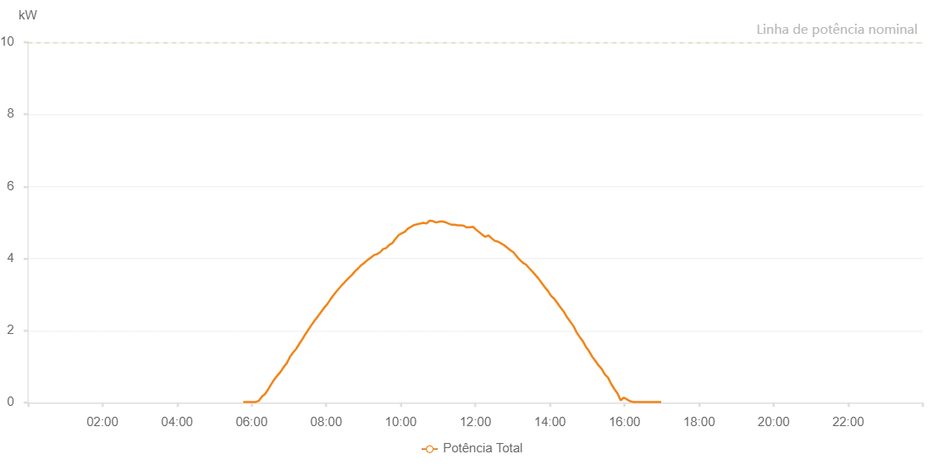

Number | Time | Working State | Alarm Code | Total Inverter Power(W)
1 | 24/06/2022 05:43:56 (UTC-4:00) | Normal |  | 20.000
2 | 24/06/2022 05:48:57 (UTC-4:00) | Normal |  | 20.000
3 | 24/06/2022 05:53:56 (UTC-4:00) | Normal |  | 20.000
4 | 24/06/2022 05:58:55 (UTC-4:00) | Normal |  | 20.000
5 | 24/06/2022 06:03:58 (UTC-4:00) | Normal |  | 20.000
6 | 24/06/2022 06:08:57 (UTC-4:00) | Normal |  | 50.000
7 | 24/06/2022 06:13:56 (UTC-4:00) | Normal |  | 100.000
8 | 24/06/2022 06:18:55 (UTC-4:00) | Normal |  | 170.000
9 | 24/06/2022 06:23:53 (UTC-4:00) | Normal |  | 230.000
10 | 24/06/2022 06:28:52 (UTC-4:00) | Normal |  | 380.000
11 | 24/06/2022 06:33:51 (UTC-4:00) | Normal |  | 500.000
12 | 24/06/2022 06:38:50 (UTC-4:00) | Normal |  | 610.000
13 | 24/06/2022 06:43:49 (UTC-4:00) | Normal |  | 720.000
14 | 24/06/2022 06:48:49 (UTC-4:00) | Normal |  | 850.000
15 | 24/06/2022 06:53:47 (UTC-4:00) | Normal |  | 980.000
16 | 24/06/2022 06:58:46 (UTC-4:00) | Normal |  | 1100.000
17 | 24/06/2022 07:03:57 (UTC-4:00) | Normal |  | 1240.000
18 | 24/06/2022 07:04:07 (UTC-4:00) | Normal |  | 1240.000
19 | 24/06/2022 07:08:55 (UTC-4:00) | Normal |  | 1390.000
20 | 24/06/2022 07:13:51 (UTC-4:00) | Normal |  | 1510.000
21 | 24/06/2022 07:18:54 (UTC-4:00) | Normal |  | 1660.000
22 | 24/06/2022 07:23:53 (UTC-4:00) | Normal |  | 1760.000
23 | 24/06/2022 07:28:52 (UTC-4:00) | Normal |  | 1900.000
24 | 24/06/2022 07:33:51 (UTC-4:00) | Normal |  | 2040.000
25 | 24/06/2022 07:38:51 (UTC-4:00) | Normal |  | 2180.000
26 | 24/06/2022 07:43:50 (UTC-4:00) | Normal |  | 2210.000
27 | 24/06/2022 07:53:48 (UTC-4:00) | Normal |  | 2550.000
28 | 24/06/2022 08:13:45 (UTC-4:00) | Normal |  | 3030.000
29 | 24/06/2022 08:38:56 (UTC-4:00) | Normal |  | 3530.000
30 | 24/06/2022 08:43:54 (UTC-4:00) | Normal |  | 3620.000
31 | 24/06/2022 08:48:53 (UTC-4:00) | Normal |  | 3650.000
32 | 24/06/2022 08:53:52 (UTC-4:00) | Normal |  | 3780.000
33 | 24/06/2022 08:58:51 (UTC-4:00) | Normal |  | 3800.000
34 | 24/06/2022 09:03:50 (UTC-4:00) | Normal |  | 3920.000
35 | 24/06/2022 09:08:49 (UTC-4:00) | Normal |  | 4030.000
36 | 24/06/2022 09:13:48 (UTC-4:00) | Normal |  | 4070.000
37 | 24/06/2022 09:18:47 (UTC-4:00) | Normal |  | 4110.000
38 | 24/06/2022 09:23:46 (UTC-4:00) | Normal |  | 4170.000
39 | 24/06/2022 09:28:45 (UTC-4:00) | Normal |  | 4220.000
40 | 24/06/2022 09:29:10 (UTC-4:00) | Normal |  | 4220.000
41 | 24/06/2022 09:33:44 (UTC-4:00) | Normal |  | 4300.000
42 | 24/06/2022 09:38:44 (UTC-4:00) | Normal |  | 4300.000
43 | 24/06/2022 09:38:55 (UTC-4:00) | Normal |  | 4300.000
44 | 24/06/2022 09:43:50 (UTC-4:00) | Normal |  | 4440.000
45 | 24/06/2022 09:48:53 (UTC-4:00) | Normal |  | 4490.000
46 | 24/06/2022 09:48:58 (UTC-4:00) | Normal |  | 4490.000
47 | 24/06/2022 09:49:31 (UTC-4:00) | Normal |  | 4480.000
48 | 24/06/2022 09:54:53 (UTC-4:00) | Normal |  | 4510.000
49 | 24/06/2022 09:59:52 (UTC-4:00) | Normal |  | 4570.000
50 | 24/06/2022 10:00:10 (UTC-4:00) | Normal |  | 4580.000
51 | 24/06/2022 10:05:25 (UTC-4:00) | Normal |  | 4660.000
52 | 24/06/2022 10:10:23 (UTC-4:00) | Normal |  | 4630.000
53 | 24/06/2022 10:15:21 (UTC-4:00) | Normal |  | 4690.000
54 | 24/06/2022 10:20:20 (UTC-4:00) | Normal |  | 4580.000
55 | 24/06/2022 10:25:18 (UTC-4:00) | Normal |  | 4660.000
56 | 24/06/2022 10:30:16 (UTC-4:00) | Normal |  | 4780.000
57 | 24/06/2022 10:35:16 (UTC-4:00) | Normal |  | 4780.000
58 | 24/06/2022 10:40:15 (UTC-4:00) | Normal |  | 4700.000
59 | 24/06/2022 10:45:13 (UTC-4:00) | Normal |  | 4850.000
60 | 24/06/2022 10:50:11 (UTC-4:00) | Normal |  | 4820.000
61 | 24/06/2022 10:55:09 (UTC-4:00) | Normal |  | 4800.000
62 | 24/06/2022 11:00:10 (UTC-4:00) | Normal |  | 4820.000
63 | 24/06/2022 11:05:08 (UTC-4:00) | Normal |  | 4810.000
64 | 24/06/2022 11:10:06 (UTC-4:00) | Normal |  | 4810.000
65 | 24/06/2022 11:15:05 (UTC-4:00) | Normal |  | 4840.000
66 | 24/06/2022 11:20:03 (UTC-4:00) | Normal |  | 4830.000
67 | 24/06/2022 11:20:14 (UTC-4:00) | Normal |  | 4830.000
68 | 24/06/2022 11:25:02 (UTC-4:00) | Normal |  | 4780.000
69 | 24/06/2022 11:29:59 (UTC-4:00) | Normal |  | 4730.000
70 | 24/06/2022 11:34:58 (UTC-4:00) | Normal |  | 4720.000
71 | 24/06/2022 11:40:04 (UTC-4:00) | Normal |  | 4690.000
72 | 24/06/2022 11:45:05 (UTC-4:00) | Normal |  | 4690.000
73 | 24/06/2022 11:50:07 (UTC-4:00) | Normal |  | 4670.000
74 | 24/06/2022 11:55:09 (UTC-4:00) | Normal |  | 4630.000
75 | 24/06/2022 12:00:11 (UTC-4:00) | Normal |  | 4600.000
76 | 24/06/2022 12:05:13 (UTC-4:00) | Normal |  | 4570.000
77 | 24/06/2022 12:10:15 (UTC-4:00) | Normal |  | 4540.000
78 | 24/06/2022 12:15:18 (UTC-4:00) | Normal |  | 4380.000
79 | 24/06/2022 12:20:21 (UTC-4:00) | Normal |  | 4430.000
80 | 24/06/2022 12:25:24 (UTC-4:00) | Normal |  | 4330.000
81 | 24/06/2022 12:30:25 (UTC-4:00) | Normal |  | 4380.000
82 | 24/06/2022 12:35:28 (UTC-4:00) | Normal |  | 4240.000
83 | 24/06/2022 12:40:30 (UTC-4:00) | Normal |  | 4160.000
84 | 24/06/2022 12:45:33 (UTC-4:00) | Normal |  | 4190.000
85 | 24/06/2022 12:50:35 (UTC-4:00) | Normal |  | 4190.000
86 | 24/06/2022 12:55:34 (UTC-4:00) | Normal |  | 4140.000
87 | 24/06/2022 13:00:32 (UTC-4:00) | Normal |  | 4030.000
88 | 24/06/2022 13:05:30 (UTC-4:00) | Normal |  | 3870.000
89 | 24/06/2022 13:10:28 (UTC-4:00) | Normal |  | 3820.000
90 | 24/06/2022 13:15:27 (UTC-4:00) | Normal |  | 3730.000
91 | 24/06/2022 13:20:25 (UTC-4:00) | Normal |  | 3660.000
92 | 24/06/2022 13:25:23 (UTC-4:00) | Normal |  | 2540.000
93 | 24/06/2022 13:30:22 (UTC-4:00) | Normal |  | 2480.000
94 | 24/06/2022 13:35:20 (UTC-4:00) | Normal |  | 2600.000
95 | 24/06/2022 13:40:18 (UTC-4:00) | Normal |  | 3030.000
96 | 24/06/2022 13:45:17 (UTC-4:00) | Normal |  | 3070.000
97 | 24/06/2022 13:50:17 (UTC-4:00) | Normal |  | 2840.000
98 | 24/06/2022 13:55:19 (UTC-4:00) | Normal |  | 2800.000
99 | 24/06/2022 14:00:22 (UTC-4:00) | Normal |  | 2730.000
100 | 24/06/2022 14:05:25 (UTC-4:00) | Normal |  | 2610.000
101 | 24/06/2022 14:10:27 (UTC-4:00) | Normal |  | 2440.000
102 | 24/06/2022 14:15:32 (UTC-4:00) | Normal |  | 2430.000
103 | 24/06/2022 14:20:31 (UTC-4:00) | Normal |  | 2390.000
104 | 24/06/2022 14:25:34 (UTC-4:00) | Normal |  | 2270.000
105 | 24/06/2022 14:30:32 (UTC-4:00) | Normal |  | 2250.000
106 | 24/06/2022 14:35:30 (UTC-4:00) | Normal |  | 1710.000
107 | 24/06/2022 14:40:28 (UTC-4:00) | Normal |  | 1720.000
108 | 24/06/2022 14:45:29 (UTC-4:00) | Normal |  | 2050.000
109 | 24/06/2022 14:50:27 (UTC-4:00) | Normal |  | 1880.000
110 | 24/06/2022 14:55:26 (UTC-4:00) | Normal |  | 1390.000
111 | 24/06/2022 15:00:26 (UTC-4:00) | Normal |  | 1270.000
112 | 24/06/2022 15:05:25 (UTC-4:00) | Normal |  | 1160.000
113 | 24/06/2022 15:10:23 (UTC-4:00) | Normal |  | 1110.000
114 | 24/06/2022 15:15:21 (UTC-4:00) | Normal |  | 890.000
115 | 24/06/2022 15:20:20 (UTC-4:00) | Normal |  | 970.000
116 | 24/06/2022 15:25:18 (UTC-4:00) | Normal |  | 820.000
117 | 24/06/2022 15:30:17 (UTC-4:00) | Normal |  | 760.000
118 | 24/06/2022 15:35:15 (UTC-4:00) | Normal |  | 670.000
119 | 24/06/2022 15:40:14 (UTC-4:00) | Normal |  | 300.000
120 | 24/06/2022 15:45:13 (UTC-4:00) | Normal |  | 320.000
121 | 24/06/2022 15:50:11 (UTC-4:00) | Normal |  | 340.000
122 | 24/06/2022 15:55:10 (UTC-4:00) | Normal |  | 260.000
123 | 24/06/2022 16:00:08 (UTC-4:00) | Normal |  | 200.000
124 | 24/06/2022 16:05:06 (UTC-4:00) | Normal |  | 120.000
125 | 24/06/2022 16:10:04 (UTC-4:00) | Normal |  | 70.000
126 | 24/06/2022 16:15:03 (UTC-4:00) | Normal |  | 20.000
127 | 24/06/2022 16:20:01 (UTC-4:00) | Normal |  | 20.000
128 | 24/06/2022 16:24:59 (UTC-4:00) | Normal |  | 20.000
129 | 24/06/2022 16:29:57 (UTC-4:00) | Normal |  | 20.000
130 | 24/06/2022 16:30:22 (UTC-4:00) | Normal |  | 20.000
131 | 24/06/2022 16:35:01 (UTC-4:00) | Normal |  | 20.000
132 | 24/06/2022 16:40:02 (UTC-4:00) | Normal |  | 20.000
133 | 24/06/2022 16:45:04 (UTC-4:00) | Normal |  | 20.000
134 | 24/06/2022 16:50:06 (UTC-4:00) | Normal |  | 20.000
135 | 24/06/2022 16:55:09 (UTC-4:00) | Normal |  | 20.000
136 | 24/06/2022 17:00:11 (UTC-4:00) | Normal |  | 20.000

