Inverter History Report__17-08-
Inverter History Report_25/06/2022_Report

Inverter SN:054B7020C020041 |  | Inverter type:B7
Collector SN:4045966636 |  | Full Load Hours(h):3.08
Rated Power:10000Wp

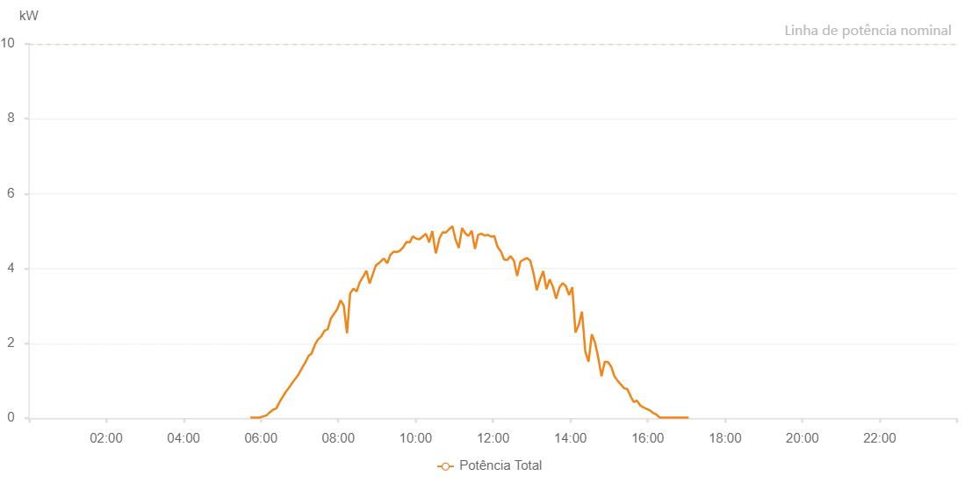

Number | Time | Working State | Alarm Code | Total Inverter Power(W)
1 | 25/06/2022 05:43:33 (UTC-4:00) | Normal |  | 20.000
2 | 25/06/2022 05:48:35 (UTC-4:00) | Normal |  | 20.000
3 | 25/06/2022 05:53:38 (UTC-4:00) | Normal |  | 20.000
4 | 25/06/2022 05:58:41 (UTC-4:00) | Normal |  | 20.000
5 | 25/06/2022 06:03:43 (UTC-4:00) | Normal |  | 50.000
6 | 25/06/2022 06:08:46 (UTC-4:00) | Normal |  | 80.000
7 | 25/06/2022 06:13:50 (UTC-4:00) | Normal |  | 160.000
8 | 25/06/2022 06:18:52 (UTC-4:00) | Normal |  | 230.000
9 | 25/06/2022 06:23:50 (UTC-4:00) | Normal |  | 260.000
10 | 25/06/2022 06:28:49 (UTC-4:00) | Normal |  | 430.000
11 | 25/06/2022 06:33:47 (UTC-4:00) | Normal |  | 570.000
12 | 25/06/2022 06:38:46 (UTC-4:00) | Normal |  | 710.000
13 | 25/06/2022 06:43:44 (UTC-4:00) | Normal |  | 820.000
14 | 25/06/2022 06:48:43 (UTC-4:00) | Normal |  | 950.000
15 | 25/06/2022 06:53:41 (UTC-4:00) | Normal |  | 1060.000
16 | 25/06/2022 06:58:40 (UTC-4:00) | Normal |  | 1180.000
17 | 25/06/2022 07:03:39 (UTC-4:00) | Normal |  | 1340.000
18 | 25/06/2022 07:08:37 (UTC-4:00) | Normal |  | 1480.000
19 | 25/06/2022 07:13:37 (UTC-4:00) | Normal |  | 1660.000
20 | 25/06/2022 07:18:39 (UTC-4:00) | Normal |  | 1730.000
21 | 25/06/2022 07:23:38 (UTC-4:00) | Normal |  | 1960.000
22 | 25/06/2022 07:28:41 (UTC-4:00) | Normal |  | 2110.000
23 | 25/06/2022 07:28:52 (UTC-4:00) | Normal |  | 2110.000
24 | 25/06/2022 07:33:40 (UTC-4:00) | Normal |  | 2190.000
25 | 25/06/2022 07:38:39 (UTC-4:00) | Normal |  | 2340.000
26 | 25/06/2022 07:43:37 (UTC-4:00) | Normal |  | 2380.000
27 | 25/06/2022 07:48:36 (UTC-4:00) | Normal |  | 2670.000
28 | 25/06/2022 07:53:34 (UTC-4:00) | Normal |  | 2790.000
29 | 25/06/2022 07:58:33 (UTC-4:00) | Normal |  | 2920.000
30 | 25/06/2022 08:03:31 (UTC-4:00) | Normal |  | 3150.000
31 | 25/06/2022 08:08:30 (UTC-4:00) | Normal |  | 3010.000
32 | 25/06/2022 08:13:29 (UTC-4:00) | Normal |  | 2270.000
33 | 25/06/2022 08:18:27 (UTC-4:00) | Normal |  | 3340.000
34 | 25/06/2022 08:23:26 (UTC-4:00) | Normal |  | 3460.000
35 | 25/06/2022 08:28:27 (UTC-4:00) | Normal |  | 3390.000
36 | 25/06/2022 08:33:29 (UTC-4:00) | Normal |  | 3640.000
37 | 25/06/2022 08:38:32 (UTC-4:00) | Normal |  | 3780.000
38 | 25/06/2022 08:43:34 (UTC-4:00) | Normal |  | 3940.000
39 | 25/06/2022 08:48:33 (UTC-4:00) | Normal |  | 3600.000
40 | 25/06/2022 08:53:32 (UTC-4:00) | Normal |  | 3850.000
41 | 25/06/2022 08:58:30 (UTC-4:00) | Normal |  | 4090.000
42 | 25/06/2022 09:03:29 (UTC-4:00) | Normal |  | 4150.000
43 | 25/06/2022 09:08:21 (UTC-4:00) | Normal |  | 4230.000
44 | 25/06/2022 09:09:38 (UTC-4:00) | Normal |  | 4250.000
45 | 25/06/2022 09:10:32 (UTC-4:00) | Normal |  | 4270.000
46 | 25/06/2022 09:16:01 (UTC-4:00) | Normal |  | 4140.000
47 | 25/06/2022 09:20:59 (UTC-4:00) | Normal |  | 4370.000
48 | 25/06/2022 09:25:57 (UTC-4:00) | Normal |  | 4450.000
49 | 25/06/2022 09:30:56 (UTC-4:00) | Normal |  | 4440.000
50 | 25/06/2022 09:35:54 (UTC-4:00) | Normal |  | 4480.000
51 | 25/06/2022 09:40:53 (UTC-4:00) | Normal |  | 4570.000
52 | 25/06/2022 09:45:51 (UTC-4:00) | Normal |  | 4710.000
53 | 25/06/2022 09:50:50 (UTC-4:00) | Normal |  | 4700.000
54 | 25/06/2022 09:55:49 (UTC-4:00) | Normal |  | 4860.000
55 | 25/06/2022 10:00:47 (UTC-4:00) | Normal |  | 4800.000
56 | 25/06/2022 10:05:46 (UTC-4:00) | Normal |  | 4780.000
57 | 25/06/2022 10:10:47 (UTC-4:00) | Normal |  | 4850.000
58 | 25/06/2022 10:10:58 (UTC-4:00) | Normal |  | 4850.000
59 | 25/06/2022 10:15:51 (UTC-4:00) | Normal |  | 4930.000
60 | 25/06/2022 10:20:52 (UTC-4:00) | Normal |  | 4710.000
61 | 25/06/2022 10:21:03 (UTC-4:00) | Normal |  | 4710.000
62 | 25/06/2022 10:25:56 (UTC-4:00) | Normal |  | 5000.000
63 | 25/06/2022 10:30:57 (UTC-4:00) | Normal |  | 4420.000
64 | 25/06/2022 10:31:07 (UTC-4:00) | Normal |  | 4420.000
65 | 25/06/2022 10:31:37 (UTC-4:00) | Normal |  | 4420.000
66 | 25/06/2022 10:37:01 (UTC-4:00) | Normal |  | 4810.000
67 | 25/06/2022 10:42:01 (UTC-4:00) | Normal |  | 4970.000
68 | 25/06/2022 10:47:01 (UTC-4:00) | Normal |  | 4960.000
69 | 25/06/2022 10:52:01 (UTC-4:00) | Normal |  | 5050.000
70 | 25/06/2022 10:57:01 (UTC-4:00) | Normal |  | 5130.000
71 | 25/06/2022 11:02:01 (UTC-4:00) | Normal |  | 4770.000
72 | 25/06/2022 11:07:02 (UTC-4:00) | Normal |  | 4550.000
73 | 25/06/2022 11:12:02 (UTC-4:00) | Normal |  | 5080.000
74 | 25/06/2022 11:17:02 (UTC-4:00) | Normal |  | 4940.000
75 | 25/06/2022 11:22:02 (UTC-4:00) | Normal |  | 4870.000
76 | 25/06/2022 11:27:03 (UTC-4:00) | Normal |  | 5010.000
77 | 25/06/2022 11:32:03 (UTC-4:00) | Normal |  | 4520.000
78 | 25/06/2022 11:37:03 (UTC-4:00) | Normal |  | 4900.000
79 | 25/06/2022 11:42:03 (UTC-4:00) | Normal |  | 4930.000
80 | 25/06/2022 11:47:03 (UTC-4:00) | Normal |  | 4880.000
81 | 25/06/2022 11:52:04 (UTC-4:00) | Normal |  | 4900.000
82 | 25/06/2022 11:57:04 (UTC-4:00) | Normal |  | 4850.000
83 | 25/06/2022 12:02:04 (UTC-4:00) | Normal |  | 4870.000
84 | 25/06/2022 12:07:04 (UTC-4:00) | Normal |  | 4580.000
85 | 25/06/2022 12:12:08 (UTC-4:00) | Normal |  | 4460.000
86 | 25/06/2022 12:12:18 (UTC-4:00) | Normal |  | 4460.000
87 | 25/06/2022 12:17:13 (UTC-4:00) | Normal |  | 4240.000
88 | 25/06/2022 12:22:17 (UTC-4:00) | Normal |  | 4230.000
89 | 25/06/2022 12:27:21 (UTC-4:00) | Normal |  | 4330.000
90 | 25/06/2022 12:32:26 (UTC-4:00) | Normal |  | 4210.000
91 | 25/06/2022 12:37:31 (UTC-4:00) | Normal |  | 3800.000
92 | 25/06/2022 12:42:34 (UTC-4:00) | Normal |  | 4180.000
93 | 25/06/2022 12:47:38 (UTC-4:00) | Normal |  | 4240.000
94 | 25/06/2022 12:52:42 (UTC-4:00) | Normal |  | 4280.000
95 | 25/06/2022 12:57:46 (UTC-4:00) | Normal |  | 4210.000
96 | 25/06/2022 13:02:51 (UTC-4:00) | Normal |  | 3880.000
97 | 25/06/2022 13:07:55 (UTC-4:00) | Normal |  | 3420.000
98 | 25/06/2022 13:12:59 (UTC-4:00) | Normal |  | 3710.000
99 | 25/06/2022 13:18:00 (UTC-4:00) | Normal |  | 3930.000
100 | 25/06/2022 13:23:00 (UTC-4:00) | Normal |  | 3450.000
101 | 25/06/2022 13:28:00 (UTC-4:00) | Normal |  | 3710.000
102 | 25/06/2022 13:33:00 (UTC-4:00) | Normal |  | 3510.000
103 | 25/06/2022 13:38:01 (UTC-4:00) | Normal |  | 3190.000
104 | 25/06/2022 13:43:01 (UTC-4:00) | Normal |  | 3490.000
105 | 25/06/2022 13:48:01 (UTC-4:00) | Normal |  | 3610.000
106 | 25/06/2022 13:53:01 (UTC-4:00) | Normal |  | 3530.000
107 | 25/06/2022 13:58:01 (UTC-4:00) | Normal |  | 3290.000
108 | 25/06/2022 14:03:02 (UTC-4:00) | Normal |  | 3500.000
109 | 25/06/2022 14:08:02 (UTC-4:00) | Normal |  | 2290.000
110 | 25/06/2022 14:13:03 (UTC-4:00) | Normal |  | 2500.000
111 | 25/06/2022 14:18:07 (UTC-4:00) | Normal |  | 2850.000
112 | 25/06/2022 14:23:12 (UTC-4:00) | Normal |  | 1780.000
113 | 25/06/2022 14:28:16 (UTC-4:00) | Normal |  | 1510.000
114 | 25/06/2022 14:33:20 (UTC-4:00) | Normal |  | 2240.000
115 | 25/06/2022 14:38:24 (UTC-4:00) | Normal |  | 2020.000
116 | 25/06/2022 14:43:24 (UTC-4:00) | Normal |  | 1610.000
117 | 25/06/2022 14:48:25 (UTC-4:00) | Normal |  | 1120.000
118 | 25/06/2022 14:53:25 (UTC-4:00) | Normal |  | 1510.000
119 | 25/06/2022 14:58:25 (UTC-4:00) | Normal |  | 1500.000
120 | 25/06/2022 15:03:25 (UTC-4:00) | Normal |  | 1380.000
121 | 25/06/2022 15:08:26 (UTC-4:00) | Normal |  | 1120.000
122 | 25/06/2022 15:13:26 (UTC-4:00) | Normal |  | 1000.000
123 | 25/06/2022 15:18:26 (UTC-4:00) | Normal |  | 900.000
124 | 25/06/2022 15:23:26 (UTC-4:00) | Normal |  | 800.000
125 | 25/06/2022 15:28:26 (UTC-4:00) | Normal |  | 780.000
126 | 25/06/2022 15:33:26 (UTC-4:00) | Normal |  | 590.000
127 | 25/06/2022 15:38:27 (UTC-4:00) | Normal |  | 430.000
128 | 25/06/2022 15:43:28 (UTC-4:00) | Normal |  | 470.000
129 | 25/06/2022 15:48:28 (UTC-4:00) | Normal |  | 340.000
130 | 25/06/2022 15:53:28 (UTC-4:00) | Normal |  | 290.000
131 | 25/06/2022 15:58:28 (UTC-4:00) | Normal |  | 250.000
132 | 25/06/2022 16:03:28 (UTC-4:00) | Normal |  | 210.000
133 | 25/06/2022 16:08:29 (UTC-4:00) | Normal |  | 140.000
134 | 25/06/2022 16:13:29 (UTC-4:00) | Normal |  | 100.000
135 | 25/06/2022 16:18:29 (UTC-4:00) | Normal |  | 20.000
136 | 25/06/2022 16:23:31 (UTC-4:00) | Normal |  | 20.000
137 | 25/06/2022 16:28:31 (UTC-4:00) | Normal |  | 20.000
138 | 25/06/2022 16:33:31 (UTC-4:00) | Normal |  | 20.000
139 | 25/06/2022 16:38:33 (UTC-4:00) | Normal |  | 20.000
140 | 25/06/2022 16:43:37 (UTC-4:00) | Normal |  | 20.000
141 | 25/06/2022 16:48:40 (UTC-4:00) | Normal |  | 20.000
142 | 25/06/2022 16:53:44 (UTC-4:00) | Normal |  | 20.000
143 | 25/06/2022 16:58:44 (UTC-4:00) | Normal |  | 20.000
144 | 25/06/2022 17:03:44 (UTC-4:00) | Normal |  | 20.000

