Inverter History Report__17-08-
Inverter History Report_26/06/2022_Report

Inverter SN:054B7020C020041 |  | Inverter type:B7
Collector SN:4045966636 |  | Full Load Hours(h):3.18
Rated Power:10000Wp

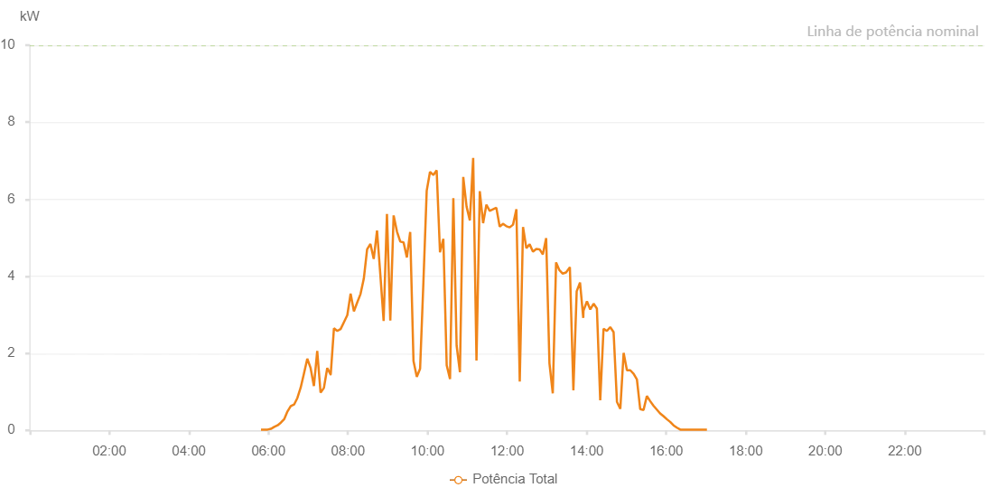

Number | Time | Working State | Alarm Code | Total Inverter Power(W)
1 | 26/06/2022 05:48:50 (UTC-4:00) | Normal |  | 20.000
2 | 26/06/2022 05:53:50 (UTC-4:00) | Normal |  | 20.000
3 | 26/06/2022 05:58:51 (UTC-4:00) | Normal |  | 20.000
4 | 26/06/2022 06:03:49 (UTC-4:00) | Normal |  | 40.000
5 | 26/06/2022 06:08:50 (UTC-4:00) | Normal |  | 90.000
6 | 26/06/2022 06:13:49 (UTC-4:00) | Normal |  | 130.000
7 | 26/06/2022 06:18:47 (UTC-4:00) | Normal |  | 200.000
8 | 26/06/2022 06:23:46 (UTC-4:00) | Normal |  | 290.000
9 | 26/06/2022 06:28:45 (UTC-4:00) | Normal |  | 490.000
10 | 26/06/2022 06:33:43 (UTC-4:00) | Normal |  | 630.000
11 | 26/06/2022 06:38:42 (UTC-4:00) | Normal |  | 670.000
12 | 26/06/2022 06:43:40 (UTC-4:00) | Normal |  | 840.000
13 | 26/06/2022 06:48:40 (UTC-4:00) | Normal |  | 1110.000
14 | 26/06/2022 06:53:40 (UTC-4:00) | Normal |  | 1480.000
15 | 26/06/2022 06:58:38 (UTC-4:00) | Normal |  | 1860.000
16 | 26/06/2022 07:03:37 (UTC-4:00) | Normal |  | 1620.000
17 | 26/06/2022 07:08:38 (UTC-4:00) | Normal |  | 1150.000
18 | 26/06/2022 07:13:38 (UTC-4:00) | Normal |  | 2060.000
19 | 26/06/2022 07:18:40 (UTC-4:00) | Normal |  | 980.000
20 | 26/06/2022 07:23:42 (UTC-4:00) | Normal |  | 1100.000
21 | 26/06/2022 07:28:45 (UTC-4:00) | Normal |  | 1620.000
22 | 26/06/2022 07:33:48 (UTC-4:00) | Normal |  | 1450.000
23 | 26/06/2022 07:33:58 (UTC-4:00) | Normal |  | 1450.000
24 | 26/06/2022 07:38:51 (UTC-4:00) | Normal |  | 2650.000
25 | 26/06/2022 07:43:53 (UTC-4:00) | Normal |  | 2580.000
26 | 26/06/2022 07:48:56 (UTC-4:00) | Normal |  | 2630.000
27 | 26/06/2022 07:53:58 (UTC-4:00) | Normal |  | 2810.000
28 | 26/06/2022 07:59:01 (UTC-4:00) | Normal |  | 2990.000
29 | 26/06/2022 08:04:00 (UTC-4:00) | Normal |  | 3550.000
30 | 26/06/2022 08:08:58 (UTC-4:00) | Normal |  | 3090.000
31 | 26/06/2022 08:13:57 (UTC-4:00) | Normal |  | 3320.000
32 | 26/06/2022 08:18:56 (UTC-4:00) | Normal |  | 3540.000
33 | 26/06/2022 08:23:55 (UTC-4:00) | Normal |  | 3940.000
34 | 26/06/2022 08:28:53 (UTC-4:00) | Normal |  | 4700.000
35 | 26/06/2022 08:33:52 (UTC-4:00) | Normal |  | 4840.000
36 | 26/06/2022 08:38:51 (UTC-4:00) | Normal |  | 4450.000
37 | 26/06/2022 08:43:50 (UTC-4:00) | Normal |  | 5190.000
38 | 26/06/2022 08:48:48 (UTC-4:00) | Normal |  | 4050.000
39 | 26/06/2022 08:53:47 (UTC-4:00) | Normal |  | 2840.000
40 | 26/06/2022 08:58:48 (UTC-4:00) | Normal |  | 5620.000
41 | 26/06/2022 09:03:51 (UTC-4:00) | Normal |  | 2850.000
42 | 26/06/2022 09:08:53 (UTC-4:00) | Normal |  | 5580.000
43 | 26/06/2022 09:13:56 (UTC-4:00) | Normal |  | 5160.000
44 | 26/06/2022 09:18:55 (UTC-4:00) | Normal |  | 4900.000
45 | 26/06/2022 09:23:53 (UTC-4:00) | Normal |  | 4880.000
46 | 26/06/2022 09:28:52 (UTC-4:00) | Normal |  | 4490.000
47 | 26/06/2022 09:33:51 (UTC-4:00) | Normal |  | 5150.000
48 | 26/06/2022 09:38:50 (UTC-4:00) | Normal |  | 1800.000
49 | 26/06/2022 09:43:49 (UTC-4:00) | Normal |  | 1390.000
50 | 26/06/2022 09:48:48 (UTC-4:00) | Normal |  | 1600.000
51 | 26/06/2022 09:53:47 (UTC-4:00) | Normal |  | 3840.000
52 | 26/06/2022 09:58:46 (UTC-4:00) | Normal |  | 6220.000
53 | 26/06/2022 10:03:44 (UTC-4:00) | Normal |  | 6710.000
54 | 26/06/2022 10:08:43 (UTC-4:00) | Normal |  | 6630.000
55 | 26/06/2022 10:13:47 (UTC-4:00) | Normal |  | 6750.000
56 | 26/06/2022 10:18:49 (UTC-4:00) | Normal |  | 4620.000
57 | 26/06/2022 10:23:52 (UTC-4:00) | Normal |  | 4970.000
58 | 26/06/2022 10:28:55 (UTC-4:00) | Normal |  | 1690.000
59 | 26/06/2022 10:33:57 (UTC-4:00) | Normal |  | 1330.000
60 | 26/06/2022 10:38:56 (UTC-4:00) | Normal |  | 6030.000
61 | 26/06/2022 10:43:54 (UTC-4:00) | Normal |  | 2200.000
62 | 26/06/2022 10:48:53 (UTC-4:00) | Normal |  | 1510.000
63 | 26/06/2022 10:53:54 (UTC-4:00) | Normal |  | 6580.000
64 | 26/06/2022 10:58:53 (UTC-4:00) | Normal |  | 5810.000
65 | 26/06/2022 11:03:51 (UTC-4:00) | Normal |  | 5450.000
66 | 26/06/2022 11:08:52 (UTC-4:00) | Normal |  | 7070.000
67 | 26/06/2022 11:13:51 (UTC-4:00) | Normal |  | 1810.000
68 | 26/06/2022 11:18:49 (UTC-4:00) | Normal |  | 6210.000
69 | 26/06/2022 11:23:50 (UTC-4:00) | Normal |  | 5380.000
70 | 26/06/2022 11:28:47 (UTC-4:00) | Normal |  | 5860.000
71 | 26/06/2022 11:33:46 (UTC-4:00) | Normal |  | 5700.000
72 | 26/06/2022 11:38:44 (UTC-4:00) | Normal |  | 5740.000
73 | 26/06/2022 11:43:47 (UTC-4:00) | Normal |  | 5780.000
74 | 26/06/2022 11:48:50 (UTC-4:00) | Normal |  | 5290.000
75 | 26/06/2022 11:53:54 (UTC-4:00) | Normal |  | 5360.000
76 | 26/06/2022 11:54:03 (UTC-4:00) | Normal |  | 5360.000
77 | 26/06/2022 11:58:56 (UTC-4:00) | Normal |  | 5300.000
78 | 26/06/2022 12:03:58 (UTC-4:00) | Normal |  | 5270.000
79 | 26/06/2022 12:09:00 (UTC-4:00) | Normal |  | 5340.000
80 | 26/06/2022 12:14:03 (UTC-4:00) | Normal |  | 5740.000
81 | 26/06/2022 12:19:06 (UTC-4:00) | Normal |  | 1270.000
82 | 26/06/2022 12:24:04 (UTC-4:00) | Normal |  | 5280.000
83 | 26/06/2022 12:29:03 (UTC-4:00) | Normal |  | 4730.000
84 | 26/06/2022 12:34:02 (UTC-4:00) | Normal |  | 4830.000
85 | 26/06/2022 12:39:02 (UTC-4:00) | Normal |  | 4640.000
86 | 26/06/2022 12:44:03 (UTC-4:00) | Normal |  | 4710.000
87 | 26/06/2022 12:49:00 (UTC-4:00) | Normal |  | 4700.000
88 | 26/06/2022 12:53:58 (UTC-4:00) | Normal |  | 4570.000
89 | 26/06/2022 12:58:57 (UTC-4:00) | Normal |  | 4990.000
90 | 26/06/2022 13:03:55 (UTC-4:00) | Normal |  | 1740.000
91 | 26/06/2022 13:08:56 (UTC-4:00) | Normal |  | 960.000
92 | 26/06/2022 13:13:55 (UTC-4:00) | Normal |  | 4360.000
93 | 26/06/2022 13:18:53 (UTC-4:00) | Normal |  | 4160.000
94 | 26/06/2022 13:23:55 (UTC-4:00) | Normal |  | 4070.000
95 | 26/06/2022 13:28:58 (UTC-4:00) | Normal |  | 4100.000
96 | 26/06/2022 13:34:04 (UTC-4:00) | Normal |  | 4220.000
97 | 26/06/2022 13:34:42 (UTC-4:00) | Normal |  | 4240.000
98 | 26/06/2022 13:40:00 (UTC-4:00) | Normal |  | 1040.000
99 | 26/06/2022 13:44:59 (UTC-4:00) | Normal |  | 3610.000
100 | 26/06/2022 13:50:01 (UTC-4:00) | Normal |  | 3840.000
101 | 26/06/2022 13:54:55 (UTC-4:00) | Normal |  | 2920.000
102 | 26/06/2022 13:55:14 (UTC-4:00) | Normal |  | 3110.000
103 | 26/06/2022 14:00:29 (UTC-4:00) | Normal |  | 3350.000
104 | 26/06/2022 14:05:29 (UTC-4:00) | Normal |  | 3140.000
105 | 26/06/2022 14:10:30 (UTC-4:00) | Normal |  | 3290.000
106 | 26/06/2022 14:15:29 (UTC-4:00) | Normal |  | 3160.000
107 | 26/06/2022 14:20:30 (UTC-4:00) | Normal |  | 780.000
108 | 26/06/2022 14:25:30 (UTC-4:00) | Normal |  | 2640.000
109 | 26/06/2022 14:30:32 (UTC-4:00) | Normal |  | 2580.000
110 | 26/06/2022 14:35:36 (UTC-4:00) | Normal |  | 2680.000
111 | 26/06/2022 14:40:40 (UTC-4:00) | Normal |  | 2550.000
112 | 26/06/2022 14:45:44 (UTC-4:00) | Normal |  | 740.000
113 | 26/06/2022 14:50:48 (UTC-4:00) | Normal |  | 560.000
114 | 26/06/2022 14:55:48 (UTC-4:00) | Normal |  | 2010.000
115 | 26/06/2022 15:00:48 (UTC-4:00) | Normal |  | 1560.000
116 | 26/06/2022 15:05:48 (UTC-4:00) | Normal |  | 1560.000
117 | 26/06/2022 15:10:50 (UTC-4:00) | Normal |  | 1470.000
118 | 26/06/2022 15:15:50 (UTC-4:00) | Normal |  | 1320.000
119 | 26/06/2022 15:20:50 (UTC-4:00) | Normal |  | 550.000
120 | 26/06/2022 15:25:50 (UTC-4:00) | Normal |  | 530.000
121 | 26/06/2022 15:30:50 (UTC-4:00) | Normal |  | 890.000
122 | 26/06/2022 15:35:50 (UTC-4:00) | Normal |  | 760.000
123 | 26/06/2022 15:40:50 (UTC-4:00) | Normal |  | 640.000
124 | 26/06/2022 15:45:50 (UTC-4:00) | Normal |  | 540.000
125 | 26/06/2022 15:50:50 (UTC-4:00) | Normal |  | 440.000
126 | 26/06/2022 15:55:52 (UTC-4:00) | Normal |  | 370.000
127 | 26/06/2022 16:00:56 (UTC-4:00) | Normal |  | 290.000
128 | 26/06/2022 16:06:00 (UTC-4:00) | Normal |  | 220.000
129 | 26/06/2022 16:11:04 (UTC-4:00) | Normal |  | 130.000
130 | 26/06/2022 16:16:08 (UTC-4:00) | Normal |  | 70.000
131 | 26/06/2022 16:21:16 (UTC-4:00) | Normal |  | 20.000
132 | 26/06/2022 16:26:16 (UTC-4:00) | Normal |  | 20.000
133 | 26/06/2022 16:31:20 (UTC-4:00) | Normal |  | 20.000
134 | 26/06/2022 16:36:24 (UTC-4:00) | Normal |  | 20.000
135 | 26/06/2022 16:41:24 (UTC-4:00) | Normal |  | 20.000
136 | 26/06/2022 16:41:49 (UTC-4:00) | Normal |  | 20.000
137 | 26/06/2022 16:46:24 (UTC-4:00) | Normal |  | 20.000
138 | 26/06/2022 16:51:24 (UTC-4:00) | Normal |  | 20.000
139 | 26/06/2022 16:56:26 (UTC-4:00) | Normal |  | 20.000
140 | 26/06/2022 17:01:26 (UTC-4:00) | Normal |  | 20.000

