Inverter History Report__17-08-
Inverter History Report_27/06/2022_Report

Inverter SN:054B7020C020041 |  | Inverter type:B7
Collector SN:4045966636 |  | Full Load Hours(h):3.18
Rated Power:10000Wp

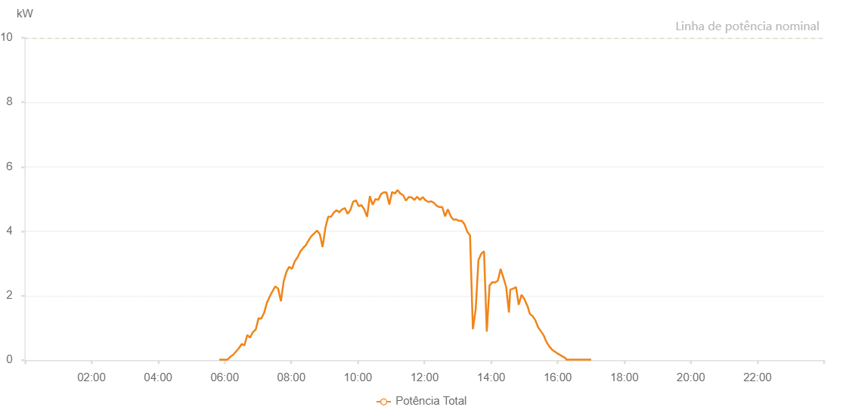

Number | Time | Working State | Alarm Code | Total Inverter Power(W)
1 | 27/06/2022 05:50:11 (UTC-4:00) | Normal |  | 20.000
2 | 27/06/2022 05:55:13 (UTC-4:00) | Normal |  | 20.000
3 | 27/06/2022 06:00:12 (UTC-4:00) | Normal |  | 20.000
4 | 27/06/2022 06:05:13 (UTC-4:00) | Normal |  | 20.000
5 | 27/06/2022 06:10:17 (UTC-4:00) | Normal |  | 110.000
6 | 27/06/2022 06:15:20 (UTC-4:00) | Normal |  | 170.000
7 | 27/06/2022 06:20:24 (UTC-4:00) | Normal |  | 270.000
8 | 27/06/2022 06:25:27 (UTC-4:00) | Normal |  | 370.000
9 | 27/06/2022 06:30:31 (UTC-4:00) | Normal |  | 500.000
10 | 27/06/2022 06:35:34 (UTC-4:00) | Normal |  | 460.000
11 | 27/06/2022 06:40:38 (UTC-4:00) | Normal |  | 780.000
12 | 27/06/2022 06:45:42 (UTC-4:00) | Normal |  | 700.000
13 | 27/06/2022 06:50:50 (UTC-4:00) | Normal |  | 870.000
14 | 27/06/2022 06:55:50 (UTC-4:00) | Normal |  | 950.000
15 | 27/06/2022 06:55:59 (UTC-4:00) | Normal |  | 950.000
16 | 27/06/2022 07:00:53 (UTC-4:00) | Normal |  | 1300.000
17 | 27/06/2022 07:05:55 (UTC-4:00) | Normal |  | 1290.000
18 | 27/06/2022 07:10:58 (UTC-4:00) | Normal |  | 1470.000
19 | 27/06/2022 07:16:02 (UTC-4:00) | Normal |  | 1780.000
20 | 27/06/2022 07:21:05 (UTC-4:00) | Normal |  | 1970.000
21 | 27/06/2022 07:26:08 (UTC-4:00) | Normal |  | 2140.000
22 | 27/06/2022 07:31:12 (UTC-4:00) | Normal |  | 2290.000
23 | 27/06/2022 07:36:15 (UTC-4:00) | Normal |  | 2220.000
24 | 27/06/2022 07:41:19 (UTC-4:00) | Normal |  | 1830.000
25 | 27/06/2022 07:46:18 (UTC-4:00) | Normal |  | 2450.000
26 | 27/06/2022 07:51:17 (UTC-4:00) | Normal |  | 2740.000
27 | 27/06/2022 07:56:17 (UTC-4:00) | Normal |  | 2900.000
28 | 27/06/2022 08:01:16 (UTC-4:00) | Normal |  | 2830.000
29 | 27/06/2022 08:06:16 (UTC-4:00) | Normal |  | 3070.000
30 | 27/06/2022 08:11:15 (UTC-4:00) | Normal |  | 3190.000
31 | 27/06/2022 08:16:15 (UTC-4:00) | Normal |  | 3370.000
32 | 27/06/2022 08:21:14 (UTC-4:00) | Normal |  | 3480.000
33 | 27/06/2022 08:26:14 (UTC-4:00) | Normal |  | 3570.000
34 | 27/06/2022 08:31:13 (UTC-4:00) | Normal |  | 3720.000
35 | 27/06/2022 08:36:13 (UTC-4:00) | Normal |  | 3850.000
36 | 27/06/2022 08:41:12 (UTC-4:00) | Normal |  | 3930.000
37 | 27/06/2022 08:46:16 (UTC-4:00) | Normal |  | 4020.000
38 | 27/06/2022 08:51:19 (UTC-4:00) | Normal |  | 3910.000
39 | 27/06/2022 08:56:23 (UTC-4:00) | Normal |  | 3510.000
40 | 27/06/2022 09:01:26 (UTC-4:00) | Normal |  | 4110.000
41 | 27/06/2022 09:06:30 (UTC-4:00) | Normal |  | 4450.000
42 | 27/06/2022 09:11:33 (UTC-4:00) | Normal |  | 4450.000
43 | 27/06/2022 09:16:33 (UTC-4:00) | Normal |  | 4580.000
44 | 27/06/2022 09:21:32 (UTC-4:00) | Normal |  | 4650.000
45 | 27/06/2022 09:26:32 (UTC-4:00) | Normal |  | 4590.000
46 | 27/06/2022 09:31:31 (UTC-4:00) | Normal |  | 4680.000
47 | 27/06/2022 09:36:31 (UTC-4:00) | Normal |  | 4720.000
48 | 27/06/2022 09:41:30 (UTC-4:00) | Normal |  | 4540.000
49 | 27/06/2022 09:46:30 (UTC-4:00) | Normal |  | 4660.000
50 | 27/06/2022 09:51:29 (UTC-4:00) | Normal |  | 4920.000
51 | 27/06/2022 09:56:29 (UTC-4:00) | Normal |  | 4960.000
52 | 27/06/2022 10:01:28 (UTC-4:00) | Normal |  | 4780.000
53 | 27/06/2022 10:06:28 (UTC-4:00) | Normal |  | 4810.000
54 | 27/06/2022 10:11:27 (UTC-4:00) | Normal |  | 4680.000
55 | 27/06/2022 10:16:31 (UTC-4:00) | Normal |  | 4450.000
56 | 27/06/2022 10:21:34 (UTC-4:00) | Normal |  | 5090.000
57 | 27/06/2022 10:26:38 (UTC-4:00) | Normal |  | 4820.000
58 | 27/06/2022 10:31:37 (UTC-4:00) | Normal |  | 5000.000
59 | 27/06/2022 10:36:36 (UTC-4:00) | Normal |  | 4970.000
60 | 27/06/2022 10:41:36 (UTC-4:00) | Normal |  | 5150.000
61 | 27/06/2022 10:46:36 (UTC-4:00) | Normal |  | 5210.000
62 | 27/06/2022 10:51:35 (UTC-4:00) | Normal |  | 5200.000
63 | 27/06/2022 10:56:35 (UTC-4:00) | Normal |  | 4830.000
64 | 27/06/2022 11:01:34 (UTC-4:00) | Normal |  | 5220.000
65 | 27/06/2022 11:06:33 (UTC-4:00) | Normal |  | 5170.000
66 | 27/06/2022 11:11:33 (UTC-4:00) | Normal |  | 5280.000
67 | 27/06/2022 11:16:32 (UTC-4:00) | Normal |  | 5170.000
68 | 27/06/2022 11:21:32 (UTC-4:00) | Normal |  | 5120.000
69 | 27/06/2022 11:26:31 (UTC-4:00) | Normal |  | 4950.000
70 | 27/06/2022 11:31:35 (UTC-4:00) | Normal |  | 5060.000
71 | 27/06/2022 11:36:38 (UTC-4:00) | Normal |  | 5050.000
72 | 27/06/2022 11:41:42 (UTC-4:00) | Normal |  | 4970.000
73 | 27/06/2022 11:46:45 (UTC-4:00) | Normal |  | 5070.000
74 | 27/06/2022 11:51:48 (UTC-4:00) | Normal |  | 4970.000
75 | 27/06/2022 11:56:52 (UTC-4:00) | Normal |  | 5060.000
76 | 27/06/2022 12:01:56 (UTC-4:00) | Normal |  | 4960.000
77 | 27/06/2022 12:06:59 (UTC-4:00) | Normal |  | 4910.000
78 | 27/06/2022 12:12:02 (UTC-4:00) | Normal |  | 4930.000
79 | 27/06/2022 12:17:06 (UTC-4:00) | Normal |  | 4880.000
80 | 27/06/2022 12:22:05 (UTC-4:00) | Normal |  | 4790.000
81 | 27/06/2022 12:27:05 (UTC-4:00) | Normal |  | 4750.000
82 | 27/06/2022 12:32:04 (UTC-4:00) | Normal |  | 4750.000
83 | 27/06/2022 12:37:04 (UTC-4:00) | Normal |  | 4460.000
84 | 27/06/2022 12:42:04 (UTC-4:00) | Normal |  | 4680.000
85 | 27/06/2022 12:47:03 (UTC-4:00) | Normal |  | 4470.000
86 | 27/06/2022 12:52:02 (UTC-4:00) | Normal |  | 4360.000
87 | 27/06/2022 12:57:03 (UTC-4:00) | Normal |  | 4370.000
88 | 27/06/2022 13:02:01 (UTC-4:00) | Normal |  | 4320.000
89 | 27/06/2022 13:07:01 (UTC-4:00) | Normal |  | 4330.000
90 | 27/06/2022 13:12:00 (UTC-4:00) | Normal |  | 4220.000
91 | 27/06/2022 13:17:01 (UTC-4:00) | Normal |  | 3990.000
92 | 27/06/2022 13:22:04 (UTC-4:00) | Normal |  | 3870.000
93 | 27/06/2022 13:27:08 (UTC-4:00) | Normal |  | 960.000
94 | 27/06/2022 13:32:11 (UTC-4:00) | Normal |  | 1570.000
95 | 27/06/2022 13:37:15 (UTC-4:00) | Normal |  | 3110.000
96 | 27/06/2022 13:42:14 (UTC-4:00) | Normal |  | 3300.000
97 | 27/06/2022 13:47:14 (UTC-4:00) | Normal |  | 3380.000
98 | 27/06/2022 13:52:13 (UTC-4:00) | Normal |  | 890.000
99 | 27/06/2022 13:57:13 (UTC-4:00) | Normal |  | 2320.000
100 | 27/06/2022 14:02:12 (UTC-4:00) | Normal |  | 2420.000
101 | 27/06/2022 14:07:12 (UTC-4:00) | Normal |  | 2410.000
102 | 27/06/2022 14:12:11 (UTC-4:00) | Normal |  | 2470.000
103 | 27/06/2022 14:17:11 (UTC-4:00) | Normal |  | 2830.000
104 | 27/06/2022 14:22:10 (UTC-4:00) | Normal |  | 2560.000
105 | 27/06/2022 14:27:10 (UTC-4:00) | Normal |  | 2270.000
106 | 27/06/2022 14:32:09 (UTC-4:00) | Normal |  | 1480.000
107 | 27/06/2022 14:34:35 (UTC-4:00) | Normal |  | 2190.000
108 | 27/06/2022 14:39:51 (UTC-4:00) | Normal |  | 2220.000
109 | 27/06/2022 14:44:49 (UTC-4:00) | Normal |  | 2270.000
110 | 27/06/2022 14:49:47 (UTC-4:00) | Normal |  | 1720.000
111 | 27/06/2022 14:54:46 (UTC-4:00) | Normal |  | 2030.000
112 | 27/06/2022 14:59:44 (UTC-4:00) | Normal |  | 1900.000
113 | 27/06/2022 15:04:43 (UTC-4:00) | Normal |  | 1710.000
114 | 27/06/2022 15:05:08 (UTC-4:00) | Normal |  | 1710.000
115 | 27/06/2022 15:09:44 (UTC-4:00) | Normal |  | 1440.000
116 | 27/06/2022 15:14:47 (UTC-4:00) | Normal |  | 1370.000
117 | 27/06/2022 15:19:45 (UTC-4:00) | Normal |  | 1240.000
118 | 27/06/2022 15:24:44 (UTC-4:00) | Normal |  | 1020.000
119 | 27/06/2022 15:29:42 (UTC-4:00) | Normal |  | 900.000
120 | 27/06/2022 15:34:43 (UTC-4:00) | Normal |  | 770.000
121 | 27/06/2022 15:34:52 (UTC-4:00) | Normal |  | 770.000
122 | 27/06/2022 15:39:39 (UTC-4:00) | Normal |  | 570.000
123 | 27/06/2022 15:44:38 (UTC-4:00) | Normal |  | 430.000
124 | 27/06/2022 15:49:39 (UTC-4:00) | Normal |  | 330.000
125 | 27/06/2022 15:54:35 (UTC-4:00) | Normal |  | 270.000
126 | 27/06/2022 15:59:34 (UTC-4:00) | Normal |  | 210.000
127 | 27/06/2022 16:04:32 (UTC-4:00) | Normal |  | 160.000
128 | 27/06/2022 16:09:33 (UTC-4:00) | Normal |  | 110.000
129 | 27/06/2022 16:14:32 (UTC-4:00) | Normal |  | 60.000
130 | 27/06/2022 16:14:42 (UTC-4:00) | Normal |  | 60.000
131 | 27/06/2022 16:15:13 (UTC-4:00) | Normal |  | 20.000
132 | 27/06/2022 16:20:34 (UTC-4:00) | Normal |  | 20.000
133 | 27/06/2022 16:25:32 (UTC-4:00) | Normal |  | 20.000
134 | 27/06/2022 16:30:30 (UTC-4:00) | Normal |  | 20.000
135 | 27/06/2022 16:35:29 (UTC-4:00) | Normal |  | 20.000
136 | 27/06/2022 16:40:27 (UTC-4:00) | Normal |  | 20.000
137 | 27/06/2022 16:45:25 (UTC-4:00) | Normal |  | 20.000
138 | 27/06/2022 16:50:23 (UTC-4:00) | Normal |  | 20.000
139 | 27/06/2022 16:55:21 (UTC-4:00) | Normal |  | 20.000
140 | 27/06/2022 17:00:21 (UTC-4:00) | Normal |  | 20.000

