Inverter History Report__17-08-
Inverter History Report_28/06/2022_Report

Inverter SN:054B7020C020041 |  | Inverter type:B7
Collector SN:4045966636 |  | Full Load Hours(h):3.43
Rated Power:10000Wp

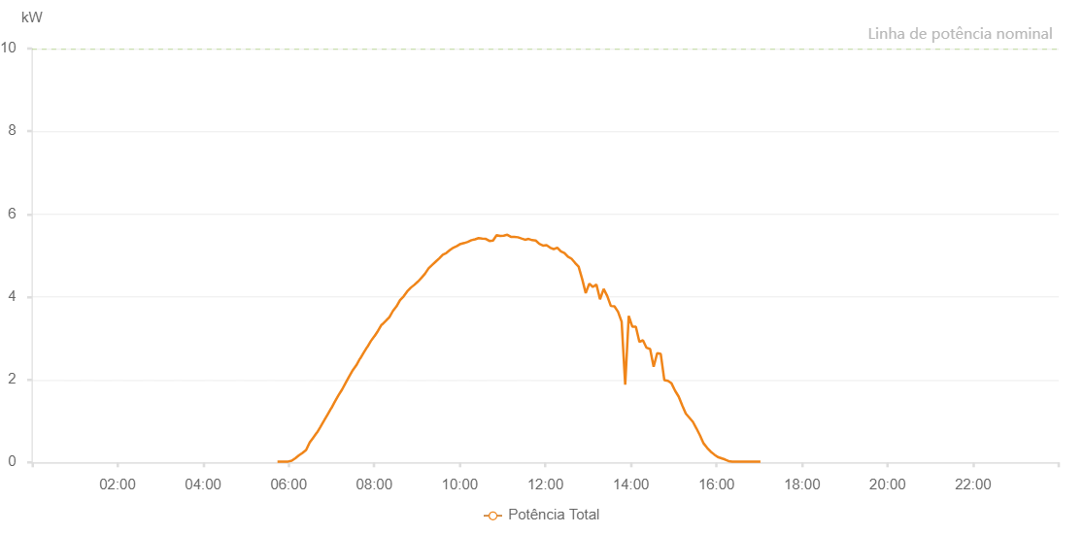

Number | Time | Working State | Alarm Code | Total Inverter Power(W)
1 | 28/06/2022 05:44:17 (UTC-4:00) | Normal |  | 20.000
2 | 28/06/2022 05:49:19 (UTC-4:00) | Normal |  | 20.000
3 | 28/06/2022 05:54:17 (UTC-4:00) | Normal |  | 20.000
4 | 28/06/2022 05:59:16 (UTC-4:00) | Normal |  | 20.000
5 | 28/06/2022 06:04:18 (UTC-4:00) | Normal |  | 40.000
6 | 28/06/2022 06:09:20 (UTC-4:00) | Normal |  | 100.000
7 | 28/06/2022 06:14:22 (UTC-4:00) | Normal |  | 170.000
8 | 28/06/2022 06:19:24 (UTC-4:00) | Normal |  | 230.000
9 | 28/06/2022 06:24:27 (UTC-4:00) | Normal |  | 300.000
10 | 28/06/2022 06:29:29 (UTC-4:00) | Normal |  | 480.000
11 | 28/06/2022 06:34:32 (UTC-4:00) | Normal |  | 600.000
12 | 28/06/2022 06:39:34 (UTC-4:00) | Normal |  | 720.000
13 | 28/06/2022 06:39:45 (UTC-4:00) | Normal |  | 720.000
14 | 28/06/2022 06:44:37 (UTC-4:00) | Normal |  | 860.000
15 | 28/06/2022 06:49:40 (UTC-4:00) | Normal |  | 1010.000
16 | 28/06/2022 06:54:42 (UTC-4:00) | Normal |  | 1160.000
17 | 28/06/2022 06:59:44 (UTC-4:00) | Normal |  | 1310.000
18 | 28/06/2022 06:59:55 (UTC-4:00) | Normal |  | 1310.000
19 | 28/06/2022 07:04:50 (UTC-4:00) | Normal |  | 1470.000
20 | 28/06/2022 07:09:51 (UTC-4:00) | Normal |  | 1620.000
21 | 28/06/2022 07:14:53 (UTC-4:00) | Normal |  | 1760.000
22 | 28/06/2022 07:19:54 (UTC-4:00) | Normal |  | 1920.000
23 | 28/06/2022 07:24:57 (UTC-4:00) | Normal |  | 2080.000
24 | 28/06/2022 07:29:59 (UTC-4:00) | Normal |  | 2230.000
25 | 28/06/2022 07:35:02 (UTC-4:00) | Normal |  | 2350.000
26 | 28/06/2022 07:40:04 (UTC-4:00) | Normal |  | 2510.000
27 | 28/06/2022 07:40:19 (UTC-4:00) | Normal |  | 2510.000
28 | 28/06/2022 07:45:07 (UTC-4:00) | Normal |  | 2650.000
29 | 28/06/2022 07:50:09 (UTC-4:00) | Normal |  | 2790.000
30 | 28/06/2022 07:50:24 (UTC-4:00) | Normal |  | 2790.000
31 | 28/06/2022 07:55:12 (UTC-4:00) | Normal |  | 2930.000
32 | 28/06/2022 08:00:14 (UTC-4:00) | Normal |  | 3050.000
33 | 28/06/2022 08:00:25 (UTC-4:00) | Normal |  | 3050.000
34 | 28/06/2022 08:05:19 (UTC-4:00) | Normal |  | 3180.000
35 | 28/06/2022 08:10:20 (UTC-4:00) | Normal |  | 3330.000
36 | 28/06/2022 08:10:31 (UTC-4:00) | Normal |  | 3330.000
37 | 28/06/2022 08:10:57 (UTC-4:00) | Normal |  | 3330.000
38 | 28/06/2022 08:16:20 (UTC-4:00) | Normal |  | 3420.000
39 | 28/06/2022 08:21:19 (UTC-4:00) | Normal |  | 3510.000
40 | 28/06/2022 08:26:14 (UTC-4:00) | Normal |  | 3660.000
41 | 28/06/2022 08:31:14 (UTC-4:00) | Normal |  | 3770.000
42 | 28/06/2022 08:36:13 (UTC-4:00) | Normal |  | 3920.000
43 | 28/06/2022 08:41:12 (UTC-4:00) | Normal |  | 4010.000
44 | 28/06/2022 08:46:12 (UTC-4:00) | Normal |  | 4130.000
45 | 28/06/2022 08:51:11 (UTC-4:00) | Normal |  | 4220.000
46 | 28/06/2022 08:56:14 (UTC-4:00) | Normal |  | 4290.000
47 | 28/06/2022 09:01:17 (UTC-4:00) | Normal |  | 4370.000
48 | 28/06/2022 09:01:28 (UTC-4:00) | Normal |  | 4370.000
49 | 28/06/2022 09:06:16 (UTC-4:00) | Normal |  | 4460.000
50 | 28/06/2022 09:11:15 (UTC-4:00) | Normal |  | 4560.000
51 | 28/06/2022 09:16:14 (UTC-4:00) | Normal |  | 4690.000
52 | 28/06/2022 09:21:14 (UTC-4:00) | Normal |  | 4770.000
53 | 28/06/2022 09:26:12 (UTC-4:00) | Normal |  | 4850.000
54 | 28/06/2022 09:31:11 (UTC-4:00) | Normal |  | 4930.000
55 | 28/06/2022 09:36:11 (UTC-4:00) | Normal |  | 5020.000
56 | 28/06/2022 09:41:10 (UTC-4:00) | Normal |  | 5060.000
57 | 28/06/2022 09:46:09 (UTC-4:00) | Normal |  | 5130.000
58 | 28/06/2022 09:51:08 (UTC-4:00) | Normal |  | 5190.000
59 | 28/06/2022 09:56:07 (UTC-4:00) | Normal |  | 5230.000
60 | 28/06/2022 10:01:08 (UTC-4:00) | Normal |  | 5280.000
61 | 28/06/2022 10:01:19 (UTC-4:00) | Normal |  | 5280.000
62 | 28/06/2022 10:06:13 (UTC-4:00) | Normal |  | 5300.000
63 | 28/06/2022 10:11:17 (UTC-4:00) | Normal |  | 5330.000
64 | 28/06/2022 10:16:20 (UTC-4:00) | Normal |  | 5370.000
65 | 28/06/2022 10:21:23 (UTC-4:00) | Normal |  | 5390.000
66 | 28/06/2022 10:26:27 (UTC-4:00) | Normal |  | 5420.000
67 | 28/06/2022 10:31:29 (UTC-4:00) | Normal |  | 5410.000
68 | 28/06/2022 10:36:34 (UTC-4:00) | Normal |  | 5400.000
69 | 28/06/2022 10:41:36 (UTC-4:00) | Normal |  | 5350.000
70 | 28/06/2022 10:46:39 (UTC-4:00) | Normal |  | 5360.000
71 | 28/06/2022 10:51:38 (UTC-4:00) | Normal |  | 5490.000
72 | 28/06/2022 10:56:37 (UTC-4:00) | Normal |  | 5470.000
73 | 28/06/2022 11:01:36 (UTC-4:00) | Normal |  | 5480.000
74 | 28/06/2022 11:06:38 (UTC-4:00) | Normal |  | 5500.000
75 | 28/06/2022 11:11:37 (UTC-4:00) | Normal |  | 5450.000
76 | 28/06/2022 11:16:34 (UTC-4:00) | Normal |  | 5450.000
77 | 28/06/2022 11:21:33 (UTC-4:00) | Normal |  | 5440.000
78 | 28/06/2022 11:26:32 (UTC-4:00) | Normal |  | 5410.000
79 | 28/06/2022 11:31:33 (UTC-4:00) | Normal |  | 5380.000
80 | 28/06/2022 11:36:32 (UTC-4:00) | Normal |  | 5400.000
81 | 28/06/2022 11:41:31 (UTC-4:00) | Normal |  | 5370.000
82 | 28/06/2022 11:46:31 (UTC-4:00) | Normal |  | 5360.000
83 | 28/06/2022 11:51:33 (UTC-4:00) | Normal |  | 5280.000
84 | 28/06/2022 11:56:36 (UTC-4:00) | Normal |  | 5240.000
85 | 28/06/2022 12:01:41 (UTC-4:00) | Normal |  | 5250.000
86 | 28/06/2022 12:06:42 (UTC-4:00) | Normal |  | 5190.000
87 | 28/06/2022 12:11:46 (UTC-4:00) | Normal |  | 5150.000
88 | 28/06/2022 12:16:44 (UTC-4:00) | Normal |  | 5190.000
89 | 28/06/2022 12:21:43 (UTC-4:00) | Normal |  | 5100.000
90 | 28/06/2022 12:26:46 (UTC-4:00) | Normal |  | 5060.000
91 | 28/06/2022 12:31:42 (UTC-4:00) | Normal |  | 4970.000
92 | 28/06/2022 12:36:44 (UTC-4:00) | Normal |  | 4920.000
93 | 28/06/2022 12:41:44 (UTC-4:00) | Normal |  | 4820.000
94 | 28/06/2022 12:46:39 (UTC-4:00) | Normal |  | 4730.000
95 | 28/06/2022 12:51:38 (UTC-4:00) | Normal |  | 4430.000
96 | 28/06/2022 12:56:37 (UTC-4:00) | Normal |  | 4090.000
97 | 28/06/2022 13:01:37 (UTC-4:00) | Normal |  | 4320.000
98 | 28/06/2022 13:06:36 (UTC-4:00) | Normal |  | 4240.000
99 | 28/06/2022 13:11:38 (UTC-4:00) | Normal |  | 4300.000
100 | 28/06/2022 13:16:41 (UTC-4:00) | Normal |  | 3940.000
101 | 28/06/2022 13:21:48 (UTC-4:00) | Normal |  | 4190.000
102 | 28/06/2022 13:26:49 (UTC-4:00) | Normal |  | 4020.000
103 | 28/06/2022 13:31:51 (UTC-4:00) | Normal |  | 3780.000
104 | 28/06/2022 13:36:53 (UTC-4:00) | Normal |  | 3770.000
105 | 28/06/2022 13:41:56 (UTC-4:00) | Normal |  | 3640.000
106 | 28/06/2022 13:47:00 (UTC-4:00) | Normal |  | 3400.000
107 | 28/06/2022 13:51:59 (UTC-4:00) | Normal |  | 1880.000
108 | 28/06/2022 13:56:58 (UTC-4:00) | Normal |  | 3540.000
109 | 28/06/2022 14:01:57 (UTC-4:00) | Normal |  | 3280.000
110 | 28/06/2022 14:06:56 (UTC-4:00) | Normal |  | 3280.000
111 | 28/06/2022 14:11:57 (UTC-4:00) | Normal |  | 2910.000
112 | 28/06/2022 14:16:54 (UTC-4:00) | Normal |  | 2950.000
113 | 28/06/2022 14:21:55 (UTC-4:00) | Normal |  | 2770.000
114 | 28/06/2022 14:26:57 (UTC-4:00) | Normal |  | 2740.000
115 | 28/06/2022 14:31:52 (UTC-4:00) | Normal |  | 2310.000
116 | 28/06/2022 14:36:51 (UTC-4:00) | Normal |  | 2640.000
117 | 28/06/2022 14:41:51 (UTC-4:00) | Normal |  | 2620.000
118 | 28/06/2022 14:46:51 (UTC-4:00) | Normal |  | 1990.000
119 | 28/06/2022 14:51:57 (UTC-4:00) | Normal |  | 1970.000
120 | 28/06/2022 14:56:56 (UTC-4:00) | Normal |  | 1910.000
121 | 28/06/2022 15:02:00 (UTC-4:00) | Normal |  | 1730.000
122 | 28/06/2022 15:07:01 (UTC-4:00) | Normal |  | 1590.000
123 | 28/06/2022 15:11:58 (UTC-4:00) | Normal |  | 1380.000
124 | 28/06/2022 15:17:00 (UTC-4:00) | Normal |  | 1180.000
125 | 28/06/2022 15:22:01 (UTC-4:00) | Normal |  | 1080.000
126 | 28/06/2022 15:26:56 (UTC-4:00) | Normal |  | 980.000
127 | 28/06/2022 15:31:56 (UTC-4:00) | Normal |  | 820.000
128 | 28/06/2022 15:36:55 (UTC-4:00) | Normal |  | 650.000
129 | 28/06/2022 15:41:55 (UTC-4:00) | Normal |  | 460.000
130 | 28/06/2022 15:46:56 (UTC-4:00) | Normal |  | 350.000
131 | 28/06/2022 15:51:56 (UTC-4:00) | Normal |  | 260.000
132 | 28/06/2022 15:56:55 (UTC-4:00) | Normal |  | 190.000
133 | 28/06/2022 16:01:54 (UTC-4:00) | Normal |  | 130.000
134 | 28/06/2022 16:06:55 (UTC-4:00) | Normal |  | 100.000
135 | 28/06/2022 16:11:58 (UTC-4:00) | Normal |  | 70.000
136 | 28/06/2022 16:17:02 (UTC-4:00) | Normal |  | 30.000
137 | 28/06/2022 16:22:04 (UTC-4:00) | Normal |  | 20.000
138 | 28/06/2022 16:27:07 (UTC-4:00) | Normal |  | 20.000
139 | 28/06/2022 16:27:32 (UTC-4:00) | Normal |  | 20.000
140 | 28/06/2022 16:32:11 (UTC-4:00) | Normal |  | 20.000
141 | 28/06/2022 16:37:14 (UTC-4:00) | Normal |  | 20.000
142 | 28/06/2022 16:37:25 (UTC-4:00) | Normal |  | 20.000
143 | 28/06/2022 16:42:18 (UTC-4:00) | Normal |  | 20.000
144 | 28/06/2022 16:47:20 (UTC-4:00) | Normal |  | 20.000
145 | 28/06/2022 16:52:23 (UTC-4:00) | Normal |  | 20.000
146 | 28/06/2022 16:57:26 (UTC-4:00) | Normal |  | 20.000
147 | 28/06/2022 17:01:41 (UTC-4:00) | Normal |  | 20.000

