Inverter History Report__17-08-
Inverter History Report_29/06/2022_Report

Inverter SN:054B7020C020041 |  | Inverter type:B7
Collector SN:4045966636 |  | Full Load Hours(h):3.31
Rated Power:10000Wp

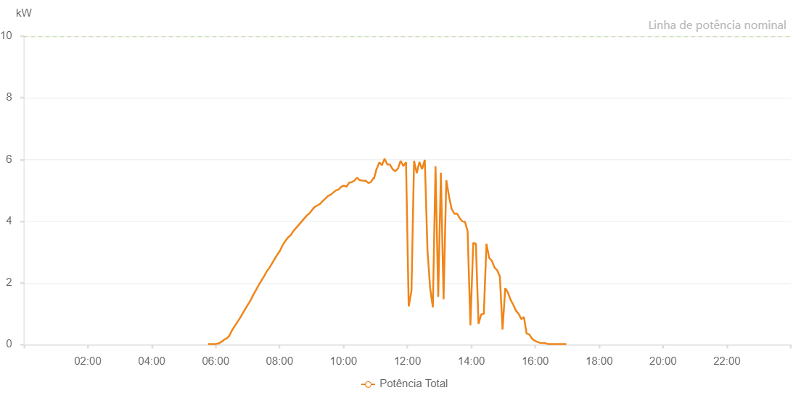

Number | Time | Working State | Alarm Code | Total Inverter Power(W)
1 | 29/06/2022 05:45:46 (UTC-4:00) | Normal |  | 20.000
2 | 29/06/2022 05:50:45 (UTC-4:00) | Normal |  | 20.000
3 | 29/06/2022 05:55:43 (UTC-4:00) | Normal |  | 20.000
4 | 29/06/2022 06:00:44 (UTC-4:00) | Normal |  | 20.000
5 | 29/06/2022 06:05:47 (UTC-4:00) | Normal |  | 40.000
6 | 29/06/2022 06:10:50 (UTC-4:00) | Normal |  | 90.000
7 | 29/06/2022 06:15:52 (UTC-4:00) | Normal |  | 160.000
8 | 29/06/2022 06:20:51 (UTC-4:00) | Normal |  | 200.000
9 | 29/06/2022 06:25:49 (UTC-4:00) | Normal |  | 290.000
10 | 29/06/2022 06:30:54 (UTC-4:00) | Normal |  | 470.000
11 | 29/06/2022 06:35:56 (UTC-4:00) | Normal |  | 600.000
12 | 29/06/2022 06:35:58 (UTC-4:00) | Normal |  | 600.000
13 | 29/06/2022 06:40:44 (UTC-4:00) | Normal |  | 730.000
14 | 29/06/2022 06:45:43 (UTC-4:00) | Normal |  | 860.000
15 | 29/06/2022 06:50:41 (UTC-4:00) | Normal |  | 1010.000
16 | 29/06/2022 06:55:42 (UTC-4:00) | Normal |  | 1160.000
17 | 29/06/2022 07:00:40 (UTC-4:00) | Normal |  | 1300.000
18 | 29/06/2022 07:05:40 (UTC-4:00) | Normal |  | 1440.000
19 | 29/06/2022 07:10:40 (UTC-4:00) | Normal |  | 1610.000
20 | 29/06/2022 07:15:41 (UTC-4:00) | Normal |  | 1770.000
21 | 29/06/2022 07:20:51 (UTC-4:00) | Normal |  | 1930.000
22 | 29/06/2022 07:25:42 (UTC-4:00) | Normal |  | 2070.000
23 | 29/06/2022 07:30:42 (UTC-4:00) | Normal |  | 2210.000
24 | 29/06/2022 07:35:44 (UTC-4:00) | Normal |  | 2370.000
25 | 29/06/2022 07:40:47 (UTC-4:00) | Normal |  | 2490.000
26 | 29/06/2022 07:45:49 (UTC-4:00) | Normal |  | 2630.000
27 | 29/06/2022 07:50:51 (UTC-4:00) | Normal |  | 2780.000
28 | 29/06/2022 07:55:54 (UTC-4:00) | Normal |  | 2920.000
29 | 29/06/2022 08:00:56 (UTC-4:00) | Normal |  | 3050.000
30 | 29/06/2022 08:05:58 (UTC-4:00) | Normal |  | 3230.000
31 | 29/06/2022 08:11:01 (UTC-4:00) | Normal |  | 3360.000
32 | 29/06/2022 08:16:03 (UTC-4:00) | Normal |  | 3480.000
33 | 29/06/2022 08:21:01 (UTC-4:00) | Normal |  | 3550.000
34 | 29/06/2022 08:26:00 (UTC-4:00) | Normal |  | 3680.000
35 | 29/06/2022 08:30:58 (UTC-4:00) | Normal |  | 3780.000
36 | 29/06/2022 08:35:56 (UTC-4:00) | Normal |  | 3880.000
37 | 29/06/2022 08:40:55 (UTC-4:00) | Normal |  | 3980.000
38 | 29/06/2022 08:45:53 (UTC-4:00) | Normal |  | 4080.000
39 | 29/06/2022 08:50:51 (UTC-4:00) | Normal |  | 4180.000
40 | 29/06/2022 08:55:50 (UTC-4:00) | Normal |  | 4250.000
41 | 29/06/2022 09:00:48 (UTC-4:00) | Normal |  | 4360.000
42 | 29/06/2022 09:05:48 (UTC-4:00) | Normal |  | 4460.000
43 | 29/06/2022 09:10:50 (UTC-4:00) | Normal |  | 4510.000
44 | 29/06/2022 09:15:45 (UTC-4:00) | Normal |  | 4560.000
45 | 29/06/2022 09:20:48 (UTC-4:00) | Normal |  | 4650.000
46 | 29/06/2022 09:25:51 (UTC-4:00) | Normal |  | 4730.000
47 | 29/06/2022 09:30:52 (UTC-4:00) | Normal |  | 4820.000
48 | 29/06/2022 09:35:51 (UTC-4:00) | Normal |  | 4860.000
49 | 29/06/2022 09:40:49 (UTC-4:00) | Normal |  | 4930.000
50 | 29/06/2022 09:45:47 (UTC-4:00) | Normal |  | 5000.000
51 | 29/06/2022 09:50:46 (UTC-4:00) | Normal |  | 5030.000
52 | 29/06/2022 09:51:01 (UTC-4:00) | Normal |  | 5030.000
53 | 29/06/2022 09:55:44 (UTC-4:00) | Normal |  | 5120.000
54 | 29/06/2022 10:00:43 (UTC-4:00) | Normal |  | 5150.000
55 | 29/06/2022 10:00:55 (UTC-4:00) | Normal |  | 5150.000
56 | 29/06/2022 10:05:41 (UTC-4:00) | Normal |  | 5120.000
57 | 29/06/2022 10:10:40 (UTC-4:00) | Normal |  | 5250.000
58 | 29/06/2022 10:15:38 (UTC-4:00) | Normal |  | 5270.000
59 | 29/06/2022 10:20:37 (UTC-4:00) | Normal |  | 5320.000
60 | 29/06/2022 10:25:41 (UTC-4:00) | Normal |  | 5410.000
61 | 29/06/2022 10:30:40 (UTC-4:00) | Normal |  | 5330.000
62 | 29/06/2022 10:30:50 (UTC-4:00) | Normal |  | 5330.000
63 | 29/06/2022 10:35:44 (UTC-4:00) | Normal |  | 5320.000
64 | 29/06/2022 10:40:46 (UTC-4:00) | Normal |  | 5310.000
65 | 29/06/2022 10:41:26 (UTC-4:00) | Normal |  | 5320.000
66 | 29/06/2022 10:46:45 (UTC-4:00) | Normal |  | 5240.000
67 | 29/06/2022 10:51:43 (UTC-4:00) | Normal |  | 5270.000
68 | 29/06/2022 10:56:41 (UTC-4:00) | Normal |  | 5410.000
69 | 29/06/2022 10:57:05 (UTC-4:00) | Normal |  | 5370.000
70 | 29/06/2022 11:02:20 (UTC-4:00) | Normal |  | 5710.000
71 | 29/06/2022 11:02:45 (UTC-4:00) | Normal |  | 5710.000
72 | 29/06/2022 11:07:18 (UTC-4:00) | Normal |  | 5910.000
73 | 29/06/2022 11:12:16 (UTC-4:00) | Normal |  | 5820.000
74 | 29/06/2022 11:17:15 (UTC-4:00) | Normal |  | 6030.000
75 | 29/06/2022 11:22:15 (UTC-4:00) | Normal |  | 5840.000
76 | 29/06/2022 11:27:13 (UTC-4:00) | Normal |  | 5840.000
77 | 29/06/2022 11:32:14 (UTC-4:00) | Normal |  | 5690.000
78 | 29/06/2022 11:37:16 (UTC-4:00) | Normal |  | 5620.000
79 | 29/06/2022 11:42:19 (UTC-4:00) | Normal |  | 5710.000
80 | 29/06/2022 11:47:21 (UTC-4:00) | Normal |  | 5960.000
81 | 29/06/2022 11:52:23 (UTC-4:00) | Normal |  | 5790.000
82 | 29/06/2022 11:57:28 (UTC-4:00) | Normal |  | 5910.000
83 | 29/06/2022 12:02:28 (UTC-4:00) | Normal |  | 1240.000
84 | 29/06/2022 12:07:30 (UTC-4:00) | Normal |  | 1730.000
85 | 29/06/2022 12:07:41 (UTC-4:00) | Normal |  | 1730.000
86 | 29/06/2022 12:12:32 (UTC-4:00) | Normal |  | 5960.000
87 | 29/06/2022 12:17:35 (UTC-4:00) | Normal |  | 5560.000
88 | 29/06/2022 12:22:37 (UTC-4:00) | Normal |  | 5920.000
89 | 29/06/2022 12:27:39 (UTC-4:00) | Normal |  | 5690.000
90 | 29/06/2022 12:32:42 (UTC-4:00) | Normal |  | 5990.000
91 | 29/06/2022 12:37:45 (UTC-4:00) | Normal |  | 3060.000
92 | 29/06/2022 12:42:48 (UTC-4:00) | Normal |  | 1820.000
93 | 29/06/2022 12:47:49 (UTC-4:00) | Normal |  | 1210.000
94 | 29/06/2022 12:52:51 (UTC-4:00) | Normal |  | 5780.000
95 | 29/06/2022 12:57:54 (UTC-4:00) | Normal |  | 1550.000
96 | 29/06/2022 13:02:55 (UTC-4:00) | Normal |  | 5570.000
97 | 29/06/2022 13:07:58 (UTC-4:00) | Normal |  | 1470.000
98 | 29/06/2022 13:13:04 (UTC-4:00) | Normal |  | 5330.000
99 | 29/06/2022 13:18:07 (UTC-4:00) | Normal |  | 4810.000
100 | 29/06/2022 13:23:07 (UTC-4:00) | Normal |  | 4400.000
101 | 29/06/2022 13:28:12 (UTC-4:00) | Normal |  | 4240.000
102 | 29/06/2022 13:28:25 (UTC-4:00) | Normal |  | 4240.000
103 | 29/06/2022 13:33:12 (UTC-4:00) | Normal |  | 4250.000
104 | 29/06/2022 13:38:10 (UTC-4:00) | Normal |  | 4100.000
105 | 29/06/2022 13:43:08 (UTC-4:00) | Normal |  | 4000.000
106 | 29/06/2022 13:48:06 (UTC-4:00) | Normal |  | 3980.000
107 | 29/06/2022 13:53:04 (UTC-4:00) | Normal |  | 3680.000
108 | 29/06/2022 13:58:21 (UTC-4:00) | Normal |  | 630.000
109 | 29/06/2022 14:03:37 (UTC-4:00) | Normal |  | 3300.000
110 | 29/06/2022 14:08:36 (UTC-4:00) | Normal |  | 3270.000
111 | 29/06/2022 14:13:34 (UTC-4:00) | Normal |  | 670.000
112 | 29/06/2022 14:18:32 (UTC-4:00) | Normal |  | 980.000
113 | 29/06/2022 14:23:31 (UTC-4:00) | Normal |  | 1000.000
114 | 29/06/2022 14:28:29 (UTC-4:00) | Normal |  | 3270.000
115 | 29/06/2022 14:33:34 (UTC-4:00) | Normal |  | 2810.000
116 | 29/06/2022 14:38:34 (UTC-4:00) | Normal |  | 2720.000
117 | 29/06/2022 14:43:37 (UTC-4:00) | Normal |  | 2500.000
118 | 29/06/2022 14:48:39 (UTC-4:00) | Normal |  | 2410.000
119 | 29/06/2022 14:53:40 (UTC-4:00) | Normal |  | 2210.000
120 | 29/06/2022 14:58:42 (UTC-4:00) | Normal |  | 490.000
121 | 29/06/2022 15:03:45 (UTC-4:00) | Normal |  | 1830.000
122 | 29/06/2022 15:08:47 (UTC-4:00) | Normal |  | 1690.000
123 | 29/06/2022 15:13:50 (UTC-4:00) | Normal |  | 1450.000
124 | 29/06/2022 15:18:52 (UTC-4:00) | Normal |  | 1290.000
125 | 29/06/2022 15:23:54 (UTC-4:00) | Normal |  | 1100.000
126 | 29/06/2022 15:28:53 (UTC-4:00) | Normal |  | 1000.000
127 | 29/06/2022 15:33:51 (UTC-4:00) | Normal |  | 830.000
128 | 29/06/2022 15:38:50 (UTC-4:00) | Normal |  | 890.000
129 | 29/06/2022 15:43:49 (UTC-4:00) | Normal |  | 360.000
130 | 29/06/2022 15:48:47 (UTC-4:00) | Normal |  | 330.000
131 | 29/06/2022 15:53:46 (UTC-4:00) | Normal |  | 200.000
132 | 29/06/2022 15:58:44 (UTC-4:00) | Normal |  | 130.000
133 | 29/06/2022 16:03:42 (UTC-4:00) | Normal |  | 90.000
134 | 29/06/2022 16:08:41 (UTC-4:00) | Normal |  | 60.000
135 | 29/06/2022 16:13:39 (UTC-4:00) | Normal |  | 50.000
136 | 29/06/2022 16:18:37 (UTC-4:00) | Normal |  | 50.000
137 | 29/06/2022 16:23:38 (UTC-4:00) | Normal |  | 20.000
138 | 29/06/2022 16:28:36 (UTC-4:00) | Normal |  | 20.000
139 | 29/06/2022 16:33:34 (UTC-4:00) | Normal |  | 20.000
140 | 29/06/2022 16:38:34 (UTC-4:00) | Normal |  | 20.000
141 | 29/06/2022 16:43:34 (UTC-4:00) | Normal |  | 20.000
142 | 29/06/2022 16:48:31 (UTC-4:00) | Normal |  | 20.000
143 | 29/06/2022 16:53:29 (UTC-4:00) | Normal |  | 20.000
144 | 29/06/2022 16:58:27 (UTC-4:00) | Normal |  | 20.000

