Inverter History Report__17-08-
Inverter History Report_30/06/2022_Report

Inverter SN:054B7020C020041 |  | Inverter type:B7
Collector SN:4045966636 |  | Full Load Hours(h):3.48
Rated Power:10000Wp

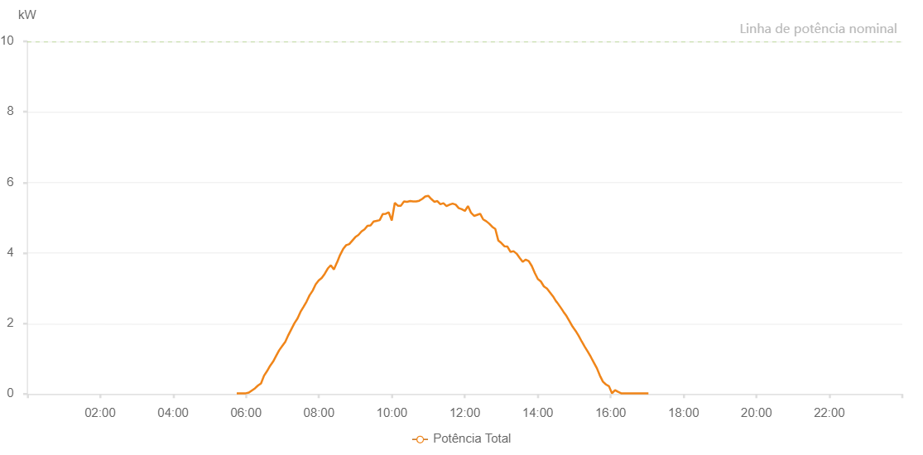

Number | Time | Working State | Alarm Code | Total Inverter Power(W)
1 | 30/06/2022 05:44:41 (UTC-4:00) | Normal |  | 20.000
2 | 30/06/2022 05:49:43 (UTC-4:00) | Normal |  | 20.000
3 | 30/06/2022 05:54:41 (UTC-4:00) | Normal |  | 20.000
4 | 30/06/2022 05:59:41 (UTC-4:00) | Normal |  | 20.000
5 | 30/06/2022 06:04:44 (UTC-4:00) | Normal |  | 40.000
6 | 30/06/2022 06:09:43 (UTC-4:00) | Normal |  | 100.000
7 | 30/06/2022 06:14:42 (UTC-4:00) | Normal |  | 160.000
8 | 30/06/2022 06:19:41 (UTC-4:00) | Normal |  | 240.000
9 | 30/06/2022 06:24:40 (UTC-4:00) | Normal |  | 300.000
10 | 30/06/2022 06:29:39 (UTC-4:00) | Normal |  | 520.000
11 | 30/06/2022 06:34:38 (UTC-4:00) | Normal |  | 650.000
12 | 30/06/2022 06:39:37 (UTC-4:00) | Normal |  | 800.000
13 | 30/06/2022 06:44:36 (UTC-4:00) | Normal |  | 920.000
14 | 30/06/2022 06:49:35 (UTC-4:00) | Normal |  | 1080.000
15 | 30/06/2022 06:54:34 (UTC-4:00) | Normal |  | 1240.000
16 | 30/06/2022 06:59:33 (UTC-4:00) | Normal |  | 1360.000
17 | 30/06/2022 07:04:34 (UTC-4:00) | Normal |  | 1480.000
18 | 30/06/2022 07:09:38 (UTC-4:00) | Normal |  | 1670.000
19 | 30/06/2022 07:14:40 (UTC-4:00) | Normal |  | 1840.000
20 | 30/06/2022 07:19:43 (UTC-4:00) | Normal |  | 2010.000
21 | 30/06/2022 07:24:42 (UTC-4:00) | Normal |  | 2140.000
22 | 30/06/2022 07:29:41 (UTC-4:00) | Normal |  | 2330.000
23 | 30/06/2022 07:34:40 (UTC-4:00) | Normal |  | 2470.000
24 | 30/06/2022 07:39:39 (UTC-4:00) | Normal |  | 2620.000
25 | 30/06/2022 07:44:38 (UTC-4:00) | Normal |  | 2800.000
26 | 30/06/2022 07:49:37 (UTC-4:00) | Normal |  | 2930.000
27 | 30/06/2022 07:54:36 (UTC-4:00) | Normal |  | 3110.000
28 | 30/06/2022 07:59:35 (UTC-4:00) | Normal |  | 3220.000
29 | 30/06/2022 08:04:34 (UTC-4:00) | Normal |  | 3290.000
30 | 30/06/2022 08:09:34 (UTC-4:00) | Normal |  | 3410.000
31 | 30/06/2022 08:14:33 (UTC-4:00) | Normal |  | 3560.000
32 | 30/06/2022 08:19:36 (UTC-4:00) | Normal |  | 3650.000
33 | 30/06/2022 08:24:36 (UTC-4:00) | Normal |  | 3530.000
34 | 30/06/2022 08:29:39 (UTC-4:00) | Normal |  | 3730.000
35 | 30/06/2022 08:29:49 (UTC-4:00) | Normal |  | 3730.000
36 | 30/06/2022 08:34:42 (UTC-4:00) | Normal |  | 3940.000
37 | 30/06/2022 08:39:46 (UTC-4:00) | Normal |  | 4110.000
38 | 30/06/2022 08:44:47 (UTC-4:00) | Normal |  | 4220.000
39 | 30/06/2022 08:49:50 (UTC-4:00) | Normal |  | 4250.000
40 | 30/06/2022 08:54:53 (UTC-4:00) | Normal |  | 4350.000
41 | 30/06/2022 08:59:56 (UTC-4:00) | Normal |  | 4450.000
42 | 30/06/2022 09:04:59 (UTC-4:00) | Normal |  | 4510.000
43 | 30/06/2022 09:10:02 (UTC-4:00) | Normal |  | 4610.000
44 | 30/06/2022 09:15:01 (UTC-4:00) | Normal |  | 4670.000
45 | 30/06/2022 09:19:59 (UTC-4:00) | Normal |  | 4770.000
46 | 30/06/2022 09:24:58 (UTC-4:00) | Normal |  | 4780.000
47 | 30/06/2022 09:29:57 (UTC-4:00) | Normal |  | 4890.000
48 | 30/06/2022 09:34:56 (UTC-4:00) | Normal |  | 4910.000
49 | 30/06/2022 09:39:56 (UTC-4:00) | Normal |  | 4930.000
50 | 30/06/2022 09:44:55 (UTC-4:00) | Normal |  | 5100.000
51 | 30/06/2022 09:49:54 (UTC-4:00) | Normal |  | 5110.000
52 | 30/06/2022 09:54:53 (UTC-4:00) | Normal |  | 5150.000
53 | 30/06/2022 09:59:52 (UTC-4:00) | Normal |  | 4920.000
54 | 30/06/2022 10:04:51 (UTC-4:00) | Normal |  | 5420.000
55 | 30/06/2022 10:09:52 (UTC-4:00) | Normal |  | 5340.000
56 | 30/06/2022 10:14:55 (UTC-4:00) | Normal |  | 5340.000
57 | 30/06/2022 10:19:58 (UTC-4:00) | Normal |  | 5460.000
58 | 30/06/2022 10:25:01 (UTC-4:00) | Normal |  | 5450.000
59 | 30/06/2022 10:30:00 (UTC-4:00) | Normal |  | 5470.000
60 | 30/06/2022 10:34:59 (UTC-4:00) | Normal |  | 5460.000
61 | 30/06/2022 10:39:58 (UTC-4:00) | Normal |  | 5460.000
62 | 30/06/2022 10:44:57 (UTC-4:00) | Normal |  | 5480.000
63 | 30/06/2022 10:49:56 (UTC-4:00) | Normal |  | 5530.000
64 | 30/06/2022 10:54:55 (UTC-4:00) | Normal |  | 5600.000
65 | 30/06/2022 10:59:54 (UTC-4:00) | Normal |  | 5620.000
66 | 30/06/2022 11:04:53 (UTC-4:00) | Normal |  | 5530.000
67 | 30/06/2022 11:09:52 (UTC-4:00) | Normal |  | 5450.000
68 | 30/06/2022 11:14:51 (UTC-4:00) | Normal |  | 5470.000
69 | 30/06/2022 11:19:50 (UTC-4:00) | Normal |  | 5380.000
70 | 30/06/2022 11:24:52 (UTC-4:00) | Normal |  | 5410.000
71 | 30/06/2022 11:29:55 (UTC-4:00) | Normal |  | 5330.000
72 | 30/06/2022 11:34:58 (UTC-4:00) | Normal |  | 5370.000
73 | 30/06/2022 11:40:01 (UTC-4:00) | Normal |  | 5400.000
74 | 30/06/2022 11:45:04 (UTC-4:00) | Normal |  | 5370.000
75 | 30/06/2022 11:50:07 (UTC-4:00) | Normal |  | 5270.000
76 | 30/06/2022 11:55:09 (UTC-4:00) | Normal |  | 5240.000
77 | 30/06/2022 12:00:12 (UTC-4:00) | Normal |  | 5190.000
78 | 30/06/2022 12:05:15 (UTC-4:00) | Normal |  | 5330.000
79 | 30/06/2022 12:10:18 (UTC-4:00) | Normal |  | 5140.000
80 | 30/06/2022 12:15:21 (UTC-4:00) | Normal |  | 5050.000
81 | 30/06/2022 12:20:20 (UTC-4:00) | Normal |  | 5080.000
82 | 30/06/2022 12:25:19 (UTC-4:00) | Normal |  | 5110.000
83 | 30/06/2022 12:30:18 (UTC-4:00) | Normal |  | 4950.000
84 | 30/06/2022 12:35:17 (UTC-4:00) | Normal |  | 4900.000
85 | 30/06/2022 12:40:16 (UTC-4:00) | Normal |  | 4830.000
86 | 30/06/2022 12:45:15 (UTC-4:00) | Normal |  | 4740.000
87 | 30/06/2022 12:50:14 (UTC-4:00) | Normal |  | 4680.000
88 | 30/06/2022 12:55:13 (UTC-4:00) | Normal |  | 4350.000
89 | 30/06/2022 13:00:13 (UTC-4:00) | Normal |  | 4280.000
90 | 30/06/2022 13:05:11 (UTC-4:00) | Normal |  | 4190.000
91 | 30/06/2022 13:10:11 (UTC-4:00) | Normal |  | 4180.000
92 | 30/06/2022 13:15:10 (UTC-4:00) | Normal |  | 4030.000
93 | 30/06/2022 13:20:13 (UTC-4:00) | Normal |  | 4050.000
94 | 30/06/2022 13:25:16 (UTC-4:00) | Normal |  | 3980.000
95 | 30/06/2022 13:30:19 (UTC-4:00) | Normal |  | 3860.000
96 | 30/06/2022 13:35:18 (UTC-4:00) | Normal |  | 3750.000
97 | 30/06/2022 13:40:17 (UTC-4:00) | Normal |  | 3810.000
98 | 30/06/2022 13:45:16 (UTC-4:00) | Normal |  | 3770.000
99 | 30/06/2022 13:50:15 (UTC-4:00) | Normal |  | 3630.000
100 | 30/06/2022 13:55:14 (UTC-4:00) | Normal |  | 3430.000
101 | 30/06/2022 14:00:14 (UTC-4:00) | Normal |  | 3260.000
102 | 30/06/2022 14:05:13 (UTC-4:00) | Normal |  | 3190.000
103 | 30/06/2022 14:10:13 (UTC-4:00) | Normal |  | 3050.000
104 | 30/06/2022 14:15:12 (UTC-4:00) | Normal |  | 2990.000
105 | 30/06/2022 14:20:11 (UTC-4:00) | Normal |  | 2880.000
106 | 30/06/2022 14:25:10 (UTC-4:00) | Normal |  | 2770.000
107 | 30/06/2022 14:30:10 (UTC-4:00) | Normal |  | 2630.000
108 | 30/06/2022 14:32:12 (UTC-4:00) | Normal |  | 2590.000
109 | 30/06/2022 14:37:28 (UTC-4:00) | Normal |  | 2460.000
110 | 30/06/2022 14:42:27 (UTC-4:00) | Normal |  | 2330.000
111 | 30/06/2022 14:47:26 (UTC-4:00) | Normal |  | 2210.000
112 | 30/06/2022 14:52:24 (UTC-4:00) | Normal |  | 2060.000
113 | 30/06/2022 14:57:23 (UTC-4:00) | Normal |  | 1910.000
114 | 30/06/2022 15:02:22 (UTC-4:00) | Normal |  | 1790.000
115 | 30/06/2022 15:07:22 (UTC-4:00) | Normal |  | 1650.000
116 | 30/06/2022 15:12:23 (UTC-4:00) | Normal |  | 1490.000
117 | 30/06/2022 15:17:25 (UTC-4:00) | Normal |  | 1340.000
118 | 30/06/2022 15:22:28 (UTC-4:00) | Normal |  | 1200.000
119 | 30/06/2022 15:27:27 (UTC-4:00) | Normal |  | 1050.000
120 | 30/06/2022 15:32:25 (UTC-4:00) | Normal |  | 890.000
121 | 30/06/2022 15:37:24 (UTC-4:00) | Normal |  | 730.000
122 | 30/06/2022 15:42:23 (UTC-4:00) | Normal |  | 520.000
123 | 30/06/2022 15:47:21 (UTC-4:00) | Normal |  | 350.000
124 | 30/06/2022 15:52:20 (UTC-4:00) | Normal |  | 270.000
125 | 30/06/2022 15:57:18 (UTC-4:00) | Normal |  | 220.000
126 | 30/06/2022 16:02:17 (UTC-4:00) | Normal |  | 20.000
127 | 30/06/2022 16:07:16 (UTC-4:00) | Normal |  | 110.000
128 | 30/06/2022 16:12:16 (UTC-4:00) | Normal |  | 60.000
129 | 30/06/2022 16:17:16 (UTC-4:00) | Normal |  | 20.000
130 | 30/06/2022 16:22:15 (UTC-4:00) | Normal |  | 20.000
131 | 30/06/2022 16:27:15 (UTC-4:00) | Normal |  | 20.000
132 | 30/06/2022 16:32:17 (UTC-4:00) | Normal |  | 20.000
133 | 30/06/2022 16:37:20 (UTC-4:00) | Normal |  | 20.000
134 | 30/06/2022 16:42:18 (UTC-4:00) | Normal |  | 20.000
135 | 30/06/2022 16:47:17 (UTC-4:00) | Normal |  | 20.000
136 | 30/06/2022 16:52:16 (UTC-4:00) | Normal |  | 20.000
137 | 30/06/2022 16:57:14 (UTC-4:00) | Normal |  | 20.000
138 | 30/06/2022 17:02:13 (UTC-4:00) | Normal |  | 20.000

