Inverter History Report__17-08-
Inverter History Report_01/07/2022_Report

Inverter SN:054B7020C020041 |  | Inverter type:B7
Collector SN:4045966636 |  | Full Load Hours(h):3.44
Rated Power:10000Wp

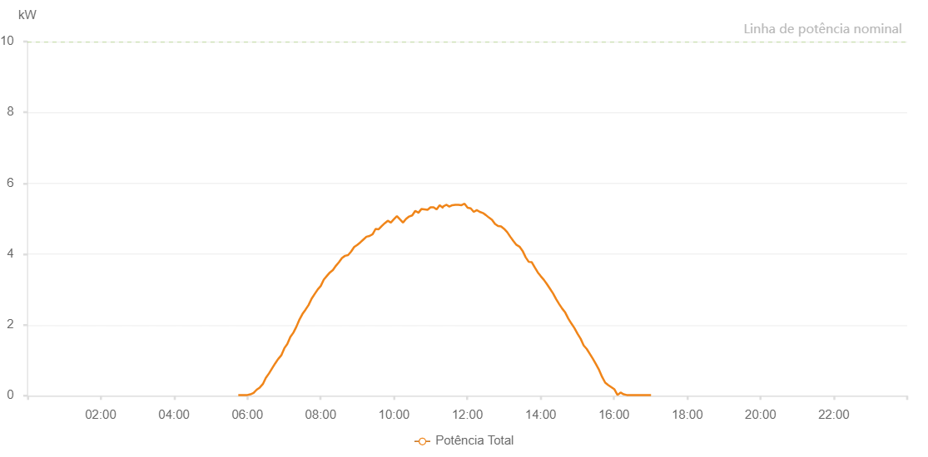

Number | Time | Working State | Alarm Code | Total Inverter Power(W)
1 | 01/07/2022 05:45:11 (UTC-4:00) | Normal |  | 20.000
2 | 01/07/2022 05:50:11 (UTC-4:00) | Normal |  | 20.000
3 | 01/07/2022 05:55:09 (UTC-4:00) | Normal |  | 20.000
4 | 01/07/2022 06:00:09 (UTC-4:00) | Normal |  | 20.000
5 | 01/07/2022 06:05:11 (UTC-4:00) | Normal |  | 40.000
6 | 01/07/2022 06:10:13 (UTC-4:00) | Normal |  | 80.000
7 | 01/07/2022 06:15:15 (UTC-4:00) | Normal |  | 170.000
8 | 01/07/2022 06:20:17 (UTC-4:00) | Normal |  | 230.000
9 | 01/07/2022 06:25:24 (UTC-4:00) | Normal |  | 330.000
10 | 01/07/2022 06:30:25 (UTC-4:00) | Normal |  | 510.000
11 | 01/07/2022 06:30:32 (UTC-4:00) | Normal |  | 510.000
12 | 01/07/2022 06:35:26 (UTC-4:00) | Normal |  | 630.000
13 | 01/07/2022 06:40:27 (UTC-4:00) | Normal |  | 770.000
14 | 01/07/2022 06:45:29 (UTC-4:00) | Normal |  | 910.000
15 | 01/07/2022 06:50:33 (UTC-4:00) | Normal |  | 1040.000
16 | 01/07/2022 06:50:41 (UTC-4:00) | Normal |  | 1040.000
17 | 01/07/2022 06:55:31 (UTC-4:00) | Normal |  | 1140.000
18 | 01/07/2022 07:00:30 (UTC-4:00) | Normal |  | 1340.000
19 | 01/07/2022 07:05:24 (UTC-4:00) | Normal |  | 1460.000
20 | 01/07/2022 07:10:22 (UTC-4:00) | Normal |  | 1660.000
21 | 01/07/2022 07:15:20 (UTC-4:00) | Normal |  | 1780.000
22 | 01/07/2022 07:20:19 (UTC-4:00) | Normal |  | 1950.000
23 | 01/07/2022 07:25:17 (UTC-4:00) | Normal |  | 2150.000
24 | 01/07/2022 07:30:15 (UTC-4:00) | Normal |  | 2310.000
25 | 01/07/2022 07:35:13 (UTC-4:00) | Normal |  | 2430.000
26 | 01/07/2022 07:40:11 (UTC-4:00) | Normal |  | 2560.000
27 | 01/07/2022 07:45:09 (UTC-4:00) | Normal |  | 2740.000
28 | 01/07/2022 07:50:09 (UTC-4:00) | Normal |  | 2870.000
29 | 01/07/2022 07:55:11 (UTC-4:00) | Normal |  | 3000.000
30 | 01/07/2022 08:00:09 (UTC-4:00) | Normal |  | 3100.000
31 | 01/07/2022 08:05:07 (UTC-4:00) | Normal |  | 3280.000
32 | 01/07/2022 08:10:06 (UTC-4:00) | Normal |  | 3380.000
33 | 01/07/2022 08:15:04 (UTC-4:00) | Normal |  | 3480.000
34 | 01/07/2022 08:20:02 (UTC-4:00) | Normal |  | 3550.000
35 | 01/07/2022 08:25:00 (UTC-4:00) | Normal |  | 3670.000
36 | 01/07/2022 08:29:58 (UTC-4:00) | Normal |  | 3770.000
37 | 01/07/2022 08:34:56 (UTC-4:00) | Normal |  | 3890.000
38 | 01/07/2022 08:39:54 (UTC-4:00) | Normal |  | 3950.000
39 | 01/07/2022 08:44:52 (UTC-4:00) | Normal |  | 3970.000
40 | 01/07/2022 08:49:50 (UTC-4:00) | Normal |  | 4070.000
41 | 01/07/2022 08:54:52 (UTC-4:00) | Normal |  | 4200.000
42 | 01/07/2022 08:59:54 (UTC-4:00) | Normal |  | 4260.000
43 | 01/07/2022 09:04:56 (UTC-4:00) | Normal |  | 4330.000
44 | 01/07/2022 09:09:58 (UTC-4:00) | Normal |  | 4410.000
45 | 01/07/2022 09:15:00 (UTC-4:00) | Normal |  | 4490.000
46 | 01/07/2022 09:19:58 (UTC-4:00) | Normal |  | 4510.000
47 | 01/07/2022 09:25:03 (UTC-4:00) | Normal |  | 4560.000
48 | 01/07/2022 09:29:55 (UTC-4:00) | Normal |  | 4710.000
49 | 01/07/2022 09:34:54 (UTC-4:00) | Normal |  | 4700.000
50 | 01/07/2022 09:39:52 (UTC-4:00) | Normal |  | 4790.000
51 | 01/07/2022 09:44:50 (UTC-4:00) | Normal |  | 4870.000
52 | 01/07/2022 09:49:49 (UTC-4:00) | Normal |  | 4940.000
53 | 01/07/2022 09:54:48 (UTC-4:00) | Normal |  | 4890.000
54 | 01/07/2022 09:59:45 (UTC-4:00) | Normal |  | 4980.000
55 | 01/07/2022 10:04:48 (UTC-4:00) | Normal |  | 5070.000
56 | 01/07/2022 10:09:41 (UTC-4:00) | Normal |  | 4980.000
57 | 01/07/2022 10:14:42 (UTC-4:00) | Normal |  | 4890.000
58 | 01/07/2022 10:19:42 (UTC-4:00) | Normal |  | 4990.000
59 | 01/07/2022 10:24:44 (UTC-4:00) | Normal |  | 5060.000
60 | 01/07/2022 10:29:50 (UTC-4:00) | Normal |  | 5090.000
61 | 01/07/2022 10:34:51 (UTC-4:00) | Normal |  | 5220.000
62 | 01/07/2022 10:39:51 (UTC-4:00) | Normal |  | 5170.000
63 | 01/07/2022 10:40:11 (UTC-4:00) | Normal |  | 5170.000
64 | 01/07/2022 10:44:53 (UTC-4:00) | Normal |  | 5270.000
65 | 01/07/2022 10:49:55 (UTC-4:00) | Normal |  | 5260.000
66 | 01/07/2022 10:50:06 (UTC-4:00) | Normal |  | 5260.000
67 | 01/07/2022 10:54:54 (UTC-4:00) | Normal |  | 5250.000
68 | 01/07/2022 10:59:51 (UTC-4:00) | Normal |  | 5320.000
69 | 01/07/2022 11:00:02 (UTC-4:00) | Normal |  | 5320.000
70 | 01/07/2022 11:04:49 (UTC-4:00) | Normal |  | 5320.000
71 | 01/07/2022 11:09:48 (UTC-4:00) | Normal |  | 5260.000
72 | 01/07/2022 11:14:45 (UTC-4:00) | Normal |  | 5380.000
73 | 01/07/2022 11:19:38 (UTC-4:00) | Normal |  | 5310.000
74 | 01/07/2022 11:19:44 (UTC-4:00) | Normal |  | 5310.000
75 | 01/07/2022 11:20:14 (UTC-4:00) | Normal |  | 5340.000
76 | 01/07/2022 11:25:34 (UTC-4:00) | Normal |  | 5390.000
77 | 01/07/2022 11:25:59 (UTC-4:00) | Normal |  | 5390.000
78 | 01/07/2022 11:30:32 (UTC-4:00) | Normal |  | 5340.000
79 | 01/07/2022 11:35:31 (UTC-4:00) | Normal |  | 5380.000
80 | 01/07/2022 11:40:29 (UTC-4:00) | Normal |  | 5390.000
81 | 01/07/2022 11:45:27 (UTC-4:00) | Normal |  | 5390.000
82 | 01/07/2022 11:50:29 (UTC-4:00) | Normal |  | 5380.000
83 | 01/07/2022 11:55:33 (UTC-4:00) | Normal |  | 5420.000
84 | 01/07/2022 12:00:33 (UTC-4:00) | Normal |  | 5310.000
85 | 01/07/2022 12:05:35 (UTC-4:00) | Normal |  | 5290.000
86 | 01/07/2022 12:10:34 (UTC-4:00) | Normal |  | 5190.000
87 | 01/07/2022 12:15:32 (UTC-4:00) | Normal |  | 5240.000
88 | 01/07/2022 12:20:30 (UTC-4:00) | Normal |  | 5190.000
89 | 01/07/2022 12:25:29 (UTC-4:00) | Normal |  | 5160.000
90 | 01/07/2022 12:30:27 (UTC-4:00) | Normal |  | 5100.000
91 | 01/07/2022 12:35:25 (UTC-4:00) | Normal |  | 5030.000
92 | 01/07/2022 12:40:23 (UTC-4:00) | Normal |  | 4970.000
93 | 01/07/2022 12:45:22 (UTC-4:00) | Normal |  | 4850.000
94 | 01/07/2022 12:50:20 (UTC-4:00) | Normal |  | 4790.000
95 | 01/07/2022 12:55:18 (UTC-4:00) | Normal |  | 4780.000
96 | 01/07/2022 13:00:18 (UTC-4:00) | Normal |  | 4710.000
97 | 01/07/2022 13:05:18 (UTC-4:00) | Normal |  | 4620.000
98 | 01/07/2022 13:10:20 (UTC-4:00) | Normal |  | 4490.000
99 | 01/07/2022 13:15:22 (UTC-4:00) | Normal |  | 4370.000
100 | 01/07/2022 13:20:24 (UTC-4:00) | Normal |  | 4260.000
101 | 01/07/2022 13:25:26 (UTC-4:00) | Normal |  | 4210.000
102 | 01/07/2022 13:30:28 (UTC-4:00) | Normal |  | 4090.000
103 | 01/07/2022 13:35:31 (UTC-4:00) | Normal |  | 3910.000
104 | 01/07/2022 13:40:33 (UTC-4:00) | Normal |  | 3780.000
105 | 01/07/2022 13:45:31 (UTC-4:00) | Normal |  | 3770.000
106 | 01/07/2022 13:50:30 (UTC-4:00) | Normal |  | 3620.000
107 | 01/07/2022 13:55:28 (UTC-4:00) | Normal |  | 3480.000
108 | 01/07/2022 14:00:27 (UTC-4:00) | Normal |  | 3370.000
109 | 01/07/2022 14:05:26 (UTC-4:00) | Normal |  | 3270.000
110 | 01/07/2022 14:10:24 (UTC-4:00) | Normal |  | 3150.000
111 | 01/07/2022 14:15:22 (UTC-4:00) | Normal |  | 3020.000
112 | 01/07/2022 14:20:21 (UTC-4:00) | Normal |  | 2890.000
113 | 01/07/2022 14:25:19 (UTC-4:00) | Normal |  | 2730.000
114 | 01/07/2022 14:30:17 (UTC-4:00) | Normal |  | 2590.000
115 | 01/07/2022 14:35:16 (UTC-4:00) | Normal |  | 2460.000
116 | 01/07/2022 14:40:16 (UTC-4:00) | Normal |  | 2350.000
117 | 01/07/2022 14:45:18 (UTC-4:00) | Normal |  | 2180.000
118 | 01/07/2022 14:50:19 (UTC-4:00) | Normal |  | 2040.000
119 | 01/07/2022 14:55:23 (UTC-4:00) | Normal |  | 1910.000
120 | 01/07/2022 15:00:25 (UTC-4:00) | Normal |  | 1750.000
121 | 01/07/2022 15:05:27 (UTC-4:00) | Normal |  | 1610.000
122 | 01/07/2022 15:10:28 (UTC-4:00) | Normal |  | 1420.000
123 | 01/07/2022 15:15:32 (UTC-4:00) | Normal |  | 1320.000
124 | 01/07/2022 15:20:33 (UTC-4:00) | Normal |  | 1180.000
125 | 01/07/2022 15:25:36 (UTC-4:00) | Normal |  | 1040.000
126 | 01/07/2022 15:30:40 (UTC-4:00) | Normal |  | 890.000
127 | 01/07/2022 15:35:41 (UTC-4:00) | Normal |  | 730.000
128 | 01/07/2022 15:40:41 (UTC-4:00) | Normal |  | 530.000
129 | 01/07/2022 15:45:43 (UTC-4:00) | Normal |  | 370.000
130 | 01/07/2022 15:50:45 (UTC-4:00) | Normal |  | 300.000
131 | 01/07/2022 15:55:48 (UTC-4:00) | Normal |  | 240.000
132 | 01/07/2022 16:00:50 (UTC-4:00) | Normal |  | 180.000
133 | 01/07/2022 16:05:52 (UTC-4:00) | Normal |  | 20.000
134 | 01/07/2022 16:10:54 (UTC-4:00) | Normal |  | 90.000
135 | 01/07/2022 16:15:56 (UTC-4:00) | Normal |  | 40.000
136 | 01/07/2022 16:20:58 (UTC-4:00) | Normal |  | 20.000
137 | 01/07/2022 16:25:56 (UTC-4:00) | Normal |  | 20.000
138 | 01/07/2022 16:30:55 (UTC-4:00) | Normal |  | 20.000
139 | 01/07/2022 16:35:54 (UTC-4:00) | Normal |  | 20.000
140 | 01/07/2022 16:40:52 (UTC-4:00) | Normal |  | 20.000
141 | 01/07/2022 16:45:51 (UTC-4:00) | Normal |  | 20.000
142 | 01/07/2022 16:50:49 (UTC-4:00) | Normal |  | 20.000
143 | 01/07/2022 16:55:47 (UTC-4:00) | Normal |  | 20.000
144 | 01/07/2022 17:00:45 (UTC-4:00) | Normal |  | 20.000

