Inverter History Report__17-08-
Inverter History Report_02/07/2022_Report

Inverter SN:054B7020C020041 |  | Inverter type:B7
Collector SN:4045966636 |  | Full Load Hours(h):3.47
Rated Power:10000Wp

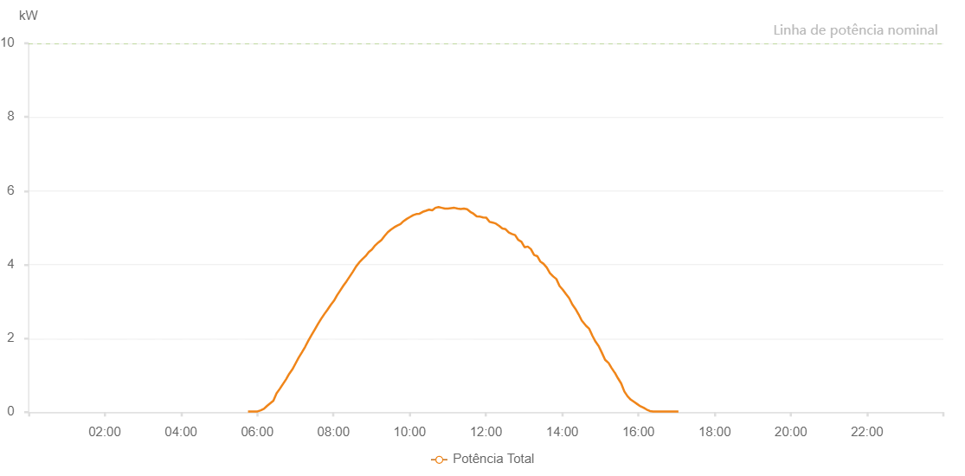

Number | Time | Working State | Alarm Code | Total Inverter Power(W)
1 | 02/07/2022 05:45:30 (UTC-4:00) | Normal |  | 20.000
2 | 02/07/2022 05:50:32 (UTC-4:00) | Normal |  | 20.000
3 | 02/07/2022 05:55:31 (UTC-4:00) | Normal |  | 20.000
4 | 02/07/2022 06:00:30 (UTC-4:00) | Normal |  | 20.000
5 | 02/07/2022 06:05:32 (UTC-4:00) | Normal |  | 50.000
6 | 02/07/2022 06:10:31 (UTC-4:00) | Normal |  | 90.000
7 | 02/07/2022 06:15:30 (UTC-4:00) | Normal |  | 170.000
8 | 02/07/2022 06:20:29 (UTC-4:00) | Normal |  | 240.000
9 | 02/07/2022 06:25:27 (UTC-4:00) | Normal |  | 310.000
10 | 02/07/2022 06:30:26 (UTC-4:00) | Normal |  | 510.000
11 | 02/07/2022 06:35:25 (UTC-4:00) | Normal |  | 630.000
12 | 02/07/2022 06:40:24 (UTC-4:00) | Normal |  | 760.000
13 | 02/07/2022 06:45:22 (UTC-4:00) | Normal |  | 890.000
14 | 02/07/2022 06:50:21 (UTC-4:00) | Normal |  | 1040.000
15 | 02/07/2022 06:55:20 (UTC-4:00) | Normal |  | 1160.000
16 | 02/07/2022 07:00:19 (UTC-4:00) | Normal |  | 1320.000
17 | 02/07/2022 07:05:19 (UTC-4:00) | Normal |  | 1480.000
18 | 02/07/2022 07:10:22 (UTC-4:00) | Normal |  | 1620.000
19 | 02/07/2022 07:15:25 (UTC-4:00) | Normal |  | 1770.000
20 | 02/07/2022 07:20:28 (UTC-4:00) | Normal |  | 1940.000
21 | 02/07/2022 07:25:30 (UTC-4:00) | Normal |  | 2090.000
22 | 02/07/2022 07:30:33 (UTC-4:00) | Normal |  | 2240.000
23 | 02/07/2022 07:35:36 (UTC-4:00) | Normal |  | 2390.000
24 | 02/07/2022 07:40:38 (UTC-4:00) | Normal |  | 2530.000
25 | 02/07/2022 07:45:41 (UTC-4:00) | Normal |  | 2660.000
26 | 02/07/2022 07:50:44 (UTC-4:00) | Normal |  | 2780.000
27 | 02/07/2022 07:55:46 (UTC-4:00) | Normal |  | 2910.000
28 | 02/07/2022 08:00:45 (UTC-4:00) | Normal |  | 3020.000
29 | 02/07/2022 08:05:44 (UTC-4:00) | Normal |  | 3170.000
30 | 02/07/2022 08:10:42 (UTC-4:00) | Normal |  | 3300.000
31 | 02/07/2022 08:15:41 (UTC-4:00) | Normal |  | 3430.000
32 | 02/07/2022 08:20:42 (UTC-4:00) | Normal |  | 3550.000
33 | 02/07/2022 08:25:42 (UTC-4:00) | Normal |  | 3680.000
34 | 02/07/2022 08:30:40 (UTC-4:00) | Normal |  | 3810.000
35 | 02/07/2022 08:35:39 (UTC-4:00) | Normal |  | 3950.000
36 | 02/07/2022 08:40:38 (UTC-4:00) | Normal |  | 4060.000
37 | 02/07/2022 08:45:37 (UTC-4:00) | Normal |  | 4150.000
38 | 02/07/2022 08:50:35 (UTC-4:00) | Normal |  | 4230.000
39 | 02/07/2022 08:55:34 (UTC-4:00) | Normal |  | 4340.000
40 | 02/07/2022 09:00:35 (UTC-4:00) | Normal |  | 4410.000
41 | 02/07/2022 09:05:37 (UTC-4:00) | Normal |  | 4520.000
42 | 02/07/2022 09:10:40 (UTC-4:00) | Normal |  | 4600.000
43 | 02/07/2022 09:15:39 (UTC-4:00) | Normal |  | 4670.000
44 | 02/07/2022 09:20:37 (UTC-4:00) | Normal |  | 4780.000
45 | 02/07/2022 09:25:36 (UTC-4:00) | Normal |  | 4880.000
46 | 02/07/2022 09:30:35 (UTC-4:00) | Normal |  | 4950.000
47 | 02/07/2022 09:35:33 (UTC-4:00) | Normal |  | 5010.000
48 | 02/07/2022 09:40:32 (UTC-4:00) | Normal |  | 5060.000
49 | 02/07/2022 09:45:30 (UTC-4:00) | Normal |  | 5100.000
50 | 02/07/2022 09:50:29 (UTC-4:00) | Normal |  | 5180.000
51 | 02/07/2022 09:55:30 (UTC-4:00) | Normal |  | 5240.000
52 | 02/07/2022 10:00:28 (UTC-4:00) | Normal |  | 5290.000
53 | 02/07/2022 10:05:28 (UTC-4:00) | Normal |  | 5340.000
54 | 02/07/2022 10:10:27 (UTC-4:00) | Normal |  | 5370.000
55 | 02/07/2022 10:15:28 (UTC-4:00) | Normal |  | 5380.000
56 | 02/07/2022 10:20:30 (UTC-4:00) | Normal |  | 5430.000
57 | 02/07/2022 10:25:34 (UTC-4:00) | Normal |  | 5460.000
58 | 02/07/2022 10:30:32 (UTC-4:00) | Normal |  | 5490.000
59 | 02/07/2022 10:35:31 (UTC-4:00) | Normal |  | 5470.000
60 | 02/07/2022 10:40:29 (UTC-4:00) | Normal |  | 5540.000
61 | 02/07/2022 10:45:28 (UTC-4:00) | Normal |  | 5560.000
62 | 02/07/2022 10:50:27 (UTC-4:00) | Normal |  | 5540.000
63 | 02/07/2022 10:55:26 (UTC-4:00) | Normal |  | 5520.000
64 | 02/07/2022 11:00:25 (UTC-4:00) | Normal |  | 5520.000
65 | 02/07/2022 11:05:23 (UTC-4:00) | Normal |  | 5530.000
66 | 02/07/2022 11:10:23 (UTC-4:00) | Normal |  | 5540.000
67 | 02/07/2022 11:15:22 (UTC-4:00) | Normal |  | 5520.000
68 | 02/07/2022 11:20:22 (UTC-4:00) | Normal |  | 5510.000
69 | 02/07/2022 11:25:23 (UTC-4:00) | Normal |  | 5520.000
70 | 02/07/2022 11:30:22 (UTC-4:00) | Normal |  | 5500.000
71 | 02/07/2022 11:35:24 (UTC-4:00) | Normal |  | 5430.000
72 | 02/07/2022 11:40:27 (UTC-4:00) | Normal |  | 5380.000
73 | 02/07/2022 11:45:30 (UTC-4:00) | Normal |  | 5310.000
74 | 02/07/2022 11:50:32 (UTC-4:00) | Normal |  | 5300.000
75 | 02/07/2022 11:50:57 (UTC-4:00) | Normal |  | 5300.000
76 | 02/07/2022 11:55:35 (UTC-4:00) | Normal |  | 5280.000
77 | 02/07/2022 12:00:38 (UTC-4:00) | Normal |  | 5270.000
78 | 02/07/2022 12:05:41 (UTC-4:00) | Normal |  | 5160.000
79 | 02/07/2022 12:10:43 (UTC-4:00) | Normal |  | 5140.000
80 | 02/07/2022 12:15:46 (UTC-4:00) | Normal |  | 5110.000
81 | 02/07/2022 12:20:49 (UTC-4:00) | Normal |  | 5050.000
82 | 02/07/2022 12:25:52 (UTC-4:00) | Normal |  | 4980.000
83 | 02/07/2022 12:30:54 (UTC-4:00) | Normal |  | 4960.000
84 | 02/07/2022 12:35:57 (UTC-4:00) | Normal |  | 4870.000
85 | 02/07/2022 12:40:56 (UTC-4:00) | Normal |  | 4830.000
86 | 02/07/2022 12:45:55 (UTC-4:00) | Normal |  | 4800.000
87 | 02/07/2022 12:50:54 (UTC-4:00) | Normal |  | 4670.000
88 | 02/07/2022 12:55:53 (UTC-4:00) | Normal |  | 4620.000
89 | 02/07/2022 13:00:51 (UTC-4:00) | Normal |  | 4470.000
90 | 02/07/2022 13:05:50 (UTC-4:00) | Normal |  | 4490.000
91 | 02/07/2022 13:10:49 (UTC-4:00) | Normal |  | 4420.000
92 | 02/07/2022 13:15:48 (UTC-4:00) | Normal |  | 4260.000
93 | 02/07/2022 13:20:47 (UTC-4:00) | Normal |  | 4230.000
94 | 02/07/2022 13:25:46 (UTC-4:00) | Normal |  | 4080.000
95 | 02/07/2022 13:30:44 (UTC-4:00) | Normal |  | 4020.000
96 | 02/07/2022 13:35:43 (UTC-4:00) | Normal |  | 3920.000
97 | 02/07/2022 13:40:46 (UTC-4:00) | Normal |  | 3770.000
98 | 02/07/2022 13:45:49 (UTC-4:00) | Normal |  | 3680.000
99 | 02/07/2022 13:50:52 (UTC-4:00) | Normal |  | 3610.000
100 | 02/07/2022 13:55:54 (UTC-4:00) | Normal |  | 3420.000
101 | 02/07/2022 14:00:57 (UTC-4:00) | Normal |  | 3320.000
102 | 02/07/2022 14:06:00 (UTC-4:00) | Normal |  | 3200.000
103 | 02/07/2022 14:10:59 (UTC-4:00) | Normal |  | 3090.000
104 | 02/07/2022 14:15:58 (UTC-4:00) | Normal |  | 2920.000
105 | 02/07/2022 14:20:56 (UTC-4:00) | Normal |  | 2800.000
106 | 02/07/2022 14:25:55 (UTC-4:00) | Normal |  | 2650.000
107 | 02/07/2022 14:30:54 (UTC-4:00) | Normal |  | 2480.000
108 | 02/07/2022 14:32:22 (UTC-4:00) | Normal |  | 2450.000
109 | 02/07/2022 14:37:38 (UTC-4:00) | Normal |  | 2340.000
110 | 02/07/2022 14:42:36 (UTC-4:00) | Normal |  | 2260.000
111 | 02/07/2022 14:47:38 (UTC-4:00) | Normal |  | 2070.000
112 | 02/07/2022 14:52:34 (UTC-4:00) | Normal |  | 1910.000
113 | 02/07/2022 14:57:33 (UTC-4:00) | Normal |  | 1790.000
114 | 02/07/2022 15:02:32 (UTC-4:00) | Normal |  | 1610.000
115 | 02/07/2022 15:07:35 (UTC-4:00) | Normal |  | 1420.000
116 | 02/07/2022 15:12:38 (UTC-4:00) | Normal |  | 1340.000
117 | 02/07/2022 15:12:48 (UTC-4:00) | Normal |  | 1340.000
118 | 02/07/2022 15:17:43 (UTC-4:00) | Normal |  | 1200.000
119 | 02/07/2022 15:22:44 (UTC-4:00) | Normal |  | 1070.000
120 | 02/07/2022 15:22:54 (UTC-4:00) | Normal |  | 1070.000
121 | 02/07/2022 15:27:47 (UTC-4:00) | Normal |  | 920.000
122 | 02/07/2022 15:32:51 (UTC-4:00) | Normal |  | 780.000
123 | 02/07/2022 15:37:54 (UTC-4:00) | Normal |  | 560.000
124 | 02/07/2022 15:42:56 (UTC-4:00) | Normal |  | 430.000
125 | 02/07/2022 15:48:00 (UTC-4:00) | Normal |  | 340.000
126 | 02/07/2022 15:53:03 (UTC-4:00) | Normal |  | 280.000
127 | 02/07/2022 15:58:06 (UTC-4:00) | Normal |  | 220.000
128 | 02/07/2022 16:03:09 (UTC-4:00) | Normal |  | 160.000
129 | 02/07/2022 16:08:12 (UTC-4:00) | Normal |  | 120.000
130 | 02/07/2022 16:13:10 (UTC-4:00) | Normal |  | 70.000
131 | 02/07/2022 16:18:09 (UTC-4:00) | Normal |  | 30.000
132 | 02/07/2022 16:23:08 (UTC-4:00) | Normal |  | 20.000
133 | 02/07/2022 16:28:07 (UTC-4:00) | Normal |  | 20.000
134 | 02/07/2022 16:33:06 (UTC-4:00) | Normal |  | 20.000
135 | 02/07/2022 16:38:05 (UTC-4:00) | Normal |  | 20.000
136 | 02/07/2022 16:43:04 (UTC-4:00) | Normal |  | 20.000
137 | 02/07/2022 16:48:03 (UTC-4:00) | Normal |  | 20.000
138 | 02/07/2022 16:53:02 (UTC-4:00) | Normal |  | 20.000
139 | 02/07/2022 16:58:01 (UTC-4:00) | Normal |  | 20.000
140 | 02/07/2022 17:03:00 (UTC-4:00) | Normal |  | 20.000

