Inverter History Report__17-08-
Inverter History Report_03/07/2022_Report

Inverter SN:054B7020C020041 |  | Inverter type:B7
Collector SN:4045966636 |  | Full Load Hours(h):3.34
Rated Power:10000Wp

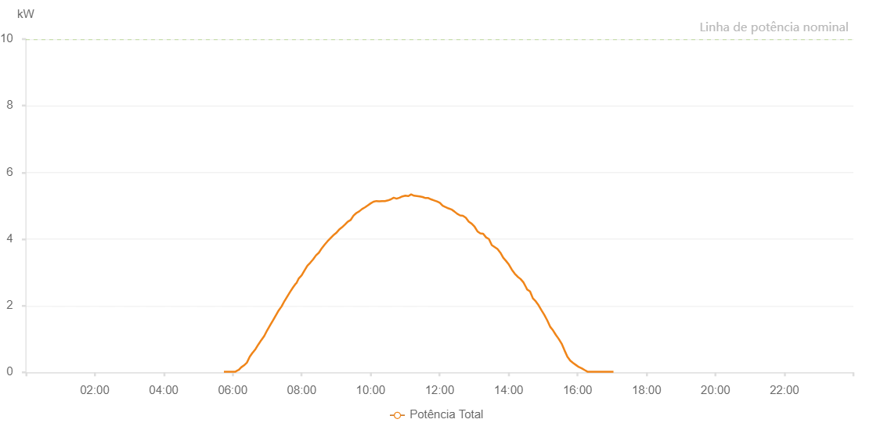

Number | Time | Working State | Alarm Code | Total Inverter Power(W)
1 | 03/07/2022 05:44:42 (UTC-4:00) | Normal |  | 20.000
2 | 03/07/2022 05:49:41 (UTC-4:00) | Normal |  | 20.000
3 | 03/07/2022 05:54:40 (UTC-4:00) | Normal |  | 20.000
4 | 03/07/2022 05:59:42 (UTC-4:00) | Normal |  | 20.000
5 | 03/07/2022 06:04:45 (UTC-4:00) | Normal |  | 20.000
6 | 03/07/2022 06:09:44 (UTC-4:00) | Normal |  | 70.000
7 | 03/07/2022 06:10:12 (UTC-4:00) | Normal |  | 70.000
8 | 03/07/2022 06:14:43 (UTC-4:00) | Normal |  | 150.000
9 | 03/07/2022 06:19:42 (UTC-4:00) | Normal |  | 210.000
10 | 03/07/2022 06:24:40 (UTC-4:00) | Normal |  | 290.000
11 | 03/07/2022 06:29:40 (UTC-4:00) | Normal |  | 470.000
12 | 03/07/2022 06:34:42 (UTC-4:00) | Normal |  | 590.000
13 | 03/07/2022 06:34:53 (UTC-4:00) | Normal |  | 590.000
14 | 03/07/2022 06:39:46 (UTC-4:00) | Normal |  | 700.000
15 | 03/07/2022 06:44:48 (UTC-4:00) | Normal |  | 840.000
16 | 03/07/2022 06:49:51 (UTC-4:00) | Normal |  | 970.000
17 | 03/07/2022 06:54:54 (UTC-4:00) | Normal |  | 1090.000
18 | 03/07/2022 06:59:57 (UTC-4:00) | Normal |  | 1260.000
19 | 03/07/2022 07:05:00 (UTC-4:00) | Normal |  | 1410.000
20 | 03/07/2022 07:10:03 (UTC-4:00) | Normal |  | 1560.000
21 | 03/07/2022 07:15:06 (UTC-4:00) | Normal |  | 1710.000
22 | 03/07/2022 07:20:08 (UTC-4:00) | Normal |  | 1860.000
23 | 03/07/2022 07:25:07 (UTC-4:00) | Normal |  | 1980.000
24 | 03/07/2022 07:30:06 (UTC-4:00) | Normal |  | 2140.000
25 | 03/07/2022 07:35:05 (UTC-4:00) | Normal |  | 2280.000
26 | 03/07/2022 07:40:04 (UTC-4:00) | Normal |  | 2420.000
27 | 03/07/2022 07:45:03 (UTC-4:00) | Normal |  | 2550.000
28 | 03/07/2022 07:50:02 (UTC-4:00) | Normal |  | 2670.000
29 | 03/07/2022 07:50:41 (UTC-4:00) | Normal |  | 2670.000
30 | 03/07/2022 07:55:01 (UTC-4:00) | Normal |  | 2820.000
31 | 03/07/2022 08:00:00 (UTC-4:00) | Normal |  | 2910.000
32 | 03/07/2022 08:04:59 (UTC-4:00) | Normal |  | 3060.000
33 | 03/07/2022 08:09:58 (UTC-4:00) | Normal |  | 3200.000
34 | 03/07/2022 08:14:57 (UTC-4:00) | Normal |  | 3290.000
35 | 03/07/2022 08:19:56 (UTC-4:00) | Normal |  | 3390.000
36 | 03/07/2022 08:24:55 (UTC-4:00) | Normal |  | 3510.000
37 | 03/07/2022 08:29:54 (UTC-4:00) | Normal |  | 3590.000
38 | 03/07/2022 08:34:53 (UTC-4:00) | Normal |  | 3720.000
39 | 03/07/2022 08:39:52 (UTC-4:00) | Normal |  | 3830.000
40 | 03/07/2022 08:44:51 (UTC-4:00) | Normal |  | 3930.000
41 | 03/07/2022 08:49:51 (UTC-4:00) | Normal |  | 4020.000
42 | 03/07/2022 08:54:54 (UTC-4:00) | Normal |  | 4110.000
43 | 03/07/2022 08:59:57 (UTC-4:00) | Normal |  | 4180.000
44 | 03/07/2022 09:05:00 (UTC-4:00) | Normal |  | 4280.000
45 | 03/07/2022 09:10:03 (UTC-4:00) | Normal |  | 4350.000
46 | 03/07/2022 09:15:06 (UTC-4:00) | Normal |  | 4430.000
47 | 03/07/2022 09:20:09 (UTC-4:00) | Normal |  | 4520.000
48 | 03/07/2022 09:25:08 (UTC-4:00) | Normal |  | 4570.000
49 | 03/07/2022 09:30:07 (UTC-4:00) | Normal |  | 4700.000
50 | 03/07/2022 09:35:06 (UTC-4:00) | Normal |  | 4780.000
51 | 03/07/2022 09:40:05 (UTC-4:00) | Normal |  | 4830.000
52 | 03/07/2022 09:45:04 (UTC-4:00) | Normal |  | 4900.000
53 | 03/07/2022 09:50:03 (UTC-4:00) | Normal |  | 4950.000
54 | 03/07/2022 09:55:02 (UTC-4:00) | Normal |  | 5010.000
55 | 03/07/2022 10:00:01 (UTC-4:00) | Normal |  | 5070.000
56 | 03/07/2022 10:05:00 (UTC-4:00) | Normal |  | 5120.000
57 | 03/07/2022 10:09:59 (UTC-4:00) | Normal |  | 5140.000
58 | 03/07/2022 10:14:58 (UTC-4:00) | Normal |  | 5130.000
59 | 03/07/2022 10:20:00 (UTC-4:00) | Normal |  | 5140.000
60 | 03/07/2022 10:20:25 (UTC-4:00) | Normal |  | 5140.000
61 | 03/07/2022 10:25:00 (UTC-4:00) | Normal |  | 5140.000
62 | 03/07/2022 10:30:11 (UTC-4:00) | Normal |  | 5160.000
63 | 03/07/2022 10:35:06 (UTC-4:00) | Normal |  | 5190.000
64 | 03/07/2022 10:40:09 (UTC-4:00) | Normal |  | 5240.000
65 | 03/07/2022 10:45:12 (UTC-4:00) | Normal |  | 5210.000
66 | 03/07/2022 10:50:16 (UTC-4:00) | Normal |  | 5240.000
67 | 03/07/2022 10:55:18 (UTC-4:00) | Normal |  | 5280.000
68 | 03/07/2022 11:00:22 (UTC-4:00) | Normal |  | 5300.000
69 | 03/07/2022 11:05:24 (UTC-4:00) | Normal |  | 5290.000
70 | 03/07/2022 11:05:49 (UTC-4:00) | Normal |  | 5290.000
71 | 03/07/2022 11:10:28 (UTC-4:00) | Normal |  | 5340.000
72 | 03/07/2022 11:15:30 (UTC-4:00) | Normal |  | 5300.000
73 | 03/07/2022 11:20:29 (UTC-4:00) | Normal |  | 5290.000
74 | 03/07/2022 11:25:29 (UTC-4:00) | Normal |  | 5280.000
75 | 03/07/2022 11:30:28 (UTC-4:00) | Normal |  | 5260.000
76 | 03/07/2022 11:35:27 (UTC-4:00) | Normal |  | 5230.000
77 | 03/07/2022 11:40:26 (UTC-4:00) | Normal |  | 5230.000
78 | 03/07/2022 11:45:25 (UTC-4:00) | Normal |  | 5190.000
79 | 03/07/2022 11:50:24 (UTC-4:00) | Normal |  | 5160.000
80 | 03/07/2022 11:55:23 (UTC-4:00) | Normal |  | 5130.000
81 | 03/07/2022 12:00:22 (UTC-4:00) | Normal |  | 5090.000
82 | 03/07/2022 12:05:21 (UTC-4:00) | Normal |  | 5000.000
83 | 03/07/2022 12:10:22 (UTC-4:00) | Normal |  | 4960.000
84 | 03/07/2022 12:15:24 (UTC-4:00) | Normal |  | 4920.000
85 | 03/07/2022 12:20:26 (UTC-4:00) | Normal |  | 4890.000
86 | 03/07/2022 12:25:27 (UTC-4:00) | Normal |  | 4830.000
87 | 03/07/2022 12:30:30 (UTC-4:00) | Normal |  | 4760.000
88 | 03/07/2022 12:35:33 (UTC-4:00) | Normal |  | 4710.000
89 | 03/07/2022 12:40:36 (UTC-4:00) | Normal |  | 4700.000
90 | 03/07/2022 12:45:39 (UTC-4:00) | Normal |  | 4640.000
91 | 03/07/2022 12:50:42 (UTC-4:00) | Normal |  | 4520.000
92 | 03/07/2022 12:55:50 (UTC-4:00) | Normal |  | 4460.000
93 | 03/07/2022 13:00:51 (UTC-4:00) | Normal |  | 4370.000
94 | 03/07/2022 13:05:53 (UTC-4:00) | Normal |  | 4230.000
95 | 03/07/2022 13:10:50 (UTC-4:00) | Normal |  | 4170.000
96 | 03/07/2022 13:15:49 (UTC-4:00) | Normal |  | 4160.000
97 | 03/07/2022 13:20:50 (UTC-4:00) | Normal |  | 4050.000
98 | 03/07/2022 13:25:47 (UTC-4:00) | Normal |  | 4000.000
99 | 03/07/2022 13:30:46 (UTC-4:00) | Normal |  | 3820.000
100 | 03/07/2022 13:35:45 (UTC-4:00) | Normal |  | 3760.000
101 | 03/07/2022 13:40:44 (UTC-4:00) | Normal |  | 3700.000
102 | 03/07/2022 13:45:44 (UTC-4:00) | Normal |  | 3590.000
103 | 03/07/2022 13:50:42 (UTC-4:00) | Normal |  | 3440.000
104 | 03/07/2022 13:55:42 (UTC-4:00) | Normal |  | 3340.000
105 | 03/07/2022 14:00:41 (UTC-4:00) | Normal |  | 3230.000
106 | 03/07/2022 14:05:42 (UTC-4:00) | Normal |  | 3080.000
107 | 03/07/2022 14:10:45 (UTC-4:00) | Normal |  | 2960.000
108 | 03/07/2022 14:15:48 (UTC-4:00) | Normal |  | 2870.000
109 | 03/07/2022 14:20:51 (UTC-4:00) | Normal |  | 2800.000
110 | 03/07/2022 14:25:50 (UTC-4:00) | Normal |  | 2700.000
111 | 03/07/2022 14:30:49 (UTC-4:00) | Normal |  | 2540.000
112 | 03/07/2022 14:32:05 (UTC-4:00) | Normal |  | 2490.000
113 | 03/07/2022 14:37:20 (UTC-4:00) | Normal |  | 2430.000
114 | 03/07/2022 14:42:19 (UTC-4:00) | Normal |  | 2220.000
115 | 03/07/2022 14:47:19 (UTC-4:00) | Normal |  | 2130.000
116 | 03/07/2022 14:52:18 (UTC-4:00) | Normal |  | 2010.000
117 | 03/07/2022 14:57:17 (UTC-4:00) | Normal |  | 1860.000
118 | 03/07/2022 15:02:17 (UTC-4:00) | Normal |  | 1720.000
119 | 03/07/2022 15:07:16 (UTC-4:00) | Normal |  | 1560.000
120 | 03/07/2022 15:12:18 (UTC-4:00) | Normal |  | 1370.000
121 | 03/07/2022 15:17:21 (UTC-4:00) | Normal |  | 1260.000
122 | 03/07/2022 15:22:23 (UTC-4:00) | Normal |  | 1120.000
123 | 03/07/2022 15:27:22 (UTC-4:00) | Normal |  | 1000.000
124 | 03/07/2022 15:32:21 (UTC-4:00) | Normal |  | 860.000
125 | 03/07/2022 15:37:20 (UTC-4:00) | Normal |  | 660.000
126 | 03/07/2022 15:42:19 (UTC-4:00) | Normal |  | 470.000
127 | 03/07/2022 15:47:18 (UTC-4:00) | Normal |  | 350.000
128 | 03/07/2022 15:52:16 (UTC-4:00) | Normal |  | 280.000
129 | 03/07/2022 15:57:15 (UTC-4:00) | Normal |  | 220.000
130 | 03/07/2022 16:02:14 (UTC-4:00) | Normal |  | 160.000
131 | 03/07/2022 16:07:17 (UTC-4:00) | Normal |  | 120.000
132 | 03/07/2022 16:12:12 (UTC-4:00) | Normal |  | 70.000
133 | 03/07/2022 16:17:14 (UTC-4:00) | Normal |  | 20.000
134 | 03/07/2022 16:22:11 (UTC-4:00) | Normal |  | 20.000
135 | 03/07/2022 16:27:16 (UTC-4:00) | Normal |  | 20.000
136 | 03/07/2022 16:32:16 (UTC-4:00) | Normal |  | 20.000
137 | 03/07/2022 16:37:19 (UTC-4:00) | Normal |  | 20.000
138 | 03/07/2022 16:42:22 (UTC-4:00) | Normal |  | 20.000
139 | 03/07/2022 16:47:24 (UTC-4:00) | Normal |  | 20.000
140 | 03/07/2022 16:52:27 (UTC-4:00) | Normal |  | 20.000
141 | 03/07/2022 16:57:30 (UTC-4:00) | Normal |  | 20.000
142 | 03/07/2022 17:02:32 (UTC-4:00) | Normal |  | 20.000

