Inverter History Report__17-08-
Inverter History Report_04/07/2022_Report

Inverter SN:054B7020C020041 |  | Inverter type:B7
Collector SN:4045966636 |  | Full Load Hours(h):3.47
Rated Power:10000Wp

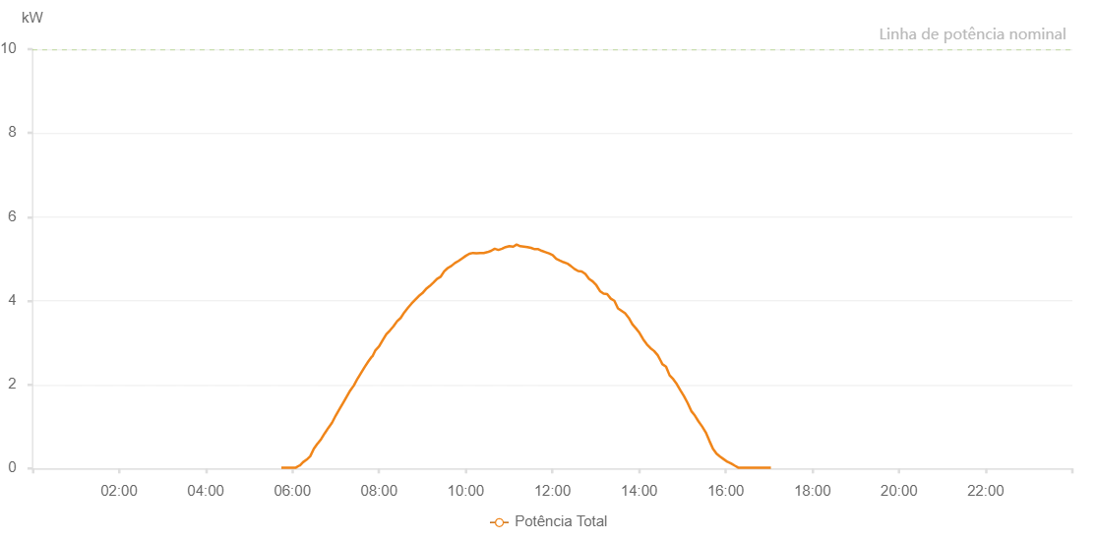

Number | Time | Working State | Alarm Code | Total Inverter Power(W)
1 | 04/07/2022 05:43:48 (UTC-4:00) | Normal |  | 20.000
2 | 04/07/2022 05:48:49 (UTC-4:00) | Normal |  | 20.000
3 | 04/07/2022 05:53:48 (UTC-4:00) | Normal |  | 20.000
4 | 04/07/2022 05:58:48 (UTC-4:00) | Normal |  | 20.000
5 | 04/07/2022 06:03:50 (UTC-4:00) | Normal |  | 30.000
6 | 04/07/2022 06:08:53 (UTC-4:00) | Normal |  | 90.000
7 | 04/07/2022 06:13:52 (UTC-4:00) | Normal |  | 60.000
8 | 04/07/2022 06:18:51 (UTC-4:00) | Normal |  | 210.000
9 | 04/07/2022 06:23:50 (UTC-4:00) | Normal |  | 300.000
10 | 04/07/2022 06:28:49 (UTC-4:00) | Normal |  | 500.000
11 | 04/07/2022 06:33:48 (UTC-4:00) | Normal |  | 620.000
12 | 04/07/2022 06:38:49 (UTC-4:00) | Normal |  | 750.000
13 | 04/07/2022 06:43:46 (UTC-4:00) | Normal |  | 900.000
14 | 04/07/2022 06:48:46 (UTC-4:00) | Normal |  | 1020.000
15 | 04/07/2022 06:53:45 (UTC-4:00) | Normal |  | 1160.000
16 | 04/07/2022 06:58:54 (UTC-4:00) | Normal |  | 1340.000
17 | 04/07/2022 07:03:44 (UTC-4:00) | Normal |  | 1460.000
18 | 04/07/2022 07:08:44 (UTC-4:00) | Normal |  | 1630.000
19 | 04/07/2022 07:13:46 (UTC-4:00) | Normal |  | 1800.000
20 | 04/07/2022 07:18:49 (UTC-4:00) | Normal |  | 1950.000
21 | 04/07/2022 07:23:48 (UTC-4:00) | Normal |  | 2080.000
22 | 04/07/2022 07:28:47 (UTC-4:00) | Normal |  | 2230.000
23 | 04/07/2022 07:33:47 (UTC-4:00) | Normal |  | 2380.000
24 | 04/07/2022 07:38:46 (UTC-4:00) | Normal |  | 2510.000
25 | 04/07/2022 07:38:57 (UTC-4:00) | Normal |  | 2510.000
26 | 04/07/2022 07:43:48 (UTC-4:00) | Normal |  | 2630.000
27 | 04/07/2022 07:48:44 (UTC-4:00) | Normal |  | 2770.000
28 | 04/07/2022 07:49:15 (UTC-4:00) | Normal |  | 2790.000
29 | 04/07/2022 07:54:33 (UTC-4:00) | Normal |  | 2940.000
30 | 04/07/2022 07:59:34 (UTC-4:00) | Normal |  | 3060.000
31 | 04/07/2022 08:04:34 (UTC-4:00) | Normal |  | 3170.000
32 | 04/07/2022 08:09:34 (UTC-4:00) | Normal |  | 3280.000
33 | 04/07/2022 08:14:34 (UTC-4:00) | Normal |  | 3360.000
34 | 04/07/2022 08:19:36 (UTC-4:00) | Normal |  | 3500.000
35 | 04/07/2022 08:24:37 (UTC-4:00) | Normal |  | 3630.000
36 | 04/07/2022 08:29:38 (UTC-4:00) | Normal |  | 3780.000
37 | 04/07/2022 08:34:41 (UTC-4:00) | Normal |  | 3900.000
38 | 04/07/2022 08:39:45 (UTC-4:00) | Normal |  | 4000.000
39 | 04/07/2022 08:44:45 (UTC-4:00) | Normal |  | 4120.000
40 | 04/07/2022 08:49:51 (UTC-4:00) | Normal |  | 4230.000
41 | 04/07/2022 08:54:49 (UTC-4:00) | Normal |  | 4330.000
42 | 04/07/2022 08:59:45 (UTC-4:00) | Normal |  | 4420.000
43 | 04/07/2022 09:04:45 (UTC-4:00) | Normal |  | 4520.000
44 | 04/07/2022 09:09:45 (UTC-4:00) | Normal |  | 4610.000
45 | 04/07/2022 09:14:45 (UTC-4:00) | Normal |  | 4700.000
46 | 04/07/2022 09:19:45 (UTC-4:00) | Normal |  | 4740.000
47 | 04/07/2022 09:24:45 (UTC-4:00) | Normal |  | 4830.000
48 | 04/07/2022 09:29:45 (UTC-4:00) | Normal |  | 4900.000
49 | 04/07/2022 09:34:45 (UTC-4:00) | Normal |  | 4950.000
50 | 04/07/2022 09:39:48 (UTC-4:00) | Normal |  | 5010.000
51 | 04/07/2022 09:44:54 (UTC-4:00) | Normal |  | 5100.000
52 | 04/07/2022 09:49:57 (UTC-4:00) | Normal |  | 5190.000
53 | 04/07/2022 09:55:00 (UTC-4:00) | Normal |  | 5250.000
54 | 04/07/2022 10:00:04 (UTC-4:00) | Normal |  | 5250.000
55 | 04/07/2022 10:05:08 (UTC-4:00) | Normal |  | 5300.000
56 | 04/07/2022 10:10:12 (UTC-4:00) | Normal |  | 5330.000
57 | 04/07/2022 10:15:16 (UTC-4:00) | Normal |  | 5350.000
58 | 04/07/2022 10:20:20 (UTC-4:00) | Normal |  | 5440.000
59 | 04/07/2022 10:25:24 (UTC-4:00) | Normal |  | 5420.000
60 | 04/07/2022 10:30:29 (UTC-4:00) | Normal |  | 5480.000
61 | 04/07/2022 10:35:33 (UTC-4:00) | Normal |  | 5460.000
62 | 04/07/2022 10:40:37 (UTC-4:00) | Normal |  | 5480.000
63 | 04/07/2022 10:45:37 (UTC-4:00) | Normal |  | 5490.000
64 | 04/07/2022 10:50:37 (UTC-4:00) | Normal |  | 5510.000
65 | 04/07/2022 10:55:37 (UTC-4:00) | Normal |  | 5500.000
66 | 04/07/2022 11:00:37 (UTC-4:00) | Normal |  | 5460.000
67 | 04/07/2022 11:05:37 (UTC-4:00) | Normal |  | 5460.000
68 | 04/07/2022 11:10:37 (UTC-4:00) | Normal |  | 5470.000
69 | 04/07/2022 11:15:37 (UTC-4:00) | Normal |  | 5290.000
70 | 04/07/2022 11:20:37 (UTC-4:00) | Normal |  | 5370.000
71 | 04/07/2022 11:25:37 (UTC-4:00) | Normal |  | 5270.000
72 | 04/07/2022 11:30:38 (UTC-4:00) | Normal |  | 5290.000
73 | 04/07/2022 11:35:38 (UTC-4:00) | Normal |  | 5360.000
74 | 04/07/2022 11:40:40 (UTC-4:00) | Normal |  | 5390.000
75 | 04/07/2022 11:45:40 (UTC-4:00) | Normal |  | 5320.000
76 | 04/07/2022 11:50:40 (UTC-4:00) | Normal |  | 5310.000
77 | 04/07/2022 11:55:40 (UTC-4:00) | Normal |  | 5320.000
78 | 04/07/2022 12:00:40 (UTC-4:00) | Normal |  | 5140.000
79 | 04/07/2022 12:05:40 (UTC-4:00) | Normal |  | 5100.000
80 | 04/07/2022 12:10:42 (UTC-4:00) | Normal |  | 5050.000
81 | 04/07/2022 12:15:42 (UTC-4:00) | Normal |  | 5020.000
82 | 04/07/2022 12:20:42 (UTC-4:00) | Normal |  | 5000.000
83 | 04/07/2022 12:25:42 (UTC-4:00) | Normal |  | 4930.000
84 | 04/07/2022 12:30:42 (UTC-4:00) | Normal |  | 4870.000
85 | 04/07/2022 12:35:42 (UTC-4:00) | Normal |  | 4800.000
86 | 04/07/2022 12:40:42 (UTC-4:00) | Normal |  | 4770.000
87 | 04/07/2022 12:45:46 (UTC-4:00) | Normal |  | 4680.000
88 | 04/07/2022 12:50:50 (UTC-4:00) | Normal |  | 4660.000
89 | 04/07/2022 12:55:54 (UTC-4:00) | Normal |  | 4560.000
90 | 04/07/2022 13:00:59 (UTC-4:00) | Normal |  | 4410.000
91 | 04/07/2022 13:01:09 (UTC-4:00) | Normal |  | 4410.000
92 | 04/07/2022 13:06:04 (UTC-4:00) | Normal |  | 4320.000
93 | 04/07/2022 13:11:09 (UTC-4:00) | Normal |  | 4280.000
94 | 04/07/2022 13:16:16 (UTC-4:00) | Normal |  | 4220.000
95 | 04/07/2022 13:21:22 (UTC-4:00) | Normal |  | 4130.000
96 | 04/07/2022 13:26:21 (UTC-4:00) | Normal |  | 4020.000
97 | 04/07/2022 13:31:21 (UTC-4:00) | Normal |  | 3970.000
98 | 04/07/2022 13:36:22 (UTC-4:00) | Normal |  | 3900.000
99 | 04/07/2022 13:41:22 (UTC-4:00) | Normal |  | 3780.000
100 | 04/07/2022 13:46:21 (UTC-4:00) | Normal |  | 3680.000
101 | 04/07/2022 13:51:22 (UTC-4:00) | Normal |  | 3600.000
102 | 04/07/2022 13:56:23 (UTC-4:00) | Normal |  | 3480.000
103 | 04/07/2022 14:01:23 (UTC-4:00) | Normal |  | 3360.000
104 | 04/07/2022 14:06:22 (UTC-4:00) | Normal |  | 3230.000
105 | 04/07/2022 14:11:23 (UTC-4:00) | Normal |  | 3130.000
106 | 04/07/2022 14:16:24 (UTC-4:00) | Normal |  | 2980.000
107 | 04/07/2022 14:21:26 (UTC-4:00) | Normal |  | 2870.000
108 | 04/07/2022 14:26:24 (UTC-4:00) | Normal |  | 2730.000
109 | 04/07/2022 14:31:31 (UTC-4:00) | Normal |  | 2570.000
110 | 04/07/2022 14:36:32 (UTC-4:00) | Normal |  | 2450.000
111 | 04/07/2022 14:41:36 (UTC-4:00) | Normal |  | 2320.000
112 | 04/07/2022 14:46:41 (UTC-4:00) | Normal |  | 2180.000
113 | 04/07/2022 14:51:45 (UTC-4:00) | Normal |  | 2050.000
114 | 04/07/2022 14:56:49 (UTC-4:00) | Normal |  | 1890.000
115 | 04/07/2022 15:01:53 (UTC-4:00) | Normal |  | 1750.000
116 | 04/07/2022 15:06:57 (UTC-4:00) | Normal |  | 1620.000
117 | 04/07/2022 15:12:01 (UTC-4:00) | Normal |  | 1490.000
118 | 04/07/2022 15:17:01 (UTC-4:00) | Normal |  | 1350.000
119 | 04/07/2022 15:22:01 (UTC-4:00) | Normal |  | 1200.000
120 | 04/07/2022 15:27:01 (UTC-4:00) | Normal |  | 1040.000
121 | 04/07/2022 15:32:01 (UTC-4:00) | Normal |  | 880.000
122 | 04/07/2022 15:37:01 (UTC-4:00) | Normal |  | 680.000
123 | 04/07/2022 15:42:01 (UTC-4:00) | Normal |  | 490.000
124 | 04/07/2022 15:47:01 (UTC-4:00) | Normal |  | 330.000
125 | 04/07/2022 15:52:01 (UTC-4:00) | Normal |  | 270.000
126 | 04/07/2022 15:57:01 (UTC-4:00) | Normal |  | 220.000
127 | 04/07/2022 16:02:02 (UTC-4:00) | Normal |  | 180.000
128 | 04/07/2022 16:07:02 (UTC-4:00) | Normal |  | 120.000
129 | 04/07/2022 16:12:04 (UTC-4:00) | Normal |  | 80.000
130 | 04/07/2022 16:17:08 (UTC-4:00) | Normal |  | 30.000
131 | 04/07/2022 16:22:12 (UTC-4:00) | Normal |  | 20.000
132 | 04/07/2022 16:27:16 (UTC-4:00) | Normal |  | 20.000
133 | 04/07/2022 16:32:16 (UTC-4:00) | Normal |  | 20.000
134 | 04/07/2022 16:37:16 (UTC-4:00) | Normal |  | 20.000
135 | 04/07/2022 16:41:42 (UTC-4:00) | Normal |  | 20.000
136 | 04/07/2022 16:46:56 (UTC-4:00) | Normal |  | 20.000
137 | 04/07/2022 16:51:55 (UTC-4:00) | Normal |  | 20.000
138 | 04/07/2022 16:56:53 (UTC-4:00) | Normal |  | 20.000
139 | 04/07/2022 17:01:53 (UTC-4:00) | Normal |  | 20.000

