Inverter History Report__17-08-
Inverter History Report_05/07/2022_Report

Inverter SN:054B7020C020041 |  | Inverter type:B7
Collector SN:4045966636 |  | Full Load Hours(h):3.56
Rated Power:10000Wp

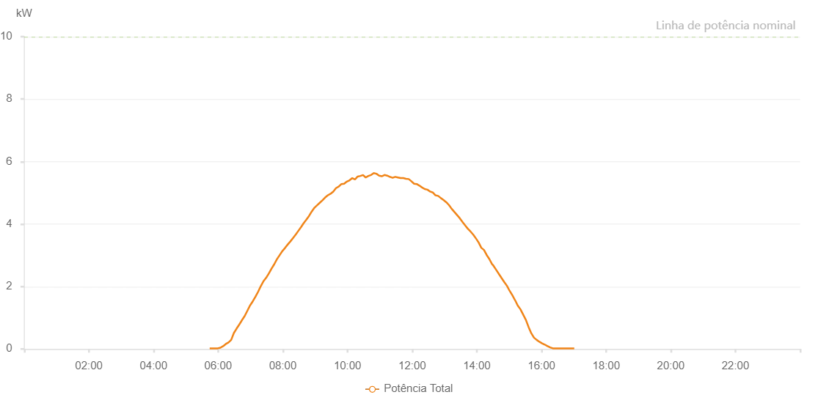

Number | Time | Working State | Alarm Code | Total Inverter Power(W)
1 | 05/07/2022 05:44:17 (UTC-4:00) | Normal |  | 20.000
2 | 05/07/2022 05:49:15 (UTC-4:00) | Normal |  | 20.000
3 | 05/07/2022 05:54:14 (UTC-4:00) | Normal |  | 20.000
4 | 05/07/2022 05:59:15 (UTC-4:00) | Normal |  | 20.000
5 | 05/07/2022 06:04:17 (UTC-4:00) | Normal |  | 40.000
6 | 05/07/2022 06:09:15 (UTC-4:00) | Normal |  | 90.000
7 | 05/07/2022 06:14:14 (UTC-4:00) | Normal |  | 160.000
8 | 05/07/2022 06:19:12 (UTC-4:00) | Normal |  | 210.000
9 | 05/07/2022 06:24:11 (UTC-4:00) | Normal |  | 290.000
10 | 05/07/2022 06:29:09 (UTC-4:00) | Normal |  | 510.000
11 | 05/07/2022 06:34:08 (UTC-4:00) | Normal |  | 650.000
12 | 05/07/2022 06:39:07 (UTC-4:00) | Normal |  | 780.000
13 | 05/07/2022 06:44:05 (UTC-4:00) | Normal |  | 920.000
14 | 05/07/2022 06:49:05 (UTC-4:00) | Normal |  | 1050.000
15 | 05/07/2022 06:54:06 (UTC-4:00) | Normal |  | 1220.000
16 | 05/07/2022 06:59:03 (UTC-4:00) | Normal |  | 1390.000
17 | 05/07/2022 07:04:04 (UTC-4:00) | Normal |  | 1520.000
18 | 05/07/2022 07:09:04 (UTC-4:00) | Normal |  | 1670.000
19 | 05/07/2022 07:14:06 (UTC-4:00) | Normal |  | 1830.000
20 | 05/07/2022 07:19:06 (UTC-4:00) | Normal |  | 2010.000
21 | 05/07/2022 07:24:08 (UTC-4:00) | Normal |  | 2170.000
22 | 05/07/2022 07:29:07 (UTC-4:00) | Normal |  | 2280.000
23 | 05/07/2022 07:34:06 (UTC-4:00) | Normal |  | 2420.000
24 | 05/07/2022 07:39:02 (UTC-4:00) | Normal |  | 2570.000
25 | 05/07/2022 07:44:00 (UTC-4:00) | Normal |  | 2710.000
26 | 05/07/2022 07:48:59 (UTC-4:00) | Normal |  | 2870.000
27 | 05/07/2022 07:53:57 (UTC-4:00) | Normal |  | 3000.000
28 | 05/07/2022 07:58:55 (UTC-4:00) | Normal |  | 3130.000
29 | 05/07/2022 08:03:54 (UTC-4:00) | Normal |  | 3230.000
30 | 05/07/2022 08:08:53 (UTC-4:00) | Normal |  | 3340.000
31 | 05/07/2022 08:13:51 (UTC-4:00) | Normal |  | 3440.000
32 | 05/07/2022 08:18:49 (UTC-4:00) | Normal |  | 3550.000
33 | 05/07/2022 08:23:47 (UTC-4:00) | Normal |  | 3660.000
34 | 05/07/2022 08:28:46 (UTC-4:00) | Normal |  | 3780.000
35 | 05/07/2022 08:33:45 (UTC-4:00) | Normal |  | 3900.000
36 | 05/07/2022 08:38:44 (UTC-4:00) | Normal |  | 4030.000
37 | 05/07/2022 08:43:42 (UTC-4:00) | Normal |  | 4140.000
38 | 05/07/2022 08:48:40 (UTC-4:00) | Normal |  | 4260.000
39 | 05/07/2022 08:53:39 (UTC-4:00) | Normal |  | 4400.000
40 | 05/07/2022 08:58:37 (UTC-4:00) | Normal |  | 4520.000
41 | 05/07/2022 09:03:36 (UTC-4:00) | Normal |  | 4600.000
42 | 05/07/2022 09:08:33 (UTC-4:00) | Normal |  | 4680.000
43 | 05/07/2022 09:13:32 (UTC-4:00) | Normal |  | 4760.000
44 | 05/07/2022 09:18:30 (UTC-4:00) | Normal |  | 4850.000
45 | 05/07/2022 09:23:32 (UTC-4:00) | Normal |  | 4920.000
46 | 05/07/2022 09:28:36 (UTC-4:00) | Normal |  | 4970.000
47 | 05/07/2022 09:33:38 (UTC-4:00) | Normal |  | 5040.000
48 | 05/07/2022 09:38:40 (UTC-4:00) | Normal |  | 5150.000
49 | 05/07/2022 09:43:43 (UTC-4:00) | Normal |  | 5200.000
50 | 05/07/2022 09:48:44 (UTC-4:00) | Normal |  | 5280.000
51 | 05/07/2022 09:53:46 (UTC-4:00) | Normal |  | 5290.000
52 | 05/07/2022 09:58:49 (UTC-4:00) | Normal |  | 5360.000
53 | 05/07/2022 10:03:51 (UTC-4:00) | Normal |  | 5400.000
54 | 05/07/2022 10:08:54 (UTC-4:00) | Normal |  | 5470.000
55 | 05/07/2022 10:13:56 (UTC-4:00) | Normal |  | 5430.000
56 | 05/07/2022 10:18:54 (UTC-4:00) | Normal |  | 5520.000
57 | 05/07/2022 10:23:53 (UTC-4:00) | Normal |  | 5540.000
58 | 05/07/2022 10:28:51 (UTC-4:00) | Normal |  | 5570.000
59 | 05/07/2022 10:33:50 (UTC-4:00) | Normal |  | 5490.000
60 | 05/07/2022 10:38:48 (UTC-4:00) | Normal |  | 5540.000
61 | 05/07/2022 10:43:47 (UTC-4:00) | Normal |  | 5570.000
62 | 05/07/2022 10:48:45 (UTC-4:00) | Normal |  | 5630.000
63 | 05/07/2022 10:53:44 (UTC-4:00) | Normal |  | 5610.000
64 | 05/07/2022 10:58:43 (UTC-4:00) | Normal |  | 5550.000
65 | 05/07/2022 11:03:41 (UTC-4:00) | Normal |  | 5530.000
66 | 05/07/2022 11:08:40 (UTC-4:00) | Normal |  | 5570.000
67 | 05/07/2022 11:13:38 (UTC-4:00) | Normal |  | 5550.000
68 | 05/07/2022 11:18:39 (UTC-4:00) | Normal |  | 5510.000
69 | 05/07/2022 11:19:04 (UTC-4:00) | Normal |  | 5510.000
70 | 05/07/2022 11:23:42 (UTC-4:00) | Normal |  | 5480.000
71 | 05/07/2022 11:28:40 (UTC-4:00) | Normal |  | 5510.000
72 | 05/07/2022 11:33:39 (UTC-4:00) | Normal |  | 5490.000
73 | 05/07/2022 11:38:37 (UTC-4:00) | Normal |  | 5470.000
74 | 05/07/2022 11:43:35 (UTC-4:00) | Normal |  | 5470.000
75 | 05/07/2022 11:48:35 (UTC-4:00) | Normal |  | 5450.000
76 | 05/07/2022 11:53:34 (UTC-4:00) | Normal |  | 5440.000
77 | 05/07/2022 11:58:36 (UTC-4:00) | Normal |  | 5370.000
78 | 05/07/2022 12:03:34 (UTC-4:00) | Normal |  | 5290.000
79 | 05/07/2022 12:08:29 (UTC-4:00) | Normal |  | 5280.000
80 | 05/07/2022 12:13:27 (UTC-4:00) | Normal |  | 5230.000
81 | 05/07/2022 12:18:25 (UTC-4:00) | Normal |  | 5170.000
82 | 05/07/2022 12:23:25 (UTC-4:00) | Normal |  | 5120.000
83 | 05/07/2022 12:28:23 (UTC-4:00) | Normal |  | 5100.000
84 | 05/07/2022 12:33:22 (UTC-4:00) | Normal |  | 5040.000
85 | 05/07/2022 12:38:20 (UTC-4:00) | Normal |  | 5010.000
86 | 05/07/2022 12:43:18 (UTC-4:00) | Normal |  | 4920.000
87 | 05/07/2022 12:48:18 (UTC-4:00) | Normal |  | 4900.000
88 | 05/07/2022 12:53:18 (UTC-4:00) | Normal |  | 4830.000
89 | 05/07/2022 12:58:17 (UTC-4:00) | Normal |  | 4770.000
90 | 05/07/2022 13:03:15 (UTC-4:00) | Normal |  | 4700.000
91 | 05/07/2022 13:08:13 (UTC-4:00) | Normal |  | 4610.000
92 | 05/07/2022 13:13:13 (UTC-4:00) | Normal |  | 4490.000
93 | 05/07/2022 13:18:13 (UTC-4:00) | Normal |  | 4390.000
94 | 05/07/2022 13:23:13 (UTC-4:00) | Normal |  | 4290.000
95 | 05/07/2022 13:28:12 (UTC-4:00) | Normal |  | 4190.000
96 | 05/07/2022 13:33:14 (UTC-4:00) | Normal |  | 4070.000
97 | 05/07/2022 13:38:15 (UTC-4:00) | Normal |  | 3960.000
98 | 05/07/2022 13:43:17 (UTC-4:00) | Normal |  | 3850.000
99 | 05/07/2022 13:48:20 (UTC-4:00) | Normal |  | 3760.000
100 | 05/07/2022 13:53:22 (UTC-4:00) | Normal |  | 3660.000
101 | 05/07/2022 13:58:21 (UTC-4:00) | Normal |  | 3540.000
102 | 05/07/2022 14:03:19 (UTC-4:00) | Normal |  | 3410.000
103 | 05/07/2022 14:08:18 (UTC-4:00) | Normal |  | 3240.000
104 | 05/07/2022 14:13:16 (UTC-4:00) | Normal |  | 3170.000
105 | 05/07/2022 14:18:14 (UTC-4:00) | Normal |  | 3010.000
106 | 05/07/2022 14:23:13 (UTC-4:00) | Normal |  | 2880.000
107 | 05/07/2022 14:28:11 (UTC-4:00) | Normal |  | 2720.000
108 | 05/07/2022 14:30:42 (UTC-4:00) | Normal |  | 2670.000
109 | 05/07/2022 14:36:02 (UTC-4:00) | Normal |  | 2530.000
110 | 05/07/2022 14:41:01 (UTC-4:00) | Normal |  | 2400.000
111 | 05/07/2022 14:45:59 (UTC-4:00) | Normal |  | 2270.000
112 | 05/07/2022 14:50:58 (UTC-4:00) | Normal |  | 2140.000
113 | 05/07/2022 14:55:57 (UTC-4:00) | Normal |  | 2020.000
114 | 05/07/2022 15:00:55 (UTC-4:00) | Normal |  | 1860.000
115 | 05/07/2022 15:05:54 (UTC-4:00) | Normal |  | 1720.000
116 | 05/07/2022 15:10:56 (UTC-4:00) | Normal |  | 1560.000
117 | 05/07/2022 15:11:05 (UTC-4:00) | Normal |  | 1560.000
118 | 05/07/2022 15:15:55 (UTC-4:00) | Normal |  | 1390.000
119 | 05/07/2022 15:20:58 (UTC-4:00) | Normal |  | 1270.000
120 | 05/07/2022 15:26:01 (UTC-4:00) | Normal |  | 1100.000
121 | 05/07/2022 15:31:04 (UTC-4:00) | Normal |  | 930.000
122 | 05/07/2022 15:36:06 (UTC-4:00) | Normal |  | 700.000
123 | 05/07/2022 15:41:09 (UTC-4:00) | Normal |  | 500.000
124 | 05/07/2022 15:46:08 (UTC-4:00) | Normal |  | 360.000
125 | 05/07/2022 15:51:06 (UTC-4:00) | Normal |  | 290.000
126 | 05/07/2022 15:56:05 (UTC-4:00) | Normal |  | 230.000
127 | 05/07/2022 16:01:06 (UTC-4:00) | Normal |  | 180.000
128 | 05/07/2022 16:06:04 (UTC-4:00) | Normal |  | 140.000
129 | 05/07/2022 16:11:03 (UTC-4:00) | Normal |  | 90.000
130 | 05/07/2022 16:11:14 (UTC-4:00) | Normal |  | 90.000
131 | 05/07/2022 16:16:02 (UTC-4:00) | Normal |  | 50.000
132 | 05/07/2022 16:21:05 (UTC-4:00) | Normal |  | 20.000
133 | 05/07/2022 16:25:59 (UTC-4:00) | Normal |  | 20.000
134 | 05/07/2022 16:30:58 (UTC-4:00) | Normal |  | 20.000
135 | 05/07/2022 16:35:56 (UTC-4:00) | Normal |  | 20.000
136 | 05/07/2022 16:40:55 (UTC-4:00) | Normal |  | 20.000
137 | 05/07/2022 16:45:55 (UTC-4:00) | Normal |  | 20.000
138 | 05/07/2022 16:50:53 (UTC-4:00) | Normal |  | 20.000
139 | 05/07/2022 16:55:51 (UTC-4:00) | Normal |  | 20.000
140 | 05/07/2022 17:00:50 (UTC-4:00) | Normal |  | 20.000

