Inverter History Report__17-08-
Inverter History Report_06/07/2022_Report

Inverter SN:054B7020C020041 |  | Inverter type:B7
Collector SN:4045966636 |  | Full Load Hours(h):3.23
Rated Power:10000Wp

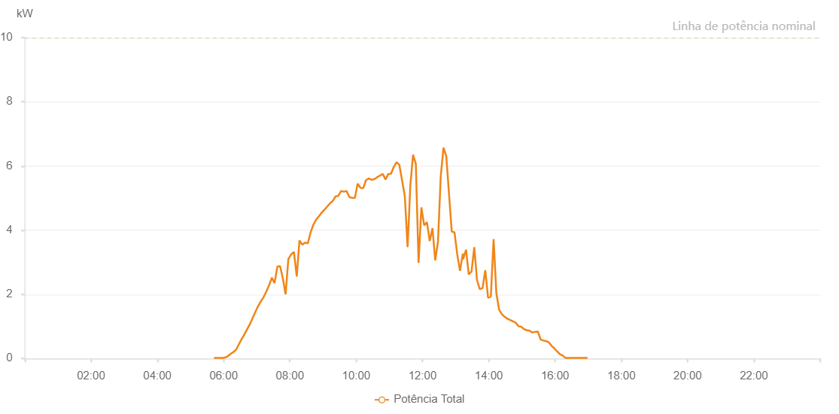

Number | Time | Working State | Alarm Code | Total Inverter Power(W)
1 | 06/07/2022 05:42:30 (UTC-4:00) | Normal |  | 20.000
2 | 06/07/2022 05:47:29 (UTC-4:00) | Normal |  | 20.000
3 | 06/07/2022 05:52:27 (UTC-4:00) | Normal |  | 20.000
4 | 06/07/2022 05:57:29 (UTC-4:00) | Normal |  | 20.000
5 | 06/07/2022 06:02:32 (UTC-4:00) | Normal |  | 30.000
6 | 06/07/2022 06:07:31 (UTC-4:00) | Normal |  | 70.000
7 | 06/07/2022 06:12:30 (UTC-4:00) | Normal |  | 140.000
8 | 06/07/2022 06:17:30 (UTC-4:00) | Normal |  | 200.000
9 | 06/07/2022 06:22:30 (UTC-4:00) | Normal |  | 270.000
10 | 06/07/2022 06:27:31 (UTC-4:00) | Normal |  | 440.000
11 | 06/07/2022 06:32:28 (UTC-4:00) | Normal |  | 600.000
12 | 06/07/2022 06:37:28 (UTC-4:00) | Normal |  | 750.000
13 | 06/07/2022 06:42:30 (UTC-4:00) | Normal |  | 910.000
14 | 06/07/2022 06:42:35 (UTC-4:00) | Normal |  | 910.000
15 | 06/07/2022 06:47:32 (UTC-4:00) | Normal |  | 1070.000
16 | 06/07/2022 06:52:28 (UTC-4:00) | Normal |  | 1260.000
17 | 06/07/2022 06:57:26 (UTC-4:00) | Normal |  | 1450.000
18 | 06/07/2022 07:02:20 (UTC-4:00) | Normal |  | 1630.000
19 | 06/07/2022 07:07:19 (UTC-4:00) | Normal |  | 1780.000
20 | 06/07/2022 07:12:18 (UTC-4:00) | Normal |  | 1910.000
21 | 06/07/2022 07:17:17 (UTC-4:00) | Normal |  | 2090.000
22 | 06/07/2022 07:22:16 (UTC-4:00) | Normal |  | 2280.000
23 | 06/07/2022 07:27:15 (UTC-4:00) | Normal |  | 2520.000
24 | 06/07/2022 07:32:14 (UTC-4:00) | Normal |  | 2350.000
25 | 06/07/2022 07:37:13 (UTC-4:00) | Normal |  | 2860.000
26 | 06/07/2022 07:42:13 (UTC-4:00) | Normal |  | 2880.000
27 | 06/07/2022 07:47:11 (UTC-4:00) | Normal |  | 2500.000
28 | 06/07/2022 07:52:10 (UTC-4:00) | Normal |  | 2000.000
29 | 06/07/2022 07:57:09 (UTC-4:00) | Normal |  | 3100.000
30 | 06/07/2022 08:02:10 (UTC-4:00) | Normal |  | 3240.000
31 | 06/07/2022 08:07:14 (UTC-4:00) | Normal |  | 3320.000
32 | 06/07/2022 08:12:17 (UTC-4:00) | Normal |  | 2570.000
33 | 06/07/2022 08:12:27 (UTC-4:00) | Normal |  | 2570.000
34 | 06/07/2022 08:17:20 (UTC-4:00) | Normal |  | 3680.000
35 | 06/07/2022 08:22:23 (UTC-4:00) | Normal |  | 3550.000
36 | 06/07/2022 08:27:26 (UTC-4:00) | Normal |  | 3610.000
37 | 06/07/2022 08:32:29 (UTC-4:00) | Normal |  | 3590.000
38 | 06/07/2022 08:37:37 (UTC-4:00) | Normal |  | 3940.000
39 | 06/07/2022 08:42:38 (UTC-4:00) | Normal |  | 4180.000
40 | 06/07/2022 08:42:49 (UTC-4:00) | Normal |  | 4180.000
41 | 06/07/2022 08:47:38 (UTC-4:00) | Normal |  | 4330.000
42 | 06/07/2022 08:52:43 (UTC-4:00) | Normal |  | 4440.000
43 | 06/07/2022 08:52:52 (UTC-4:00) | Normal |  | 4440.000
44 | 06/07/2022 08:57:44 (UTC-4:00) | Normal |  | 4550.000
45 | 06/07/2022 09:02:45 (UTC-4:00) | Normal |  | 4640.000
46 | 06/07/2022 09:07:42 (UTC-4:00) | Normal |  | 4740.000
47 | 06/07/2022 09:12:41 (UTC-4:00) | Normal |  | 4840.000
48 | 06/07/2022 09:17:40 (UTC-4:00) | Normal |  | 4910.000
49 | 06/07/2022 09:22:40 (UTC-4:00) | Normal |  | 5050.000
50 | 06/07/2022 09:27:40 (UTC-4:00) | Normal |  | 5070.000
51 | 06/07/2022 09:32:34 (UTC-4:00) | Normal |  | 5220.000
52 | 06/07/2022 09:32:38 (UTC-4:00) | Normal |  | 5220.000
53 | 06/07/2022 09:32:48 (UTC-4:00) | Normal |  | 5220.000
54 | 06/07/2022 09:37:37 (UTC-4:00) | Normal |  | 5200.000
55 | 06/07/2022 09:42:36 (UTC-4:00) | Normal |  | 5220.000
56 | 06/07/2022 09:47:35 (UTC-4:00) | Normal |  | 5030.000
57 | 06/07/2022 09:52:33 (UTC-4:00) | Normal |  | 5010.000
58 | 06/07/2022 09:57:33 (UTC-4:00) | Normal |  | 5000.000
59 | 06/07/2022 10:02:37 (UTC-4:00) | Normal |  | 5450.000
60 | 06/07/2022 10:07:45 (UTC-4:00) | Normal |  | 5320.000
61 | 06/07/2022 10:12:43 (UTC-4:00) | Normal |  | 5310.000
62 | 06/07/2022 10:17:48 (UTC-4:00) | Normal |  | 5560.000
63 | 06/07/2022 10:22:49 (UTC-4:00) | Normal |  | 5610.000
64 | 06/07/2022 10:22:59 (UTC-4:00) | Normal |  | 5610.000
65 | 06/07/2022 10:27:51 (UTC-4:00) | Normal |  | 5570.000
66 | 06/07/2022 10:32:55 (UTC-4:00) | Normal |  | 5590.000
67 | 06/07/2022 10:37:57 (UTC-4:00) | Normal |  | 5650.000
68 | 06/07/2022 10:43:00 (UTC-4:00) | Normal |  | 5700.000
69 | 06/07/2022 10:48:03 (UTC-4:00) | Normal |  | 5750.000
70 | 06/07/2022 10:53:06 (UTC-4:00) | Normal |  | 5580.000
71 | 06/07/2022 10:58:05 (UTC-4:00) | Normal |  | 5750.000
72 | 06/07/2022 11:03:04 (UTC-4:00) | Normal |  | 5760.000
73 | 06/07/2022 11:08:03 (UTC-4:00) | Normal |  | 5970.000
74 | 06/07/2022 11:13:02 (UTC-4:00) | Normal |  | 6120.000
75 | 06/07/2022 11:18:01 (UTC-4:00) | Normal |  | 6040.000
76 | 06/07/2022 11:23:01 (UTC-4:00) | Normal |  | 5560.000
77 | 06/07/2022 11:27:59 (UTC-4:00) | Normal |  | 5060.000
78 | 06/07/2022 11:33:00 (UTC-4:00) | Normal |  | 3490.000
79 | 06/07/2022 11:33:09 (UTC-4:00) | Normal |  | 3490.000
80 | 06/07/2022 11:37:59 (UTC-4:00) | Normal |  | 5390.000
81 | 06/07/2022 11:42:57 (UTC-4:00) | Normal |  | 6350.000
82 | 06/07/2022 11:47:56 (UTC-4:00) | Normal |  | 6070.000
83 | 06/07/2022 11:52:57 (UTC-4:00) | Normal |  | 2980.000
84 | 06/07/2022 11:58:00 (UTC-4:00) | Normal |  | 4710.000
85 | 06/07/2022 12:03:03 (UTC-4:00) | Normal |  | 4150.000
86 | 06/07/2022 12:08:06 (UTC-4:00) | Normal |  | 4250.000
87 | 06/07/2022 12:13:05 (UTC-4:00) | Normal |  | 3660.000
88 | 06/07/2022 12:18:04 (UTC-4:00) | Normal |  | 4060.000
89 | 06/07/2022 12:23:03 (UTC-4:00) | Normal |  | 3060.000
90 | 06/07/2022 12:28:02 (UTC-4:00) | Normal |  | 3630.000
91 | 06/07/2022 12:33:02 (UTC-4:00) | Normal |  | 5670.000
92 | 06/07/2022 12:38:03 (UTC-4:00) | Normal |  | 6570.000
93 | 06/07/2022 12:43:03 (UTC-4:00) | Normal |  | 6310.000
94 | 06/07/2022 12:47:58 (UTC-4:00) | Normal |  | 5150.000
95 | 06/07/2022 12:52:57 (UTC-4:00) | Normal |  | 3960.000
96 | 06/07/2022 12:57:56 (UTC-4:00) | Normal |  | 3930.000
97 | 06/07/2022 13:02:55 (UTC-4:00) | Normal |  | 3250.000
98 | 06/07/2022 13:07:55 (UTC-4:00) | Normal |  | 2730.000
99 | 06/07/2022 13:12:58 (UTC-4:00) | Normal |  | 3270.000
100 | 06/07/2022 13:13:30 (UTC-4:00) | Normal |  | 3090.000
101 | 06/07/2022 13:18:49 (UTC-4:00) | Normal |  | 3390.000
102 | 06/07/2022 13:23:48 (UTC-4:00) | Normal |  | 2620.000
103 | 06/07/2022 13:28:47 (UTC-4:00) | Normal |  | 2710.000
104 | 06/07/2022 13:33:46 (UTC-4:00) | Normal |  | 3470.000
105 | 06/07/2022 13:38:44 (UTC-4:00) | Normal |  | 2440.000
106 | 06/07/2022 13:43:44 (UTC-4:00) | Normal |  | 2160.000
107 | 06/07/2022 13:48:43 (UTC-4:00) | Normal |  | 2190.000
108 | 06/07/2022 13:53:43 (UTC-4:00) | Normal |  | 2750.000
109 | 06/07/2022 13:58:46 (UTC-4:00) | Normal |  | 1890.000
110 | 06/07/2022 14:03:45 (UTC-4:00) | Normal |  | 1930.000
111 | 06/07/2022 14:08:44 (UTC-4:00) | Normal |  | 3720.000
112 | 06/07/2022 14:13:43 (UTC-4:00) | Normal |  | 2040.000
113 | 06/07/2022 14:18:42 (UTC-4:00) | Normal |  | 1520.000
114 | 06/07/2022 14:23:41 (UTC-4:00) | Normal |  | 1380.000
115 | 06/07/2022 14:28:39 (UTC-4:00) | Normal |  | 1300.000
116 | 06/07/2022 14:33:38 (UTC-4:00) | Normal |  | 1240.000
117 | 06/07/2022 14:38:37 (UTC-4:00) | Normal |  | 1200.000
118 | 06/07/2022 14:43:36 (UTC-4:00) | Normal |  | 1160.000
119 | 06/07/2022 14:48:35 (UTC-4:00) | Normal |  | 1120.000
120 | 06/07/2022 14:53:34 (UTC-4:00) | Normal |  | 1010.000
121 | 06/07/2022 14:58:36 (UTC-4:00) | Normal |  | 990.000
122 | 06/07/2022 15:03:39 (UTC-4:00) | Normal |  | 920.000
123 | 06/07/2022 15:08:42 (UTC-4:00) | Normal |  | 880.000
124 | 06/07/2022 15:13:45 (UTC-4:00) | Normal |  | 870.000
125 | 06/07/2022 15:18:47 (UTC-4:00) | Normal |  | 810.000
126 | 06/07/2022 15:23:50 (UTC-4:00) | Normal |  | 830.000
127 | 06/07/2022 15:28:53 (UTC-4:00) | Normal |  | 840.000
128 | 06/07/2022 15:33:56 (UTC-4:00) | Normal |  | 590.000
129 | 06/07/2022 15:38:59 (UTC-4:00) | Normal |  | 560.000
130 | 06/07/2022 15:43:58 (UTC-4:00) | Normal |  | 540.000
131 | 06/07/2022 15:48:57 (UTC-4:00) | Normal |  | 500.000
132 | 06/07/2022 15:53:56 (UTC-4:00) | Normal |  | 390.000
133 | 06/07/2022 15:58:55 (UTC-4:00) | Normal |  | 310.000
134 | 06/07/2022 16:03:54 (UTC-4:00) | Normal |  | 220.000
135 | 06/07/2022 16:08:53 (UTC-4:00) | Normal |  | 130.000
136 | 06/07/2022 16:13:52 (UTC-4:00) | Normal |  | 90.000
137 | 06/07/2022 16:18:51 (UTC-4:00) | Normal |  | 20.000
138 | 06/07/2022 16:23:50 (UTC-4:00) | Normal |  | 20.000
139 | 06/07/2022 16:28:49 (UTC-4:00) | Normal |  | 20.000
140 | 06/07/2022 16:33:47 (UTC-4:00) | Normal |  | 20.000
141 | 06/07/2022 16:38:47 (UTC-4:00) | Normal |  | 20.000
142 | 06/07/2022 16:43:50 (UTC-4:00) | Normal |  | 20.000
143 | 06/07/2022 16:48:49 (UTC-4:00) | Normal |  | 20.000
144 | 06/07/2022 16:53:48 (UTC-4:00) | Normal |  | 20.000
145 | 06/07/2022 16:58:47 (UTC-4:00) | Normal |  | 20.000

