Inverter History Report__17-08-
Inverter History Report_10/07/2022_Report

Inverter SN:054B7020C020041 |  | Inverter type:B7
Collector SN:4045966636 |  | Full Load Hours(h):3.40
Rated Power:10000Wp

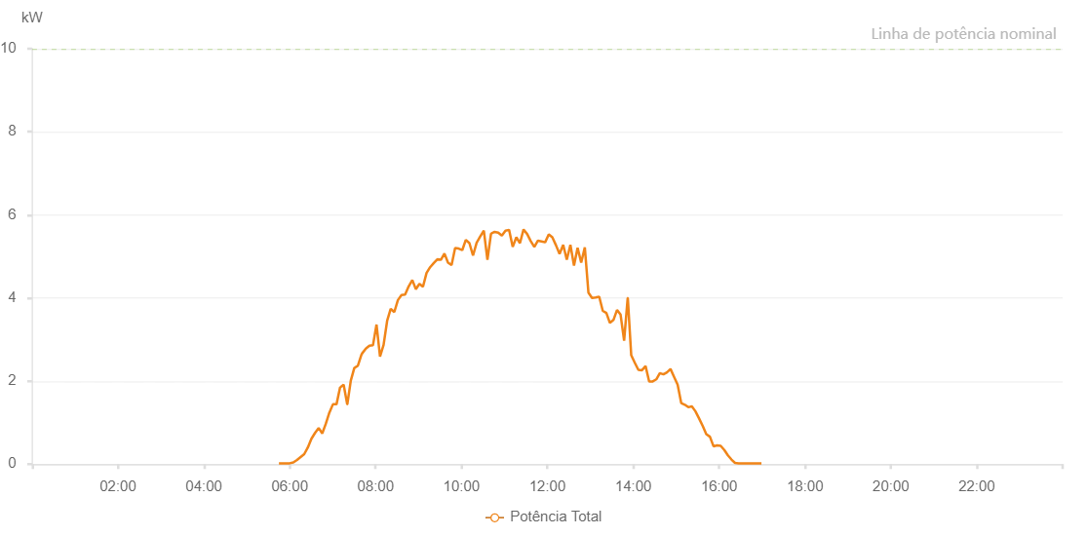

Number | Time | Working State | Alarm Code | Total Inverter Power(W)
1 | 10/07/2022 05:44:56 (UTC-4:00) | Normal |  | 20.000
2 | 10/07/2022 05:49:56 (UTC-4:00) | Normal |  | 20.000
3 | 10/07/2022 05:54:56 (UTC-4:00) | Normal |  | 20.000
4 | 10/07/2022 05:59:57 (UTC-4:00) | Normal |  | 20.000
5 | 10/07/2022 06:05:01 (UTC-4:00) | Normal |  | 40.000
6 | 10/07/2022 06:10:08 (UTC-4:00) | Normal |  | 100.000
7 | 10/07/2022 06:15:10 (UTC-4:00) | Normal |  | 170.000
8 | 10/07/2022 06:20:14 (UTC-4:00) | Normal |  | 240.000
9 | 10/07/2022 06:25:17 (UTC-4:00) | Normal |  | 400.000
10 | 10/07/2022 06:30:17 (UTC-4:00) | Normal |  | 610.000
11 | 10/07/2022 06:35:21 (UTC-4:00) | Normal |  | 750.000
12 | 10/07/2022 06:40:24 (UTC-4:00) | Normal |  | 870.000
13 | 10/07/2022 06:45:25 (UTC-4:00) | Normal |  | 740.000
14 | 10/07/2022 06:50:23 (UTC-4:00) | Normal |  | 970.000
15 | 10/07/2022 06:55:22 (UTC-4:00) | Normal |  | 1240.000
16 | 10/07/2022 07:00:21 (UTC-4:00) | Normal |  | 1440.000
17 | 10/07/2022 07:05:21 (UTC-4:00) | Normal |  | 1440.000
18 | 10/07/2022 07:10:21 (UTC-4:00) | Normal |  | 1850.000
19 | 10/07/2022 07:10:31 (UTC-4:00) | Normal |  | 1850.000
20 | 10/07/2022 07:15:20 (UTC-4:00) | Normal |  | 1910.000
21 | 10/07/2022 07:20:19 (UTC-4:00) | Normal |  | 1440.000
22 | 10/07/2022 07:20:30 (UTC-4:00) | Normal |  | 1440.000
23 | 10/07/2022 07:25:19 (UTC-4:00) | Normal |  | 2010.000
24 | 10/07/2022 07:30:18 (UTC-4:00) | Normal |  | 2320.000
25 | 10/07/2022 07:30:43 (UTC-4:00) | Normal |  | 2320.000
26 | 10/07/2022 07:35:17 (UTC-4:00) | Normal |  | 2370.000
27 | 10/07/2022 07:40:20 (UTC-4:00) | Normal |  | 2640.000
28 | 10/07/2022 07:40:31 (UTC-4:00) | Normal |  | 2640.000
29 | 10/07/2022 07:40:56 (UTC-4:00) | Normal |  | 2660.000
30 | 10/07/2022 07:46:18 (UTC-4:00) | Normal |  | 2780.000
31 | 10/07/2022 07:51:17 (UTC-4:00) | Normal |  | 2850.000
32 | 10/07/2022 07:56:16 (UTC-4:00) | Normal |  | 2860.000
33 | 10/07/2022 08:01:16 (UTC-4:00) | Normal |  | 3360.000
34 | 10/07/2022 08:06:10 (UTC-4:00) | Normal |  | 2590.000
35 | 10/07/2022 08:11:09 (UTC-4:00) | Normal |  | 2870.000
36 | 10/07/2022 08:16:07 (UTC-4:00) | Normal |  | 3450.000
37 | 10/07/2022 08:21:05 (UTC-4:00) | Normal |  | 3740.000
38 | 10/07/2022 08:26:06 (UTC-4:00) | Normal |  | 3660.000
39 | 10/07/2022 08:31:10 (UTC-4:00) | Normal |  | 3950.000
40 | 10/07/2022 08:36:10 (UTC-4:00) | Normal |  | 4070.000
41 | 10/07/2022 08:41:12 (UTC-4:00) | Normal |  | 4080.000
42 | 10/07/2022 08:46:14 (UTC-4:00) | Normal |  | 4280.000
43 | 10/07/2022 08:51:17 (UTC-4:00) | Normal |  | 4430.000
44 | 10/07/2022 08:56:15 (UTC-4:00) | Normal |  | 4210.000
45 | 10/07/2022 09:01:13 (UTC-4:00) | Normal |  | 4340.000
46 | 10/07/2022 09:06:11 (UTC-4:00) | Normal |  | 4270.000
47 | 10/07/2022 09:11:09 (UTC-4:00) | Normal |  | 4600.000
48 | 10/07/2022 09:16:08 (UTC-4:00) | Normal |  | 4740.000
49 | 10/07/2022 09:21:18 (UTC-4:00) | Normal |  | 4840.000
50 | 10/07/2022 09:26:15 (UTC-4:00) | Normal |  | 4930.000
51 | 10/07/2022 09:31:13 (UTC-4:00) | Normal |  | 4920.000
52 | 10/07/2022 09:36:11 (UTC-4:00) | Normal |  | 5070.000
53 | 10/07/2022 09:41:09 (UTC-4:00) | Normal |  | 4850.000
54 | 10/07/2022 09:46:08 (UTC-4:00) | Normal |  | 4790.000
55 | 10/07/2022 09:51:06 (UTC-4:00) | Normal |  | 5200.000
56 | 10/07/2022 09:56:04 (UTC-4:00) | Normal |  | 5190.000
57 | 10/07/2022 10:01:04 (UTC-4:00) | Normal |  | 5150.000
58 | 10/07/2022 10:06:02 (UTC-4:00) | Normal |  | 5400.000
59 | 10/07/2022 10:11:05 (UTC-4:00) | Normal |  | 5320.000
60 | 10/07/2022 10:16:07 (UTC-4:00) | Normal |  | 5020.000
61 | 10/07/2022 10:21:09 (UTC-4:00) | Normal |  | 5330.000
62 | 10/07/2022 10:26:11 (UTC-4:00) | Normal |  | 5480.000
63 | 10/07/2022 10:31:13 (UTC-4:00) | Normal |  | 5620.000
64 | 10/07/2022 10:36:15 (UTC-4:00) | Normal |  | 4920.000
65 | 10/07/2022 10:41:18 (UTC-4:00) | Normal |  | 5550.000
66 | 10/07/2022 10:41:33 (UTC-4:00) | Normal |  | 5550.000
67 | 10/07/2022 10:46:20 (UTC-4:00) | Normal |  | 5590.000
68 | 10/07/2022 10:51:22 (UTC-4:00) | Normal |  | 5570.000
69 | 10/07/2022 10:56:24 (UTC-4:00) | Normal |  | 5500.000
70 | 10/07/2022 11:01:27 (UTC-4:00) | Normal |  | 5620.000
71 | 10/07/2022 11:06:30 (UTC-4:00) | Normal |  | 5640.000
72 | 10/07/2022 11:11:33 (UTC-4:00) | Normal |  | 5230.000
73 | 10/07/2022 11:16:39 (UTC-4:00) | Normal |  | 5460.000
74 | 10/07/2022 11:21:42 (UTC-4:00) | Normal |  | 5320.000
75 | 10/07/2022 11:26:44 (UTC-4:00) | Normal |  | 5650.000
76 | 10/07/2022 11:31:45 (UTC-4:00) | Normal |  | 5540.000
77 | 10/07/2022 11:36:44 (UTC-4:00) | Normal |  | 5370.000
78 | 10/07/2022 11:41:47 (UTC-4:00) | Normal |  | 5230.000
79 | 10/07/2022 11:46:48 (UTC-4:00) | Normal |  | 5380.000
80 | 10/07/2022 11:51:53 (UTC-4:00) | Normal |  | 5360.000
81 | 10/07/2022 11:56:54 (UTC-4:00) | Normal |  | 5340.000
82 | 10/07/2022 12:01:57 (UTC-4:00) | Normal |  | 5530.000
83 | 10/07/2022 12:06:58 (UTC-4:00) | Normal |  | 5460.000
84 | 10/07/2022 12:12:00 (UTC-4:00) | Normal |  | 5270.000
85 | 10/07/2022 12:17:02 (UTC-4:00) | Normal |  | 5060.000
86 | 10/07/2022 12:22:07 (UTC-4:00) | Normal |  | 5280.000
87 | 10/07/2022 12:27:09 (UTC-4:00) | Normal |  | 4920.000
88 | 10/07/2022 12:32:11 (UTC-4:00) | Normal |  | 5280.000
89 | 10/07/2022 12:37:13 (UTC-4:00) | Normal |  | 4780.000
90 | 10/07/2022 12:42:15 (UTC-4:00) | Normal |  | 5210.000
91 | 10/07/2022 12:47:17 (UTC-4:00) | Normal |  | 4850.000
92 | 10/07/2022 12:52:20 (UTC-4:00) | Normal |  | 5220.000
93 | 10/07/2022 12:57:22 (UTC-4:00) | Normal |  | 4130.000
94 | 10/07/2022 13:02:24 (UTC-4:00) | Normal |  | 4000.000
95 | 10/07/2022 13:07:26 (UTC-4:00) | Normal |  | 4010.000
96 | 10/07/2022 13:12:28 (UTC-4:00) | Normal |  | 4030.000
97 | 10/07/2022 13:17:26 (UTC-4:00) | Normal |  | 3690.000
98 | 10/07/2022 13:22:25 (UTC-4:00) | Normal |  | 3640.000
99 | 10/07/2022 13:27:23 (UTC-4:00) | Normal |  | 3400.000
100 | 10/07/2022 13:32:21 (UTC-4:00) | Normal |  | 3470.000
101 | 10/07/2022 13:37:19 (UTC-4:00) | Normal |  | 3710.000
102 | 10/07/2022 13:42:18 (UTC-4:00) | Normal |  | 3600.000
103 | 10/07/2022 13:47:16 (UTC-4:00) | Normal |  | 2970.000
104 | 10/07/2022 13:52:14 (UTC-4:00) | Normal |  | 4000.000
105 | 10/07/2022 13:52:25 (UTC-4:00) | Normal |  | 4000.000
106 | 10/07/2022 13:57:12 (UTC-4:00) | Normal |  | 2620.000
107 | 10/07/2022 14:02:10 (UTC-4:00) | Normal |  | 2440.000
108 | 10/07/2022 14:07:09 (UTC-4:00) | Normal |  | 2270.000
109 | 10/07/2022 14:12:11 (UTC-4:00) | Normal |  | 2260.000
110 | 10/07/2022 14:17:13 (UTC-4:00) | Normal |  | 2360.000
111 | 10/07/2022 14:22:15 (UTC-4:00) | Normal |  | 1990.000
112 | 10/07/2022 14:27:13 (UTC-4:00) | Normal |  | 1990.000
113 | 10/07/2022 14:32:11 (UTC-4:00) | Normal |  | 2040.000
114 | 10/07/2022 14:37:10 (UTC-4:00) | Normal |  | 2190.000
115 | 10/07/2022 14:42:08 (UTC-4:00) | Normal |  | 2160.000
116 | 10/07/2022 14:47:06 (UTC-4:00) | Normal |  | 2210.000
117 | 10/07/2022 14:52:04 (UTC-4:00) | Normal |  | 2290.000
118 | 10/07/2022 14:57:03 (UTC-4:00) | Normal |  | 2100.000
119 | 10/07/2022 15:02:02 (UTC-4:00) | Normal |  | 1910.000
120 | 10/07/2022 15:07:02 (UTC-4:00) | Normal |  | 1470.000
121 | 10/07/2022 15:12:02 (UTC-4:00) | Normal |  | 1430.000
122 | 10/07/2022 15:16:58 (UTC-4:00) | Normal |  | 1370.000
123 | 10/07/2022 15:21:56 (UTC-4:00) | Normal |  | 1390.000
124 | 10/07/2022 15:26:58 (UTC-4:00) | Normal |  | 1270.000
125 | 10/07/2022 15:32:00 (UTC-4:00) | Normal |  | 1100.000
126 | 10/07/2022 15:37:02 (UTC-4:00) | Normal |  | 920.000
127 | 10/07/2022 15:42:04 (UTC-4:00) | Normal |  | 720.000
128 | 10/07/2022 15:47:09 (UTC-4:00) | Normal |  | 660.000
129 | 10/07/2022 15:52:09 (UTC-4:00) | Normal |  | 430.000
130 | 10/07/2022 15:57:11 (UTC-4:00) | Normal |  | 450.000
131 | 10/07/2022 16:02:13 (UTC-4:00) | Normal |  | 440.000
132 | 10/07/2022 16:07:15 (UTC-4:00) | Normal |  | 340.000
133 | 10/07/2022 16:12:17 (UTC-4:00) | Normal |  | 210.000
134 | 10/07/2022 16:17:15 (UTC-4:00) | Normal |  | 110.000
135 | 10/07/2022 16:22:14 (UTC-4:00) | Normal |  | 30.000
136 | 10/07/2022 16:27:12 (UTC-4:00) | Normal |  | 20.000
137 | 10/07/2022 16:32:12 (UTC-4:00) | Normal |  | 20.000
138 | 10/07/2022 16:34:01 (UTC-4:00) | Normal |  | 20.000
139 | 10/07/2022 16:39:16 (UTC-4:00) | Normal |  | 20.000
140 | 10/07/2022 16:44:15 (UTC-4:00) | Normal |  | 20.000
141 | 10/07/2022 16:49:15 (UTC-4:00) | Normal |  | 20.000
142 | 10/07/2022 16:54:11 (UTC-4:00) | Normal |  | 20.000
143 | 10/07/2022 16:59:10 (UTC-4:00) | Normal |  | 20.000

