Inverter History Report__17-08-
Inverter History Report_12/07/2022_Report

Inverter SN:054B7020C020041 |  | Inverter type:B7
Collector SN:4045966636 |  | Full Load Hours(h):2.87
Rated Power:10000Wp

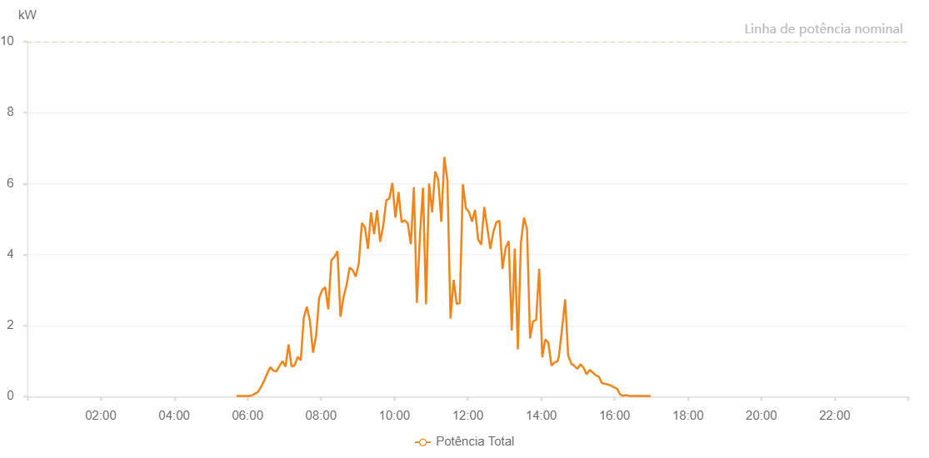

Number | Time | Working State | Alarm Code | Total Inverter Power(W)
1 | 12/07/2022 05:41:41 (UTC-4:00) | Normal |  | 20.000
2 | 12/07/2022 05:46:41 (UTC-4:00) | Normal |  | 20.000
3 | 12/07/2022 05:51:41 (UTC-4:00) | Normal |  | 20.000
4 | 12/07/2022 05:56:40 (UTC-4:00) | Normal |  | 20.000
5 | 12/07/2022 06:01:45 (UTC-4:00) | Normal |  | 20.000
6 | 12/07/2022 06:06:46 (UTC-4:00) | Normal |  | 30.000
7 | 12/07/2022 06:11:49 (UTC-4:00) | Normal |  | 80.000
8 | 12/07/2022 06:16:51 (UTC-4:00) | Normal |  | 130.000
9 | 12/07/2022 06:21:54 (UTC-4:00) | Normal |  | 270.000
10 | 12/07/2022 06:26:57 (UTC-4:00) | Normal |  | 440.000
11 | 12/07/2022 06:32:00 (UTC-4:00) | Normal |  | 650.000
12 | 12/07/2022 06:37:03 (UTC-4:00) | Normal |  | 830.000
13 | 12/07/2022 06:42:01 (UTC-4:00) | Normal |  | 730.000
14 | 12/07/2022 06:47:00 (UTC-4:00) | Normal |  | 710.000
15 | 12/07/2022 06:51:59 (UTC-4:00) | Normal |  | 860.000
16 | 12/07/2022 06:56:58 (UTC-4:00) | Normal |  | 1000.000
17 | 12/07/2022 07:01:57 (UTC-4:00) | Normal |  | 840.000
18 | 12/07/2022 07:06:56 (UTC-4:00) | Normal |  | 1470.000
19 | 12/07/2022 07:11:54 (UTC-4:00) | Normal |  | 850.000
20 | 12/07/2022 07:16:53 (UTC-4:00) | Normal |  | 880.000
21 | 12/07/2022 07:21:52 (UTC-4:00) | Normal |  | 1120.000
22 | 12/07/2022 07:26:53 (UTC-4:00) | Normal |  | 1020.000
23 | 12/07/2022 07:31:50 (UTC-4:00) | Normal |  | 2220.000
24 | 12/07/2022 07:36:49 (UTC-4:00) | Normal |  | 2530.000
25 | 12/07/2022 07:41:56 (UTC-4:00) | Normal |  | 2130.000
26 | 12/07/2022 07:46:55 (UTC-4:00) | Normal |  | 1240.000
27 | 12/07/2022 07:51:57 (UTC-4:00) | Normal |  | 1700.000
28 | 12/07/2022 07:56:57 (UTC-4:00) | Normal |  | 2780.000
29 | 12/07/2022 08:01:55 (UTC-4:00) | Normal |  | 3000.000
30 | 12/07/2022 08:06:55 (UTC-4:00) | Normal |  | 3080.000
31 | 12/07/2022 08:11:53 (UTC-4:00) | Normal |  | 2460.000
32 | 12/07/2022 08:16:53 (UTC-4:00) | Normal |  | 3840.000
33 | 12/07/2022 08:21:52 (UTC-4:00) | Normal |  | 3930.000
34 | 12/07/2022 08:26:55 (UTC-4:00) | Normal |  | 4100.000
35 | 12/07/2022 08:31:49 (UTC-4:00) | Normal |  | 2250.000
36 | 12/07/2022 08:36:48 (UTC-4:00) | Normal |  | 2800.000
37 | 12/07/2022 08:41:48 (UTC-4:00) | Normal |  | 3140.000
38 | 12/07/2022 08:46:47 (UTC-4:00) | Normal |  | 3640.000
39 | 12/07/2022 08:51:46 (UTC-4:00) | Normal |  | 3560.000
40 | 12/07/2022 08:56:47 (UTC-4:00) | Normal |  | 3380.000
41 | 12/07/2022 09:01:50 (UTC-4:00) | Normal |  | 3760.000
42 | 12/07/2022 09:06:48 (UTC-4:00) | Normal |  | 4890.000
43 | 12/07/2022 09:11:47 (UTC-4:00) | Normal |  | 4770.000
44 | 12/07/2022 09:16:46 (UTC-4:00) | Normal |  | 4160.000
45 | 12/07/2022 09:21:47 (UTC-4:00) | Normal |  | 5190.000
46 | 12/07/2022 09:26:46 (UTC-4:00) | Normal |  | 4580.000
47 | 12/07/2022 09:31:45 (UTC-4:00) | Normal |  | 5250.000
48 | 12/07/2022 09:36:44 (UTC-4:00) | Normal |  | 4360.000
49 | 12/07/2022 09:41:43 (UTC-4:00) | Normal |  | 4810.000
50 | 12/07/2022 09:46:42 (UTC-4:00) | Normal |  | 5530.000
51 | 12/07/2022 09:51:41 (UTC-4:00) | Normal |  | 5580.000
52 | 12/07/2022 09:56:40 (UTC-4:00) | Normal |  | 6020.000
53 | 12/07/2022 10:01:39 (UTC-4:00) | Normal |  | 5040.000
54 | 12/07/2022 10:06:42 (UTC-4:00) | Normal |  | 5760.000
55 | 12/07/2022 10:11:46 (UTC-4:00) | Normal |  | 4910.000
56 | 12/07/2022 10:16:48 (UTC-4:00) | Normal |  | 4970.000
57 | 12/07/2022 10:21:50 (UTC-4:00) | Normal |  | 4880.000
58 | 12/07/2022 10:26:49 (UTC-4:00) | Normal |  | 4290.000
59 | 12/07/2022 10:31:48 (UTC-4:00) | Normal |  | 5900.000
60 | 12/07/2022 10:36:46 (UTC-4:00) | Normal |  | 2640.000
61 | 12/07/2022 10:41:45 (UTC-4:00) | Normal |  | 4540.000
62 | 12/07/2022 10:46:44 (UTC-4:00) | Normal |  | 5880.000
63 | 12/07/2022 10:51:43 (UTC-4:00) | Normal |  | 2600.000
64 | 12/07/2022 10:56:42 (UTC-4:00) | Normal |  | 6000.000
65 | 12/07/2022 11:01:41 (UTC-4:00) | Normal |  | 5190.000
66 | 12/07/2022 11:06:40 (UTC-4:00) | Normal |  | 6340.000
67 | 12/07/2022 11:11:39 (UTC-4:00) | Normal |  | 6110.000
68 | 12/07/2022 11:16:38 (UTC-4:00) | Normal |  | 4920.000
69 | 12/07/2022 11:21:37 (UTC-4:00) | Normal |  | 6750.000
70 | 12/07/2022 11:26:40 (UTC-4:00) | Normal |  | 6090.000
71 | 12/07/2022 11:31:43 (UTC-4:00) | Normal |  | 2200.000
72 | 12/07/2022 11:36:46 (UTC-4:00) | Normal |  | 3290.000
73 | 12/07/2022 11:41:48 (UTC-4:00) | Normal |  | 2610.000
74 | 12/07/2022 11:46:51 (UTC-4:00) | Normal |  | 2630.000
75 | 12/07/2022 11:51:54 (UTC-4:00) | Normal |  | 5980.000
76 | 12/07/2022 11:56:57 (UTC-4:00) | Normal |  | 5310.000
77 | 12/07/2022 12:01:56 (UTC-4:00) | Normal |  | 5200.000
78 | 12/07/2022 12:06:55 (UTC-4:00) | Normal |  | 4930.000
79 | 12/07/2022 12:11:54 (UTC-4:00) | Normal |  | 5260.000
80 | 12/07/2022 12:16:54 (UTC-4:00) | Normal |  | 4430.000
81 | 12/07/2022 12:21:53 (UTC-4:00) | Normal |  | 4280.000
82 | 12/07/2022 12:26:52 (UTC-4:00) | Normal |  | 5340.000
83 | 12/07/2022 12:31:51 (UTC-4:00) | Normal |  | 4760.000
84 | 12/07/2022 12:36:50 (UTC-4:00) | Normal |  | 4160.000
85 | 12/07/2022 12:41:49 (UTC-4:00) | Normal |  | 4650.000
86 | 12/07/2022 12:46:48 (UTC-4:00) | Normal |  | 4910.000
87 | 12/07/2022 12:51:47 (UTC-4:00) | Normal |  | 4950.000
88 | 12/07/2022 12:56:45 (UTC-4:00) | Normal |  | 3600.000
89 | 12/07/2022 13:01:48 (UTC-4:00) | Normal |  | 4190.000
90 | 12/07/2022 13:06:51 (UTC-4:00) | Normal |  | 4380.000
91 | 12/07/2022 13:11:53 (UTC-4:00) | Normal |  | 1860.000
92 | 12/07/2022 13:16:52 (UTC-4:00) | Normal |  | 4170.000
93 | 12/07/2022 13:21:51 (UTC-4:00) | Normal |  | 1330.000
94 | 12/07/2022 13:26:50 (UTC-4:00) | Normal |  | 4330.000
95 | 12/07/2022 13:31:49 (UTC-4:00) | Normal |  | 5040.000
96 | 12/07/2022 13:36:48 (UTC-4:00) | Normal |  | 4720.000
97 | 12/07/2022 13:41:47 (UTC-4:00) | Normal |  | 1640.000
98 | 12/07/2022 13:46:46 (UTC-4:00) | Normal |  | 2120.000
99 | 12/07/2022 13:51:45 (UTC-4:00) | Normal |  | 2160.000
100 | 12/07/2022 13:56:44 (UTC-4:00) | Normal |  | 3600.000
101 | 12/07/2022 14:01:43 (UTC-4:00) | Normal |  | 1110.000
102 | 12/07/2022 14:06:42 (UTC-4:00) | Normal |  | 1610.000
103 | 12/07/2022 14:11:43 (UTC-4:00) | Normal |  | 1520.000
104 | 12/07/2022 14:16:46 (UTC-4:00) | Normal |  | 870.000
105 | 12/07/2022 14:21:48 (UTC-4:00) | Normal |  | 960.000
106 | 12/07/2022 14:26:51 (UTC-4:00) | Normal |  | 1000.000
107 | 12/07/2022 14:28:58 (UTC-4:00) | Normal |  | 1140.000
108 | 12/07/2022 14:34:13 (UTC-4:00) | Normal |  | 1930.000
109 | 12/07/2022 14:39:12 (UTC-4:00) | Normal |  | 2740.000
110 | 12/07/2022 14:44:10 (UTC-4:00) | Normal |  | 1150.000
111 | 12/07/2022 14:49:09 (UTC-4:00) | Normal |  | 930.000
112 | 12/07/2022 14:54:08 (UTC-4:00) | Normal |  | 870.000
113 | 12/07/2022 14:59:07 (UTC-4:00) | Normal |  | 780.000
114 | 12/07/2022 15:04:07 (UTC-4:00) | Normal |  | 910.000
115 | 12/07/2022 15:09:10 (UTC-4:00) | Normal |  | 820.000
116 | 12/07/2022 15:14:13 (UTC-4:00) | Normal |  | 630.000
117 | 12/07/2022 15:19:16 (UTC-4:00) | Normal |  | 750.000
118 | 12/07/2022 15:24:14 (UTC-4:00) | Normal |  | 680.000
119 | 12/07/2022 15:29:13 (UTC-4:00) | Normal |  | 600.000
120 | 12/07/2022 15:34:12 (UTC-4:00) | Normal |  | 560.000
121 | 12/07/2022 15:39:11 (UTC-4:00) | Normal |  | 380.000
122 | 12/07/2022 15:44:09 (UTC-4:00) | Normal |  | 360.000
123 | 12/07/2022 15:49:08 (UTC-4:00) | Normal |  | 340.000
124 | 12/07/2022 15:54:07 (UTC-4:00) | Normal |  | 310.000
125 | 12/07/2022 15:59:06 (UTC-4:00) | Normal |  | 260.000
126 | 12/07/2022 16:04:04 (UTC-4:00) | Normal |  | 220.000
127 | 12/07/2022 16:09:03 (UTC-4:00) | Normal |  | 60.000
128 | 12/07/2022 16:14:02 (UTC-4:00) | Normal |  | 20.000
129 | 12/07/2022 16:19:02 (UTC-4:00) | Normal |  | 40.000
130 | 12/07/2022 16:24:04 (UTC-4:00) | Normal |  | 20.000
131 | 12/07/2022 16:29:07 (UTC-4:00) | Normal |  | 20.000
132 | 12/07/2022 16:34:10 (UTC-4:00) | Normal |  | 20.000
133 | 12/07/2022 16:39:08 (UTC-4:00) | Normal |  | 20.000
134 | 12/07/2022 16:44:07 (UTC-4:00) | Normal |  | 20.000
135 | 12/07/2022 16:49:06 (UTC-4:00) | Normal |  | 20.000
136 | 12/07/2022 16:54:06 (UTC-4:00) | Normal |  | 20.000
137 | 12/07/2022 16:59:04 (UTC-4:00) | Normal |  | 20.000

