Inverter History Report__17-08-
Inverter History Report_13/07/2022_Report

Inverter SN:054B7020C020041 |  | Inverter type:B7
Collector SN:4045966636 |  | Full Load Hours(h):2.84
Rated Power:10000Wp

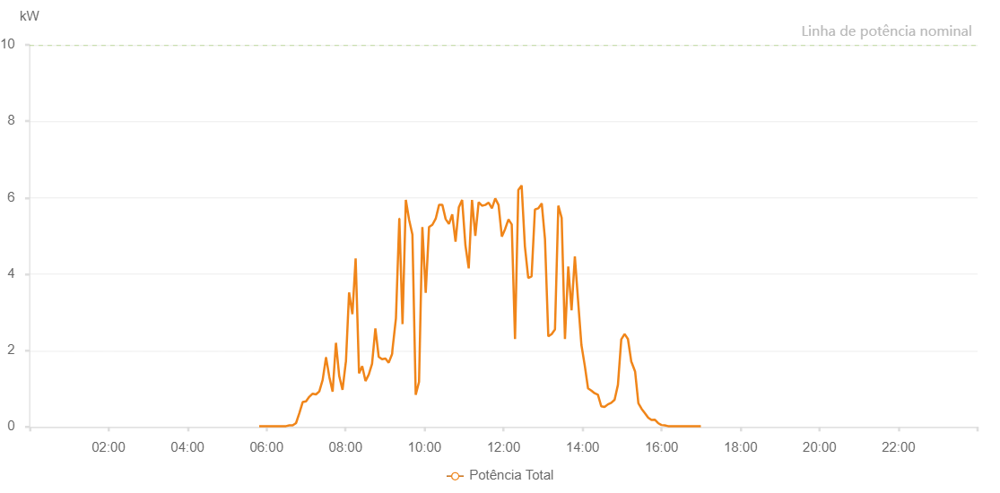

Number | Time | Working State | Alarm Code | Total Inverter Power(W)
1 | 13/07/2022 05:48:51 (UTC-4:00) | Normal |  | 20.000
2 | 13/07/2022 05:54:24 (UTC-4:00) | Normal |  | 20.000
3 | 13/07/2022 05:59:25 (UTC-4:00) | Normal |  | 20.000
4 | 13/07/2022 06:04:24 (UTC-4:00) | Normal |  | 20.000
5 | 13/07/2022 06:09:26 (UTC-4:00) | Normal |  | 20.000
6 | 13/07/2022 06:14:28 (UTC-4:00) | Normal |  | 20.000
7 | 13/07/2022 06:19:32 (UTC-4:00) | Normal |  | 20.000
8 | 13/07/2022 06:24:35 (UTC-4:00) | Normal |  | 20.000
9 | 13/07/2022 06:29:38 (UTC-4:00) | Normal |  | 20.000
10 | 13/07/2022 06:34:41 (UTC-4:00) | Normal |  | 40.000
11 | 13/07/2022 06:39:44 (UTC-4:00) | Normal |  | 40.000
12 | 13/07/2022 06:44:47 (UTC-4:00) | Normal |  | 100.000
13 | 13/07/2022 06:49:51 (UTC-4:00) | Normal |  | 360.000
14 | 13/07/2022 06:54:54 (UTC-4:00) | Normal |  | 650.000
15 | 13/07/2022 06:59:57 (UTC-4:00) | Normal |  | 670.000
16 | 13/07/2022 07:05:00 (UTC-4:00) | Normal |  | 790.000
17 | 13/07/2022 07:10:03 (UTC-4:00) | Normal |  | 870.000
18 | 13/07/2022 07:15:06 (UTC-4:00) | Normal |  | 850.000
19 | 13/07/2022 07:20:10 (UTC-4:00) | Normal |  | 930.000
20 | 13/07/2022 07:25:13 (UTC-4:00) | Normal |  | 1230.000
21 | 13/07/2022 07:30:16 (UTC-4:00) | Normal |  | 1810.000
22 | 13/07/2022 07:30:27 (UTC-4:00) | Normal |  | 1810.000
23 | 13/07/2022 07:35:21 (UTC-4:00) | Normal |  | 1310.000
24 | 13/07/2022 07:40:22 (UTC-4:00) | Normal |  | 920.000
25 | 13/07/2022 07:45:25 (UTC-4:00) | Normal |  | 2200.000
26 | 13/07/2022 07:50:24 (UTC-4:00) | Normal |  | 1330.000
27 | 13/07/2022 07:55:23 (UTC-4:00) | Normal |  | 970.000
28 | 13/07/2022 08:00:23 (UTC-4:00) | Normal |  | 1690.000
29 | 13/07/2022 08:00:33 (UTC-4:00) | Normal |  | 1690.000
30 | 13/07/2022 08:05:22 (UTC-4:00) | Normal |  | 3520.000
31 | 13/07/2022 08:10:24 (UTC-4:00) | Normal |  | 2950.000
32 | 13/07/2022 08:15:20 (UTC-4:00) | Normal |  | 4410.000
33 | 13/07/2022 08:20:29 (UTC-4:00) | Normal |  | 1400.000
34 | 13/07/2022 08:25:18 (UTC-4:00) | Normal |  | 1590.000
35 | 13/07/2022 08:30:18 (UTC-4:00) | Normal |  | 1200.000
36 | 13/07/2022 08:35:17 (UTC-4:00) | Normal |  | 1370.000
37 | 13/07/2022 08:40:16 (UTC-4:00) | Normal |  | 1650.000
38 | 13/07/2022 08:45:18 (UTC-4:00) | Normal |  | 2580.000
39 | 13/07/2022 08:50:25 (UTC-4:00) | Normal |  | 1830.000
40 | 13/07/2022 08:50:46 (UTC-4:00) | Normal |  | 1830.000
41 | 13/07/2022 08:55:24 (UTC-4:00) | Normal |  | 1770.000
42 | 13/07/2022 09:00:28 (UTC-4:00) | Normal |  | 1790.000
43 | 13/07/2022 09:00:41 (UTC-4:00) | Normal |  | 1790.000
44 | 13/07/2022 09:05:33 (UTC-4:00) | Normal |  | 1680.000
45 | 13/07/2022 09:10:34 (UTC-4:00) | Normal |  | 1900.000
46 | 13/07/2022 09:10:45 (UTC-4:00) | Normal |  | 1900.000
47 | 13/07/2022 09:11:11 (UTC-4:00) | Normal |  | 2010.000
48 | 13/07/2022 09:16:32 (UTC-4:00) | Normal |  | 2840.000
49 | 13/07/2022 09:21:38 (UTC-4:00) | Normal |  | 5450.000
50 | 13/07/2022 09:21:44 (UTC-4:00) | Normal |  | 5450.000
51 | 13/07/2022 09:26:33 (UTC-4:00) | Normal |  | 2690.000
52 | 13/07/2022 09:31:34 (UTC-4:00) | Normal |  | 5940.000
53 | 13/07/2022 09:36:34 (UTC-4:00) | Normal |  | 5420.000
54 | 13/07/2022 09:41:34 (UTC-4:00) | Normal |  | 5030.000
55 | 13/07/2022 09:46:34 (UTC-4:00) | Normal |  | 840.000
56 | 13/07/2022 09:51:38 (UTC-4:00) | Normal |  | 1180.000
57 | 13/07/2022 09:56:40 (UTC-4:00) | Normal |  | 5230.000
58 | 13/07/2022 10:01:45 (UTC-4:00) | Normal |  | 3510.000
59 | 13/07/2022 10:06:49 (UTC-4:00) | Normal |  | 5230.000
60 | 13/07/2022 10:11:54 (UTC-4:00) | Normal |  | 5290.000
61 | 13/07/2022 10:16:58 (UTC-4:00) | Normal |  | 5450.000
62 | 13/07/2022 10:22:02 (UTC-4:00) | Normal |  | 5810.000
63 | 13/07/2022 10:27:03 (UTC-4:00) | Normal |  | 5810.000
64 | 13/07/2022 10:32:03 (UTC-4:00) | Normal |  | 5440.000
65 | 13/07/2022 10:37:03 (UTC-4:00) | Normal |  | 5310.000
66 | 13/07/2022 10:42:04 (UTC-4:00) | Normal |  | 5560.000
67 | 13/07/2022 10:47:04 (UTC-4:00) | Normal |  | 4850.000
68 | 13/07/2022 10:52:05 (UTC-4:00) | Normal |  | 5750.000
69 | 13/07/2022 10:57:05 (UTC-4:00) | Normal |  | 5940.000
70 | 13/07/2022 11:02:06 (UTC-4:00) | Normal |  | 4750.000
71 | 13/07/2022 11:07:06 (UTC-4:00) | Normal |  | 4150.000
72 | 13/07/2022 11:12:06 (UTC-4:00) | Normal |  | 5940.000
73 | 13/07/2022 11:17:07 (UTC-4:00) | Normal |  | 5000.000
74 | 13/07/2022 11:22:08 (UTC-4:00) | Normal |  | 5880.000
75 | 13/07/2022 11:27:13 (UTC-4:00) | Normal |  | 5790.000
76 | 13/07/2022 11:32:17 (UTC-4:00) | Normal |  | 5810.000
77 | 13/07/2022 11:37:22 (UTC-4:00) | Normal |  | 5870.000
78 | 13/07/2022 11:42:22 (UTC-4:00) | Normal |  | 5720.000
79 | 13/07/2022 11:47:23 (UTC-4:00) | Normal |  | 5980.000
80 | 13/07/2022 11:52:23 (UTC-4:00) | Normal |  | 5810.000
81 | 13/07/2022 11:57:24 (UTC-4:00) | Normal |  | 4980.000
82 | 13/07/2022 12:02:24 (UTC-4:00) | Normal |  | 5180.000
83 | 13/07/2022 12:07:25 (UTC-4:00) | Normal |  | 5430.000
84 | 13/07/2022 12:12:25 (UTC-4:00) | Normal |  | 5300.000
85 | 13/07/2022 12:17:25 (UTC-4:00) | Normal |  | 2300.000
86 | 13/07/2022 12:22:26 (UTC-4:00) | Normal |  | 6200.000
87 | 13/07/2022 12:27:26 (UTC-4:00) | Normal |  | 6320.000
88 | 13/07/2022 12:32:27 (UTC-4:00) | Normal |  | 4720.000
89 | 13/07/2022 12:37:30 (UTC-4:00) | Normal |  | 3900.000
90 | 13/07/2022 12:42:35 (UTC-4:00) | Normal |  | 3940.000
91 | 13/07/2022 12:47:39 (UTC-4:00) | Normal |  | 5690.000
92 | 13/07/2022 12:52:44 (UTC-4:00) | Normal |  | 5720.000
93 | 13/07/2022 12:58:00 (UTC-4:00) | Normal |  | 5850.000
94 | 13/07/2022 13:02:54 (UTC-4:00) | Normal |  | 4920.000
95 | 13/07/2022 13:07:58 (UTC-4:00) | Normal |  | 2370.000
96 | 13/07/2022 13:13:03 (UTC-4:00) | Normal |  | 2430.000
97 | 13/07/2022 13:18:07 (UTC-4:00) | Normal |  | 2550.000
98 | 13/07/2022 13:23:12 (UTC-4:00) | Normal |  | 5790.000
99 | 13/07/2022 13:28:16 (UTC-4:00) | Normal |  | 5470.000
100 | 13/07/2022 13:33:16 (UTC-4:00) | Normal |  | 2300.000
101 | 13/07/2022 13:38:17 (UTC-4:00) | Normal |  | 4200.000
102 | 13/07/2022 13:43:17 (UTC-4:00) | Normal |  | 3050.000
103 | 13/07/2022 13:48:18 (UTC-4:00) | Normal |  | 4460.000
104 | 13/07/2022 13:53:18 (UTC-4:00) | Normal |  | 3280.000
105 | 13/07/2022 13:58:18 (UTC-4:00) | Normal |  | 2140.000
106 | 13/07/2022 14:03:19 (UTC-4:00) | Normal |  | 1610.000
107 | 13/07/2022 14:08:19 (UTC-4:00) | Normal |  | 1010.000
108 | 13/07/2022 14:13:20 (UTC-4:00) | Normal |  | 950.000
109 | 13/07/2022 14:18:20 (UTC-4:00) | Normal |  | 880.000
110 | 13/07/2022 14:23:21 (UTC-4:00) | Normal |  | 840.000
111 | 13/07/2022 14:28:21 (UTC-4:00) | Normal |  | 540.000
112 | 13/07/2022 14:33:25 (UTC-4:00) | Normal |  | 520.000
113 | 13/07/2022 14:38:30 (UTC-4:00) | Normal |  | 590.000
114 | 13/07/2022 14:43:34 (UTC-4:00) | Normal |  | 630.000
115 | 13/07/2022 14:48:39 (UTC-4:00) | Normal |  | 710.000
116 | 13/07/2022 14:53:43 (UTC-4:00) | Normal |  | 1100.000
117 | 13/07/2022 14:58:47 (UTC-4:00) | Normal |  | 2290.000
118 | 13/07/2022 15:03:52 (UTC-4:00) | Normal |  | 2430.000
119 | 13/07/2022 15:08:56 (UTC-4:00) | Normal |  | 2300.000
120 | 13/07/2022 15:14:05 (UTC-4:00) | Normal |  | 1700.000
121 | 13/07/2022 15:14:32 (UTC-4:00) | Normal |  | 1690.000
122 | 13/07/2022 15:19:48 (UTC-4:00) | Normal |  | 1450.000
123 | 13/07/2022 15:24:47 (UTC-4:00) | Normal |  | 620.000
124 | 13/07/2022 15:29:45 (UTC-4:00) | Normal |  | 470.000
125 | 13/07/2022 15:34:44 (UTC-4:00) | Normal |  | 360.000
126 | 13/07/2022 15:39:44 (UTC-4:00) | Normal |  | 240.000
127 | 13/07/2022 15:44:41 (UTC-4:00) | Normal |  | 180.000
128 | 13/07/2022 15:49:40 (UTC-4:00) | Normal |  | 190.000
129 | 13/07/2022 15:54:40 (UTC-4:00) | Normal |  | 100.000
130 | 13/07/2022 15:59:43 (UTC-4:00) | Normal |  | 50.000
131 | 13/07/2022 16:04:45 (UTC-4:00) | Normal |  | 40.000
132 | 13/07/2022 16:09:48 (UTC-4:00) | Normal |  | 20.000
133 | 13/07/2022 16:14:50 (UTC-4:00) | Normal |  | 20.000
134 | 13/07/2022 16:19:52 (UTC-4:00) | Normal |  | 20.000
135 | 13/07/2022 16:24:55 (UTC-4:00) | Normal |  | 20.000
136 | 13/07/2022 16:29:53 (UTC-4:00) | Normal |  | 20.000
137 | 13/07/2022 16:34:51 (UTC-4:00) | Normal |  | 20.000
138 | 13/07/2022 16:39:50 (UTC-4:00) | Normal |  | 20.000
139 | 13/07/2022 16:44:48 (UTC-4:00) | Normal |  | 20.000
140 | 13/07/2022 16:49:47 (UTC-4:00) | Normal |  | 20.000
141 | 13/07/2022 16:54:45 (UTC-4:00) | Normal |  | 20.000
142 | 13/07/2022 16:59:43 (UTC-4:00) | Normal |  | 20.000

