Inverter History Report__17-08-
Inverter History Report_14/07/2022_Report

Inverter SN:054B7020C020041 |  | Inverter type:B7
Collector SN:4045966636 |  | Full Load Hours(h):3.06
Rated Power:10000Wp

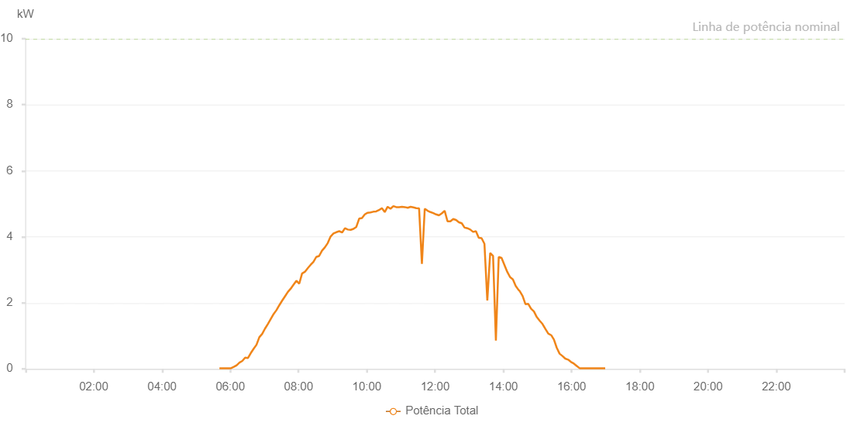

Number | Time | Working State | Alarm Code | Total Inverter Power(W)
1 | 14/07/2022 05:40:56 (UTC-4:00) | Normal |  | 20.000
2 | 14/07/2022 05:45:59 (UTC-4:00) | Normal |  | 20.000
3 | 14/07/2022 05:51:03 (UTC-4:00) | Normal |  | 20.000
4 | 14/07/2022 05:56:05 (UTC-4:00) | Normal |  | 20.000
5 | 14/07/2022 06:01:08 (UTC-4:00) | Normal |  | 20.000
6 | 14/07/2022 06:06:11 (UTC-4:00) | Normal |  | 60.000
7 | 14/07/2022 06:11:10 (UTC-4:00) | Normal |  | 110.000
8 | 14/07/2022 06:16:09 (UTC-4:00) | Normal |  | 190.000
9 | 14/07/2022 06:21:08 (UTC-4:00) | Normal |  | 240.000
10 | 14/07/2022 06:26:07 (UTC-4:00) | Normal |  | 340.000
11 | 14/07/2022 06:31:06 (UTC-4:00) | Normal |  | 330.000
12 | 14/07/2022 06:36:05 (UTC-4:00) | Normal |  | 480.000
13 | 14/07/2022 06:41:04 (UTC-4:00) | Normal |  | 610.000
14 | 14/07/2022 06:46:03 (UTC-4:00) | Normal |  | 730.000
15 | 14/07/2022 06:51:02 (UTC-4:00) | Normal |  | 960.000
16 | 14/07/2022 06:56:01 (UTC-4:00) | Normal |  | 1060.000
17 | 14/07/2022 07:01:02 (UTC-4:00) | Normal |  | 1220.000
18 | 14/07/2022 07:06:02 (UTC-4:00) | Normal |  | 1360.000
19 | 14/07/2022 07:11:05 (UTC-4:00) | Normal |  | 1510.000
20 | 14/07/2022 07:16:08 (UTC-4:00) | Normal |  | 1660.000
21 | 14/07/2022 07:21:11 (UTC-4:00) | Normal |  | 1780.000
22 | 14/07/2022 07:26:14 (UTC-4:00) | Normal |  | 1930.000
23 | 14/07/2022 07:31:17 (UTC-4:00) | Normal |  | 2070.000
24 | 14/07/2022 07:36:16 (UTC-4:00) | Normal |  | 2200.000
25 | 14/07/2022 07:41:15 (UTC-4:00) | Normal |  | 2330.000
26 | 14/07/2022 07:46:14 (UTC-4:00) | Normal |  | 2430.000
27 | 14/07/2022 07:51:13 (UTC-4:00) | Normal |  | 2550.000
28 | 14/07/2022 07:56:13 (UTC-4:00) | Normal |  | 2670.000
29 | 14/07/2022 08:01:12 (UTC-4:00) | Normal |  | 2580.000
30 | 14/07/2022 08:06:11 (UTC-4:00) | Normal |  | 2890.000
31 | 14/07/2022 08:11:10 (UTC-4:00) | Normal |  | 2940.000
32 | 14/07/2022 08:16:09 (UTC-4:00) | Normal |  | 3050.000
33 | 14/07/2022 08:21:08 (UTC-4:00) | Normal |  | 3150.000
34 | 14/07/2022 08:26:07 (UTC-4:00) | Normal |  | 3240.000
35 | 14/07/2022 08:31:07 (UTC-4:00) | Normal |  | 3390.000
36 | 14/07/2022 08:36:10 (UTC-4:00) | Normal |  | 3420.000
37 | 14/07/2022 08:41:13 (UTC-4:00) | Normal |  | 3580.000
38 | 14/07/2022 08:46:16 (UTC-4:00) | Normal |  | 3680.000
39 | 14/07/2022 08:51:19 (UTC-4:00) | Normal |  | 3810.000
40 | 14/07/2022 08:56:22 (UTC-4:00) | Normal |  | 4010.000
41 | 14/07/2022 09:01:25 (UTC-4:00) | Normal |  | 4100.000
42 | 14/07/2022 09:06:28 (UTC-4:00) | Normal |  | 4140.000
43 | 14/07/2022 09:11:31 (UTC-4:00) | Normal |  | 4170.000
44 | 14/07/2022 09:16:34 (UTC-4:00) | Normal |  | 4130.000
45 | 14/07/2022 09:21:37 (UTC-4:00) | Normal |  | 4260.000
46 | 14/07/2022 09:26:36 (UTC-4:00) | Normal |  | 4220.000
47 | 14/07/2022 09:31:35 (UTC-4:00) | Normal |  | 4210.000
48 | 14/07/2022 09:36:34 (UTC-4:00) | Normal |  | 4240.000
49 | 14/07/2022 09:41:33 (UTC-4:00) | Normal |  | 4300.000
50 | 14/07/2022 09:46:32 (UTC-4:00) | Normal |  | 4550.000
51 | 14/07/2022 09:51:31 (UTC-4:00) | Normal |  | 4570.000
52 | 14/07/2022 09:56:30 (UTC-4:00) | Normal |  | 4680.000
53 | 14/07/2022 10:01:30 (UTC-4:00) | Normal |  | 4730.000
54 | 14/07/2022 10:06:28 (UTC-4:00) | Normal |  | 4740.000
55 | 14/07/2022 10:11:28 (UTC-4:00) | Normal |  | 4760.000
56 | 14/07/2022 10:16:27 (UTC-4:00) | Normal |  | 4770.000
57 | 14/07/2022 10:21:27 (UTC-4:00) | Normal |  | 4810.000
58 | 14/07/2022 10:26:30 (UTC-4:00) | Normal |  | 4870.000
59 | 14/07/2022 10:31:33 (UTC-4:00) | Normal |  | 4750.000
60 | 14/07/2022 10:36:36 (UTC-4:00) | Normal |  | 4910.000
61 | 14/07/2022 10:41:39 (UTC-4:00) | Normal |  | 4850.000
62 | 14/07/2022 10:46:42 (UTC-4:00) | Normal |  | 4930.000
63 | 14/07/2022 10:51:45 (UTC-4:00) | Normal |  | 4900.000
64 | 14/07/2022 10:56:48 (UTC-4:00) | Normal |  | 4900.000
65 | 14/07/2022 11:01:51 (UTC-4:00) | Normal |  | 4910.000
66 | 14/07/2022 11:06:54 (UTC-4:00) | Normal |  | 4900.000
67 | 14/07/2022 11:11:57 (UTC-4:00) | Normal |  | 4880.000
68 | 14/07/2022 11:16:56 (UTC-4:00) | Normal |  | 4910.000
69 | 14/07/2022 11:21:55 (UTC-4:00) | Normal |  | 4890.000
70 | 14/07/2022 11:26:54 (UTC-4:00) | Normal |  | 4870.000
71 | 14/07/2022 11:31:53 (UTC-4:00) | Normal |  | 4860.000
72 | 14/07/2022 11:36:52 (UTC-4:00) | Normal |  | 3180.000
73 | 14/07/2022 11:41:51 (UTC-4:00) | Normal |  | 4850.000
74 | 14/07/2022 11:46:51 (UTC-4:00) | Normal |  | 4790.000
75 | 14/07/2022 11:51:49 (UTC-4:00) | Normal |  | 4750.000
76 | 14/07/2022 11:56:48 (UTC-4:00) | Normal |  | 4720.000
77 | 14/07/2022 12:01:47 (UTC-4:00) | Normal |  | 4680.000
78 | 14/07/2022 12:06:46 (UTC-4:00) | Normal |  | 4650.000
79 | 14/07/2022 12:11:47 (UTC-4:00) | Normal |  | 4710.000
80 | 14/07/2022 12:16:51 (UTC-4:00) | Normal |  | 4790.000
81 | 14/07/2022 12:21:53 (UTC-4:00) | Normal |  | 4470.000
82 | 14/07/2022 12:26:56 (UTC-4:00) | Normal |  | 4470.000
83 | 14/07/2022 12:31:55 (UTC-4:00) | Normal |  | 4540.000
84 | 14/07/2022 12:36:54 (UTC-4:00) | Normal |  | 4510.000
85 | 14/07/2022 12:41:53 (UTC-4:00) | Normal |  | 4440.000
86 | 14/07/2022 12:46:53 (UTC-4:00) | Normal |  | 4410.000
87 | 14/07/2022 12:51:52 (UTC-4:00) | Normal |  | 4280.000
88 | 14/07/2022 12:56:51 (UTC-4:00) | Normal |  | 4260.000
89 | 14/07/2022 13:01:50 (UTC-4:00) | Normal |  | 4220.000
90 | 14/07/2022 13:06:49 (UTC-4:00) | Normal |  | 4150.000
91 | 14/07/2022 13:07:13 (UTC-4:00) | Normal |  | 4150.000
92 | 14/07/2022 13:11:48 (UTC-4:00) | Normal |  | 4170.000
93 | 14/07/2022 13:16:47 (UTC-4:00) | Normal |  | 3970.000
94 | 14/07/2022 13:21:46 (UTC-4:00) | Normal |  | 3960.000
95 | 14/07/2022 13:26:47 (UTC-4:00) | Normal |  | 3790.000
96 | 14/07/2022 13:31:50 (UTC-4:00) | Normal |  | 2070.000
97 | 14/07/2022 13:36:53 (UTC-4:00) | Normal |  | 3510.000
98 | 14/07/2022 13:41:56 (UTC-4:00) | Normal |  | 3420.000
99 | 14/07/2022 13:46:55 (UTC-4:00) | Normal |  | 860.000
100 | 14/07/2022 13:51:54 (UTC-4:00) | Normal |  | 3390.000
101 | 14/07/2022 13:56:53 (UTC-4:00) | Normal |  | 3360.000
102 | 14/07/2022 14:01:52 (UTC-4:00) | Normal |  | 3150.000
103 | 14/07/2022 14:06:51 (UTC-4:00) | Normal |  | 2940.000
104 | 14/07/2022 14:11:50 (UTC-4:00) | Normal |  | 2780.000
105 | 14/07/2022 14:16:49 (UTC-4:00) | Normal |  | 2710.000
106 | 14/07/2022 14:21:48 (UTC-4:00) | Normal |  | 2510.000
107 | 14/07/2022 14:26:47 (UTC-4:00) | Normal |  | 2390.000
108 | 14/07/2022 14:28:38 (UTC-4:00) | Normal |  | 2360.000
109 | 14/07/2022 14:33:52 (UTC-4:00) | Normal |  | 2210.000
110 | 14/07/2022 14:38:51 (UTC-4:00) | Normal |  | 1960.000
111 | 14/07/2022 14:43:50 (UTC-4:00) | Normal |  | 1970.000
112 | 14/07/2022 14:48:48 (UTC-4:00) | Normal |  | 1820.000
113 | 14/07/2022 14:53:49 (UTC-4:00) | Normal |  | 1740.000
114 | 14/07/2022 14:58:48 (UTC-4:00) | Normal |  | 1570.000
115 | 14/07/2022 15:03:49 (UTC-4:00) | Normal |  | 1460.000
116 | 14/07/2022 15:08:52 (UTC-4:00) | Normal |  | 1360.000
117 | 14/07/2022 15:13:55 (UTC-4:00) | Normal |  | 1210.000
118 | 14/07/2022 15:18:57 (UTC-4:00) | Normal |  | 1070.000
119 | 14/07/2022 15:23:56 (UTC-4:00) | Normal |  | 1020.000
120 | 14/07/2022 15:24:21 (UTC-4:00) | Normal |  | 1020.000
121 | 14/07/2022 15:28:55 (UTC-4:00) | Normal |  | 890.000
122 | 14/07/2022 15:33:54 (UTC-4:00) | Normal |  | 640.000
123 | 14/07/2022 15:38:53 (UTC-4:00) | Normal |  | 460.000
124 | 14/07/2022 15:43:55 (UTC-4:00) | Normal |  | 390.000
125 | 14/07/2022 15:48:54 (UTC-4:00) | Normal |  | 310.000
126 | 14/07/2022 15:53:55 (UTC-4:00) | Normal |  | 280.000
127 | 14/07/2022 15:58:58 (UTC-4:00) | Normal |  | 210.000
128 | 14/07/2022 16:04:00 (UTC-4:00) | Normal |  | 160.000
129 | 14/07/2022 16:09:03 (UTC-4:00) | Normal |  | 90.000
130 | 14/07/2022 16:14:06 (UTC-4:00) | Normal |  | 20.000
131 | 14/07/2022 16:19:08 (UTC-4:00) | Normal |  | 20.000
132 | 14/07/2022 16:24:11 (UTC-4:00) | Normal |  | 20.000
133 | 14/07/2022 16:29:13 (UTC-4:00) | Normal |  | 20.000
134 | 14/07/2022 16:34:12 (UTC-4:00) | Normal |  | 20.000
135 | 14/07/2022 16:39:11 (UTC-4:00) | Normal |  | 20.000
136 | 14/07/2022 16:44:09 (UTC-4:00) | Normal |  | 20.000
137 | 14/07/2022 16:49:08 (UTC-4:00) | Normal |  | 20.000
138 | 14/07/2022 16:54:07 (UTC-4:00) | Normal |  | 20.000
139 | 14/07/2022 16:59:05 (UTC-4:00) | Normal |  | 20.000

