Inverter History Report__17-08-
Inverter History Report_15/07/2022_Report

Inverter SN:054B7020C020041 |  | Inverter type:B7
Collector SN:4045966636 |  | Full Load Hours(h):2.93
Rated Power:10000Wp

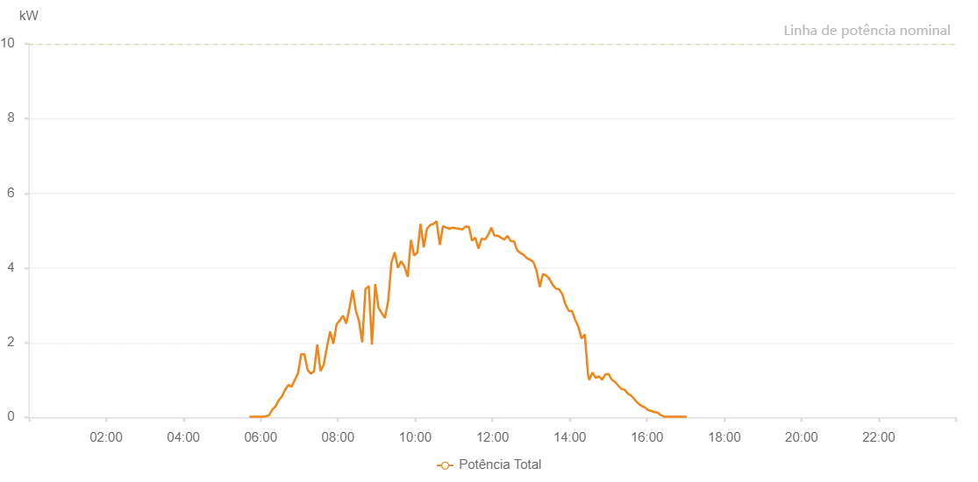

Number | Time | Working State | Alarm Code | Total Inverter Power(W)
1 | 15/07/2022 05:42:35 (UTC-4:00) | Normal |  | 20.000
2 | 15/07/2022 05:47:36 (UTC-4:00) | Normal |  | 20.000
3 | 15/07/2022 05:52:37 (UTC-4:00) | Normal |  | 20.000
4 | 15/07/2022 05:57:38 (UTC-4:00) | Normal |  | 20.000
5 | 15/07/2022 06:02:41 (UTC-4:00) | Normal |  | 20.000
6 | 15/07/2022 06:07:44 (UTC-4:00) | Normal |  | 30.000
7 | 15/07/2022 06:12:47 (UTC-4:00) | Normal |  | 50.000
8 | 15/07/2022 06:17:50 (UTC-4:00) | Normal |  | 200.000
9 | 15/07/2022 06:22:53 (UTC-4:00) | Normal |  | 290.000
10 | 15/07/2022 06:27:56 (UTC-4:00) | Normal |  | 450.000
11 | 15/07/2022 06:32:59 (UTC-4:00) | Normal |  | 560.000
12 | 15/07/2022 06:38:02 (UTC-4:00) | Normal |  | 740.000
13 | 15/07/2022 06:43:01 (UTC-4:00) | Normal |  | 870.000
14 | 15/07/2022 06:48:00 (UTC-4:00) | Normal |  | 820.000
15 | 15/07/2022 06:52:59 (UTC-4:00) | Normal |  | 1000.000
16 | 15/07/2022 06:57:58 (UTC-4:00) | Normal |  | 1180.000
17 | 15/07/2022 07:02:57 (UTC-4:00) | Normal |  | 1690.000
18 | 15/07/2022 07:07:56 (UTC-4:00) | Normal |  | 1690.000
19 | 15/07/2022 07:12:55 (UTC-4:00) | Normal |  | 1270.000
20 | 15/07/2022 07:17:54 (UTC-4:00) | Normal |  | 1170.000
21 | 15/07/2022 07:22:54 (UTC-4:00) | Normal |  | 1230.000
22 | 15/07/2022 07:27:53 (UTC-4:00) | Normal |  | 1950.000
23 | 15/07/2022 07:32:52 (UTC-4:00) | Normal |  | 1240.000
24 | 15/07/2022 07:37:51 (UTC-4:00) | Normal |  | 1410.000
25 | 15/07/2022 07:42:54 (UTC-4:00) | Normal |  | 1880.000
26 | 15/07/2022 07:47:57 (UTC-4:00) | Normal |  | 2300.000
27 | 15/07/2022 07:52:56 (UTC-4:00) | Normal |  | 1970.000
28 | 15/07/2022 07:57:55 (UTC-4:00) | Normal |  | 2490.000
29 | 15/07/2022 08:02:54 (UTC-4:00) | Normal |  | 2600.000
30 | 15/07/2022 08:07:53 (UTC-4:00) | Normal |  | 2720.000
31 | 15/07/2022 08:12:51 (UTC-4:00) | Normal |  | 2510.000
32 | 15/07/2022 08:17:50 (UTC-4:00) | Normal |  | 2920.000
33 | 15/07/2022 08:22:49 (UTC-4:00) | Normal |  | 3410.000
34 | 15/07/2022 08:27:48 (UTC-4:00) | Normal |  | 2860.000
35 | 15/07/2022 08:32:47 (UTC-4:00) | Normal |  | 2570.000
36 | 15/07/2022 08:37:46 (UTC-4:00) | Normal |  | 2010.000
37 | 15/07/2022 08:42:45 (UTC-4:00) | Normal |  | 3440.000
38 | 15/07/2022 08:47:45 (UTC-4:00) | Normal |  | 3510.000
39 | 15/07/2022 08:47:56 (UTC-4:00) | Normal |  | 3510.000
40 | 15/07/2022 08:52:52 (UTC-4:00) | Normal |  | 1950.000
41 | 15/07/2022 08:57:52 (UTC-4:00) | Normal |  | 3570.000
42 | 15/07/2022 09:02:55 (UTC-4:00) | Normal |  | 2940.000
43 | 15/07/2022 09:07:58 (UTC-4:00) | Normal |  | 2790.000
44 | 15/07/2022 09:13:01 (UTC-4:00) | Normal |  | 2660.000
45 | 15/07/2022 09:18:04 (UTC-4:00) | Normal |  | 3120.000
46 | 15/07/2022 09:23:06 (UTC-4:00) | Normal |  | 4150.000
47 | 15/07/2022 09:28:10 (UTC-4:00) | Normal |  | 4420.000
48 | 15/07/2022 09:33:12 (UTC-4:00) | Normal |  | 4000.000
49 | 15/07/2022 09:38:16 (UTC-4:00) | Normal |  | 4180.000
50 | 15/07/2022 09:43:19 (UTC-4:00) | Normal |  | 4040.000
51 | 15/07/2022 09:48:22 (UTC-4:00) | Normal |  | 3760.000
52 | 15/07/2022 09:53:21 (UTC-4:00) | Normal |  | 4750.000
53 | 15/07/2022 09:58:20 (UTC-4:00) | Normal |  | 4330.000
54 | 15/07/2022 10:03:19 (UTC-4:00) | Normal |  | 4410.000
55 | 15/07/2022 10:08:18 (UTC-4:00) | Normal |  | 5180.000
56 | 15/07/2022 10:13:17 (UTC-4:00) | Normal |  | 4550.000
57 | 15/07/2022 10:18:16 (UTC-4:00) | Normal |  | 5050.000
58 | 15/07/2022 10:23:15 (UTC-4:00) | Normal |  | 5150.000
59 | 15/07/2022 10:28:14 (UTC-4:00) | Normal |  | 5180.000
60 | 15/07/2022 10:33:13 (UTC-4:00) | Normal |  | 5250.000
61 | 15/07/2022 10:38:12 (UTC-4:00) | Normal |  | 4620.000
62 | 15/07/2022 10:43:10 (UTC-4:00) | Normal |  | 5120.000
63 | 15/07/2022 10:48:13 (UTC-4:00) | Normal |  | 5080.000
64 | 15/07/2022 10:53:15 (UTC-4:00) | Normal |  | 5050.000
65 | 15/07/2022 10:58:19 (UTC-4:00) | Normal |  | 5080.000
66 | 15/07/2022 11:03:21 (UTC-4:00) | Normal |  | 5060.000
67 | 15/07/2022 11:08:20 (UTC-4:00) | Normal |  | 5050.000
68 | 15/07/2022 11:13:19 (UTC-4:00) | Normal |  | 5030.000
69 | 15/07/2022 11:18:19 (UTC-4:00) | Normal |  | 5110.000
70 | 15/07/2022 11:23:19 (UTC-4:00) | Normal |  | 5100.000
71 | 15/07/2022 11:28:18 (UTC-4:00) | Normal |  | 4730.000
72 | 15/07/2022 11:33:17 (UTC-4:00) | Normal |  | 4810.000
73 | 15/07/2022 11:38:16 (UTC-4:00) | Normal |  | 4520.000
74 | 15/07/2022 11:43:15 (UTC-4:00) | Normal |  | 4790.000
75 | 15/07/2022 11:48:14 (UTC-4:00) | Normal |  | 4760.000
76 | 15/07/2022 11:53:13 (UTC-4:00) | Normal |  | 4880.000
77 | 15/07/2022 11:58:12 (UTC-4:00) | Normal |  | 5080.000
78 | 15/07/2022 12:03:11 (UTC-4:00) | Normal |  | 4860.000
79 | 15/07/2022 12:08:14 (UTC-4:00) | Normal |  | 4870.000
80 | 15/07/2022 12:13:17 (UTC-4:00) | Normal |  | 4810.000
81 | 15/07/2022 12:18:20 (UTC-4:00) | Normal |  | 4760.000
82 | 15/07/2022 12:23:23 (UTC-4:00) | Normal |  | 4860.000
83 | 15/07/2022 12:28:26 (UTC-4:00) | Normal |  | 4720.000
84 | 15/07/2022 12:33:29 (UTC-4:00) | Normal |  | 4710.000
85 | 15/07/2022 12:38:32 (UTC-4:00) | Normal |  | 4470.000
86 | 15/07/2022 12:43:31 (UTC-4:00) | Normal |  | 4400.000
87 | 15/07/2022 12:48:30 (UTC-4:00) | Normal |  | 4350.000
88 | 15/07/2022 12:53:29 (UTC-4:00) | Normal |  | 4260.000
89 | 15/07/2022 12:58:28 (UTC-4:00) | Normal |  | 4220.000
90 | 15/07/2022 13:03:27 (UTC-4:00) | Normal |  | 4160.000
91 | 15/07/2022 13:08:26 (UTC-4:00) | Normal |  | 3930.000
92 | 15/07/2022 13:13:25 (UTC-4:00) | Normal |  | 3490.000
93 | 15/07/2022 13:18:24 (UTC-4:00) | Normal |  | 3840.000
94 | 15/07/2022 13:23:24 (UTC-4:00) | Normal |  | 3800.000
95 | 15/07/2022 13:28:23 (UTC-4:00) | Normal |  | 3710.000
96 | 15/07/2022 13:33:22 (UTC-4:00) | Normal |  | 3550.000
97 | 15/07/2022 13:38:21 (UTC-4:00) | Normal |  | 3450.000
98 | 15/07/2022 13:43:23 (UTC-4:00) | Normal |  | 3430.000
99 | 15/07/2022 13:48:26 (UTC-4:00) | Normal |  | 3300.000
100 | 15/07/2022 13:53:29 (UTC-4:00) | Normal |  | 3020.000
101 | 15/07/2022 13:58:28 (UTC-4:00) | Normal |  | 2850.000
102 | 15/07/2022 14:03:27 (UTC-4:00) | Normal |  | 2850.000
103 | 15/07/2022 14:08:26 (UTC-4:00) | Normal |  | 2610.000
104 | 15/07/2022 14:13:25 (UTC-4:00) | Normal |  | 2420.000
105 | 15/07/2022 14:18:24 (UTC-4:00) | Normal |  | 2110.000
106 | 15/07/2022 14:23:23 (UTC-4:00) | Normal |  | 2220.000
107 | 15/07/2022 14:28:22 (UTC-4:00) | Normal |  | 1150.000
108 | 15/07/2022 14:30:08 (UTC-4:00) | Normal |  | 1000.000
109 | 15/07/2022 14:35:23 (UTC-4:00) | Normal |  | 1200.000
110 | 15/07/2022 14:40:22 (UTC-4:00) | Normal |  | 1060.000
111 | 15/07/2022 14:45:21 (UTC-4:00) | Normal |  | 1100.000
112 | 15/07/2022 14:50:19 (UTC-4:00) | Normal |  | 1010.000
113 | 15/07/2022 14:50:30 (UTC-4:00) | Normal |  | 1010.000
114 | 15/07/2022 14:55:20 (UTC-4:00) | Normal |  | 1150.000
115 | 15/07/2022 15:00:16 (UTC-4:00) | Normal |  | 1160.000
116 | 15/07/2022 15:05:20 (UTC-4:00) | Normal |  | 1010.000
117 | 15/07/2022 15:10:20 (UTC-4:00) | Normal |  | 950.000
118 | 15/07/2022 15:10:31 (UTC-4:00) | Normal |  | 950.000
119 | 15/07/2022 15:15:24 (UTC-4:00) | Normal |  | 850.000
120 | 15/07/2022 15:20:25 (UTC-4:00) | Normal |  | 760.000
121 | 15/07/2022 15:20:40 (UTC-4:00) | Normal |  | 760.000
122 | 15/07/2022 15:25:28 (UTC-4:00) | Normal |  | 740.000
123 | 15/07/2022 15:30:31 (UTC-4:00) | Normal |  | 630.000
124 | 15/07/2022 15:30:41 (UTC-4:00) | Normal |  | 630.000
125 | 15/07/2022 15:35:35 (UTC-4:00) | Normal |  | 580.000
126 | 15/07/2022 15:40:37 (UTC-4:00) | Normal |  | 480.000
127 | 15/07/2022 15:40:48 (UTC-4:00) | Normal |  | 480.000
128 | 15/07/2022 15:45:39 (UTC-4:00) | Normal |  | 380.000
129 | 15/07/2022 15:50:41 (UTC-4:00) | Normal |  | 320.000
130 | 15/07/2022 15:50:50 (UTC-4:00) | Normal |  | 320.000
131 | 15/07/2022 15:51:10 (UTC-4:00) | Normal |  | 310.000
132 | 15/07/2022 15:56:31 (UTC-4:00) | Normal |  | 270.000
133 | 15/07/2022 16:01:29 (UTC-4:00) | Normal |  | 200.000
134 | 15/07/2022 16:06:28 (UTC-4:00) | Normal |  | 170.000
135 | 15/07/2022 16:11:27 (UTC-4:00) | Normal |  | 140.000
136 | 15/07/2022 16:16:26 (UTC-4:00) | Normal |  | 130.000
137 | 15/07/2022 16:21:28 (UTC-4:00) | Normal |  | 60.000
138 | 15/07/2022 16:26:24 (UTC-4:00) | Normal |  | 20.000
139 | 15/07/2022 16:31:27 (UTC-4:00) | Normal |  | 20.000
140 | 15/07/2022 16:36:26 (UTC-4:00) | Normal |  | 20.000
141 | 15/07/2022 16:41:29 (UTC-4:00) | Normal |  | 20.000
142 | 15/07/2022 16:46:29 (UTC-4:00) | Normal |  | 20.000
143 | 15/07/2022 16:51:28 (UTC-4:00) | Normal |  | 20.000
144 | 15/07/2022 16:56:25 (UTC-4:00) | Normal |  | 20.000
145 | 15/07/2022 17:01:25 (UTC-4:00) | Normal |  | 20.000
146 | 15/07/2022 17:01:35 (UTC-4:00) | Normal |  | 20.000

