Inverter History Report__17-08-
Inverter History Report_16/07/2022_Report

Inverter SN:054B7020C020041 |  | Inverter type:B7
Collector SN:4045966636 |  | Full Load Hours(h):2.70
Rated Power:10000Wp

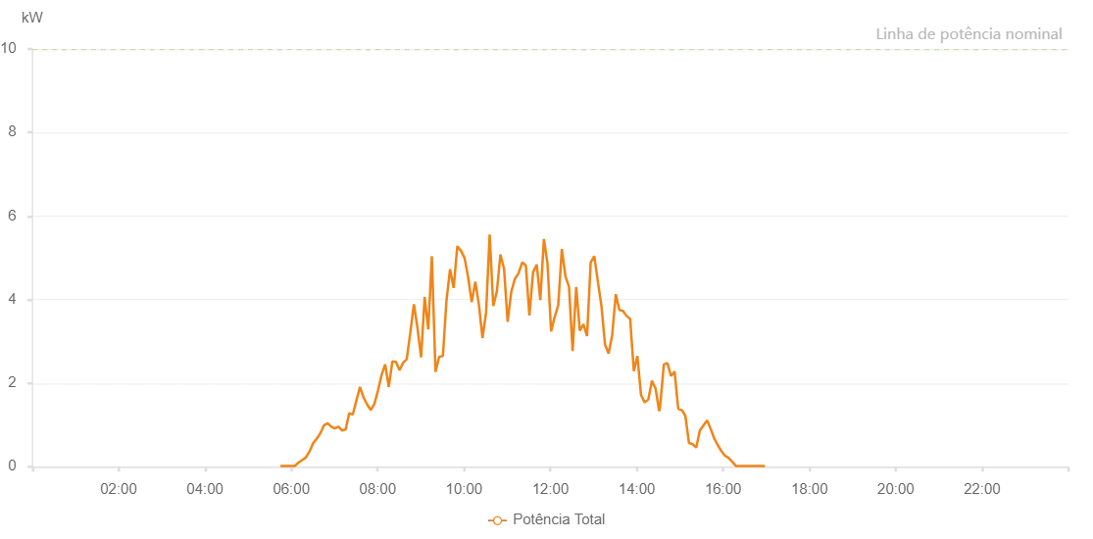

Number | Time | Working State | Alarm Code | Total Inverter Power(W)
1 | 16/07/2022 05:44:51 (UTC-4:00) | Normal |  | 20.000
2 | 16/07/2022 05:49:52 (UTC-4:00) | Normal |  | 20.000
3 | 16/07/2022 05:54:52 (UTC-4:00) | Normal |  | 20.000
4 | 16/07/2022 05:59:53 (UTC-4:00) | Normal |  | 20.000
5 | 16/07/2022 06:05:00 (UTC-4:00) | Normal |  | 20.000
6 | 16/07/2022 06:09:59 (UTC-4:00) | Normal |  | 100.000
7 | 16/07/2022 06:15:01 (UTC-4:00) | Normal |  | 160.000
8 | 16/07/2022 06:20:04 (UTC-4:00) | Normal |  | 220.000
9 | 16/07/2022 06:25:06 (UTC-4:00) | Normal |  | 360.000
10 | 16/07/2022 06:30:10 (UTC-4:00) | Normal |  | 560.000
11 | 16/07/2022 06:35:13 (UTC-4:00) | Normal |  | 670.000
12 | 16/07/2022 06:40:16 (UTC-4:00) | Normal |  | 800.000
13 | 16/07/2022 06:45:19 (UTC-4:00) | Normal |  | 990.000
14 | 16/07/2022 06:50:22 (UTC-4:00) | Normal |  | 1040.000
15 | 16/07/2022 06:55:24 (UTC-4:00) | Normal |  | 960.000
16 | 16/07/2022 07:00:28 (UTC-4:00) | Normal |  | 920.000
17 | 16/07/2022 07:05:27 (UTC-4:00) | Normal |  | 960.000
18 | 16/07/2022 07:10:26 (UTC-4:00) | Normal |  | 870.000
19 | 16/07/2022 07:15:25 (UTC-4:00) | Normal |  | 890.000
20 | 16/07/2022 07:20:24 (UTC-4:00) | Normal |  | 1280.000
21 | 16/07/2022 07:25:23 (UTC-4:00) | Normal |  | 1250.000
22 | 16/07/2022 07:30:22 (UTC-4:00) | Normal |  | 1580.000
23 | 16/07/2022 07:35:21 (UTC-4:00) | Normal |  | 1910.000
24 | 16/07/2022 07:40:20 (UTC-4:00) | Normal |  | 1660.000
25 | 16/07/2022 07:45:19 (UTC-4:00) | Normal |  | 1490.000
26 | 16/07/2022 07:50:18 (UTC-4:00) | Normal |  | 1360.000
27 | 16/07/2022 07:55:17 (UTC-4:00) | Normal |  | 1500.000
28 | 16/07/2022 08:00:16 (UTC-4:00) | Normal |  | 1810.000
29 | 16/07/2022 08:05:19 (UTC-4:00) | Normal |  | 2190.000
30 | 16/07/2022 08:10:22 (UTC-4:00) | Normal |  | 2450.000
31 | 16/07/2022 08:15:25 (UTC-4:00) | Normal |  | 1910.000
32 | 16/07/2022 08:20:24 (UTC-4:00) | Normal |  | 2520.000
33 | 16/07/2022 08:25:23 (UTC-4:00) | Normal |  | 2510.000
34 | 16/07/2022 08:30:22 (UTC-4:00) | Normal |  | 2310.000
35 | 16/07/2022 08:35:21 (UTC-4:00) | Normal |  | 2490.000
36 | 16/07/2022 08:40:20 (UTC-4:00) | Normal |  | 2570.000
37 | 16/07/2022 08:45:21 (UTC-4:00) | Normal |  | 3210.000
38 | 16/07/2022 08:50:20 (UTC-4:00) | Normal |  | 3890.000
39 | 16/07/2022 08:55:19 (UTC-4:00) | Normal |  | 3320.000
40 | 16/07/2022 09:00:19 (UTC-4:00) | Normal |  | 2620.000
41 | 16/07/2022 09:05:17 (UTC-4:00) | Normal |  | 4060.000
42 | 16/07/2022 09:10:18 (UTC-4:00) | Normal |  | 3290.000
43 | 16/07/2022 09:15:17 (UTC-4:00) | Normal |  | 5040.000
44 | 16/07/2022 09:20:20 (UTC-4:00) | Normal |  | 2270.000
45 | 16/07/2022 09:25:23 (UTC-4:00) | Normal |  | 2630.000
46 | 16/07/2022 09:30:27 (UTC-4:00) | Normal |  | 2650.000
47 | 16/07/2022 09:30:37 (UTC-4:00) | Normal |  | 2650.000
48 | 16/07/2022 09:35:33 (UTC-4:00) | Normal |  | 3970.000
49 | 16/07/2022 09:40:35 (UTC-4:00) | Normal |  | 4730.000
50 | 16/07/2022 09:45:36 (UTC-4:00) | Normal |  | 4280.000
51 | 16/07/2022 09:50:39 (UTC-4:00) | Normal |  | 5280.000
52 | 16/07/2022 09:55:42 (UTC-4:00) | Normal |  | 5170.000
53 | 16/07/2022 10:00:41 (UTC-4:00) | Normal |  | 5000.000
54 | 16/07/2022 10:05:40 (UTC-4:00) | Normal |  | 4540.000
55 | 16/07/2022 10:10:39 (UTC-4:00) | Normal |  | 3940.000
56 | 16/07/2022 10:15:40 (UTC-4:00) | Normal |  | 4430.000
57 | 16/07/2022 10:20:40 (UTC-4:00) | Normal |  | 3880.000
58 | 16/07/2022 10:25:39 (UTC-4:00) | Normal |  | 3080.000
59 | 16/07/2022 10:30:38 (UTC-4:00) | Normal |  | 3690.000
60 | 16/07/2022 10:35:37 (UTC-4:00) | Normal |  | 5560.000
61 | 16/07/2022 10:40:36 (UTC-4:00) | Normal |  | 3850.000
62 | 16/07/2022 10:45:35 (UTC-4:00) | Normal |  | 4190.000
63 | 16/07/2022 10:50:36 (UTC-4:00) | Normal |  | 5080.000
64 | 16/07/2022 10:55:35 (UTC-4:00) | Normal |  | 4740.000
65 | 16/07/2022 11:00:36 (UTC-4:00) | Normal |  | 3470.000
66 | 16/07/2022 11:05:39 (UTC-4:00) | Normal |  | 4190.000
67 | 16/07/2022 11:10:42 (UTC-4:00) | Normal |  | 4500.000
68 | 16/07/2022 11:15:45 (UTC-4:00) | Normal |  | 4630.000
69 | 16/07/2022 11:20:48 (UTC-4:00) | Normal |  | 4890.000
70 | 16/07/2022 11:25:51 (UTC-4:00) | Normal |  | 4820.000
71 | 16/07/2022 11:30:54 (UTC-4:00) | Normal |  | 3620.000
72 | 16/07/2022 11:35:57 (UTC-4:00) | Normal |  | 4660.000
73 | 16/07/2022 11:41:00 (UTC-4:00) | Normal |  | 4840.000
74 | 16/07/2022 11:46:00 (UTC-4:00) | Normal |  | 3990.000
75 | 16/07/2022 11:50:59 (UTC-4:00) | Normal |  | 5450.000
76 | 16/07/2022 11:55:58 (UTC-4:00) | Normal |  | 4870.000
77 | 16/07/2022 12:00:57 (UTC-4:00) | Normal |  | 3240.000
78 | 16/07/2022 12:05:56 (UTC-4:00) | Normal |  | 3580.000
79 | 16/07/2022 12:10:55 (UTC-4:00) | Normal |  | 3870.000
80 | 16/07/2022 12:15:54 (UTC-4:00) | Normal |  | 5210.000
81 | 16/07/2022 12:20:53 (UTC-4:00) | Normal |  | 4560.000
82 | 16/07/2022 12:25:52 (UTC-4:00) | Normal |  | 4310.000
83 | 16/07/2022 12:30:54 (UTC-4:00) | Normal |  | 2770.000
84 | 16/07/2022 12:35:53 (UTC-4:00) | Normal |  | 4300.000
85 | 16/07/2022 12:40:53 (UTC-4:00) | Normal |  | 3260.000
86 | 16/07/2022 12:45:54 (UTC-4:00) | Normal |  | 3410.000
87 | 16/07/2022 12:50:56 (UTC-4:00) | Normal |  | 3130.000
88 | 16/07/2022 12:56:00 (UTC-4:00) | Normal |  | 4890.000
89 | 16/07/2022 13:00:59 (UTC-4:00) | Normal |  | 5040.000
90 | 16/07/2022 13:05:58 (UTC-4:00) | Normal |  | 4430.000
91 | 16/07/2022 13:10:57 (UTC-4:00) | Normal |  | 3850.000
92 | 16/07/2022 13:15:56 (UTC-4:00) | Normal |  | 2920.000
93 | 16/07/2022 13:20:55 (UTC-4:00) | Normal |  | 2710.000
94 | 16/07/2022 13:25:54 (UTC-4:00) | Normal |  | 3150.000
95 | 16/07/2022 13:30:54 (UTC-4:00) | Normal |  | 4130.000
96 | 16/07/2022 13:35:53 (UTC-4:00) | Normal |  | 3750.000
97 | 16/07/2022 13:40:52 (UTC-4:00) | Normal |  | 3730.000
98 | 16/07/2022 13:45:53 (UTC-4:00) | Normal |  | 3610.000
99 | 16/07/2022 13:50:52 (UTC-4:00) | Normal |  | 3540.000
100 | 16/07/2022 13:55:55 (UTC-4:00) | Normal |  | 2290.000
101 | 16/07/2022 14:00:54 (UTC-4:00) | Normal |  | 2650.000
102 | 16/07/2022 14:05:57 (UTC-4:00) | Normal |  | 1720.000
103 | 16/07/2022 14:11:01 (UTC-4:00) | Normal |  | 1540.000
104 | 16/07/2022 14:16:04 (UTC-4:00) | Normal |  | 1610.000
105 | 16/07/2022 14:21:07 (UTC-4:00) | Normal |  | 2060.000
106 | 16/07/2022 14:26:10 (UTC-4:00) | Normal |  | 1870.000
107 | 16/07/2022 14:31:13 (UTC-4:00) | Normal |  | 1330.000
108 | 16/07/2022 14:32:24 (UTC-4:00) | Normal |  | 1420.000
109 | 16/07/2022 14:37:40 (UTC-4:00) | Normal |  | 2450.000
110 | 16/07/2022 14:42:39 (UTC-4:00) | Normal |  | 2480.000
111 | 16/07/2022 14:47:38 (UTC-4:00) | Normal |  | 2170.000
112 | 16/07/2022 14:52:36 (UTC-4:00) | Normal |  | 2280.000
113 | 16/07/2022 14:57:36 (UTC-4:00) | Normal |  | 1390.000
114 | 16/07/2022 15:02:35 (UTC-4:00) | Normal |  | 1350.000
115 | 16/07/2022 15:02:59 (UTC-4:00) | Normal |  | 1350.000
116 | 16/07/2022 15:07:33 (UTC-4:00) | Normal |  | 1220.000
117 | 16/07/2022 15:12:36 (UTC-4:00) | Normal |  | 570.000
118 | 16/07/2022 15:17:39 (UTC-4:00) | Normal |  | 540.000
119 | 16/07/2022 15:22:41 (UTC-4:00) | Normal |  | 460.000
120 | 16/07/2022 15:27:44 (UTC-4:00) | Normal |  | 870.000
121 | 16/07/2022 15:32:47 (UTC-4:00) | Normal |  | 990.000
122 | 16/07/2022 15:37:49 (UTC-4:00) | Normal |  | 1110.000
123 | 16/07/2022 15:42:52 (UTC-4:00) | Normal |  | 900.000
124 | 16/07/2022 15:47:51 (UTC-4:00) | Normal |  | 670.000
125 | 16/07/2022 15:52:49 (UTC-4:00) | Normal |  | 510.000
126 | 16/07/2022 15:57:48 (UTC-4:00) | Normal |  | 370.000
127 | 16/07/2022 16:02:47 (UTC-4:00) | Normal |  | 260.000
128 | 16/07/2022 16:02:58 (UTC-4:00) | Normal |  | 260.000
129 | 16/07/2022 16:07:46 (UTC-4:00) | Normal |  | 210.000
130 | 16/07/2022 16:12:44 (UTC-4:00) | Normal |  | 120.000
131 | 16/07/2022 16:17:43 (UTC-4:00) | Normal |  | 20.000
132 | 16/07/2022 16:22:41 (UTC-4:00) | Normal |  | 20.000
133 | 16/07/2022 16:27:40 (UTC-4:00) | Normal |  | 20.000
134 | 16/07/2022 16:32:39 (UTC-4:00) | Normal |  | 20.000
135 | 16/07/2022 16:37:38 (UTC-4:00) | Normal |  | 20.000
136 | 16/07/2022 16:42:37 (UTC-4:00) | Normal |  | 20.000
137 | 16/07/2022 16:43:03 (UTC-4:00) | Normal |  | 20.000
138 | 16/07/2022 16:47:41 (UTC-4:00) | Normal |  | 20.000
139 | 16/07/2022 16:52:43 (UTC-4:00) | Normal |  | 20.000
140 | 16/07/2022 16:53:01 (UTC-4:00) | Normal |  | 20.000
141 | 16/07/2022 16:58:16 (UTC-4:00) | Normal |  | 20.000

