Inverter History Report__17-08-
Inverter History Report_17/07/2022_Report

Inverter SN:054B7020C020041 |  | Inverter type:B7
Collector SN:4045966636 |  | Full Load Hours(h):2.94
Rated Power:10000Wp

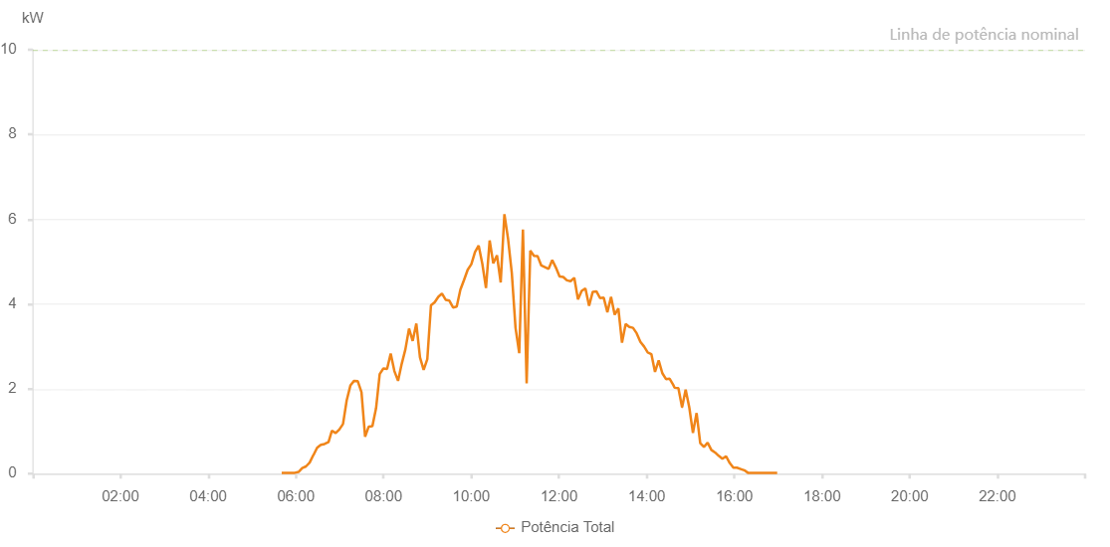

Number | Time | Working State | Alarm Code | Total Inverter Power(W)
1 | 17/07/2022 05:40:35 (UTC-4:00) | Normal |  | 20.000
2 | 17/07/2022 05:48:37 (UTC-4:00) | Normal |  | 20.000
3 | 17/07/2022 05:53:35 (UTC-4:00) | Normal |  | 20.000
4 | 17/07/2022 05:58:36 (UTC-4:00) | Normal |  | 20.000
5 | 17/07/2022 06:03:39 (UTC-4:00) | Normal |  | 40.000
6 | 17/07/2022 06:08:43 (UTC-4:00) | Normal |  | 130.000
7 | 17/07/2022 06:13:48 (UTC-4:00) | Normal |  | 170.000
8 | 17/07/2022 06:18:52 (UTC-4:00) | Normal |  | 260.000
9 | 17/07/2022 06:23:56 (UTC-4:00) | Normal |  | 440.000
10 | 17/07/2022 06:24:07 (UTC-4:00) | Normal |  | 440.000
11 | 17/07/2022 06:29:02 (UTC-4:00) | Normal |  | 610.000
12 | 17/07/2022 06:34:06 (UTC-4:00) | Normal |  | 680.000
13 | 17/07/2022 06:34:17 (UTC-4:00) | Normal |  | 680.000
14 | 17/07/2022 06:39:09 (UTC-4:00) | Normal |  | 700.000
15 | 17/07/2022 06:44:13 (UTC-4:00) | Normal |  | 740.000
16 | 17/07/2022 06:44:38 (UTC-4:00) | Normal |  | 740.000
17 | 17/07/2022 06:49:18 (UTC-4:00) | Normal |  | 1010.000
18 | 17/07/2022 06:54:22 (UTC-4:00) | Normal |  | 960.000
19 | 17/07/2022 06:54:32 (UTC-4:00) | Normal |  | 960.000
20 | 17/07/2022 06:59:26 (UTC-4:00) | Normal |  | 1040.000
21 | 17/07/2022 07:04:29 (UTC-4:00) | Normal |  | 1170.000
22 | 17/07/2022 07:04:30 (UTC-4:00) | Normal |  | 1170.000
23 | 17/07/2022 07:09:34 (UTC-4:00) | Normal |  | 1730.000
24 | 17/07/2022 07:14:38 (UTC-4:00) | Normal |  | 2080.000
25 | 17/07/2022 07:19:43 (UTC-4:00) | Normal |  | 2190.000
26 | 17/07/2022 07:24:44 (UTC-4:00) | Normal |  | 2180.000
27 | 17/07/2022 07:29:48 (UTC-4:00) | Normal |  | 1920.000
28 | 17/07/2022 07:34:45 (UTC-4:00) | Normal |  | 870.000
29 | 17/07/2022 07:39:43 (UTC-4:00) | Normal |  | 1110.000
30 | 17/07/2022 07:44:43 (UTC-4:00) | Normal |  | 1120.000
31 | 17/07/2022 07:49:43 (UTC-4:00) | Normal |  | 1540.000
32 | 17/07/2022 07:54:43 (UTC-4:00) | Normal |  | 2350.000
33 | 17/07/2022 07:59:44 (UTC-4:00) | Normal |  | 2480.000
34 | 17/07/2022 08:04:46 (UTC-4:00) | Normal |  | 2470.000
35 | 17/07/2022 08:09:46 (UTC-4:00) | Normal |  | 2830.000
36 | 17/07/2022 08:14:48 (UTC-4:00) | Normal |  | 2420.000
37 | 17/07/2022 08:19:50 (UTC-4:00) | Normal |  | 2190.000
38 | 17/07/2022 08:24:50 (UTC-4:00) | Normal |  | 2590.000
39 | 17/07/2022 08:29:50 (UTC-4:00) | Normal |  | 2930.000
40 | 17/07/2022 08:34:51 (UTC-4:00) | Normal |  | 3420.000
41 | 17/07/2022 08:39:51 (UTC-4:00) | Normal |  | 3130.000
42 | 17/07/2022 08:44:51 (UTC-4:00) | Normal |  | 3540.000
43 | 17/07/2022 08:49:51 (UTC-4:00) | Normal |  | 2740.000
44 | 17/07/2022 08:54:52 (UTC-4:00) | Normal |  | 2450.000
45 | 17/07/2022 08:59:52 (UTC-4:00) | Normal |  | 2700.000
46 | 17/07/2022 09:04:52 (UTC-4:00) | Normal |  | 3970.000
47 | 17/07/2022 09:09:53 (UTC-4:00) | Normal |  | 4040.000
48 | 17/07/2022 09:14:53 (UTC-4:00) | Normal |  | 4170.000
49 | 17/07/2022 09:19:54 (UTC-4:00) | Normal |  | 4250.000
50 | 17/07/2022 09:24:59 (UTC-4:00) | Normal |  | 4100.000
51 | 17/07/2022 09:30:03 (UTC-4:00) | Normal |  | 4080.000
52 | 17/07/2022 09:35:07 (UTC-4:00) | Normal |  | 3920.000
53 | 17/07/2022 09:40:07 (UTC-4:00) | Normal |  | 3940.000
54 | 17/07/2022 09:45:08 (UTC-4:00) | Normal |  | 4340.000
55 | 17/07/2022 09:50:08 (UTC-4:00) | Normal |  | 4570.000
56 | 17/07/2022 09:55:08 (UTC-4:00) | Normal |  | 4810.000
57 | 17/07/2022 10:00:09 (UTC-4:00) | Normal |  | 4940.000
58 | 17/07/2022 10:05:09 (UTC-4:00) | Normal |  | 5230.000
59 | 17/07/2022 10:10:09 (UTC-4:00) | Normal |  | 5380.000
60 | 17/07/2022 10:15:09 (UTC-4:00) | Normal |  | 4950.000
61 | 17/07/2022 10:20:09 (UTC-4:00) | Normal |  | 4380.000
62 | 17/07/2022 10:25:10 (UTC-4:00) | Normal |  | 5500.000
63 | 17/07/2022 10:30:10 (UTC-4:00) | Normal |  | 4960.000
64 | 17/07/2022 10:35:12 (UTC-4:00) | Normal |  | 5150.000
65 | 17/07/2022 10:40:17 (UTC-4:00) | Normal |  | 4510.000
66 | 17/07/2022 10:45:22 (UTC-4:00) | Normal |  | 6120.000
67 | 17/07/2022 10:50:26 (UTC-4:00) | Normal |  | 5530.000
68 | 17/07/2022 10:55:30 (UTC-4:00) | Normal |  | 4730.000
69 | 17/07/2022 11:00:35 (UTC-4:00) | Normal |  | 3440.000
70 | 17/07/2022 11:05:39 (UTC-4:00) | Normal |  | 2840.000
71 | 17/07/2022 11:10:43 (UTC-4:00) | Normal |  | 5760.000
72 | 17/07/2022 11:15:48 (UTC-4:00) | Normal |  | 2130.000
73 | 17/07/2022 11:20:48 (UTC-4:00) | Normal |  | 5260.000
74 | 17/07/2022 11:25:48 (UTC-4:00) | Normal |  | 5140.000
75 | 17/07/2022 11:30:49 (UTC-4:00) | Normal |  | 5130.000
76 | 17/07/2022 11:35:49 (UTC-4:00) | Normal |  | 4910.000
77 | 17/07/2022 11:40:49 (UTC-4:00) | Normal |  | 4870.000
78 | 17/07/2022 11:45:50 (UTC-4:00) | Normal |  | 4830.000
79 | 17/07/2022 11:50:50 (UTC-4:00) | Normal |  | 5040.000
80 | 17/07/2022 11:55:50 (UTC-4:00) | Normal |  | 4860.000
81 | 17/07/2022 12:00:50 (UTC-4:00) | Normal |  | 4650.000
82 | 17/07/2022 12:05:51 (UTC-4:00) | Normal |  | 4640.000
83 | 17/07/2022 12:10:51 (UTC-4:00) | Normal |  | 4560.000
84 | 17/07/2022 12:15:53 (UTC-4:00) | Normal |  | 4540.000
85 | 17/07/2022 12:20:57 (UTC-4:00) | Normal |  | 4620.000
86 | 17/07/2022 12:26:02 (UTC-4:00) | Normal |  | 4110.000
87 | 17/07/2022 12:31:06 (UTC-4:00) | Normal |  | 4310.000
88 | 17/07/2022 12:36:12 (UTC-4:00) | Normal |  | 4370.000
89 | 17/07/2022 12:41:14 (UTC-4:00) | Normal |  | 3960.000
90 | 17/07/2022 12:46:15 (UTC-4:00) | Normal |  | 4290.000
91 | 17/07/2022 12:51:15 (UTC-4:00) | Normal |  | 4300.000
92 | 17/07/2022 12:56:15 (UTC-4:00) | Normal |  | 4140.000
93 | 17/07/2022 13:01:16 (UTC-4:00) | Normal |  | 4150.000
94 | 17/07/2022 13:06:16 (UTC-4:00) | Normal |  | 3810.000
95 | 17/07/2022 13:11:17 (UTC-4:00) | Normal |  | 4170.000
96 | 17/07/2022 13:16:16 (UTC-4:00) | Normal |  | 3750.000
97 | 17/07/2022 13:21:17 (UTC-4:00) | Normal |  | 3900.000
98 | 17/07/2022 13:26:17 (UTC-4:00) | Normal |  | 3090.000
99 | 17/07/2022 13:31:17 (UTC-4:00) | Normal |  | 3530.000
100 | 17/07/2022 13:36:18 (UTC-4:00) | Normal |  | 3460.000
101 | 17/07/2022 13:41:19 (UTC-4:00) | Normal |  | 3440.000
102 | 17/07/2022 13:46:23 (UTC-4:00) | Normal |  | 3310.000
103 | 17/07/2022 13:51:27 (UTC-4:00) | Normal |  | 3110.000
104 | 17/07/2022 13:56:28 (UTC-4:00) | Normal |  | 3000.000
105 | 17/07/2022 14:01:28 (UTC-4:00) | Normal |  | 2860.000
106 | 17/07/2022 14:06:28 (UTC-4:00) | Normal |  | 2820.000
107 | 17/07/2022 14:11:28 (UTC-4:00) | Normal |  | 2400.000
108 | 17/07/2022 14:16:29 (UTC-4:00) | Normal |  | 2670.000
109 | 17/07/2022 14:21:29 (UTC-4:00) | Normal |  | 2370.000
110 | 17/07/2022 14:26:29 (UTC-4:00) | Normal |  | 2230.000
111 | 17/07/2022 14:31:30 (UTC-4:00) | Normal |  | 2240.000
112 | 17/07/2022 14:36:30 (UTC-4:00) | Normal |  | 2090.000
113 | 17/07/2022 14:38:11 (UTC-4:00) | Normal |  | 2030.000
114 | 17/07/2022 14:43:26 (UTC-4:00) | Normal |  | 2020.000
115 | 17/07/2022 14:48:25 (UTC-4:00) | Normal |  | 1570.000
116 | 17/07/2022 14:48:36 (UTC-4:00) | Normal |  | 1570.000
117 | 17/07/2022 14:53:24 (UTC-4:00) | Normal |  | 1980.000
118 | 17/07/2022 14:58:23 (UTC-4:00) | Normal |  | 1560.000
119 | 17/07/2022 15:03:22 (UTC-4:00) | Normal |  | 960.000
120 | 17/07/2022 15:08:21 (UTC-4:00) | Normal |  | 1430.000
121 | 17/07/2022 15:13:22 (UTC-4:00) | Normal |  | 720.000
122 | 17/07/2022 15:18:25 (UTC-4:00) | Normal |  | 630.000
123 | 17/07/2022 15:23:28 (UTC-4:00) | Normal |  | 730.000
124 | 17/07/2022 15:28:31 (UTC-4:00) | Normal |  | 560.000
125 | 17/07/2022 15:33:34 (UTC-4:00) | Normal |  | 500.000
126 | 17/07/2022 15:38:37 (UTC-4:00) | Normal |  | 420.000
127 | 17/07/2022 15:43:40 (UTC-4:00) | Normal |  | 350.000
128 | 17/07/2022 15:48:43 (UTC-4:00) | Normal |  | 410.000
129 | 17/07/2022 15:53:42 (UTC-4:00) | Normal |  | 250.000
130 | 17/07/2022 15:58:41 (UTC-4:00) | Normal |  | 140.000
131 | 17/07/2022 16:03:40 (UTC-4:00) | Normal |  | 140.000
132 | 17/07/2022 16:08:39 (UTC-4:00) | Normal |  | 110.000
133 | 17/07/2022 16:13:38 (UTC-4:00) | Normal |  | 80.000
134 | 17/07/2022 16:18:38 (UTC-4:00) | Normal |  | 20.000
135 | 17/07/2022 16:23:37 (UTC-4:00) | Normal |  | 20.000
136 | 17/07/2022 16:28:36 (UTC-4:00) | Normal |  | 20.000
137 | 17/07/2022 16:33:35 (UTC-4:00) | Normal |  | 20.000
138 | 17/07/2022 16:38:35 (UTC-4:00) | Normal |  | 20.000
139 | 17/07/2022 16:43:33 (UTC-4:00) | Normal |  | 20.000
140 | 17/07/2022 16:48:36 (UTC-4:00) | Normal |  | 20.000
141 | 17/07/2022 16:53:36 (UTC-4:00) | Normal |  | 20.000
142 | 17/07/2022 16:58:39 (UTC-4:00) | Normal |  | 20.000

