Inverter History Report__17-08-
Inverter History Report_19/07/2022_Report

Inverter SN:054B7020C020041 |  | Inverter type:B7
Collector SN:4045966636 |  | Full Load Hours(h):2.73
Rated Power:10000Wp

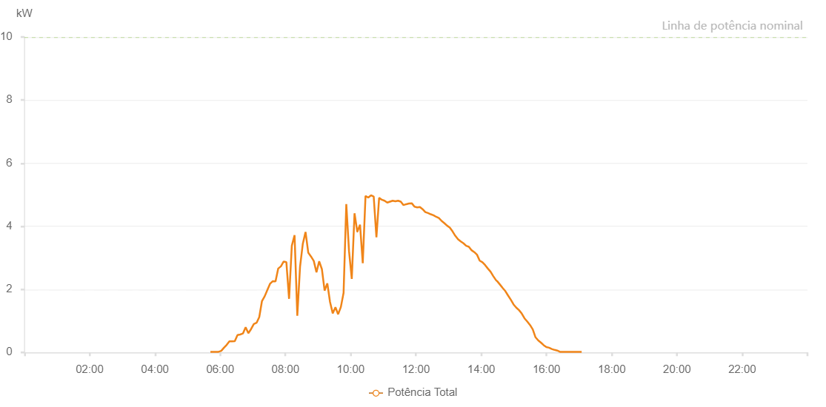

Number | Time | Working State | Alarm Code | Total Inverter Power(W)
1 | 19/07/2022 05:42:02 (UTC-4:00) | Normal |  | 20.000
2 | 19/07/2022 05:47:00 (UTC-4:00) | Normal |  | 20.000
3 | 19/07/2022 05:52:00 (UTC-4:00) | Normal |  | 20.000
4 | 19/07/2022 05:57:01 (UTC-4:00) | Normal |  | 20.000
5 | 19/07/2022 06:02:00 (UTC-4:00) | Normal |  | 50.000
6 | 19/07/2022 06:06:59 (UTC-4:00) | Normal |  | 150.000
7 | 19/07/2022 06:11:58 (UTC-4:00) | Normal |  | 240.000
8 | 19/07/2022 06:16:57 (UTC-4:00) | Normal |  | 350.000
9 | 19/07/2022 06:21:56 (UTC-4:00) | Normal |  | 350.000
10 | 19/07/2022 06:26:55 (UTC-4:00) | Normal |  | 360.000
11 | 19/07/2022 06:31:53 (UTC-4:00) | Normal |  | 550.000
12 | 19/07/2022 06:36:52 (UTC-4:00) | Normal |  | 570.000
13 | 19/07/2022 06:41:51 (UTC-4:00) | Normal |  | 600.000
14 | 19/07/2022 06:46:50 (UTC-4:00) | Normal |  | 800.000
15 | 19/07/2022 06:51:49 (UTC-4:00) | Normal |  | 610.000
16 | 19/07/2022 06:56:50 (UTC-4:00) | Normal |  | 740.000
17 | 19/07/2022 07:01:53 (UTC-4:00) | Normal |  | 900.000
18 | 19/07/2022 07:06:55 (UTC-4:00) | Normal |  | 940.000
19 | 19/07/2022 07:11:54 (UTC-4:00) | Normal |  | 1120.000
20 | 19/07/2022 07:16:53 (UTC-4:00) | Normal |  | 1630.000
21 | 19/07/2022 07:21:52 (UTC-4:00) | Normal |  | 1780.000
22 | 19/07/2022 07:26:51 (UTC-4:00) | Normal |  | 1980.000
23 | 19/07/2022 07:31:50 (UTC-4:00) | Normal |  | 2180.000
24 | 19/07/2022 07:36:49 (UTC-4:00) | Normal |  | 2260.000
25 | 19/07/2022 07:41:48 (UTC-4:00) | Normal |  | 2250.000
26 | 19/07/2022 07:46:46 (UTC-4:00) | Normal |  | 2660.000
27 | 19/07/2022 07:51:45 (UTC-4:00) | Normal |  | 2730.000
28 | 19/07/2022 07:56:44 (UTC-4:00) | Normal |  | 2880.000
29 | 19/07/2022 08:01:44 (UTC-4:00) | Normal |  | 2860.000
30 | 19/07/2022 08:06:43 (UTC-4:00) | Normal |  | 1700.000
31 | 19/07/2022 08:11:45 (UTC-4:00) | Normal |  | 3380.000
32 | 19/07/2022 08:16:48 (UTC-4:00) | Normal |  | 3720.000
33 | 19/07/2022 08:21:51 (UTC-4:00) | Normal |  | 1160.000
34 | 19/07/2022 08:26:54 (UTC-4:00) | Normal |  | 2720.000
35 | 19/07/2022 08:31:56 (UTC-4:00) | Normal |  | 3440.000
36 | 19/07/2022 08:36:59 (UTC-4:00) | Normal |  | 3820.000
37 | 19/07/2022 08:42:02 (UTC-4:00) | Normal |  | 3160.000
38 | 19/07/2022 08:47:05 (UTC-4:00) | Normal |  | 3040.000
39 | 19/07/2022 08:52:08 (UTC-4:00) | Normal |  | 2900.000
40 | 19/07/2022 08:57:06 (UTC-4:00) | Normal |  | 2540.000
41 | 19/07/2022 09:02:05 (UTC-4:00) | Normal |  | 2890.000
42 | 19/07/2022 09:07:04 (UTC-4:00) | Normal |  | 2640.000
43 | 19/07/2022 09:12:03 (UTC-4:00) | Normal |  | 1960.000
44 | 19/07/2022 09:17:02 (UTC-4:00) | Normal |  | 2190.000
45 | 19/07/2022 09:22:00 (UTC-4:00) | Normal |  | 1600.000
46 | 19/07/2022 09:26:59 (UTC-4:00) | Normal |  | 1240.000
47 | 19/07/2022 09:31:58 (UTC-4:00) | Normal |  | 1430.000
48 | 19/07/2022 09:36:57 (UTC-4:00) | Normal |  | 1210.000
49 | 19/07/2022 09:41:56 (UTC-4:00) | Normal |  | 1440.000
50 | 19/07/2022 09:46:56 (UTC-4:00) | Normal |  | 1890.000
51 | 19/07/2022 09:51:56 (UTC-4:00) | Normal |  | 4700.000
52 | 19/07/2022 09:56:58 (UTC-4:00) | Normal |  | 3210.000
53 | 19/07/2022 10:02:01 (UTC-4:00) | Normal |  | 2330.000
54 | 19/07/2022 10:07:04 (UTC-4:00) | Normal |  | 4410.000
55 | 19/07/2022 10:12:07 (UTC-4:00) | Normal |  | 3830.000
56 | 19/07/2022 10:12:18 (UTC-4:00) | Normal |  | 3830.000
57 | 19/07/2022 10:17:11 (UTC-4:00) | Normal |  | 4050.000
58 | 19/07/2022 10:22:13 (UTC-4:00) | Normal |  | 2830.000
59 | 19/07/2022 10:27:16 (UTC-4:00) | Normal |  | 4960.000
60 | 19/07/2022 10:32:19 (UTC-4:00) | Normal |  | 4910.000
61 | 19/07/2022 10:37:22 (UTC-4:00) | Normal |  | 4980.000
62 | 19/07/2022 10:42:20 (UTC-4:00) | Normal |  | 4940.000
63 | 19/07/2022 10:47:19 (UTC-4:00) | Normal |  | 3650.000
64 | 19/07/2022 10:52:18 (UTC-4:00) | Normal |  | 4900.000
65 | 19/07/2022 10:57:17 (UTC-4:00) | Normal |  | 4840.000
66 | 19/07/2022 11:02:16 (UTC-4:00) | Normal |  | 4810.000
67 | 19/07/2022 11:07:15 (UTC-4:00) | Normal |  | 4750.000
68 | 19/07/2022 11:12:14 (UTC-4:00) | Normal |  | 4780.000
69 | 19/07/2022 11:17:13 (UTC-4:00) | Normal |  | 4810.000
70 | 19/07/2022 11:22:11 (UTC-4:00) | Normal |  | 4790.000
71 | 19/07/2022 11:27:10 (UTC-4:00) | Normal |  | 4810.000
72 | 19/07/2022 11:32:09 (UTC-4:00) | Normal |  | 4780.000
73 | 19/07/2022 11:37:08 (UTC-4:00) | Normal |  | 4670.000
74 | 19/07/2022 11:42:11 (UTC-4:00) | Normal |  | 4700.000
75 | 19/07/2022 11:47:14 (UTC-4:00) | Normal |  | 4720.000
76 | 19/07/2022 11:52:17 (UTC-4:00) | Normal |  | 4730.000
77 | 19/07/2022 11:57:19 (UTC-4:00) | Normal |  | 4620.000
78 | 19/07/2022 12:02:18 (UTC-4:00) | Normal |  | 4600.000
79 | 19/07/2022 12:07:17 (UTC-4:00) | Normal |  | 4610.000
80 | 19/07/2022 12:12:16 (UTC-4:00) | Normal |  | 4540.000
81 | 19/07/2022 12:17:15 (UTC-4:00) | Normal |  | 4450.000
82 | 19/07/2022 12:22:14 (UTC-4:00) | Normal |  | 4420.000
83 | 19/07/2022 12:27:13 (UTC-4:00) | Normal |  | 4380.000
84 | 19/07/2022 12:32:12 (UTC-4:00) | Normal |  | 4350.000
85 | 19/07/2022 12:37:11 (UTC-4:00) | Normal |  | 4300.000
86 | 19/07/2022 12:42:10 (UTC-4:00) | Normal |  | 4260.000
87 | 19/07/2022 12:47:09 (UTC-4:00) | Normal |  | 4170.000
88 | 19/07/2022 12:52:08 (UTC-4:00) | Normal |  | 4100.000
89 | 19/07/2022 12:57:10 (UTC-4:00) | Normal |  | 4020.000
90 | 19/07/2022 13:02:11 (UTC-4:00) | Normal |  | 3960.000
91 | 19/07/2022 13:07:13 (UTC-4:00) | Normal |  | 3840.000
92 | 19/07/2022 13:12:16 (UTC-4:00) | Normal |  | 3700.000
93 | 19/07/2022 13:17:19 (UTC-4:00) | Normal |  | 3590.000
94 | 19/07/2022 13:22:22 (UTC-4:00) | Normal |  | 3520.000
95 | 19/07/2022 13:27:21 (UTC-4:00) | Normal |  | 3460.000
96 | 19/07/2022 13:32:20 (UTC-4:00) | Normal |  | 3380.000
97 | 19/07/2022 13:37:19 (UTC-4:00) | Normal |  | 3350.000
98 | 19/07/2022 13:42:18 (UTC-4:00) | Normal |  | 3240.000
99 | 19/07/2022 13:47:18 (UTC-4:00) | Normal |  | 3180.000
100 | 19/07/2022 13:52:16 (UTC-4:00) | Normal |  | 3100.000
101 | 19/07/2022 13:57:15 (UTC-4:00) | Normal |  | 2910.000
102 | 19/07/2022 14:02:14 (UTC-4:00) | Normal |  | 2860.000
103 | 19/07/2022 14:07:13 (UTC-4:00) | Normal |  | 2770.000
104 | 19/07/2022 14:12:12 (UTC-4:00) | Normal |  | 2660.000
105 | 19/07/2022 14:17:11 (UTC-4:00) | Normal |  | 2560.000
106 | 19/07/2022 14:22:10 (UTC-4:00) | Normal |  | 2420.000
107 | 19/07/2022 14:27:13 (UTC-4:00) | Normal |  | 2290.000
108 | 19/07/2022 14:29:20 (UTC-4:00) | Normal |  | 2260.000
109 | 19/07/2022 14:34:36 (UTC-4:00) | Normal |  | 2150.000
110 | 19/07/2022 14:39:35 (UTC-4:00) | Normal |  | 2040.000
111 | 19/07/2022 14:44:34 (UTC-4:00) | Normal |  | 1940.000
112 | 19/07/2022 14:49:33 (UTC-4:00) | Normal |  | 1800.000
113 | 19/07/2022 14:54:33 (UTC-4:00) | Normal |  | 1670.000
114 | 19/07/2022 14:59:32 (UTC-4:00) | Normal |  | 1520.000
115 | 19/07/2022 15:04:32 (UTC-4:00) | Normal |  | 1420.000
116 | 19/07/2022 15:09:35 (UTC-4:00) | Normal |  | 1340.000
117 | 19/07/2022 15:14:38 (UTC-4:00) | Normal |  | 1230.000
118 | 19/07/2022 15:19:41 (UTC-4:00) | Normal |  | 1080.000
119 | 19/07/2022 15:24:44 (UTC-4:00) | Normal |  | 980.000
120 | 19/07/2022 15:29:47 (UTC-4:00) | Normal |  | 870.000
121 | 19/07/2022 15:34:50 (UTC-4:00) | Normal |  | 730.000
122 | 19/07/2022 15:39:53 (UTC-4:00) | Normal |  | 480.000
123 | 19/07/2022 15:44:52 (UTC-4:00) | Normal |  | 380.000
124 | 19/07/2022 15:49:52 (UTC-4:00) | Normal |  | 310.000
125 | 19/07/2022 15:54:51 (UTC-4:00) | Normal |  | 230.000
126 | 19/07/2022 15:59:50 (UTC-4:00) | Normal |  | 170.000
127 | 19/07/2022 16:04:49 (UTC-4:00) | Normal |  | 150.000
128 | 19/07/2022 16:09:49 (UTC-4:00) | Normal |  | 110.000
129 | 19/07/2022 16:14:48 (UTC-4:00) | Normal |  | 80.000
130 | 19/07/2022 16:19:48 (UTC-4:00) | Normal |  | 60.000
131 | 19/07/2022 16:24:48 (UTC-4:00) | Normal |  | 20.000
132 | 19/07/2022 16:29:47 (UTC-4:00) | Normal |  | 20.000
133 | 19/07/2022 16:34:46 (UTC-4:00) | Normal |  | 20.000
134 | 19/07/2022 16:39:45 (UTC-4:00) | Normal |  | 20.000
135 | 19/07/2022 16:44:48 (UTC-4:00) | Normal |  | 20.000
136 | 19/07/2022 16:49:47 (UTC-4:00) | Normal |  | 20.000
137 | 19/07/2022 16:54:47 (UTC-4:00) | Normal |  | 20.000
138 | 19/07/2022 16:59:46 (UTC-4:00) | Normal |  | 20.000
139 | 19/07/2022 17:04:45 (UTC-4:00) | Normal |  | 20.000

