Inverter History Report__17-08-
Inverter History Report_20/07/2022_Report

Inverter SN:054B7020C020041 |  | Inverter type:B7
Collector SN:4045966636 |  | Full Load Hours(h):3.12
Rated Power:10000Wp

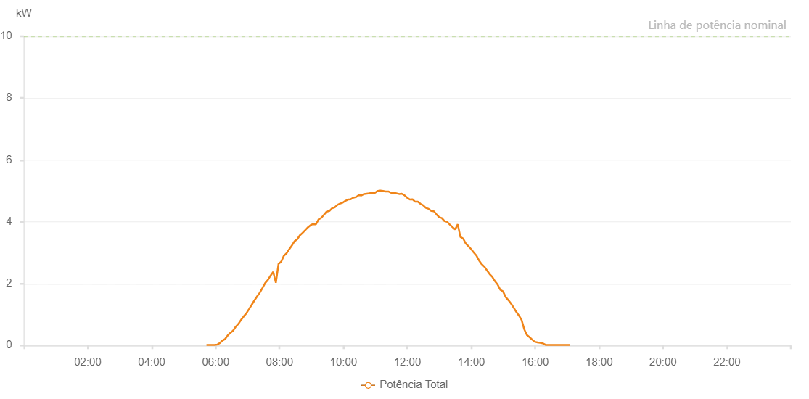

Number | Time | Working State | Alarm Code | Total Inverter Power(W)
1 | 20/07/2022 05:42:51 (UTC-4:00) | Normal |  | 20.000
2 | 20/07/2022 05:47:53 (UTC-4:00) | Normal |  | 20.000
3 | 20/07/2022 05:52:52 (UTC-4:00) | Normal |  | 20.000
4 | 20/07/2022 05:57:51 (UTC-4:00) | Normal |  | 20.000
5 | 20/07/2022 06:02:50 (UTC-4:00) | Normal |  | 30.000
6 | 20/07/2022 06:07:50 (UTC-4:00) | Normal |  | 80.000
7 | 20/07/2022 06:12:51 (UTC-4:00) | Normal |  | 160.000
8 | 20/07/2022 06:17:49 (UTC-4:00) | Normal |  | 210.000
9 | 20/07/2022 06:22:49 (UTC-4:00) | Normal |  | 330.000
10 | 20/07/2022 06:27:49 (UTC-4:00) | Normal |  | 410.000
11 | 20/07/2022 06:32:50 (UTC-4:00) | Normal |  | 480.000
12 | 20/07/2022 06:37:48 (UTC-4:00) | Normal |  | 610.000
13 | 20/07/2022 06:42:49 (UTC-4:00) | Normal |  | 700.000
14 | 20/07/2022 06:47:48 (UTC-4:00) | Normal |  | 830.000
15 | 20/07/2022 06:52:43 (UTC-4:00) | Normal |  | 940.000
16 | 20/07/2022 06:57:42 (UTC-4:00) | Normal |  | 1040.000
17 | 20/07/2022 07:02:50 (UTC-4:00) | Normal |  | 1180.000
18 | 20/07/2022 07:07:53 (UTC-4:00) | Normal |  | 1320.000
19 | 20/07/2022 07:12:53 (UTC-4:00) | Normal |  | 1460.000
20 | 20/07/2022 07:17:55 (UTC-4:00) | Normal |  | 1590.000
21 | 20/07/2022 07:22:58 (UTC-4:00) | Normal |  | 1710.000
22 | 20/07/2022 07:28:02 (UTC-4:00) | Normal |  | 1860.000
23 | 20/07/2022 07:33:05 (UTC-4:00) | Normal |  | 2020.000
24 | 20/07/2022 07:38:08 (UTC-4:00) | Normal |  | 2120.000
25 | 20/07/2022 07:43:07 (UTC-4:00) | Normal |  | 2260.000
26 | 20/07/2022 07:48:07 (UTC-4:00) | Normal |  | 2380.000
27 | 20/07/2022 07:53:06 (UTC-4:00) | Normal |  | 2030.000
28 | 20/07/2022 07:58:06 (UTC-4:00) | Normal |  | 2640.000
29 | 20/07/2022 08:03:05 (UTC-4:00) | Normal |  | 2710.000
30 | 20/07/2022 08:08:05 (UTC-4:00) | Normal |  | 2900.000
31 | 20/07/2022 08:13:05 (UTC-4:00) | Normal |  | 2980.000
32 | 20/07/2022 08:18:03 (UTC-4:00) | Normal |  | 3110.000
33 | 20/07/2022 08:23:03 (UTC-4:00) | Normal |  | 3230.000
34 | 20/07/2022 08:28:02 (UTC-4:00) | Normal |  | 3370.000
35 | 20/07/2022 08:33:01 (UTC-4:00) | Normal |  | 3430.000
36 | 20/07/2022 08:38:01 (UTC-4:00) | Normal |  | 3560.000
37 | 20/07/2022 08:43:04 (UTC-4:00) | Normal |  | 3640.000
38 | 20/07/2022 08:48:06 (UTC-4:00) | Normal |  | 3730.000
39 | 20/07/2022 08:48:18 (UTC-4:00) | Normal |  | 3730.000
40 | 20/07/2022 08:53:10 (UTC-4:00) | Normal |  | 3820.000
41 | 20/07/2022 08:58:13 (UTC-4:00) | Normal |  | 3890.000
42 | 20/07/2022 09:03:16 (UTC-4:00) | Normal |  | 3930.000
43 | 20/07/2022 09:08:20 (UTC-4:00) | Normal |  | 3920.000
44 | 20/07/2022 09:13:23 (UTC-4:00) | Normal |  | 4080.000
45 | 20/07/2022 09:18:26 (UTC-4:00) | Normal |  | 4130.000
46 | 20/07/2022 09:23:29 (UTC-4:00) | Normal |  | 4230.000
47 | 20/07/2022 09:28:33 (UTC-4:00) | Normal |  | 4330.000
48 | 20/07/2022 09:33:36 (UTC-4:00) | Normal |  | 4350.000
49 | 20/07/2022 09:38:39 (UTC-4:00) | Normal |  | 4440.000
50 | 20/07/2022 09:43:43 (UTC-4:00) | Normal |  | 4470.000
51 | 20/07/2022 09:48:46 (UTC-4:00) | Normal |  | 4550.000
52 | 20/07/2022 09:53:45 (UTC-4:00) | Normal |  | 4590.000
53 | 20/07/2022 09:58:44 (UTC-4:00) | Normal |  | 4620.000
54 | 20/07/2022 10:03:44 (UTC-4:00) | Normal |  | 4680.000
55 | 20/07/2022 10:08:43 (UTC-4:00) | Normal |  | 4720.000
56 | 20/07/2022 10:13:42 (UTC-4:00) | Normal |  | 4730.000
57 | 20/07/2022 10:18:42 (UTC-4:00) | Normal |  | 4780.000
58 | 20/07/2022 10:23:41 (UTC-4:00) | Normal |  | 4800.000
59 | 20/07/2022 10:28:40 (UTC-4:00) | Normal |  | 4860.000
60 | 20/07/2022 10:33:40 (UTC-4:00) | Normal |  | 4850.000
61 | 20/07/2022 10:38:39 (UTC-4:00) | Normal |  | 4900.000
62 | 20/07/2022 10:43:38 (UTC-4:00) | Normal |  | 4910.000
63 | 20/07/2022 10:48:40 (UTC-4:00) | Normal |  | 4920.000
64 | 20/07/2022 10:53:43 (UTC-4:00) | Normal |  | 4940.000
65 | 20/07/2022 10:54:01 (UTC-4:00) | Normal |  | 4940.000
66 | 20/07/2022 10:59:18 (UTC-4:00) | Normal |  | 4940.000
67 | 20/07/2022 11:04:15 (UTC-4:00) | Normal |  | 5000.000
68 | 20/07/2022 11:04:26 (UTC-4:00) | Normal |  | 5000.000
69 | 20/07/2022 11:09:17 (UTC-4:00) | Normal |  | 5010.000
70 | 20/07/2022 11:14:14 (UTC-4:00) | Normal |  | 5000.000
71 | 20/07/2022 11:19:12 (UTC-4:00) | Normal |  | 4980.000
72 | 20/07/2022 11:24:11 (UTC-4:00) | Normal |  | 4980.000
73 | 20/07/2022 11:29:11 (UTC-4:00) | Normal |  | 4940.000
74 | 20/07/2022 11:34:18 (UTC-4:00) | Normal |  | 4940.000
75 | 20/07/2022 11:39:19 (UTC-4:00) | Normal |  | 4920.000
76 | 20/07/2022 11:44:20 (UTC-4:00) | Normal |  | 4900.000
77 | 20/07/2022 11:44:30 (UTC-4:00) | Normal |  | 4900.000
78 | 20/07/2022 11:49:25 (UTC-4:00) | Normal |  | 4910.000
79 | 20/07/2022 11:54:25 (UTC-4:00) | Normal |  | 4860.000
80 | 20/07/2022 11:59:27 (UTC-4:00) | Normal |  | 4780.000
81 | 20/07/2022 12:04:30 (UTC-4:00) | Normal |  | 4720.000
82 | 20/07/2022 12:09:33 (UTC-4:00) | Normal |  | 4730.000
83 | 20/07/2022 12:14:35 (UTC-4:00) | Normal |  | 4650.000
84 | 20/07/2022 12:19:38 (UTC-4:00) | Normal |  | 4650.000
85 | 20/07/2022 12:24:41 (UTC-4:00) | Normal |  | 4580.000
86 | 20/07/2022 12:29:44 (UTC-4:00) | Normal |  | 4530.000
87 | 20/07/2022 12:34:46 (UTC-4:00) | Normal |  | 4450.000
88 | 20/07/2022 12:39:49 (UTC-4:00) | Normal |  | 4420.000
89 | 20/07/2022 12:44:48 (UTC-4:00) | Normal |  | 4350.000
90 | 20/07/2022 12:49:47 (UTC-4:00) | Normal |  | 4340.000
91 | 20/07/2022 12:54:46 (UTC-4:00) | Normal |  | 4240.000
92 | 20/07/2022 12:59:44 (UTC-4:00) | Normal |  | 4150.000
93 | 20/07/2022 13:04:43 (UTC-4:00) | Normal |  | 4120.000
94 | 20/07/2022 13:09:42 (UTC-4:00) | Normal |  | 4020.000
95 | 20/07/2022 13:14:40 (UTC-4:00) | Normal |  | 4000.000
96 | 20/07/2022 13:19:39 (UTC-4:00) | Normal |  | 3910.000
97 | 20/07/2022 13:24:38 (UTC-4:00) | Normal |  | 3830.000
98 | 20/07/2022 13:29:38 (UTC-4:00) | Normal |  | 3750.000
99 | 20/07/2022 13:34:36 (UTC-4:00) | Normal |  | 3920.000
100 | 20/07/2022 13:39:35 (UTC-4:00) | Normal |  | 3510.000
101 | 20/07/2022 13:44:37 (UTC-4:00) | Normal |  | 3460.000
102 | 20/07/2022 13:49:36 (UTC-4:00) | Normal |  | 3300.000
103 | 20/07/2022 13:54:34 (UTC-4:00) | Normal |  | 3210.000
104 | 20/07/2022 13:59:33 (UTC-4:00) | Normal |  | 3120.000
105 | 20/07/2022 14:04:32 (UTC-4:00) | Normal |  | 3010.000
106 | 20/07/2022 14:09:31 (UTC-4:00) | Normal |  | 2910.000
107 | 20/07/2022 14:14:30 (UTC-4:00) | Normal |  | 2750.000
108 | 20/07/2022 14:19:33 (UTC-4:00) | Normal |  | 2630.000
109 | 20/07/2022 14:24:27 (UTC-4:00) | Normal |  | 2550.000
110 | 20/07/2022 14:29:26 (UTC-4:00) | Normal |  | 2430.000
111 | 20/07/2022 14:34:25 (UTC-4:00) | Normal |  | 2310.000
112 | 20/07/2022 14:39:24 (UTC-4:00) | Normal |  | 2220.000
113 | 20/07/2022 14:44:22 (UTC-4:00) | Normal |  | 2080.000
114 | 20/07/2022 14:49:25 (UTC-4:00) | Normal |  | 1970.000
115 | 20/07/2022 14:54:28 (UTC-4:00) | Normal |  | 1800.000
116 | 20/07/2022 14:59:31 (UTC-4:00) | Normal |  | 1750.000
117 | 20/07/2022 15:04:29 (UTC-4:00) | Normal |  | 1570.000
118 | 20/07/2022 15:09:28 (UTC-4:00) | Normal |  | 1470.000
119 | 20/07/2022 15:14:27 (UTC-4:00) | Normal |  | 1360.000
120 | 20/07/2022 15:19:25 (UTC-4:00) | Normal |  | 1230.000
121 | 20/07/2022 15:24:24 (UTC-4:00) | Normal |  | 1090.000
122 | 20/07/2022 15:29:23 (UTC-4:00) | Normal |  | 970.000
123 | 20/07/2022 15:34:21 (UTC-4:00) | Normal |  | 830.000
124 | 20/07/2022 15:39:20 (UTC-4:00) | Normal |  | 530.000
125 | 20/07/2022 15:44:19 (UTC-4:00) | Normal |  | 340.000
126 | 20/07/2022 15:49:19 (UTC-4:00) | Normal |  | 270.000
127 | 20/07/2022 15:54:17 (UTC-4:00) | Normal |  | 190.000
128 | 20/07/2022 15:59:17 (UTC-4:00) | Normal |  | 120.000
129 | 20/07/2022 16:04:20 (UTC-4:00) | Normal |  | 100.000
130 | 20/07/2022 16:09:23 (UTC-4:00) | Normal |  | 90.000
131 | 20/07/2022 16:14:25 (UTC-4:00) | Normal |  | 70.000
132 | 20/07/2022 16:19:28 (UTC-4:00) | Normal |  | 20.000
133 | 20/07/2022 16:24:31 (UTC-4:00) | Normal |  | 20.000
134 | 20/07/2022 16:29:33 (UTC-4:00) | Normal |  | 20.000
135 | 20/07/2022 16:34:36 (UTC-4:00) | Normal |  | 20.000
136 | 20/07/2022 16:39:39 (UTC-4:00) | Normal |  | 20.000
137 | 20/07/2022 16:44:41 (UTC-4:00) | Normal |  | 20.000
138 | 20/07/2022 16:49:40 (UTC-4:00) | Normal |  | 20.000
139 | 20/07/2022 16:54:39 (UTC-4:00) | Normal |  | 20.000
140 | 20/07/2022 16:59:37 (UTC-4:00) | Normal |  | 20.000
141 | 20/07/2022 17:04:36 (UTC-4:00) | Normal |  | 20.000

