Inverter History Report__17-08-
Inverter History Report_21/07/2022_Report

Inverter SN:054B7020C020041 |  | Inverter type:B7
Collector SN:4045966636 |  | Full Load Hours(h):3.16
Rated Power:10000Wp

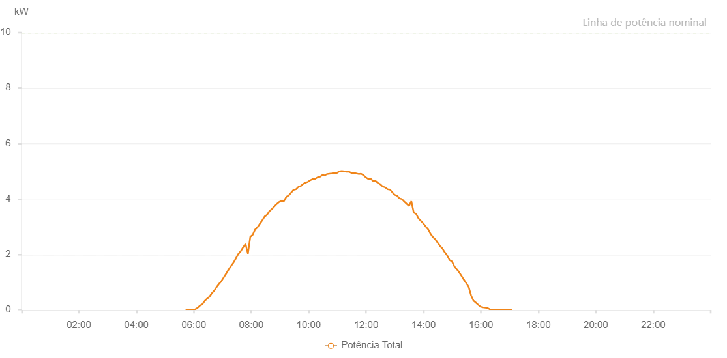

Number | Time | Working State | Alarm Code | Total Inverter Power(W)
1 | 21/07/2022 05:43:17 (UTC-4:00) | Normal |  | 20.000
2 | 21/07/2022 05:48:20 (UTC-4:00) | Normal |  | 20.000
3 | 21/07/2022 05:53:20 (UTC-4:00) | Normal |  | 20.000
4 | 21/07/2022 05:58:20 (UTC-4:00) | Normal |  | 20.000
5 | 21/07/2022 06:03:24 (UTC-4:00) | Normal |  | 30.000
6 | 21/07/2022 06:08:24 (UTC-4:00) | Normal |  | 80.000
7 | 21/07/2022 06:13:24 (UTC-4:00) | Normal |  | 140.000
8 | 21/07/2022 06:18:23 (UTC-4:00) | Normal |  | 190.000
9 | 21/07/2022 06:23:23 (UTC-4:00) | Normal |  | 350.000
10 | 21/07/2022 06:28:23 (UTC-4:00) | Normal |  | 460.000
11 | 21/07/2022 06:33:23 (UTC-4:00) | Normal |  | 590.000
12 | 21/07/2022 06:38:23 (UTC-4:00) | Normal |  | 720.000
13 | 21/07/2022 06:43:22 (UTC-4:00) | Normal |  | 860.000
14 | 21/07/2022 06:48:22 (UTC-4:00) | Normal |  | 1000.000
15 | 21/07/2022 06:53:23 (UTC-4:00) | Normal |  | 1150.000
16 | 21/07/2022 06:58:25 (UTC-4:00) | Normal |  | 1300.000
17 | 21/07/2022 07:03:27 (UTC-4:00) | Normal |  | 1450.000
18 | 21/07/2022 07:08:27 (UTC-4:00) | Normal |  | 1590.000
19 | 21/07/2022 07:13:30 (UTC-4:00) | Normal |  | 1740.000
20 | 21/07/2022 07:18:34 (UTC-4:00) | Normal |  | 1880.000
21 | 21/07/2022 07:18:45 (UTC-4:00) | Normal |  | 1880.000
22 | 21/07/2022 07:23:39 (UTC-4:00) | Normal |  | 2020.000
23 | 21/07/2022 07:28:42 (UTC-4:00) | Normal |  | 2150.000
24 | 21/07/2022 07:33:45 (UTC-4:00) | Normal |  | 2290.000
25 | 21/07/2022 07:38:49 (UTC-4:00) | Normal |  | 2440.000
26 | 21/07/2022 07:43:53 (UTC-4:00) | Normal |  | 2560.000
27 | 21/07/2022 07:48:57 (UTC-4:00) | Normal |  | 2680.000
28 | 21/07/2022 07:54:00 (UTC-4:00) | Normal |  | 2770.000
29 | 21/07/2022 07:59:00 (UTC-4:00) | Normal |  | 2870.000
30 | 21/07/2022 08:04:00 (UTC-4:00) | Normal |  | 2970.000
31 | 21/07/2022 08:09:00 (UTC-4:00) | Normal |  | 3100.000
32 | 21/07/2022 08:13:59 (UTC-4:00) | Normal |  | 3230.000
33 | 21/07/2022 08:18:59 (UTC-4:00) | Normal |  | 3350.000
34 | 21/07/2022 08:23:59 (UTC-4:00) | Normal |  | 3440.000
35 | 21/07/2022 08:28:59 (UTC-4:00) | Normal |  | 3490.000
36 | 21/07/2022 08:33:58 (UTC-4:00) | Normal |  | 3650.000
37 | 21/07/2022 08:38:58 (UTC-4:00) | Normal |  | 3740.000
38 | 21/07/2022 08:43:58 (UTC-4:00) | Normal |  | 3820.000
39 | 21/07/2022 08:48:58 (UTC-4:00) | Normal |  | 3910.000
40 | 21/07/2022 08:53:59 (UTC-4:00) | Normal |  | 4000.000
41 | 21/07/2022 08:59:03 (UTC-4:00) | Normal |  | 4070.000
42 | 21/07/2022 09:04:07 (UTC-4:00) | Normal |  | 4130.000
43 | 21/07/2022 09:09:11 (UTC-4:00) | Normal |  | 4190.000
44 | 21/07/2022 09:14:10 (UTC-4:00) | Normal |  | 4250.000
45 | 21/07/2022 09:19:10 (UTC-4:00) | Normal |  | 4310.000
46 | 21/07/2022 09:24:10 (UTC-4:00) | Normal |  | 4410.000
47 | 21/07/2022 09:29:10 (UTC-4:00) | Normal |  | 4460.000
48 | 21/07/2022 09:34:10 (UTC-4:00) | Normal |  | 4470.000
49 | 21/07/2022 09:39:09 (UTC-4:00) | Normal |  | 4530.000
50 | 21/07/2022 09:44:09 (UTC-4:00) | Normal |  | 4520.000
51 | 21/07/2022 09:49:09 (UTC-4:00) | Normal |  | 4570.000
52 | 21/07/2022 09:54:09 (UTC-4:00) | Normal |  | 4650.000
53 | 21/07/2022 09:59:09 (UTC-4:00) | Normal |  | 4650.000
54 | 21/07/2022 10:04:08 (UTC-4:00) | Normal |  | 4740.000
55 | 21/07/2022 10:09:09 (UTC-4:00) | Normal |  | 4710.000
56 | 21/07/2022 10:14:13 (UTC-4:00) | Normal |  | 4740.000
57 | 21/07/2022 10:19:16 (UTC-4:00) | Normal |  | 4820.000
58 | 21/07/2022 10:24:20 (UTC-4:00) | Normal |  | 4820.000
59 | 21/07/2022 10:29:24 (UTC-4:00) | Normal |  | 4810.000
60 | 21/07/2022 10:34:27 (UTC-4:00) | Normal |  | 4780.000
61 | 21/07/2022 10:39:31 (UTC-4:00) | Normal |  | 4850.000
62 | 21/07/2022 10:39:42 (UTC-4:00) | Normal |  | 4850.000
63 | 21/07/2022 10:44:36 (UTC-4:00) | Normal |  | 4890.000
64 | 21/07/2022 10:49:41 (UTC-4:00) | Normal |  | 4900.000
65 | 21/07/2022 10:49:53 (UTC-4:00) | Normal |  | 4900.000
66 | 21/07/2022 10:54:43 (UTC-4:00) | Normal |  | 4920.000
67 | 21/07/2022 10:59:46 (UTC-4:00) | Normal |  | 4900.000
68 | 21/07/2022 10:59:59 (UTC-4:00) | Normal |  | 4900.000
69 | 21/07/2022 11:04:55 (UTC-4:00) | Normal |  | 4990.000
70 | 21/07/2022 11:09:55 (UTC-4:00) | Normal |  | 4950.000
71 | 21/07/2022 11:14:58 (UTC-4:00) | Normal |  | 4840.000
72 | 21/07/2022 11:20:01 (UTC-4:00) | Normal |  | 4950.000
73 | 21/07/2022 11:20:14 (UTC-4:00) | Normal |  | 4950.000
74 | 21/07/2022 11:25:05 (UTC-4:00) | Normal |  | 4860.000
75 | 21/07/2022 11:30:14 (UTC-4:00) | Normal |  | 4970.000
76 | 21/07/2022 11:35:14 (UTC-4:00) | Normal |  | 5010.000
77 | 21/07/2022 11:40:16 (UTC-4:00) | Normal |  | 5000.000
78 | 21/07/2022 11:40:17 (UTC-4:00) | Normal |  | 5000.000
79 | 21/07/2022 11:45:20 (UTC-4:00) | Normal |  | 4880.000
80 | 21/07/2022 11:50:24 (UTC-4:00) | Normal |  | 4870.000
81 | 21/07/2022 11:55:27 (UTC-4:00) | Normal |  | 4700.000
82 | 21/07/2022 12:00:31 (UTC-4:00) | Normal |  | 4540.000
83 | 21/07/2022 12:05:31 (UTC-4:00) | Normal |  | 4490.000
84 | 21/07/2022 12:10:31 (UTC-4:00) | Normal |  | 4290.000
85 | 21/07/2022 12:15:30 (UTC-4:00) | Normal |  | 4590.000
86 | 21/07/2022 12:20:30 (UTC-4:00) | Normal |  | 4580.000
87 | 21/07/2022 12:25:31 (UTC-4:00) | Normal |  | 4550.000
88 | 21/07/2022 12:30:33 (UTC-4:00) | Normal |  | 4440.000
89 | 21/07/2022 12:35:33 (UTC-4:00) | Normal |  | 4450.000
90 | 21/07/2022 12:40:32 (UTC-4:00) | Normal |  | 4430.000
91 | 21/07/2022 12:45:32 (UTC-4:00) | Normal |  | 4350.000
92 | 21/07/2022 12:50:32 (UTC-4:00) | Normal |  | 4420.000
93 | 21/07/2022 12:55:31 (UTC-4:00) | Normal |  | 4340.000
94 | 21/07/2022 13:00:31 (UTC-4:00) | Normal |  | 4400.000
95 | 21/07/2022 13:05:33 (UTC-4:00) | Normal |  | 4170.000
96 | 21/07/2022 13:10:36 (UTC-4:00) | Normal |  | 3830.000
97 | 21/07/2022 13:15:39 (UTC-4:00) | Normal |  | 3940.000
98 | 21/07/2022 13:20:39 (UTC-4:00) | Normal |  | 3760.000
99 | 21/07/2022 13:25:39 (UTC-4:00) | Normal |  | 3710.000
100 | 21/07/2022 13:30:38 (UTC-4:00) | Normal |  | 3740.000
101 | 21/07/2022 13:35:38 (UTC-4:00) | Normal |  | 3730.000
102 | 21/07/2022 13:40:40 (UTC-4:00) | Normal |  | 3790.000
103 | 21/07/2022 13:45:40 (UTC-4:00) | Normal |  | 2770.000
104 | 21/07/2022 13:50:39 (UTC-4:00) | Normal |  | 3560.000
105 | 21/07/2022 13:55:39 (UTC-4:00) | Normal |  | 1750.000
106 | 21/07/2022 14:00:39 (UTC-4:00) | Normal |  | 2710.000
107 | 21/07/2022 14:05:39 (UTC-4:00) | Normal |  | 2970.000
108 | 21/07/2022 14:10:39 (UTC-4:00) | Normal |  | 2700.000
109 | 21/07/2022 14:15:38 (UTC-4:00) | Normal |  | 2670.000
110 | 21/07/2022 14:20:41 (UTC-4:00) | Normal |  | 2590.000
111 | 21/07/2022 14:25:45 (UTC-4:00) | Normal |  | 2370.000
112 | 21/07/2022 14:30:49 (UTC-4:00) | Normal |  | 2400.000
113 | 21/07/2022 14:32:01 (UTC-4:00) | Normal |  | 2410.000
114 | 21/07/2022 14:37:17 (UTC-4:00) | Normal |  | 2200.000
115 | 21/07/2022 14:42:16 (UTC-4:00) | Normal |  | 2050.000
116 | 21/07/2022 14:47:15 (UTC-4:00) | Normal |  | 1910.000
117 | 21/07/2022 14:52:16 (UTC-4:00) | Normal |  | 1800.000
118 | 21/07/2022 14:57:17 (UTC-4:00) | Normal |  | 1790.000
119 | 21/07/2022 15:02:16 (UTC-4:00) | Normal |  | 1680.000
120 | 21/07/2022 15:07:15 (UTC-4:00) | Normal |  | 1500.000
121 | 21/07/2022 15:12:17 (UTC-4:00) | Normal |  | 1250.000
122 | 21/07/2022 15:17:20 (UTC-4:00) | Normal |  | 1270.000
123 | 21/07/2022 15:22:23 (UTC-4:00) | Normal |  | 1080.000
124 | 21/07/2022 15:27:22 (UTC-4:00) | Normal |  | 700.000
125 | 21/07/2022 15:32:21 (UTC-4:00) | Normal |  | 800.000
126 | 21/07/2022 15:37:20 (UTC-4:00) | Normal |  | 590.000
127 | 21/07/2022 15:42:19 (UTC-4:00) | Normal |  | 420.000
128 | 21/07/2022 15:47:18 (UTC-4:00) | Normal |  | 360.000
129 | 21/07/2022 15:52:17 (UTC-4:00) | Normal |  | 290.000
130 | 21/07/2022 15:57:16 (UTC-4:00) | Normal |  | 240.000
131 | 21/07/2022 16:02:16 (UTC-4:00) | Normal |  | 190.000
132 | 21/07/2022 16:07:15 (UTC-4:00) | Normal |  | 80.000
133 | 21/07/2022 16:12:14 (UTC-4:00) | Normal |  | 20.000
134 | 21/07/2022 16:17:13 (UTC-4:00) | Normal |  | 70.000
135 | 21/07/2022 16:22:13 (UTC-4:00) | Normal |  | 20.000
136 | 21/07/2022 16:27:16 (UTC-4:00) | Normal |  | 20.000
137 | 21/07/2022 16:32:19 (UTC-4:00) | Normal |  | 20.000
138 | 21/07/2022 16:37:22 (UTC-4:00) | Normal |  | 20.000
139 | 21/07/2022 16:42:21 (UTC-4:00) | Normal |  | 20.000
140 | 21/07/2022 16:47:20 (UTC-4:00) | Normal |  | 20.000
141 | 21/07/2022 16:52:19 (UTC-4:00) | Normal |  | 20.000
142 | 21/07/2022 16:57:18 (UTC-4:00) | Normal |  | 20.000
143 | 21/07/2022 17:02:17 (UTC-4:00) | Normal |  | 20.000
144 | 21/07/2022 17:07:17 (UTC-4:00) | Normal |  | 20.000

