Inverter History Report__17-08-
Inverter History Report_22/07/2022_Report

Inverter SN:054B7020C020041 |  | Inverter type:B7
Collector SN:4045966636 |  | Full Load Hours(h):3.07
Rated Power:10000Wp

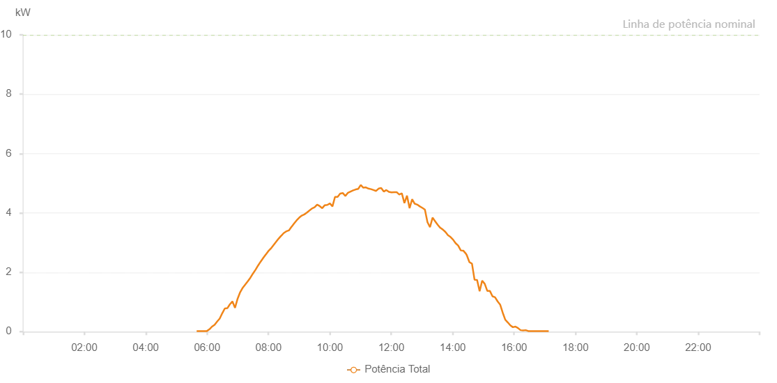

Number | Time | Working State | Alarm Code | Total Inverter Power(W)
1 | 22/07/2022 05:39:35 (UTC-4:00) | Normal |  | 20.000
2 | 22/07/2022 05:44:39 (UTC-4:00) | Normal |  | 20.000
3 | 22/07/2022 05:49:35 (UTC-4:00) | Normal |  | 20.000
4 | 22/07/2022 05:54:37 (UTC-4:00) | Normal |  | 20.000
5 | 22/07/2022 05:59:37 (UTC-4:00) | Normal |  | 20.000
6 | 22/07/2022 06:04:38 (UTC-4:00) | Normal |  | 80.000
7 | 22/07/2022 06:09:36 (UTC-4:00) | Normal |  | 170.000
8 | 22/07/2022 06:14:35 (UTC-4:00) | Normal |  | 230.000
9 | 22/07/2022 06:19:35 (UTC-4:00) | Normal |  | 340.000
10 | 22/07/2022 06:24:36 (UTC-4:00) | Normal |  | 440.000
11 | 22/07/2022 06:29:39 (UTC-4:00) | Normal |  | 620.000
12 | 22/07/2022 06:34:36 (UTC-4:00) | Normal |  | 780.000
13 | 22/07/2022 06:39:35 (UTC-4:00) | Normal |  | 790.000
14 | 22/07/2022 06:44:30 (UTC-4:00) | Normal |  | 920.000
15 | 22/07/2022 06:49:29 (UTC-4:00) | Normal |  | 1020.000
16 | 22/07/2022 06:54:29 (UTC-4:00) | Normal |  | 800.000
17 | 22/07/2022 06:59:38 (UTC-4:00) | Normal |  | 1110.000
18 | 22/07/2022 07:04:40 (UTC-4:00) | Normal |  | 1330.000
19 | 22/07/2022 07:09:41 (UTC-4:00) | Normal |  | 1480.000
20 | 22/07/2022 07:14:42 (UTC-4:00) | Normal |  | 1590.000
21 | 22/07/2022 07:19:42 (UTC-4:00) | Normal |  | 1700.000
22 | 22/07/2022 07:24:42 (UTC-4:00) | Normal |  | 1820.000
23 | 22/07/2022 07:29:45 (UTC-4:00) | Normal |  | 1960.000
24 | 22/07/2022 07:34:52 (UTC-4:00) | Normal |  | 2090.000
25 | 22/07/2022 07:39:43 (UTC-4:00) | Normal |  | 2230.000
26 | 22/07/2022 07:44:42 (UTC-4:00) | Normal |  | 2360.000
27 | 22/07/2022 07:49:38 (UTC-4:00) | Normal |  | 2480.000
28 | 22/07/2022 07:54:41 (UTC-4:00) | Normal |  | 2600.000
29 | 22/07/2022 07:54:49 (UTC-4:00) | Normal |  | 2600.000
30 | 22/07/2022 07:59:37 (UTC-4:00) | Normal |  | 2710.000
31 | 22/07/2022 08:04:36 (UTC-4:00) | Normal |  | 2800.000
32 | 22/07/2022 08:09:35 (UTC-4:00) | Normal |  | 2910.000
33 | 22/07/2022 08:14:35 (UTC-4:00) | Normal |  | 3020.000
34 | 22/07/2022 08:19:37 (UTC-4:00) | Normal |  | 3130.000
35 | 22/07/2022 08:24:40 (UTC-4:00) | Normal |  | 3230.000
36 | 22/07/2022 08:24:55 (UTC-4:00) | Normal |  | 3230.000
37 | 22/07/2022 08:29:43 (UTC-4:00) | Normal |  | 3320.000
38 | 22/07/2022 08:34:47 (UTC-4:00) | Normal |  | 3380.000
39 | 22/07/2022 08:34:57 (UTC-4:00) | Normal |  | 3380.000
40 | 22/07/2022 08:39:51 (UTC-4:00) | Normal |  | 3410.000
41 | 22/07/2022 08:44:53 (UTC-4:00) | Normal |  | 3530.000
42 | 22/07/2022 08:45:04 (UTC-4:00) | Normal |  | 3530.000
43 | 22/07/2022 08:49:57 (UTC-4:00) | Normal |  | 3640.000
44 | 22/07/2022 08:54:59 (UTC-4:00) | Normal |  | 3750.000
45 | 22/07/2022 09:00:03 (UTC-4:00) | Normal |  | 3840.000
46 | 22/07/2022 09:05:06 (UTC-4:00) | Normal |  | 3910.000
47 | 22/07/2022 09:10:09 (UTC-4:00) | Normal |  | 3950.000
48 | 22/07/2022 09:15:08 (UTC-4:00) | Normal |  | 4010.000
49 | 22/07/2022 09:20:08 (UTC-4:00) | Normal |  | 4080.000
50 | 22/07/2022 09:25:07 (UTC-4:00) | Normal |  | 4150.000
51 | 22/07/2022 09:30:06 (UTC-4:00) | Normal |  | 4190.000
52 | 22/07/2022 09:35:06 (UTC-4:00) | Normal |  | 4280.000
53 | 22/07/2022 09:40:05 (UTC-4:00) | Normal |  | 4230.000
54 | 22/07/2022 09:45:04 (UTC-4:00) | Normal |  | 4160.000
55 | 22/07/2022 09:50:03 (UTC-4:00) | Normal |  | 4260.000
56 | 22/07/2022 09:55:03 (UTC-4:00) | Normal |  | 4270.000
57 | 22/07/2022 10:00:03 (UTC-4:00) | Normal |  | 4320.000
58 | 22/07/2022 10:05:02 (UTC-4:00) | Normal |  | 4220.000
59 | 22/07/2022 10:10:02 (UTC-4:00) | Normal |  | 4540.000
60 | 22/07/2022 10:15:06 (UTC-4:00) | Normal |  | 4540.000
61 | 22/07/2022 10:20:09 (UTC-4:00) | Normal |  | 4650.000
62 | 22/07/2022 10:25:13 (UTC-4:00) | Normal |  | 4670.000
63 | 22/07/2022 10:30:15 (UTC-4:00) | Normal |  | 4570.000
64 | 22/07/2022 10:35:19 (UTC-4:00) | Normal |  | 4680.000
65 | 22/07/2022 10:40:22 (UTC-4:00) | Normal |  | 4720.000
66 | 22/07/2022 10:45:25 (UTC-4:00) | Normal |  | 4760.000
67 | 22/07/2022 10:50:24 (UTC-4:00) | Normal |  | 4790.000
68 | 22/07/2022 10:55:24 (UTC-4:00) | Normal |  | 4810.000
69 | 22/07/2022 11:00:23 (UTC-4:00) | Normal |  | 4940.000
70 | 22/07/2022 11:05:22 (UTC-4:00) | Normal |  | 4850.000
71 | 22/07/2022 11:10:21 (UTC-4:00) | Normal |  | 4860.000
72 | 22/07/2022 11:15:21 (UTC-4:00) | Normal |  | 4820.000
73 | 22/07/2022 11:20:20 (UTC-4:00) | Normal |  | 4800.000
74 | 22/07/2022 11:25:19 (UTC-4:00) | Normal |  | 4770.000
75 | 22/07/2022 11:30:19 (UTC-4:00) | Normal |  | 4740.000
76 | 22/07/2022 11:35:20 (UTC-4:00) | Normal |  | 4820.000
77 | 22/07/2022 11:40:20 (UTC-4:00) | Normal |  | 4840.000
78 | 22/07/2022 11:45:21 (UTC-4:00) | Normal |  | 4720.000
79 | 22/07/2022 11:50:21 (UTC-4:00) | Normal |  | 4770.000
80 | 22/07/2022 11:55:23 (UTC-4:00) | Normal |  | 4710.000
81 | 22/07/2022 12:00:27 (UTC-4:00) | Normal |  | 4690.000
82 | 22/07/2022 12:05:30 (UTC-4:00) | Normal |  | 4700.000
83 | 22/07/2022 12:10:33 (UTC-4:00) | Normal |  | 4700.000
84 | 22/07/2022 12:15:37 (UTC-4:00) | Normal |  | 4620.000
85 | 22/07/2022 12:20:40 (UTC-4:00) | Normal |  | 4660.000
86 | 22/07/2022 12:25:43 (UTC-4:00) | Normal |  | 4330.000
87 | 22/07/2022 12:30:46 (UTC-4:00) | Normal |  | 4580.000
88 | 22/07/2022 12:35:49 (UTC-4:00) | Normal |  | 4160.000
89 | 22/07/2022 12:40:49 (UTC-4:00) | Normal |  | 4460.000
90 | 22/07/2022 12:45:48 (UTC-4:00) | Normal |  | 4310.000
91 | 22/07/2022 12:50:47 (UTC-4:00) | Normal |  | 4280.000
92 | 22/07/2022 12:55:46 (UTC-4:00) | Normal |  | 4220.000
93 | 22/07/2022 13:00:46 (UTC-4:00) | Normal |  | 4170.000
94 | 22/07/2022 13:05:45 (UTC-4:00) | Normal |  | 4110.000
95 | 22/07/2022 13:10:44 (UTC-4:00) | Normal |  | 3690.000
96 | 22/07/2022 13:15:43 (UTC-4:00) | Normal |  | 3520.000
97 | 22/07/2022 13:20:43 (UTC-4:00) | Normal |  | 3840.000
98 | 22/07/2022 13:25:43 (UTC-4:00) | Normal |  | 3720.000
99 | 22/07/2022 13:30:43 (UTC-4:00) | Normal |  | 3600.000
100 | 22/07/2022 13:35:42 (UTC-4:00) | Normal |  | 3500.000
101 | 22/07/2022 13:40:43 (UTC-4:00) | Normal |  | 3440.000
102 | 22/07/2022 13:45:46 (UTC-4:00) | Normal |  | 3360.000
103 | 22/07/2022 13:50:50 (UTC-4:00) | Normal |  | 3250.000
104 | 22/07/2022 13:55:49 (UTC-4:00) | Normal |  | 3190.000
105 | 22/07/2022 14:00:48 (UTC-4:00) | Normal |  | 3100.000
106 | 22/07/2022 14:05:47 (UTC-4:00) | Normal |  | 2980.000
107 | 22/07/2022 14:10:46 (UTC-4:00) | Normal |  | 2900.000
108 | 22/07/2022 14:15:45 (UTC-4:00) | Normal |  | 2740.000
109 | 22/07/2022 14:20:45 (UTC-4:00) | Normal |  | 2730.000
110 | 22/07/2022 14:25:44 (UTC-4:00) | Normal |  | 2630.000
111 | 22/07/2022 14:27:31 (UTC-4:00) | Normal |  | 2580.000
112 | 22/07/2022 14:32:48 (UTC-4:00) | Normal |  | 2340.000
113 | 22/07/2022 14:37:47 (UTC-4:00) | Normal |  | 2290.000
114 | 22/07/2022 14:42:46 (UTC-4:00) | Normal |  | 1750.000
115 | 22/07/2022 14:47:45 (UTC-4:00) | Normal |  | 1740.000
116 | 22/07/2022 14:52:44 (UTC-4:00) | Normal |  | 1360.000
117 | 22/07/2022 14:57:43 (UTC-4:00) | Normal |  | 1720.000
118 | 22/07/2022 15:02:44 (UTC-4:00) | Normal |  | 1610.000
119 | 22/07/2022 15:07:47 (UTC-4:00) | Normal |  | 1370.000
120 | 22/07/2022 15:12:50 (UTC-4:00) | Normal |  | 1370.000
121 | 22/07/2022 15:17:53 (UTC-4:00) | Normal |  | 1190.000
122 | 22/07/2022 15:22:52 (UTC-4:00) | Normal |  | 1160.000
123 | 22/07/2022 15:27:51 (UTC-4:00) | Normal |  | 1020.000
124 | 22/07/2022 15:32:50 (UTC-4:00) | Normal |  | 910.000
125 | 22/07/2022 15:37:51 (UTC-4:00) | Normal |  | 640.000
126 | 22/07/2022 15:42:51 (UTC-4:00) | Normal |  | 400.000
127 | 22/07/2022 15:47:50 (UTC-4:00) | Normal |  | 310.000
128 | 22/07/2022 15:52:49 (UTC-4:00) | Normal |  | 210.000
129 | 22/07/2022 15:57:48 (UTC-4:00) | Normal |  | 150.000
130 | 22/07/2022 16:02:47 (UTC-4:00) | Normal |  | 170.000
131 | 22/07/2022 16:07:46 (UTC-4:00) | Normal |  | 120.000
132 | 22/07/2022 16:12:46 (UTC-4:00) | Normal |  | 50.000
133 | 22/07/2022 16:17:48 (UTC-4:00) | Normal |  | 40.000
134 | 22/07/2022 16:22:48 (UTC-4:00) | Normal |  | 50.000
135 | 22/07/2022 16:27:50 (UTC-4:00) | Normal |  | 20.000
136 | 22/07/2022 16:32:53 (UTC-4:00) | Normal |  | 20.000
137 | 22/07/2022 16:37:52 (UTC-4:00) | Normal |  | 20.000
138 | 22/07/2022 16:42:51 (UTC-4:00) | Normal |  | 20.000
139 | 22/07/2022 16:47:50 (UTC-4:00) | Normal |  | 20.000
140 | 22/07/2022 16:52:50 (UTC-4:00) | Normal |  | 20.000
141 | 22/07/2022 16:57:49 (UTC-4:00) | Normal |  | 20.000
142 | 22/07/2022 17:02:48 (UTC-4:00) | Normal |  | 20.000
143 | 22/07/2022 17:07:47 (UTC-4:00) | Normal |  | 20.000

