Inverter History Report__17-08-
Inverter History Report_23/07/2022_Report

Inverter SN:054B7020C020041 |  | Inverter type:B7
Collector SN:4045966636 |  | Full Load Hours(h):3.05
Rated Power:10000Wp

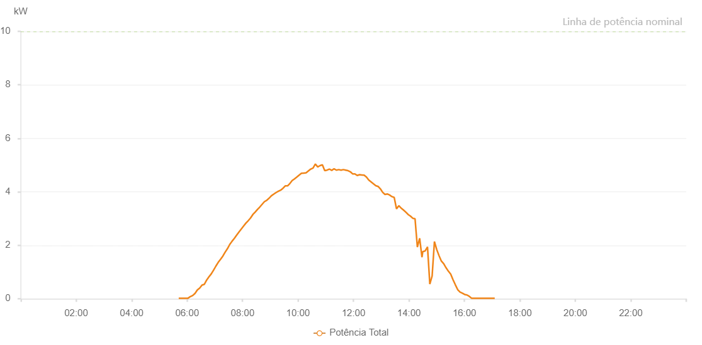

Number | Time | Working State | Alarm Code | Total Inverter Power(W)
1 | 23/07/2022 05:41:50 (UTC-4:00) | Normal |  | 20.000
2 | 23/07/2022 05:46:58 (UTC-4:00) | Normal |  | 20.000
3 | 23/07/2022 05:51:56 (UTC-4:00) | Normal |  | 20.000
4 | 23/07/2022 05:56:57 (UTC-4:00) | Normal |  | 20.000
5 | 23/07/2022 06:01:59 (UTC-4:00) | Normal |  | 20.000
6 | 23/07/2022 06:07:01 (UTC-4:00) | Normal |  | 80.000
7 | 23/07/2022 06:12:02 (UTC-4:00) | Normal |  | 120.000
8 | 23/07/2022 06:17:05 (UTC-4:00) | Normal |  | 200.000
9 | 23/07/2022 06:22:08 (UTC-4:00) | Normal |  | 330.000
10 | 23/07/2022 06:27:12 (UTC-4:00) | Normal |  | 400.000
11 | 23/07/2022 06:32:15 (UTC-4:00) | Normal |  | 510.000
12 | 23/07/2022 06:37:18 (UTC-4:00) | Normal |  | 540.000
13 | 23/07/2022 06:42:17 (UTC-4:00) | Normal |  | 700.000
14 | 23/07/2022 06:47:16 (UTC-4:00) | Normal |  | 820.000
15 | 23/07/2022 06:52:15 (UTC-4:00) | Normal |  | 930.000
16 | 23/07/2022 06:57:15 (UTC-4:00) | Normal |  | 1070.000
17 | 23/07/2022 07:02:14 (UTC-4:00) | Normal |  | 1220.000
18 | 23/07/2022 07:07:13 (UTC-4:00) | Normal |  | 1360.000
19 | 23/07/2022 07:12:12 (UTC-4:00) | Normal |  | 1470.000
20 | 23/07/2022 07:17:12 (UTC-4:00) | Normal |  | 1590.000
21 | 23/07/2022 07:22:11 (UTC-4:00) | Normal |  | 1740.000
22 | 23/07/2022 07:27:10 (UTC-4:00) | Normal |  | 1870.000
23 | 23/07/2022 07:32:11 (UTC-4:00) | Normal |  | 2030.000
24 | 23/07/2022 07:37:11 (UTC-4:00) | Normal |  | 2150.000
25 | 23/07/2022 07:42:13 (UTC-4:00) | Normal |  | 2260.000
26 | 23/07/2022 07:47:17 (UTC-4:00) | Normal |  | 2380.000
27 | 23/07/2022 07:52:20 (UTC-4:00) | Normal |  | 2500.000
28 | 23/07/2022 07:57:19 (UTC-4:00) | Normal |  | 2610.000
29 | 23/07/2022 08:02:18 (UTC-4:00) | Normal |  | 2720.000
30 | 23/07/2022 08:07:18 (UTC-4:00) | Normal |  | 2830.000
31 | 23/07/2022 08:12:17 (UTC-4:00) | Normal |  | 2920.000
32 | 23/07/2022 08:17:16 (UTC-4:00) | Normal |  | 3020.000
33 | 23/07/2022 08:22:15 (UTC-4:00) | Normal |  | 3150.000
34 | 23/07/2022 08:27:15 (UTC-4:00) | Normal |  | 3240.000
35 | 23/07/2022 08:32:15 (UTC-4:00) | Normal |  | 3340.000
36 | 23/07/2022 08:37:14 (UTC-4:00) | Normal |  | 3430.000
37 | 23/07/2022 08:42:14 (UTC-4:00) | Normal |  | 3530.000
38 | 23/07/2022 08:47:14 (UTC-4:00) | Normal |  | 3630.000
39 | 23/07/2022 08:52:14 (UTC-4:00) | Normal |  | 3680.000
40 | 23/07/2022 08:57:15 (UTC-4:00) | Normal |  | 3760.000
41 | 23/07/2022 08:57:25 (UTC-4:00) | Normal |  | 3760.000
42 | 23/07/2022 09:02:18 (UTC-4:00) | Normal |  | 3850.000
43 | 23/07/2022 09:07:21 (UTC-4:00) | Normal |  | 3910.000
44 | 23/07/2022 09:12:24 (UTC-4:00) | Normal |  | 3970.000
45 | 23/07/2022 09:17:24 (UTC-4:00) | Normal |  | 4020.000
46 | 23/07/2022 09:22:23 (UTC-4:00) | Normal |  | 4060.000
47 | 23/07/2022 09:27:22 (UTC-4:00) | Normal |  | 4130.000
48 | 23/07/2022 09:32:23 (UTC-4:00) | Normal |  | 4220.000
49 | 23/07/2022 09:37:21 (UTC-4:00) | Normal |  | 4220.000
50 | 23/07/2022 09:42:20 (UTC-4:00) | Normal |  | 4310.000
51 | 23/07/2022 09:47:23 (UTC-4:00) | Normal |  | 4420.000
52 | 23/07/2022 09:52:19 (UTC-4:00) | Normal |  | 4480.000
53 | 23/07/2022 09:57:21 (UTC-4:00) | Normal |  | 4550.000
54 | 23/07/2022 10:02:17 (UTC-4:00) | Normal |  | 4620.000
55 | 23/07/2022 10:07:17 (UTC-4:00) | Normal |  | 4690.000
56 | 23/07/2022 10:12:17 (UTC-4:00) | Normal |  | 4700.000
57 | 23/07/2022 10:17:24 (UTC-4:00) | Normal |  | 4710.000
58 | 23/07/2022 10:22:24 (UTC-4:00) | Normal |  | 4780.000
59 | 23/07/2022 10:27:25 (UTC-4:00) | Normal |  | 4850.000
60 | 23/07/2022 10:27:36 (UTC-4:00) | Normal |  | 4850.000
61 | 23/07/2022 10:32:30 (UTC-4:00) | Normal |  | 4890.000
62 | 23/07/2022 10:37:32 (UTC-4:00) | Normal |  | 5040.000
63 | 23/07/2022 10:42:35 (UTC-4:00) | Normal |  | 4930.000
64 | 23/07/2022 10:47:38 (UTC-4:00) | Normal |  | 4980.000
65 | 23/07/2022 10:52:42 (UTC-4:00) | Normal |  | 5010.000
66 | 23/07/2022 10:57:45 (UTC-4:00) | Normal |  | 4790.000
67 | 23/07/2022 11:02:48 (UTC-4:00) | Normal |  | 4810.000
68 | 23/07/2022 11:07:51 (UTC-4:00) | Normal |  | 4850.000
69 | 23/07/2022 11:12:54 (UTC-4:00) | Normal |  | 4800.000
70 | 23/07/2022 11:17:58 (UTC-4:00) | Normal |  | 4860.000
71 | 23/07/2022 11:23:01 (UTC-4:00) | Normal |  | 4810.000
72 | 23/07/2022 11:28:04 (UTC-4:00) | Normal |  | 4830.000
73 | 23/07/2022 11:33:07 (UTC-4:00) | Normal |  | 4810.000
74 | 23/07/2022 11:38:07 (UTC-4:00) | Normal |  | 4830.000
75 | 23/07/2022 11:43:06 (UTC-4:00) | Normal |  | 4810.000
76 | 23/07/2022 11:48:05 (UTC-4:00) | Normal |  | 4790.000
77 | 23/07/2022 11:53:04 (UTC-4:00) | Normal |  | 4750.000
78 | 23/07/2022 11:58:03 (UTC-4:00) | Normal |  | 4670.000
79 | 23/07/2022 12:03:04 (UTC-4:00) | Normal |  | 4670.000
80 | 23/07/2022 12:08:03 (UTC-4:00) | Normal |  | 4610.000
81 | 23/07/2022 12:13:02 (UTC-4:00) | Normal |  | 4640.000
82 | 23/07/2022 12:18:01 (UTC-4:00) | Normal |  | 4630.000
83 | 23/07/2022 12:23:01 (UTC-4:00) | Normal |  | 4620.000
84 | 23/07/2022 12:28:00 (UTC-4:00) | Normal |  | 4550.000
85 | 23/07/2022 12:33:00 (UTC-4:00) | Normal |  | 4440.000
86 | 23/07/2022 12:38:04 (UTC-4:00) | Normal |  | 4370.000
87 | 23/07/2022 12:43:07 (UTC-4:00) | Normal |  | 4300.000
88 | 23/07/2022 12:48:10 (UTC-4:00) | Normal |  | 4230.000
89 | 23/07/2022 12:53:09 (UTC-4:00) | Normal |  | 4200.000
90 | 23/07/2022 12:58:09 (UTC-4:00) | Normal |  | 4110.000
91 | 23/07/2022 13:03:08 (UTC-4:00) | Normal |  | 3980.000
92 | 23/07/2022 13:08:07 (UTC-4:00) | Normal |  | 3900.000
93 | 23/07/2022 13:13:06 (UTC-4:00) | Normal |  | 3920.000
94 | 23/07/2022 13:18:06 (UTC-4:00) | Normal |  | 3880.000
95 | 23/07/2022 13:23:05 (UTC-4:00) | Normal |  | 3820.000
96 | 23/07/2022 13:28:05 (UTC-4:00) | Normal |  | 3790.000
97 | 23/07/2022 13:33:05 (UTC-4:00) | Normal |  | 3360.000
98 | 23/07/2022 13:38:04 (UTC-4:00) | Normal |  | 3480.000
99 | 23/07/2022 13:43:03 (UTC-4:00) | Normal |  | 3390.000
100 | 23/07/2022 13:48:03 (UTC-4:00) | Normal |  | 3320.000
101 | 23/07/2022 13:53:07 (UTC-4:00) | Normal |  | 3240.000
102 | 23/07/2022 13:58:10 (UTC-4:00) | Normal |  | 3150.000
103 | 23/07/2022 14:03:13 (UTC-4:00) | Normal |  | 3090.000
104 | 23/07/2022 14:08:12 (UTC-4:00) | Normal |  | 3010.000
105 | 23/07/2022 14:13:11 (UTC-4:00) | Normal |  | 2990.000
106 | 23/07/2022 14:18:11 (UTC-4:00) | Normal |  | 1930.000
107 | 23/07/2022 14:23:10 (UTC-4:00) | Normal |  | 2260.000
108 | 23/07/2022 14:28:09 (UTC-4:00) | Normal |  | 1550.000
109 | 23/07/2022 14:29:53 (UTC-4:00) | Normal |  | 1760.000
110 | 23/07/2022 14:35:09 (UTC-4:00) | Normal |  | 1790.000
111 | 23/07/2022 14:40:09 (UTC-4:00) | Normal |  | 1940.000
112 | 23/07/2022 14:45:09 (UTC-4:00) | Normal |  | 550.000
113 | 23/07/2022 14:50:08 (UTC-4:00) | Normal |  | 850.000
114 | 23/07/2022 14:55:07 (UTC-4:00) | Normal |  | 2140.000
115 | 23/07/2022 15:00:07 (UTC-4:00) | Normal |  | 1840.000
116 | 23/07/2022 15:05:06 (UTC-4:00) | Normal |  | 1610.000
117 | 23/07/2022 15:10:06 (UTC-4:00) | Normal |  | 1410.000
118 | 23/07/2022 15:15:09 (UTC-4:00) | Normal |  | 1310.000
119 | 23/07/2022 15:20:12 (UTC-4:00) | Normal |  | 1160.000
120 | 23/07/2022 15:25:16 (UTC-4:00) | Normal |  | 1030.000
121 | 23/07/2022 15:30:19 (UTC-4:00) | Normal |  | 920.000
122 | 23/07/2022 15:35:22 (UTC-4:00) | Normal |  | 710.000
123 | 23/07/2022 15:40:25 (UTC-4:00) | Normal |  | 520.000
124 | 23/07/2022 15:45:29 (UTC-4:00) | Normal |  | 340.000
125 | 23/07/2022 15:50:32 (UTC-4:00) | Normal |  | 250.000
126 | 23/07/2022 15:55:31 (UTC-4:00) | Normal |  | 210.000
127 | 23/07/2022 16:00:30 (UTC-4:00) | Normal |  | 160.000
128 | 23/07/2022 16:05:30 (UTC-4:00) | Normal |  | 140.000
129 | 23/07/2022 16:10:29 (UTC-4:00) | Normal |  | 90.000
130 | 23/07/2022 16:15:29 (UTC-4:00) | Normal |  | 20.000
131 | 23/07/2022 16:20:28 (UTC-4:00) | Normal |  | 20.000
132 | 23/07/2022 16:25:27 (UTC-4:00) | Normal |  | 20.000
133 | 23/07/2022 16:30:26 (UTC-4:00) | Normal |  | 20.000
134 | 23/07/2022 16:35:26 (UTC-4:00) | Normal |  | 20.000
135 | 23/07/2022 16:40:25 (UTC-4:00) | Normal |  | 20.000
136 | 23/07/2022 16:45:24 (UTC-4:00) | Normal |  | 20.000
137 | 23/07/2022 16:50:24 (UTC-4:00) | Normal |  | 20.000
138 | 23/07/2022 16:55:27 (UTC-4:00) | Normal |  | 20.000
139 | 23/07/2022 17:00:30 (UTC-4:00) | Normal |  | 20.000
140 | 23/07/2022 17:05:34 (UTC-4:00) | Normal |  | 20.000

