Inverter History Report__17-08-
Inverter History Report_24/07/2022_Report

Inverter SN:054B7020C020041 |  | Inverter type:B7
Collector SN:4045966636 |  | Full Load Hours(h):2.98
Rated Power:10000Wp

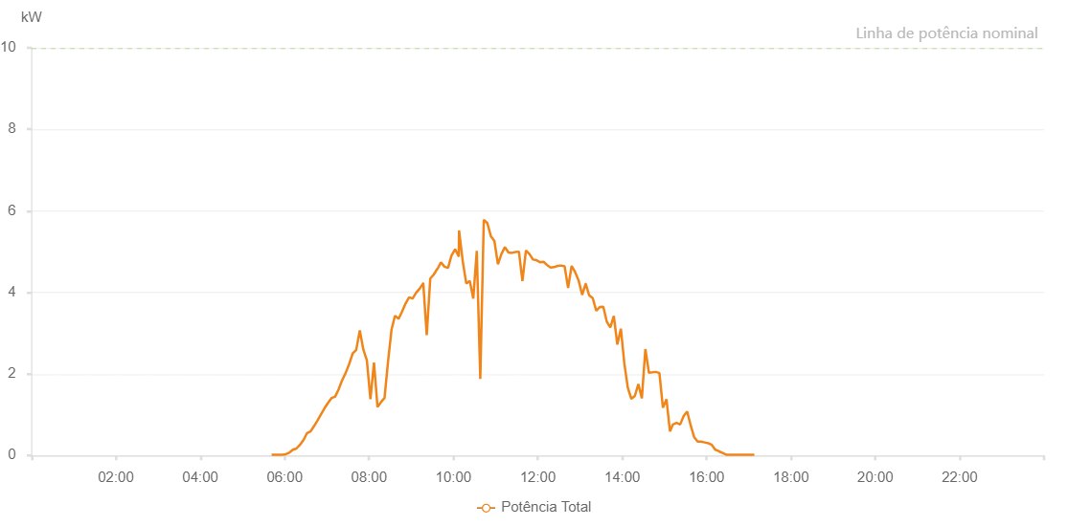

Number | Time | Working State | Alarm Code | Total Inverter Power(W)
1 | 24/07/2022 05:41:26 (UTC-4:00) | Normal |  | 20.000
2 | 24/07/2022 05:46:27 (UTC-4:00) | Normal |  | 20.000
3 | 24/07/2022 05:51:27 (UTC-4:00) | Normal |  | 20.000
4 | 24/07/2022 05:56:29 (UTC-4:00) | Normal |  | 20.000
5 | 24/07/2022 06:01:31 (UTC-4:00) | Normal |  | 30.000
6 | 24/07/2022 06:06:34 (UTC-4:00) | Normal |  | 70.000
7 | 24/07/2022 06:11:37 (UTC-4:00) | Normal |  | 140.000
8 | 24/07/2022 06:16:40 (UTC-4:00) | Normal |  | 170.000
9 | 24/07/2022 06:21:43 (UTC-4:00) | Normal |  | 260.000
10 | 24/07/2022 06:26:46 (UTC-4:00) | Normal |  | 380.000
11 | 24/07/2022 06:26:56 (UTC-4:00) | Normal |  | 380.000
12 | 24/07/2022 06:31:49 (UTC-4:00) | Normal |  | 550.000
13 | 24/07/2022 06:36:47 (UTC-4:00) | Normal |  | 590.000
14 | 24/07/2022 06:41:46 (UTC-4:00) | Normal |  | 720.000
15 | 24/07/2022 06:46:45 (UTC-4:00) | Normal |  | 860.000
16 | 24/07/2022 06:51:44 (UTC-4:00) | Normal |  | 1010.000
17 | 24/07/2022 06:56:43 (UTC-4:00) | Normal |  | 1160.000
18 | 24/07/2022 07:01:42 (UTC-4:00) | Normal |  | 1290.000
19 | 24/07/2022 07:06:41 (UTC-4:00) | Normal |  | 1410.000
20 | 24/07/2022 07:11:40 (UTC-4:00) | Normal |  | 1440.000
21 | 24/07/2022 07:16:39 (UTC-4:00) | Normal |  | 1620.000
22 | 24/07/2022 07:21:38 (UTC-4:00) | Normal |  | 1840.000
23 | 24/07/2022 07:26:37 (UTC-4:00) | Normal |  | 2020.000
24 | 24/07/2022 07:31:40 (UTC-4:00) | Normal |  | 2240.000
25 | 24/07/2022 07:36:43 (UTC-4:00) | Normal |  | 2500.000
26 | 24/07/2022 07:41:46 (UTC-4:00) | Normal |  | 2590.000
27 | 24/07/2022 07:46:49 (UTC-4:00) | Normal |  | 3070.000
28 | 24/07/2022 07:51:52 (UTC-4:00) | Normal |  | 2600.000
29 | 24/07/2022 07:56:55 (UTC-4:00) | Normal |  | 2330.000
30 | 24/07/2022 08:01:58 (UTC-4:00) | Normal |  | 1380.000
31 | 24/07/2022 08:07:01 (UTC-4:00) | Normal |  | 2280.000
32 | 24/07/2022 08:12:03 (UTC-4:00) | Normal |  | 1190.000
33 | 24/07/2022 08:17:02 (UTC-4:00) | Normal |  | 1310.000
34 | 24/07/2022 08:22:01 (UTC-4:00) | Normal |  | 1410.000
35 | 24/07/2022 08:27:00 (UTC-4:00) | Normal |  | 2300.000
36 | 24/07/2022 08:32:00 (UTC-4:00) | Normal |  | 3090.000
37 | 24/07/2022 08:37:00 (UTC-4:00) | Normal |  | 3430.000
38 | 24/07/2022 08:41:59 (UTC-4:00) | Normal |  | 3350.000
39 | 24/07/2022 08:46:58 (UTC-4:00) | Normal |  | 3530.000
40 | 24/07/2022 08:51:57 (UTC-4:00) | Normal |  | 3730.000
41 | 24/07/2022 08:56:58 (UTC-4:00) | Normal |  | 3880.000
42 | 24/07/2022 09:01:57 (UTC-4:00) | Normal |  | 3850.000
43 | 24/07/2022 09:06:56 (UTC-4:00) | Normal |  | 3990.000
44 | 24/07/2022 09:11:56 (UTC-4:00) | Normal |  | 4090.000
45 | 24/07/2022 09:16:58 (UTC-4:00) | Normal |  | 4220.000
46 | 24/07/2022 09:17:09 (UTC-4:00) | Normal |  | 4220.000
47 | 24/07/2022 09:22:02 (UTC-4:00) | Normal |  | 2950.000
48 | 24/07/2022 09:27:04 (UTC-4:00) | Normal |  | 4340.000
49 | 24/07/2022 09:32:07 (UTC-4:00) | Normal |  | 4440.000
50 | 24/07/2022 09:37:10 (UTC-4:00) | Normal |  | 4580.000
51 | 24/07/2022 09:37:35 (UTC-4:00) | Normal |  | 4580.000
52 | 24/07/2022 09:42:13 (UTC-4:00) | Normal |  | 4740.000
53 | 24/07/2022 09:47:23 (UTC-4:00) | Normal |  | 4630.000
54 | 24/07/2022 09:52:20 (UTC-4:00) | Normal |  | 4600.000
55 | 24/07/2022 09:57:23 (UTC-4:00) | Normal |  | 4910.000
56 | 24/07/2022 09:57:34 (UTC-4:00) | Normal |  | 4910.000
57 | 24/07/2022 10:02:27 (UTC-4:00) | Normal |  | 5060.000
58 | 24/07/2022 10:07:29 (UTC-4:00) | Normal |  | 4890.000
59 | 24/07/2022 10:07:39 (UTC-4:00) | Normal |  | 4890.000
60 | 24/07/2022 10:07:59 (UTC-4:00) | Normal |  | 5520.000
61 | 24/07/2022 10:13:18 (UTC-4:00) | Normal |  | 4760.000
62 | 24/07/2022 10:18:17 (UTC-4:00) | Normal |  | 4220.000
63 | 24/07/2022 10:23:16 (UTC-4:00) | Normal |  | 4280.000
64 | 24/07/2022 10:28:15 (UTC-4:00) | Normal |  | 3850.000
65 | 24/07/2022 10:33:13 (UTC-4:00) | Normal |  | 5020.000
66 | 24/07/2022 10:38:12 (UTC-4:00) | Normal |  | 1880.000
67 | 24/07/2022 10:43:11 (UTC-4:00) | Normal |  | 5780.000
68 | 24/07/2022 10:48:13 (UTC-4:00) | Normal |  | 5700.000
69 | 24/07/2022 10:53:15 (UTC-4:00) | Normal |  | 5380.000
70 | 24/07/2022 10:58:18 (UTC-4:00) | Normal |  | 5260.000
71 | 24/07/2022 11:03:17 (UTC-4:00) | Normal |  | 4690.000
72 | 24/07/2022 11:08:15 (UTC-4:00) | Normal |  | 4940.000
73 | 24/07/2022 11:13:14 (UTC-4:00) | Normal |  | 5110.000
74 | 24/07/2022 11:18:13 (UTC-4:00) | Normal |  | 4980.000
75 | 24/07/2022 11:23:12 (UTC-4:00) | Normal |  | 4970.000
76 | 24/07/2022 11:28:11 (UTC-4:00) | Normal |  | 4990.000
77 | 24/07/2022 11:33:10 (UTC-4:00) | Normal |  | 5000.000
78 | 24/07/2022 11:38:09 (UTC-4:00) | Normal |  | 4280.000
79 | 24/07/2022 11:43:07 (UTC-4:00) | Normal |  | 5030.000
80 | 24/07/2022 11:48:06 (UTC-4:00) | Normal |  | 4940.000
81 | 24/07/2022 11:53:05 (UTC-4:00) | Normal |  | 4810.000
82 | 24/07/2022 11:58:06 (UTC-4:00) | Normal |  | 4790.000
83 | 24/07/2022 12:03:08 (UTC-4:00) | Normal |  | 4740.000
84 | 24/07/2022 12:08:12 (UTC-4:00) | Normal |  | 4750.000
85 | 24/07/2022 12:13:14 (UTC-4:00) | Normal |  | 4670.000
86 | 24/07/2022 12:18:13 (UTC-4:00) | Normal |  | 4610.000
87 | 24/07/2022 12:23:12 (UTC-4:00) | Normal |  | 4620.000
88 | 24/07/2022 12:28:11 (UTC-4:00) | Normal |  | 4650.000
89 | 24/07/2022 12:33:09 (UTC-4:00) | Normal |  | 4660.000
90 | 24/07/2022 12:38:08 (UTC-4:00) | Normal |  | 4640.000
91 | 24/07/2022 12:43:07 (UTC-4:00) | Normal |  | 4110.000
92 | 24/07/2022 12:48:06 (UTC-4:00) | Normal |  | 4650.000
93 | 24/07/2022 12:53:05 (UTC-4:00) | Normal |  | 4500.000
94 | 24/07/2022 12:58:04 (UTC-4:00) | Normal |  | 4290.000
95 | 24/07/2022 13:03:05 (UTC-4:00) | Normal |  | 3940.000
96 | 24/07/2022 13:08:02 (UTC-4:00) | Normal |  | 4210.000
97 | 24/07/2022 13:08:12 (UTC-4:00) | Normal |  | 4210.000
98 | 24/07/2022 13:13:01 (UTC-4:00) | Normal |  | 3930.000
99 | 24/07/2022 13:18:07 (UTC-4:00) | Normal |  | 3860.000
100 | 24/07/2022 13:23:08 (UTC-4:00) | Normal |  | 3550.000
101 | 24/07/2022 13:28:10 (UTC-4:00) | Normal |  | 3640.000
102 | 24/07/2022 13:33:09 (UTC-4:00) | Normal |  | 3650.000
103 | 24/07/2022 13:38:10 (UTC-4:00) | Normal |  | 3280.000
104 | 24/07/2022 13:43:07 (UTC-4:00) | Normal |  | 3140.000
105 | 24/07/2022 13:48:08 (UTC-4:00) | Normal |  | 3420.000
106 | 24/07/2022 13:53:09 (UTC-4:00) | Normal |  | 2720.000
107 | 24/07/2022 13:58:08 (UTC-4:00) | Normal |  | 3110.000
108 | 24/07/2022 14:03:03 (UTC-4:00) | Normal |  | 2260.000
109 | 24/07/2022 14:08:02 (UTC-4:00) | Normal |  | 1660.000
110 | 24/07/2022 14:13:01 (UTC-4:00) | Normal |  | 1390.000
111 | 24/07/2022 14:18:01 (UTC-4:00) | Normal |  | 1460.000
112 | 24/07/2022 14:23:00 (UTC-4:00) | Normal |  | 1750.000
113 | 24/07/2022 14:27:59 (UTC-4:00) | Normal |  | 1400.000
114 | 24/07/2022 14:32:59 (UTC-4:00) | Normal |  | 2610.000
115 | 24/07/2022 14:38:02 (UTC-4:00) | Normal |  | 2030.000
116 | 24/07/2022 14:43:01 (UTC-4:00) | Normal |  | 2040.000
117 | 24/07/2022 14:47:59 (UTC-4:00) | Normal |  | 2050.000
118 | 24/07/2022 14:52:58 (UTC-4:00) | Normal |  | 2020.000
119 | 24/07/2022 14:57:57 (UTC-4:00) | Normal |  | 1170.000
120 | 24/07/2022 15:02:58 (UTC-4:00) | Normal |  | 1380.000
121 | 24/07/2022 15:07:59 (UTC-4:00) | Normal |  | 590.000
122 | 24/07/2022 15:12:09 (UTC-4:00) | Normal |  | 760.000
123 | 24/07/2022 15:17:28 (UTC-4:00) | Normal |  | 800.000
124 | 24/07/2022 15:22:27 (UTC-4:00) | Normal |  | 760.000
125 | 24/07/2022 15:27:26 (UTC-4:00) | Normal |  | 970.000
126 | 24/07/2022 15:32:25 (UTC-4:00) | Normal |  | 1080.000
127 | 24/07/2022 15:37:24 (UTC-4:00) | Normal |  | 740.000
128 | 24/07/2022 15:42:23 (UTC-4:00) | Normal |  | 450.000
129 | 24/07/2022 15:47:21 (UTC-4:00) | Normal |  | 340.000
130 | 24/07/2022 15:52:22 (UTC-4:00) | Normal |  | 340.000
131 | 24/07/2022 15:57:25 (UTC-4:00) | Normal |  | 320.000
132 | 24/07/2022 16:02:28 (UTC-4:00) | Normal |  | 300.000
133 | 24/07/2022 16:07:27 (UTC-4:00) | Normal |  | 260.000
134 | 24/07/2022 16:12:26 (UTC-4:00) | Normal |  | 140.000
135 | 24/07/2022 16:17:25 (UTC-4:00) | Normal |  | 110.000
136 | 24/07/2022 16:17:43 (UTC-4:00) | Normal |  | 100.000
137 | 24/07/2022 16:22:58 (UTC-4:00) | Normal |  | 60.000
138 | 24/07/2022 16:27:57 (UTC-4:00) | Normal |  | 20.000
139 | 24/07/2022 16:32:55 (UTC-4:00) | Normal |  | 20.000
140 | 24/07/2022 16:37:54 (UTC-4:00) | Normal |  | 20.000
141 | 24/07/2022 16:42:52 (UTC-4:00) | Normal |  | 20.000
142 | 24/07/2022 16:47:50 (UTC-4:00) | Normal |  | 20.000
143 | 24/07/2022 16:52:51 (UTC-4:00) | Normal |  | 20.000
144 | 24/07/2022 16:57:53 (UTC-4:00) | Normal |  | 20.000
145 | 24/07/2022 17:02:56 (UTC-4:00) | Normal |  | 20.000
146 | 24/07/2022 17:07:58 (UTC-4:00) | Normal |  | 20.000

