Inverter History Report__17-08-
Inverter History Report_26/07/2022_Report

Inverter SN:054B7020C020041 |  | Inverter type:B7
Collector SN:4045966636 |  | Full Load Hours(h):2.97
Rated Power:10000Wp

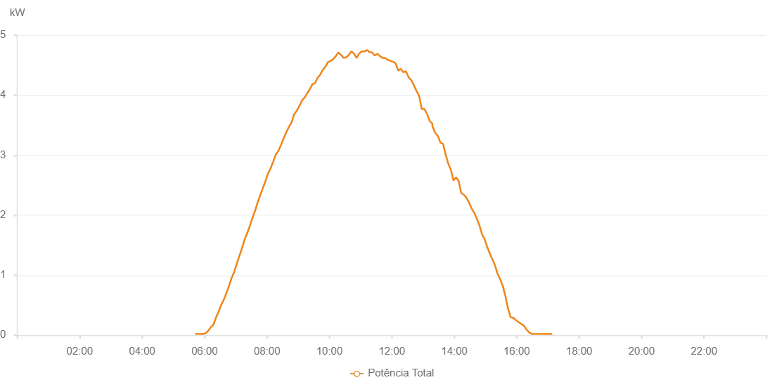

Number | Time | Working State | Alarm Code | Total Inverter Power(W)
1 | 26/07/2022 05:41:53 (UTC-4:00) | Normal |  | 20.000
2 | 26/07/2022 05:46:52 (UTC-4:00) | Normal |  | 20.000
3 | 26/07/2022 05:51:51 (UTC-4:00) | Normal |  | 20.000
4 | 26/07/2022 05:56:53 (UTC-4:00) | Normal |  | 20.000
5 | 26/07/2022 06:01:55 (UTC-4:00) | Normal |  | 30.000
6 | 26/07/2022 06:06:55 (UTC-4:00) | Normal |  | 70.000
7 | 26/07/2022 06:11:54 (UTC-4:00) | Normal |  | 130.000
8 | 26/07/2022 06:16:53 (UTC-4:00) | Normal |  | 170.000
9 | 26/07/2022 06:21:52 (UTC-4:00) | Normal |  | 290.000
10 | 26/07/2022 06:26:53 (UTC-4:00) | Normal |  | 390.000
11 | 26/07/2022 06:31:53 (UTC-4:00) | Normal |  | 500.000
12 | 26/07/2022 06:36:54 (UTC-4:00) | Normal |  | 590.000
13 | 26/07/2022 06:41:53 (UTC-4:00) | Normal |  | 700.000
14 | 26/07/2022 06:46:53 (UTC-4:00) | Normal |  | 820.000
15 | 26/07/2022 06:51:54 (UTC-4:00) | Normal |  | 950.000
16 | 26/07/2022 06:56:55 (UTC-4:00) | Normal |  | 1050.000
17 | 26/07/2022 07:01:57 (UTC-4:00) | Normal |  | 1190.000
18 | 26/07/2022 07:06:57 (UTC-4:00) | Normal |  | 1320.000
19 | 26/07/2022 07:11:56 (UTC-4:00) | Normal |  | 1450.000
20 | 26/07/2022 07:16:56 (UTC-4:00) | Normal |  | 1590.000
21 | 26/07/2022 07:21:58 (UTC-4:00) | Normal |  | 1700.000
22 | 26/07/2022 07:26:58 (UTC-4:00) | Normal |  | 1820.000
23 | 26/07/2022 07:31:57 (UTC-4:00) | Normal |  | 1950.000
24 | 26/07/2022 07:36:56 (UTC-4:00) | Normal |  | 2070.000
25 | 26/07/2022 07:41:55 (UTC-4:00) | Normal |  | 2210.000
26 | 26/07/2022 07:46:55 (UTC-4:00) | Normal |  | 2330.000
27 | 26/07/2022 07:51:54 (UTC-4:00) | Normal |  | 2450.000
28 | 26/07/2022 07:56:53 (UTC-4:00) | Normal |  | 2560.000
29 | 26/07/2022 08:01:53 (UTC-4:00) | Normal |  | 2690.000
30 | 26/07/2022 08:06:52 (UTC-4:00) | Normal |  | 2780.000
31 | 26/07/2022 08:11:51 (UTC-4:00) | Normal |  | 2890.000
32 | 26/07/2022 08:16:50 (UTC-4:00) | Normal |  | 3010.000
33 | 26/07/2022 08:21:50 (UTC-4:00) | Normal |  | 3070.000
34 | 26/07/2022 08:26:53 (UTC-4:00) | Normal |  | 3170.000
35 | 26/07/2022 08:31:56 (UTC-4:00) | Normal |  | 3280.000
36 | 26/07/2022 08:37:00 (UTC-4:00) | Normal |  | 3380.000
37 | 26/07/2022 08:42:02 (UTC-4:00) | Normal |  | 3470.000
38 | 26/07/2022 08:47:06 (UTC-4:00) | Normal |  | 3540.000
39 | 26/07/2022 08:52:08 (UTC-4:00) | Normal |  | 3680.000
40 | 26/07/2022 08:57:12 (UTC-4:00) | Normal |  | 3740.000
41 | 26/07/2022 09:02:15 (UTC-4:00) | Normal |  | 3820.000
42 | 26/07/2022 09:07:18 (UTC-4:00) | Normal |  | 3910.000
43 | 26/07/2022 09:12:17 (UTC-4:00) | Normal |  | 3960.000
44 | 26/07/2022 09:17:16 (UTC-4:00) | Normal |  | 4030.000
45 | 26/07/2022 09:22:15 (UTC-4:00) | Normal |  | 4100.000
46 | 26/07/2022 09:27:14 (UTC-4:00) | Normal |  | 4180.000
47 | 26/07/2022 09:32:13 (UTC-4:00) | Normal |  | 4200.000
48 | 26/07/2022 09:37:12 (UTC-4:00) | Normal |  | 4290.000
49 | 26/07/2022 09:42:11 (UTC-4:00) | Normal |  | 4340.000
50 | 26/07/2022 09:47:10 (UTC-4:00) | Normal |  | 4420.000
51 | 26/07/2022 09:52:10 (UTC-4:00) | Normal |  | 4470.000
52 | 26/07/2022 09:57:09 (UTC-4:00) | Normal |  | 4550.000
53 | 26/07/2022 10:02:08 (UTC-4:00) | Normal |  | 4570.000
54 | 26/07/2022 10:07:07 (UTC-4:00) | Normal |  | 4600.000
55 | 26/07/2022 10:12:10 (UTC-4:00) | Normal |  | 4650.000
56 | 26/07/2022 10:17:13 (UTC-4:00) | Normal |  | 4710.000
57 | 26/07/2022 10:22:16 (UTC-4:00) | Normal |  | 4670.000
58 | 26/07/2022 10:27:15 (UTC-4:00) | Normal |  | 4620.000
59 | 26/07/2022 10:32:14 (UTC-4:00) | Normal |  | 4630.000
60 | 26/07/2022 10:37:13 (UTC-4:00) | Normal |  | 4670.000
61 | 26/07/2022 10:42:13 (UTC-4:00) | Normal |  | 4730.000
62 | 26/07/2022 10:47:12 (UTC-4:00) | Normal |  | 4690.000
63 | 26/07/2022 10:52:11 (UTC-4:00) | Normal |  | 4620.000
64 | 26/07/2022 10:57:10 (UTC-4:00) | Normal |  | 4690.000
65 | 26/07/2022 11:02:09 (UTC-4:00) | Normal |  | 4730.000
66 | 26/07/2022 11:07:08 (UTC-4:00) | Normal |  | 4730.000
67 | 26/07/2022 11:12:08 (UTC-4:00) | Normal |  | 4750.000
68 | 26/07/2022 11:17:07 (UTC-4:00) | Normal |  | 4720.000
69 | 26/07/2022 11:22:08 (UTC-4:00) | Normal |  | 4710.000
70 | 26/07/2022 11:27:11 (UTC-4:00) | Normal |  | 4660.000
71 | 26/07/2022 11:32:14 (UTC-4:00) | Normal |  | 4690.000
72 | 26/07/2022 11:37:17 (UTC-4:00) | Normal |  | 4650.000
73 | 26/07/2022 11:42:16 (UTC-4:00) | Normal |  | 4620.000
74 | 26/07/2022 11:47:16 (UTC-4:00) | Normal |  | 4620.000
75 | 26/07/2022 11:52:15 (UTC-4:00) | Normal |  | 4590.000
76 | 26/07/2022 11:57:14 (UTC-4:00) | Normal |  | 4570.000
77 | 26/07/2022 12:02:13 (UTC-4:00) | Normal |  | 4560.000
78 | 26/07/2022 12:07:12 (UTC-4:00) | Normal |  | 4530.000
79 | 26/07/2022 12:07:23 (UTC-4:00) | Normal |  | 4530.000
80 | 26/07/2022 12:12:12 (UTC-4:00) | Normal |  | 4410.000
81 | 26/07/2022 12:17:10 (UTC-4:00) | Normal |  | 4440.000
82 | 26/07/2022 12:22:09 (UTC-4:00) | Normal |  | 4380.000
83 | 26/07/2022 12:27:08 (UTC-4:00) | Normal |  | 4400.000
84 | 26/07/2022 12:32:08 (UTC-4:00) | Normal |  | 4300.000
85 | 26/07/2022 12:37:09 (UTC-4:00) | Normal |  | 4250.000
86 | 26/07/2022 12:42:12 (UTC-4:00) | Normal |  | 4170.000
87 | 26/07/2022 12:47:15 (UTC-4:00) | Normal |  | 4070.000
88 | 26/07/2022 12:47:29 (UTC-4:00) | Normal |  | 4070.000
89 | 26/07/2022 12:52:18 (UTC-4:00) | Normal |  | 3990.000
90 | 26/07/2022 12:57:21 (UTC-4:00) | Normal |  | 3770.000
91 | 26/07/2022 12:57:32 (UTC-4:00) | Normal |  | 3770.000
92 | 26/07/2022 13:02:26 (UTC-4:00) | Normal |  | 3770.000
93 | 26/07/2022 13:07:29 (UTC-4:00) | Normal |  | 3690.000
94 | 26/07/2022 13:07:40 (UTC-4:00) | Normal |  | 3690.000
95 | 26/07/2022 13:12:32 (UTC-4:00) | Normal |  | 3570.000
96 | 26/07/2022 13:17:34 (UTC-4:00) | Normal |  | 3530.000
97 | 26/07/2022 13:18:04 (UTC-4:00) | Normal |  | 3480.000
98 | 26/07/2022 13:23:27 (UTC-4:00) | Normal |  | 3370.000
99 | 26/07/2022 13:28:25 (UTC-4:00) | Normal |  | 3320.000
100 | 26/07/2022 13:33:24 (UTC-4:00) | Normal |  | 3210.000
101 | 26/07/2022 13:38:24 (UTC-4:00) | Normal |  | 3190.000
102 | 26/07/2022 13:43:24 (UTC-4:00) | Normal |  | 3010.000
103 | 26/07/2022 13:48:23 (UTC-4:00) | Normal |  | 2860.000
104 | 26/07/2022 13:53:22 (UTC-4:00) | Normal |  | 2760.000
105 | 26/07/2022 13:58:21 (UTC-4:00) | Normal |  | 2580.000
106 | 26/07/2022 14:03:24 (UTC-4:00) | Normal |  | 2630.000
107 | 26/07/2022 14:08:23 (UTC-4:00) | Normal |  | 2570.000
108 | 26/07/2022 14:13:22 (UTC-4:00) | Normal |  | 2370.000
109 | 26/07/2022 14:18:21 (UTC-4:00) | Normal |  | 2340.000
110 | 26/07/2022 14:23:20 (UTC-4:00) | Normal |  | 2290.000
111 | 26/07/2022 14:28:19 (UTC-4:00) | Normal |  | 2210.000
112 | 26/07/2022 14:33:21 (UTC-4:00) | Normal |  | 2110.000
113 | 26/07/2022 14:38:21 (UTC-4:00) | Normal |  | 2040.000
114 | 26/07/2022 14:43:20 (UTC-4:00) | Normal |  | 1940.000
115 | 26/07/2022 14:48:20 (UTC-4:00) | Normal |  | 1830.000
116 | 26/07/2022 14:53:19 (UTC-4:00) | Normal |  | 1680.000
117 | 26/07/2022 14:58:18 (UTC-4:00) | Normal |  | 1600.000
118 | 26/07/2022 15:03:17 (UTC-4:00) | Normal |  | 1470.000
119 | 26/07/2022 15:08:19 (UTC-4:00) | Normal |  | 1360.000
120 | 26/07/2022 15:13:22 (UTC-4:00) | Normal |  | 1260.000
121 | 26/07/2022 15:18:21 (UTC-4:00) | Normal |  | 1160.000
122 | 26/07/2022 15:23:20 (UTC-4:00) | Normal |  | 1020.000
123 | 26/07/2022 15:28:19 (UTC-4:00) | Normal |  | 930.000
124 | 26/07/2022 15:33:18 (UTC-4:00) | Normal |  | 820.000
125 | 26/07/2022 15:38:17 (UTC-4:00) | Normal |  | 650.000
126 | 26/07/2022 15:43:16 (UTC-4:00) | Normal |  | 440.000
127 | 26/07/2022 15:48:15 (UTC-4:00) | Normal |  | 300.000
128 | 26/07/2022 15:53:15 (UTC-4:00) | Normal |  | 290.000
129 | 26/07/2022 15:58:14 (UTC-4:00) | Normal |  | 250.000
130 | 26/07/2022 16:03:13 (UTC-4:00) | Normal |  | 220.000
131 | 26/07/2022 16:08:12 (UTC-4:00) | Normal |  | 190.000
132 | 26/07/2022 16:13:13 (UTC-4:00) | Normal |  | 160.000
133 | 26/07/2022 16:18:16 (UTC-4:00) | Normal |  | 100.000
134 | 26/07/2022 16:23:19 (UTC-4:00) | Normal |  | 50.000
135 | 26/07/2022 16:28:18 (UTC-4:00) | Normal |  | 20.000
136 | 26/07/2022 16:33:17 (UTC-4:00) | Normal |  | 20.000
137 | 26/07/2022 16:38:16 (UTC-4:00) | Normal |  | 20.000
138 | 26/07/2022 16:43:15 (UTC-4:00) | Normal |  | 20.000
139 | 26/07/2022 16:48:16 (UTC-4:00) | Normal |  | 20.000
140 | 26/07/2022 16:53:13 (UTC-4:00) | Normal |  | 20.000
141 | 26/07/2022 16:58:12 (UTC-4:00) | Normal |  | 20.000
142 | 26/07/2022 17:03:11 (UTC-4:00) | Normal |  | 20.000
143 | 26/07/2022 17:08:10 (UTC-4:00) | Normal |  | 20.000

