Inverter History Report__17-08-
Inverter History Report_27/07/2022_Report

Inverter SN:054B7020C020041 |  | Inverter type:B7
Collector SN:4045966636 |  | Full Load Hours(h):2.95
Rated Power:10000Wp

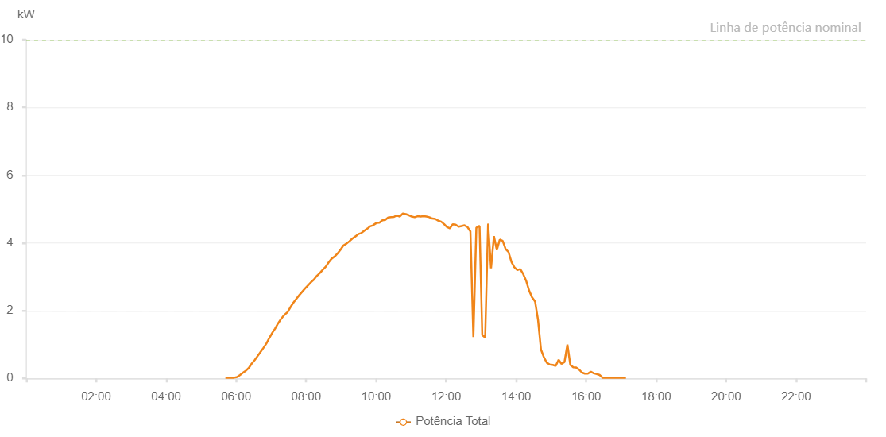

Number | Time | Working State | Alarm Code | Total Inverter Power(W)
1 | 27/07/2022 05:41:35 (UTC-4:00) | Normal |  | 20.000
2 | 27/07/2022 05:46:36 (UTC-4:00) | Normal |  | 20.000
3 | 27/07/2022 05:46:59 (UTC-4:00) | Normal |  | 20.000
4 | 27/07/2022 05:51:34 (UTC-4:00) | Normal |  | 20.000
5 | 27/07/2022 05:56:37 (UTC-4:00) | Normal |  | 20.000
6 | 27/07/2022 06:01:39 (UTC-4:00) | Normal |  | 40.000
7 | 27/07/2022 06:06:42 (UTC-4:00) | Normal |  | 100.000
8 | 27/07/2022 06:11:45 (UTC-4:00) | Normal |  | 170.000
9 | 27/07/2022 06:16:48 (UTC-4:00) | Normal |  | 230.000
10 | 27/07/2022 06:21:47 (UTC-4:00) | Normal |  | 310.000
11 | 27/07/2022 06:26:46 (UTC-4:00) | Normal |  | 440.000
12 | 27/07/2022 06:31:46 (UTC-4:00) | Normal |  | 540.000
13 | 27/07/2022 06:36:47 (UTC-4:00) | Normal |  | 660.000
14 | 27/07/2022 06:41:48 (UTC-4:00) | Normal |  | 780.000
15 | 27/07/2022 06:46:47 (UTC-4:00) | Normal |  | 900.000
16 | 27/07/2022 06:51:46 (UTC-4:00) | Normal |  | 1030.000
17 | 27/07/2022 06:56:45 (UTC-4:00) | Normal |  | 1190.000
18 | 27/07/2022 07:01:44 (UTC-4:00) | Normal |  | 1340.000
19 | 27/07/2022 07:06:45 (UTC-4:00) | Normal |  | 1470.000
20 | 27/07/2022 07:11:42 (UTC-4:00) | Normal |  | 1620.000
21 | 27/07/2022 07:16:42 (UTC-4:00) | Normal |  | 1750.000
22 | 27/07/2022 07:21:44 (UTC-4:00) | Normal |  | 1860.000
23 | 27/07/2022 07:22:07 (UTC-4:00) | Normal |  | 1860.000
24 | 27/07/2022 07:22:56 (UTC-4:00) | Normal |  | 1880.000
25 | 27/07/2022 07:28:20 (UTC-4:00) | Normal |  | 1960.000
26 | 27/07/2022 07:33:20 (UTC-4:00) | Normal |  | 2110.000
27 | 27/07/2022 07:38:20 (UTC-4:00) | Normal |  | 2240.000
28 | 27/07/2022 07:43:19 (UTC-4:00) | Normal |  | 2350.000
29 | 27/07/2022 07:48:19 (UTC-4:00) | Normal |  | 2460.000
30 | 27/07/2022 07:53:18 (UTC-4:00) | Normal |  | 2560.000
31 | 27/07/2022 07:58:18 (UTC-4:00) | Normal |  | 2660.000
32 | 27/07/2022 08:03:17 (UTC-4:00) | Normal |  | 2750.000
33 | 27/07/2022 08:08:20 (UTC-4:00) | Normal |  | 2840.000
34 | 27/07/2022 08:13:24 (UTC-4:00) | Normal |  | 2920.000
35 | 27/07/2022 08:18:27 (UTC-4:00) | Normal |  | 3030.000
36 | 27/07/2022 08:23:31 (UTC-4:00) | Normal |  | 3110.000
37 | 27/07/2022 08:28:34 (UTC-4:00) | Normal |  | 3210.000
38 | 27/07/2022 08:33:38 (UTC-4:00) | Normal |  | 3300.000
39 | 27/07/2022 08:38:45 (UTC-4:00) | Normal |  | 3430.000
40 | 27/07/2022 08:43:49 (UTC-4:00) | Normal |  | 3540.000
41 | 27/07/2022 08:43:56 (UTC-4:00) | Normal |  | 3540.000
42 | 27/07/2022 08:48:52 (UTC-4:00) | Normal |  | 3600.000
43 | 27/07/2022 08:53:53 (UTC-4:00) | Normal |  | 3690.000
44 | 27/07/2022 08:58:56 (UTC-4:00) | Normal |  | 3800.000
45 | 27/07/2022 09:04:00 (UTC-4:00) | Normal |  | 3930.000
46 | 27/07/2022 09:04:11 (UTC-4:00) | Normal |  | 3930.000
47 | 27/07/2022 09:09:04 (UTC-4:00) | Normal |  | 3980.000
48 | 27/07/2022 09:14:08 (UTC-4:00) | Normal |  | 4050.000
49 | 27/07/2022 09:19:10 (UTC-4:00) | Normal |  | 4130.000
50 | 27/07/2022 09:24:14 (UTC-4:00) | Normal |  | 4190.000
51 | 27/07/2022 09:29:17 (UTC-4:00) | Normal |  | 4260.000
52 | 27/07/2022 09:34:21 (UTC-4:00) | Normal |  | 4290.000
53 | 27/07/2022 09:39:24 (UTC-4:00) | Normal |  | 4360.000
54 | 27/07/2022 09:44:28 (UTC-4:00) | Normal |  | 4420.000
55 | 27/07/2022 09:44:53 (UTC-4:00) | Normal |  | 4420.000
56 | 27/07/2022 09:49:31 (UTC-4:00) | Normal |  | 4490.000
57 | 27/07/2022 09:54:35 (UTC-4:00) | Normal |  | 4520.000
58 | 27/07/2022 09:54:46 (UTC-4:00) | Normal |  | 4520.000
59 | 27/07/2022 09:55:14 (UTC-4:00) | Normal |  | 4530.000
60 | 27/07/2022 10:00:36 (UTC-4:00) | Normal |  | 4590.000
61 | 27/07/2022 10:05:37 (UTC-4:00) | Normal |  | 4600.000
62 | 27/07/2022 10:10:37 (UTC-4:00) | Normal |  | 4670.000
63 | 27/07/2022 10:15:37 (UTC-4:00) | Normal |  | 4680.000
64 | 27/07/2022 10:20:37 (UTC-4:00) | Normal |  | 4750.000
65 | 27/07/2022 10:25:37 (UTC-4:00) | Normal |  | 4760.000
66 | 27/07/2022 10:30:37 (UTC-4:00) | Normal |  | 4770.000
67 | 27/07/2022 10:35:40 (UTC-4:00) | Normal |  | 4810.000
68 | 27/07/2022 10:40:42 (UTC-4:00) | Normal |  | 4780.000
69 | 27/07/2022 10:45:46 (UTC-4:00) | Normal |  | 4870.000
70 | 27/07/2022 10:50:50 (UTC-4:00) | Normal |  | 4850.000
71 | 27/07/2022 10:55:54 (UTC-4:00) | Normal |  | 4820.000
72 | 27/07/2022 11:01:01 (UTC-4:00) | Normal |  | 4780.000
73 | 27/07/2022 11:06:03 (UTC-4:00) | Normal |  | 4760.000
74 | 27/07/2022 11:11:07 (UTC-4:00) | Normal |  | 4790.000
75 | 27/07/2022 11:16:11 (UTC-4:00) | Normal |  | 4780.000
76 | 27/07/2022 11:21:15 (UTC-4:00) | Normal |  | 4790.000
77 | 27/07/2022 11:26:15 (UTC-4:00) | Normal |  | 4780.000
78 | 27/07/2022 11:31:16 (UTC-4:00) | Normal |  | 4760.000
79 | 27/07/2022 11:36:16 (UTC-4:00) | Normal |  | 4720.000
80 | 27/07/2022 11:41:16 (UTC-4:00) | Normal |  | 4710.000
81 | 27/07/2022 11:46:16 (UTC-4:00) | Normal |  | 4660.000
82 | 27/07/2022 11:51:16 (UTC-4:00) | Normal |  | 4630.000
83 | 27/07/2022 11:56:17 (UTC-4:00) | Normal |  | 4560.000
84 | 27/07/2022 12:01:17 (UTC-4:00) | Normal |  | 4470.000
85 | 27/07/2022 12:06:18 (UTC-4:00) | Normal |  | 4430.000
86 | 27/07/2022 12:11:18 (UTC-4:00) | Normal |  | 4550.000
87 | 27/07/2022 12:16:18 (UTC-4:00) | Normal |  | 4540.000
88 | 27/07/2022 12:21:19 (UTC-4:00) | Normal |  | 4480.000
89 | 27/07/2022 12:26:24 (UTC-4:00) | Normal |  | 4500.000
90 | 27/07/2022 12:31:28 (UTC-4:00) | Normal |  | 4520.000
91 | 27/07/2022 12:36:32 (UTC-4:00) | Normal |  | 4470.000
92 | 27/07/2022 12:41:36 (UTC-4:00) | Normal |  | 4340.000
93 | 27/07/2022 12:46:41 (UTC-4:00) | Normal |  | 1220.000
94 | 27/07/2022 12:51:45 (UTC-4:00) | Normal |  | 4450.000
95 | 27/07/2022 12:56:49 (UTC-4:00) | Normal |  | 4500.000
96 | 27/07/2022 12:57:16 (UTC-4:00) | Normal |  | 4500.000
97 | 27/07/2022 13:01:54 (UTC-4:00) | Normal |  | 1280.000
98 | 27/07/2022 13:06:54 (UTC-4:00) | Normal |  | 1210.000
99 | 27/07/2022 13:11:54 (UTC-4:00) | Normal |  | 4570.000
100 | 27/07/2022 13:16:55 (UTC-4:00) | Normal |  | 3250.000
101 | 27/07/2022 13:21:55 (UTC-4:00) | Normal |  | 4200.000
102 | 27/07/2022 13:26:55 (UTC-4:00) | Normal |  | 3790.000
103 | 27/07/2022 13:31:56 (UTC-4:00) | Normal |  | 4100.000
104 | 27/07/2022 13:36:56 (UTC-4:00) | Normal |  | 4060.000
105 | 27/07/2022 13:41:56 (UTC-4:00) | Normal |  | 3820.000
106 | 27/07/2022 13:46:57 (UTC-4:00) | Normal |  | 3730.000
107 | 27/07/2022 13:51:57 (UTC-4:00) | Normal |  | 3440.000
108 | 27/07/2022 13:56:57 (UTC-4:00) | Normal |  | 3280.000
109 | 27/07/2022 14:01:59 (UTC-4:00) | Normal |  | 3200.000
110 | 27/07/2022 14:07:04 (UTC-4:00) | Normal |  | 3230.000
111 | 27/07/2022 14:12:08 (UTC-4:00) | Normal |  | 3080.000
112 | 27/07/2022 14:17:12 (UTC-4:00) | Normal |  | 2880.000
113 | 27/07/2022 14:22:17 (UTC-4:00) | Normal |  | 2590.000
114 | 27/07/2022 14:27:23 (UTC-4:00) | Normal |  | 2390.000
115 | 27/07/2022 14:27:32 (UTC-4:00) | Normal |  | 2390.000
116 | 27/07/2022 14:32:28 (UTC-4:00) | Normal |  | 2270.000
117 | 27/07/2022 14:37:29 (UTC-4:00) | Normal |  | 1730.000
118 | 27/07/2022 14:42:34 (UTC-4:00) | Normal |  | 850.000
119 | 27/07/2022 14:47:38 (UTC-4:00) | Normal |  | 620.000
120 | 27/07/2022 14:52:42 (UTC-4:00) | Normal |  | 460.000
121 | 27/07/2022 14:57:46 (UTC-4:00) | Normal |  | 410.000
122 | 27/07/2022 15:02:47 (UTC-4:00) | Normal |  | 400.000
123 | 27/07/2022 15:07:47 (UTC-4:00) | Normal |  | 370.000
124 | 27/07/2022 15:12:47 (UTC-4:00) | Normal |  | 550.000
125 | 27/07/2022 15:17:47 (UTC-4:00) | Normal |  | 430.000
126 | 27/07/2022 15:22:48 (UTC-4:00) | Normal |  | 480.000
127 | 27/07/2022 15:27:52 (UTC-4:00) | Normal |  | 1000.000
128 | 27/07/2022 15:32:53 (UTC-4:00) | Normal |  | 400.000
129 | 27/07/2022 15:37:53 (UTC-4:00) | Normal |  | 330.000
130 | 27/07/2022 15:42:53 (UTC-4:00) | Normal |  | 320.000
131 | 27/07/2022 15:47:53 (UTC-4:00) | Normal |  | 260.000
132 | 27/07/2022 15:52:54 (UTC-4:00) | Normal |  | 170.000
133 | 27/07/2022 15:57:54 (UTC-4:00) | Normal |  | 140.000
134 | 27/07/2022 16:02:57 (UTC-4:00) | Normal |  | 140.000
135 | 27/07/2022 16:08:01 (UTC-4:00) | Normal |  | 200.000
136 | 27/07/2022 16:13:05 (UTC-4:00) | Normal |  | 150.000
137 | 27/07/2022 16:18:09 (UTC-4:00) | Normal |  | 130.000
138 | 27/07/2022 16:23:09 (UTC-4:00) | Normal |  | 100.000
139 | 27/07/2022 16:28:10 (UTC-4:00) | Normal |  | 20.000
140 | 27/07/2022 16:33:10 (UTC-4:00) | Normal |  | 20.000
141 | 27/07/2022 16:38:10 (UTC-4:00) | Normal |  | 20.000
142 | 27/07/2022 16:43:11 (UTC-4:00) | Normal |  | 20.000
143 | 27/07/2022 16:48:11 (UTC-4:00) | Normal |  | 20.000
144 | 27/07/2022 16:53:11 (UTC-4:00) | Normal |  | 20.000
145 | 27/07/2022 16:58:12 (UTC-4:00) | Normal |  | 20.000
146 | 27/07/2022 17:03:12 (UTC-4:00) | Normal |  | 20.000
147 | 27/07/2022 17:08:13 (UTC-4:00) | Normal |  | 20.000

