Inverter History Report__17-08-
Inverter History Report_28/07/2022_Report

Inverter SN:054B7020C020041 |  | Inverter type:B7
Collector SN:4045966636 |  | Full Load Hours(h):2.92
Rated Power:10000Wp

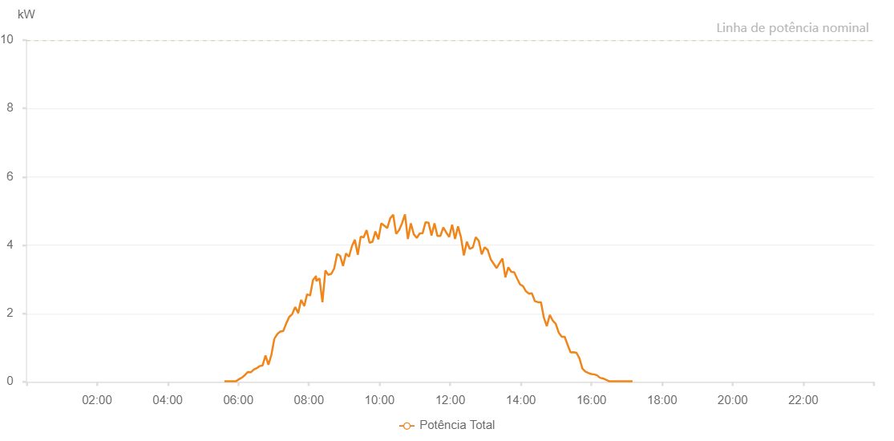

Number | Time | Working State | Alarm Code | Total Inverter Power(W)
1 | 28/07/2022 05:36:24 (UTC-4:00) | Normal |  | 20.000
2 | 28/07/2022 05:41:23 (UTC-4:00) | Normal |  | 20.000
3 | 28/07/2022 05:46:22 (UTC-4:00) | Normal |  | 20.000
4 | 28/07/2022 05:51:25 (UTC-4:00) | Normal |  | 20.000
5 | 28/07/2022 05:56:28 (UTC-4:00) | Normal |  | 20.000
6 | 28/07/2022 06:01:27 (UTC-4:00) | Normal |  | 80.000
7 | 28/07/2022 06:06:25 (UTC-4:00) | Normal |  | 130.000
8 | 28/07/2022 06:11:24 (UTC-4:00) | Normal |  | 200.000
9 | 28/07/2022 06:16:22 (UTC-4:00) | Normal |  | 290.000
10 | 28/07/2022 06:21:21 (UTC-4:00) | Normal |  | 280.000
11 | 28/07/2022 06:26:20 (UTC-4:00) | Normal |  | 360.000
12 | 28/07/2022 06:31:19 (UTC-4:00) | Normal |  | 400.000
13 | 28/07/2022 06:36:17 (UTC-4:00) | Normal |  | 460.000
14 | 28/07/2022 06:41:16 (UTC-4:00) | Normal |  | 480.000
15 | 28/07/2022 06:46:15 (UTC-4:00) | Normal |  | 770.000
16 | 28/07/2022 06:51:13 (UTC-4:00) | Normal |  | 500.000
17 | 28/07/2022 06:56:15 (UTC-4:00) | Normal |  | 790.000
18 | 28/07/2022 07:01:18 (UTC-4:00) | Normal |  | 1270.000
19 | 28/07/2022 07:01:29 (UTC-4:00) | Normal |  | 1270.000
20 | 28/07/2022 07:06:20 (UTC-4:00) | Normal |  | 1400.000
21 | 28/07/2022 07:11:23 (UTC-4:00) | Normal |  | 1470.000
22 | 28/07/2022 07:16:25 (UTC-4:00) | Normal |  | 1490.000
23 | 28/07/2022 07:21:28 (UTC-4:00) | Normal |  | 1710.000
24 | 28/07/2022 07:26:31 (UTC-4:00) | Normal |  | 1900.000
25 | 28/07/2022 07:31:34 (UTC-4:00) | Normal |  | 1980.000
26 | 28/07/2022 07:36:37 (UTC-4:00) | Normal |  | 2190.000
27 | 28/07/2022 07:41:39 (UTC-4:00) | Normal |  | 2020.000
28 | 28/07/2022 07:41:50 (UTC-4:00) | Normal |  | 2020.000
29 | 28/07/2022 07:46:42 (UTC-4:00) | Normal |  | 2400.000
30 | 28/07/2022 07:51:46 (UTC-4:00) | Normal |  | 2230.000
31 | 28/07/2022 07:52:12 (UTC-4:00) | Normal |  | 2230.000
32 | 28/07/2022 07:56:49 (UTC-4:00) | Normal |  | 2560.000
33 | 28/07/2022 08:01:52 (UTC-4:00) | Normal |  | 2530.000
34 | 28/07/2022 08:02:02 (UTC-4:00) | Normal |  | 2530.000
35 | 28/07/2022 08:06:55 (UTC-4:00) | Normal |  | 2980.000
36 | 28/07/2022 08:11:58 (UTC-4:00) | Normal |  | 3090.000
37 | 28/07/2022 08:12:08 (UTC-4:00) | Normal |  | 3090.000
38 | 28/07/2022 08:12:34 (UTC-4:00) | Normal |  | 2950.000
39 | 28/07/2022 08:17:56 (UTC-4:00) | Normal |  | 3030.000
40 | 28/07/2022 08:22:58 (UTC-4:00) | Normal |  | 2330.000
41 | 28/07/2022 08:27:58 (UTC-4:00) | Normal |  | 3260.000
42 | 28/07/2022 08:32:57 (UTC-4:00) | Normal |  | 3130.000
43 | 28/07/2022 08:37:57 (UTC-4:00) | Normal |  | 3160.000
44 | 28/07/2022 08:42:57 (UTC-4:00) | Normal |  | 3320.000
45 | 28/07/2022 08:47:57 (UTC-4:00) | Normal |  | 3740.000
46 | 28/07/2022 08:52:57 (UTC-4:00) | Normal |  | 3690.000
47 | 28/07/2022 08:57:59 (UTC-4:00) | Normal |  | 3390.000
48 | 28/07/2022 09:03:02 (UTC-4:00) | Normal |  | 3760.000
49 | 28/07/2022 09:08:02 (UTC-4:00) | Normal |  | 3660.000
50 | 28/07/2022 09:13:02 (UTC-4:00) | Normal |  | 3970.000
51 | 28/07/2022 09:18:01 (UTC-4:00) | Normal |  | 4160.000
52 | 28/07/2022 09:23:02 (UTC-4:00) | Normal |  | 3720.000
53 | 28/07/2022 09:28:01 (UTC-4:00) | Normal |  | 4250.000
54 | 28/07/2022 09:33:01 (UTC-4:00) | Normal |  | 4230.000
55 | 28/07/2022 09:38:01 (UTC-4:00) | Normal |  | 4440.000
56 | 28/07/2022 09:43:00 (UTC-4:00) | Normal |  | 4070.000
57 | 28/07/2022 09:48:00 (UTC-4:00) | Normal |  | 4100.000
58 | 28/07/2022 09:53:00 (UTC-4:00) | Normal |  | 4400.000
59 | 28/07/2022 09:58:00 (UTC-4:00) | Normal |  | 4170.000
60 | 28/07/2022 10:03:01 (UTC-4:00) | Normal |  | 4640.000
61 | 28/07/2022 10:08:04 (UTC-4:00) | Normal |  | 4570.000
62 | 28/07/2022 10:13:08 (UTC-4:00) | Normal |  | 4500.000
63 | 28/07/2022 10:18:12 (UTC-4:00) | Normal |  | 4790.000
64 | 28/07/2022 10:23:12 (UTC-4:00) | Normal |  | 4890.000
65 | 28/07/2022 10:28:11 (UTC-4:00) | Normal |  | 4330.000
66 | 28/07/2022 10:33:11 (UTC-4:00) | Normal |  | 4440.000
67 | 28/07/2022 10:38:11 (UTC-4:00) | Normal |  | 4640.000
68 | 28/07/2022 10:43:11 (UTC-4:00) | Normal |  | 4900.000
69 | 28/07/2022 10:48:11 (UTC-4:00) | Normal |  | 4180.000
70 | 28/07/2022 10:53:10 (UTC-4:00) | Normal |  | 4640.000
71 | 28/07/2022 10:58:10 (UTC-4:00) | Normal |  | 4320.000
72 | 28/07/2022 11:03:10 (UTC-4:00) | Normal |  | 4210.000
73 | 28/07/2022 11:08:10 (UTC-4:00) | Normal |  | 4340.000
74 | 28/07/2022 11:13:10 (UTC-4:00) | Normal |  | 4350.000
75 | 28/07/2022 11:18:09 (UTC-4:00) | Normal |  | 4670.000
76 | 28/07/2022 11:23:13 (UTC-4:00) | Normal |  | 4660.000
77 | 28/07/2022 11:28:17 (UTC-4:00) | Normal |  | 4280.000
78 | 28/07/2022 11:33:21 (UTC-4:00) | Normal |  | 4640.000
79 | 28/07/2022 11:38:20 (UTC-4:00) | Normal |  | 4270.000
80 | 28/07/2022 11:43:20 (UTC-4:00) | Normal |  | 4270.000
81 | 28/07/2022 11:48:20 (UTC-4:00) | Normal |  | 4520.000
82 | 28/07/2022 11:53:20 (UTC-4:00) | Normal |  | 4370.000
83 | 28/07/2022 11:58:19 (UTC-4:00) | Normal |  | 4240.000
84 | 28/07/2022 12:03:19 (UTC-4:00) | Normal |  | 4600.000
85 | 28/07/2022 12:08:19 (UTC-4:00) | Normal |  | 4180.000
86 | 28/07/2022 12:13:19 (UTC-4:00) | Normal |  | 4550.000
87 | 28/07/2022 12:18:19 (UTC-4:00) | Normal |  | 4230.000
88 | 28/07/2022 12:23:19 (UTC-4:00) | Normal |  | 3700.000
89 | 28/07/2022 12:28:18 (UTC-4:00) | Normal |  | 4100.000
90 | 28/07/2022 12:33:19 (UTC-4:00) | Normal |  | 3890.000
91 | 28/07/2022 12:38:23 (UTC-4:00) | Normal |  | 3930.000
92 | 28/07/2022 12:43:27 (UTC-4:00) | Normal |  | 4230.000
93 | 28/07/2022 12:48:31 (UTC-4:00) | Normal |  | 4130.000
94 | 28/07/2022 12:53:35 (UTC-4:00) | Normal |  | 3730.000
95 | 28/07/2022 12:58:40 (UTC-4:00) | Normal |  | 3940.000
96 | 28/07/2022 13:03:42 (UTC-4:00) | Normal |  | 3860.000
97 | 28/07/2022 13:08:46 (UTC-4:00) | Normal |  | 3590.000
98 | 28/07/2022 13:13:46 (UTC-4:00) | Normal |  | 3460.000
99 | 28/07/2022 13:18:46 (UTC-4:00) | Normal |  | 3330.000
100 | 28/07/2022 13:23:45 (UTC-4:00) | Normal |  | 3470.000
101 | 28/07/2022 13:28:45 (UTC-4:00) | Normal |  | 3610.000
102 | 28/07/2022 13:33:45 (UTC-4:00) | Normal |  | 3060.000
103 | 28/07/2022 13:38:45 (UTC-4:00) | Normal |  | 3350.000
104 | 28/07/2022 13:43:46 (UTC-4:00) | Normal |  | 3220.000
105 | 28/07/2022 13:48:46 (UTC-4:00) | Normal |  | 3210.000
106 | 28/07/2022 13:53:45 (UTC-4:00) | Normal |  | 3020.000
107 | 28/07/2022 13:58:46 (UTC-4:00) | Normal |  | 2850.000
108 | 28/07/2022 14:03:44 (UTC-4:00) | Normal |  | 2800.000
109 | 28/07/2022 14:08:48 (UTC-4:00) | Normal |  | 2650.000
110 | 28/07/2022 14:13:49 (UTC-4:00) | Normal |  | 2580.000
111 | 28/07/2022 14:18:53 (UTC-4:00) | Normal |  | 2590.000
112 | 28/07/2022 14:23:56 (UTC-4:00) | Normal |  | 2360.000
113 | 28/07/2022 14:24:07 (UTC-4:00) | Normal |  | 2360.000
114 | 28/07/2022 14:29:03 (UTC-4:00) | Normal |  | 2330.000
115 | 28/07/2022 14:34:04 (UTC-4:00) | Normal |  | 2330.000
116 | 28/07/2022 14:34:15 (UTC-4:00) | Normal |  | 2330.000
117 | 28/07/2022 14:39:09 (UTC-4:00) | Normal |  | 1880.000
118 | 28/07/2022 14:44:12 (UTC-4:00) | Normal |  | 1630.000
119 | 28/07/2022 14:49:15 (UTC-4:00) | Normal |  | 1960.000
120 | 28/07/2022 14:54:19 (UTC-4:00) | Normal |  | 1790.000
121 | 28/07/2022 14:59:23 (UTC-4:00) | Normal |  | 1700.000
122 | 28/07/2022 15:04:27 (UTC-4:00) | Normal |  | 1440.000
123 | 28/07/2022 15:09:31 (UTC-4:00) | Normal |  | 1320.000
124 | 28/07/2022 15:14:34 (UTC-4:00) | Normal |  | 1320.000
125 | 28/07/2022 15:19:38 (UTC-4:00) | Normal |  | 1080.000
126 | 28/07/2022 15:24:38 (UTC-4:00) | Normal |  | 860.000
127 | 28/07/2022 15:29:38 (UTC-4:00) | Normal |  | 870.000
128 | 28/07/2022 15:34:38 (UTC-4:00) | Normal |  | 850.000
129 | 28/07/2022 15:39:37 (UTC-4:00) | Normal |  | 690.000
130 | 28/07/2022 15:44:37 (UTC-4:00) | Normal |  | 390.000
131 | 28/07/2022 15:49:37 (UTC-4:00) | Normal |  | 300.000
132 | 28/07/2022 15:54:37 (UTC-4:00) | Normal |  | 260.000
133 | 28/07/2022 15:59:37 (UTC-4:00) | Normal |  | 230.000
134 | 28/07/2022 16:04:37 (UTC-4:00) | Normal |  | 220.000
135 | 28/07/2022 16:09:37 (UTC-4:00) | Normal |  | 190.000
136 | 28/07/2022 16:14:36 (UTC-4:00) | Normal |  | 120.000
137 | 28/07/2022 16:19:37 (UTC-4:00) | Normal |  | 100.000
138 | 28/07/2022 16:24:41 (UTC-4:00) | Normal |  | 60.000
139 | 28/07/2022 16:29:44 (UTC-4:00) | Normal |  | 20.000
140 | 28/07/2022 16:34:48 (UTC-4:00) | Normal |  | 20.000
141 | 28/07/2022 16:39:52 (UTC-4:00) | Normal |  | 20.000
142 | 28/07/2022 16:45:01 (UTC-4:00) | Normal |  | 20.000
143 | 28/07/2022 16:50:02 (UTC-4:00) | Normal |  | 20.000
144 | 28/07/2022 16:55:04 (UTC-4:00) | Normal |  | 20.000
145 | 28/07/2022 17:00:07 (UTC-4:00) | Normal |  | 20.000
146 | 28/07/2022 17:04:32 (UTC-4:00) | Normal |  | 20.000
147 | 28/07/2022 17:09:46 (UTC-4:00) | Normal |  | 20.000

