Inverter History Report__17-08-
Inverter History Report_30/07/2022_Report

Inverter SN:054B7020C020041 |  | Inverter type:B7
Collector SN:4045966636 |  | Full Load Hours(h):4.15
Rated Power:10000Wp

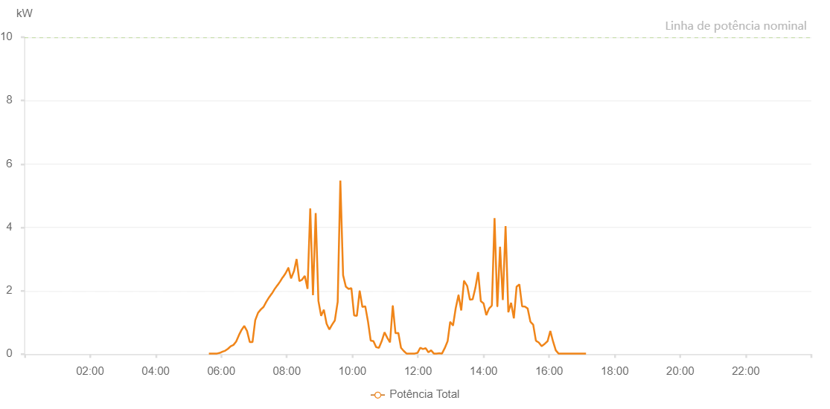

Number | Time | Working State | Alarm Code | Total Inverter Power(W)
1 | 30/07/2022 05:39:24 (UTC-4:00) | Normal |  | 20.000
2 | 30/07/2022 05:44:23 (UTC-4:00) | Normal |  | 20.000
3 | 30/07/2022 05:49:23 (UTC-4:00) | Normal |  | 20.000
4 | 30/07/2022 05:54:25 (UTC-4:00) | Normal |  | 20.000
5 | 30/07/2022 05:59:25 (UTC-4:00) | Normal |  | 50.000
6 | 30/07/2022 06:04:28 (UTC-4:00) | Normal |  | 110.000
7 | 30/07/2022 06:09:30 (UTC-4:00) | Normal |  | 180.000
8 | 30/07/2022 06:14:32 (UTC-4:00) | Normal |  | 260.000
9 | 30/07/2022 06:19:34 (UTC-4:00) | Normal |  | 410.000
10 | 30/07/2022 06:24:36 (UTC-4:00) | Normal |  | 550.000
11 | 30/07/2022 06:29:39 (UTC-4:00) | Normal |  | 690.000
12 | 30/07/2022 06:34:41 (UTC-4:00) | Normal |  | 840.000
13 | 30/07/2022 06:39:39 (UTC-4:00) | Normal |  | 990.000
14 | 30/07/2022 06:44:37 (UTC-4:00) | Normal |  | 1160.000
15 | 30/07/2022 06:49:36 (UTC-4:00) | Normal |  | 1370.000
16 | 30/07/2022 06:54:34 (UTC-4:00) | Normal |  | 1540.000
17 | 30/07/2022 06:59:32 (UTC-4:00) | Normal |  | 1750.000
18 | 30/07/2022 07:04:31 (UTC-4:00) | Normal |  | 1890.000
19 | 30/07/2022 07:09:29 (UTC-4:00) | Normal |  | 2090.000
20 | 30/07/2022 07:14:27 (UTC-4:00) | Normal |  | 2290.000
21 | 30/07/2022 07:19:26 (UTC-4:00) | Normal |  | 2480.000
22 | 30/07/2022 07:24:24 (UTC-4:00) | Normal |  | 2640.000
23 | 30/07/2022 07:29:22 (UTC-4:00) | Normal |  | 2820.000
24 | 30/07/2022 07:34:22 (UTC-4:00) | Normal |  | 2990.000
25 | 30/07/2022 07:39:24 (UTC-4:00) | Normal |  | 3180.000
26 | 30/07/2022 07:44:26 (UTC-4:00) | Normal |  | 3320.000
27 | 30/07/2022 07:49:29 (UTC-4:00) | Normal |  | 3490.000
28 | 30/07/2022 07:54:31 (UTC-4:00) | Normal |  | 3640.000
29 | 30/07/2022 07:59:29 (UTC-4:00) | Normal |  | 3770.000
30 | 30/07/2022 08:04:27 (UTC-4:00) | Normal |  | 3920.000
31 | 30/07/2022 08:09:26 (UTC-4:00) | Normal |  | 4060.000
32 | 30/07/2022 08:14:24 (UTC-4:00) | Normal |  | 4200.000
33 | 30/07/2022 08:19:22 (UTC-4:00) | Normal |  | 4320.000
34 | 30/07/2022 08:24:21 (UTC-4:00) | Normal |  | 4440.000
35 | 30/07/2022 08:29:19 (UTC-4:00) | Normal |  | 4570.000
36 | 30/07/2022 08:34:17 (UTC-4:00) | Normal |  | 4690.000
37 | 30/07/2022 08:39:16 (UTC-4:00) | Normal |  | 4780.000
38 | 30/07/2022 08:44:14 (UTC-4:00) | Normal |  | 4840.000
39 | 30/07/2022 08:49:12 (UTC-4:00) | Normal |  | 4970.000
40 | 30/07/2022 08:54:14 (UTC-4:00) | Normal |  | 5100.000
41 | 30/07/2022 08:59:16 (UTC-4:00) | Normal |  | 5140.000
42 | 30/07/2022 09:04:17 (UTC-4:00) | Normal |  | 5310.000
43 | 30/07/2022 09:09:20 (UTC-4:00) | Normal |  | 5410.000
44 | 30/07/2022 09:14:22 (UTC-4:00) | Normal |  | 5470.000
45 | 30/07/2022 09:19:25 (UTC-4:00) | Normal |  | 5580.000
46 | 30/07/2022 09:24:26 (UTC-4:00) | Normal |  | 5680.000
47 | 30/07/2022 09:29:29 (UTC-4:00) | Normal |  | 5740.000
48 | 30/07/2022 09:34:32 (UTC-4:00) | Normal |  | 5730.000
49 | 30/07/2022 09:34:42 (UTC-4:00) | Normal |  | 5730.000
50 | 30/07/2022 09:39:33 (UTC-4:00) | Normal |  | 5820.000
51 | 30/07/2022 09:44:35 (UTC-4:00) | Normal |  | 5890.000
52 | 30/07/2022 09:49:38 (UTC-4:00) | Normal |  | 5950.000
53 | 30/07/2022 09:54:40 (UTC-4:00) | Normal |  | 5980.000
54 | 30/07/2022 09:59:42 (UTC-4:00) | Normal |  | 5980.000
55 | 30/07/2022 10:04:44 (UTC-4:00) | Normal |  | 6110.000
56 | 30/07/2022 10:09:47 (UTC-4:00) | Normal |  | 6080.000
57 | 30/07/2022 10:14:49 (UTC-4:00) | Normal |  | 6120.000
58 | 30/07/2022 10:19:47 (UTC-4:00) | Normal |  | 6170.000
59 | 30/07/2022 10:24:46 (UTC-4:00) | Normal |  | 6210.000
60 | 30/07/2022 10:29:44 (UTC-4:00) | Normal |  | 6230.000
61 | 30/07/2022 10:34:42 (UTC-4:00) | Normal |  | 6200.000
62 | 30/07/2022 10:39:40 (UTC-4:00) | Normal |  | 6260.000
63 | 30/07/2022 10:44:42 (UTC-4:00) | Normal |  | 6300.000
64 | 30/07/2022 10:49:37 (UTC-4:00) | Normal |  | 6240.000
65 | 30/07/2022 10:54:37 (UTC-4:00) | Normal |  | 6230.000
66 | 30/07/2022 10:59:34 (UTC-4:00) | Normal |  | 6210.000
67 | 30/07/2022 11:04:34 (UTC-4:00) | Normal |  | 6190.000
68 | 30/07/2022 11:09:36 (UTC-4:00) | Normal |  | 6320.000
69 | 30/07/2022 11:14:32 (UTC-4:00) | Normal |  | 6400.000
70 | 30/07/2022 11:19:33 (UTC-4:00) | Normal |  | 6230.000
71 | 30/07/2022 11:19:44 (UTC-4:00) | Normal |  | 6230.000
72 | 30/07/2022 11:24:37 (UTC-4:00) | Normal |  | 6240.000
73 | 30/07/2022 11:29:37 (UTC-4:00) | Normal |  | 6220.000
74 | 30/07/2022 11:34:39 (UTC-4:00) | Normal |  | 6200.000
75 | 30/07/2022 11:39:42 (UTC-4:00) | Normal |  | 6120.000
76 | 30/07/2022 11:44:40 (UTC-4:00) | Normal |  | 6110.000
77 | 30/07/2022 11:49:38 (UTC-4:00) | Normal |  | 6100.000
78 | 30/07/2022 11:54:36 (UTC-4:00) | Normal |  | 6050.000
79 | 30/07/2022 11:59:37 (UTC-4:00) | Normal |  | 6040.000
80 | 30/07/2022 12:04:33 (UTC-4:00) | Normal |  | 6020.000
81 | 30/07/2022 12:09:31 (UTC-4:00) | Normal |  | 5930.000
82 | 30/07/2022 12:14:29 (UTC-4:00) | Normal |  | 5830.000
83 | 30/07/2022 12:19:28 (UTC-4:00) | Normal |  | 5830.000
84 | 30/07/2022 12:24:26 (UTC-4:00) | Normal |  | 5810.000
85 | 30/07/2022 12:29:24 (UTC-4:00) | Normal |  | 5790.000
86 | 30/07/2022 12:34:23 (UTC-4:00) | Normal |  | 5710.000
87 | 30/07/2022 12:39:24 (UTC-4:00) | Normal |  | 5620.000
88 | 30/07/2022 12:44:26 (UTC-4:00) | Normal |  | 5590.000
89 | 30/07/2022 12:49:28 (UTC-4:00) | Normal |  | 5480.000
90 | 30/07/2022 12:54:31 (UTC-4:00) | Normal |  | 5430.000
91 | 30/07/2022 12:59:29 (UTC-4:00) | Normal |  | 5380.000
92 | 30/07/2022 13:04:27 (UTC-4:00) | Normal |  | 5200.000
93 | 30/07/2022 13:09:25 (UTC-4:00) | Normal |  | 5140.000
94 | 30/07/2022 13:14:24 (UTC-4:00) | Normal |  | 5070.000
95 | 30/07/2022 13:19:22 (UTC-4:00) | Normal |  | 5060.000
96 | 30/07/2022 13:24:20 (UTC-4:00) | Normal |  | 4910.000
97 | 30/07/2022 13:29:18 (UTC-4:00) | Normal |  | 4780.000
98 | 30/07/2022 13:34:17 (UTC-4:00) | Normal |  | 4690.000
99 | 30/07/2022 13:39:15 (UTC-4:00) | Normal |  | 4520.000
100 | 30/07/2022 13:44:13 (UTC-4:00) | Normal |  | 4480.000
101 | 30/07/2022 13:49:12 (UTC-4:00) | Normal |  | 4360.000
102 | 30/07/2022 13:54:12 (UTC-4:00) | Normal |  | 4240.000
103 | 30/07/2022 13:59:14 (UTC-4:00) | Normal |  | 4100.000
104 | 30/07/2022 14:04:17 (UTC-4:00) | Normal |  | 4060.000
105 | 30/07/2022 14:09:19 (UTC-4:00) | Normal |  | 3880.000
106 | 30/07/2022 14:14:21 (UTC-4:00) | Normal |  | 3790.000
107 | 30/07/2022 14:19:20 (UTC-4:00) | Normal |  | 3670.000
108 | 30/07/2022 14:24:18 (UTC-4:00) | Normal |  | 3540.000
109 | 30/07/2022 14:25:42 (UTC-4:00) | Normal |  | 3480.000
110 | 30/07/2022 14:30:58 (UTC-4:00) | Normal |  | 3330.000
111 | 30/07/2022 14:35:58 (UTC-4:00) | Normal |  | 3240.000
112 | 30/07/2022 14:40:58 (UTC-4:00) | Normal |  | 3060.000
113 | 30/07/2022 14:46:01 (UTC-4:00) | Normal |  | 2860.000
114 | 30/07/2022 14:50:58 (UTC-4:00) | Normal |  | 2760.000
115 | 30/07/2022 14:55:58 (UTC-4:00) | Normal |  | 2570.000
116 | 30/07/2022 15:01:02 (UTC-4:00) | Normal |  | 2400.000
117 | 30/07/2022 15:06:04 (UTC-4:00) | Normal |  | 2250.000
118 | 30/07/2022 15:11:08 (UTC-4:00) | Normal |  | 2050.000
119 | 30/07/2022 15:16:12 (UTC-4:00) | Normal |  | 1910.000
120 | 30/07/2022 15:21:16 (UTC-4:00) | Normal |  | 1740.000
121 | 30/07/2022 15:26:19 (UTC-4:00) | Normal |  | 1560.000
122 | 30/07/2022 15:31:23 (UTC-4:00) | Normal |  | 1370.000
123 | 30/07/2022 15:36:27 (UTC-4:00) | Normal |  | 1140.000
124 | 30/07/2022 15:41:31 (UTC-4:00) | Normal |  | 580.000
125 | 30/07/2022 15:46:35 (UTC-4:00) | Normal |  | 250.000
126 | 30/07/2022 15:51:39 (UTC-4:00) | Normal |  | 220.000
127 | 30/07/2022 15:56:39 (UTC-4:00) | Normal |  | 230.000
128 | 30/07/2022 16:01:39 (UTC-4:00) | Normal |  | 340.000
129 | 30/07/2022 16:06:38 (UTC-4:00) | Normal |  | 320.000
130 | 30/07/2022 16:11:38 (UTC-4:00) | Normal |  | 220.000
131 | 30/07/2022 16:16:38 (UTC-4:00) | Normal |  | 160.000
132 | 30/07/2022 16:21:38 (UTC-4:00) | Normal |  | 110.000
133 | 30/07/2022 16:26:38 (UTC-4:00) | Normal |  | 60.000
134 | 30/07/2022 16:31:38 (UTC-4:00) | Normal |  | 20.000
135 | 30/07/2022 16:36:38 (UTC-4:00) | Normal |  | 20.000
136 | 30/07/2022 16:41:38 (UTC-4:00) | Normal |  | 20.000
137 | 30/07/2022 16:46:38 (UTC-4:00) | Normal |  | 20.000
138 | 30/07/2022 16:51:40 (UTC-4:00) | Normal |  | 20.000
139 | 30/07/2022 16:56:44 (UTC-4:00) | Normal |  | 20.000
140 | 30/07/2022 17:01:44 (UTC-4:00) | Normal |  | 20.000
141 | 30/07/2022 17:06:44 (UTC-4:00) | Normal |  | 20.000
142 | 30/07/2022 17:11:44 (UTC-4:00) | Normal |  | 20.000

