Inverter History Report__17-08-
Inverter History Report_05/08/2022_Report

Inverter SN:054B7020C020041 |  | Inverter type:B7
Collector SN:4045966636 |  | Full Load Hours(h):2.88
Rated Power:10000Wp

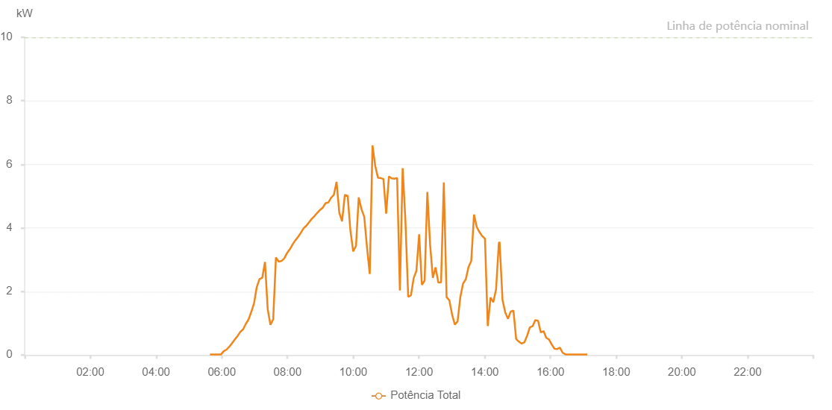

Number | Time | Working State | Alarm Code | Total Inverter Power(W)
1 | 05/08/2022 05:38:24 (UTC-4:00) | Normal |  | 20.000
2 | 05/08/2022 05:43:24 (UTC-4:00) | Normal |  | 20.000
3 | 05/08/2022 05:48:23 (UTC-4:00) | Normal |  | 20.000
4 | 05/08/2022 05:53:31 (UTC-4:00) | Normal |  | 20.000
5 | 05/08/2022 05:58:36 (UTC-4:00) | Normal |  | 20.000
6 | 05/08/2022 06:03:33 (UTC-4:00) | Normal |  | 120.000
7 | 05/08/2022 06:08:38 (UTC-4:00) | Normal |  | 170.000
8 | 05/08/2022 06:13:40 (UTC-4:00) | Normal |  | 260.000
9 | 05/08/2022 06:18:44 (UTC-4:00) | Normal |  | 370.000
10 | 05/08/2022 06:23:48 (UTC-4:00) | Normal |  | 490.000
11 | 05/08/2022 06:28:52 (UTC-4:00) | Normal |  | 600.000
12 | 05/08/2022 06:33:56 (UTC-4:00) | Normal |  | 730.000
13 | 05/08/2022 06:38:55 (UTC-4:00) | Normal |  | 810.000
14 | 05/08/2022 06:43:55 (UTC-4:00) | Normal |  | 980.000
15 | 05/08/2022 06:48:55 (UTC-4:00) | Normal |  | 1120.000
16 | 05/08/2022 06:53:55 (UTC-4:00) | Normal |  | 1360.000
17 | 05/08/2022 06:58:55 (UTC-4:00) | Normal |  | 1630.000
18 | 05/08/2022 07:03:55 (UTC-4:00) | Normal |  | 2140.000
19 | 05/08/2022 07:08:54 (UTC-4:00) | Normal |  | 2390.000
20 | 05/08/2022 07:13:54 (UTC-4:00) | Normal |  | 2430.000
21 | 05/08/2022 07:18:54 (UTC-4:00) | Normal |  | 2930.000
22 | 05/08/2022 07:23:53 (UTC-4:00) | Normal |  | 1440.000
23 | 05/08/2022 07:28:53 (UTC-4:00) | Normal |  | 950.000
24 | 05/08/2022 07:33:53 (UTC-4:00) | Normal |  | 1120.000
25 | 05/08/2022 07:38:55 (UTC-4:00) | Normal |  | 3070.000
26 | 05/08/2022 07:43:59 (UTC-4:00) | Normal |  | 2940.000
27 | 05/08/2022 07:49:03 (UTC-4:00) | Normal |  | 2960.000
28 | 05/08/2022 07:54:06 (UTC-4:00) | Normal |  | 3040.000
29 | 05/08/2022 07:59:10 (UTC-4:00) | Normal |  | 3210.000
30 | 05/08/2022 08:04:14 (UTC-4:00) | Normal |  | 3330.000
31 | 05/08/2022 08:04:24 (UTC-4:00) | Normal |  | 3330.000
32 | 05/08/2022 08:09:18 (UTC-4:00) | Normal |  | 3480.000
33 | 05/08/2022 08:14:21 (UTC-4:00) | Normal |  | 3610.000
34 | 05/08/2022 08:19:24 (UTC-4:00) | Normal |  | 3720.000
35 | 05/08/2022 08:24:28 (UTC-4:00) | Normal |  | 3850.000
36 | 05/08/2022 08:29:31 (UTC-4:00) | Normal |  | 3990.000
37 | 05/08/2022 08:34:31 (UTC-4:00) | Normal |  | 4070.000
38 | 05/08/2022 08:39:31 (UTC-4:00) | Normal |  | 4180.000
39 | 05/08/2022 08:44:32 (UTC-4:00) | Normal |  | 4290.000
40 | 05/08/2022 08:49:34 (UTC-4:00) | Normal |  | 4380.000
41 | 05/08/2022 08:54:34 (UTC-4:00) | Normal |  | 4480.000
42 | 05/08/2022 08:59:34 (UTC-4:00) | Normal |  | 4570.000
43 | 05/08/2022 09:04:34 (UTC-4:00) | Normal |  | 4640.000
44 | 05/08/2022 09:09:34 (UTC-4:00) | Normal |  | 4780.000
45 | 05/08/2022 09:14:34 (UTC-4:00) | Normal |  | 4800.000
46 | 05/08/2022 09:19:35 (UTC-4:00) | Normal |  | 4950.000
47 | 05/08/2022 09:24:35 (UTC-4:00) | Normal |  | 5040.000
48 | 05/08/2022 09:29:35 (UTC-4:00) | Normal |  | 5450.000
49 | 05/08/2022 09:34:34 (UTC-4:00) | Normal |  | 4480.000
50 | 05/08/2022 09:39:38 (UTC-4:00) | Normal |  | 4210.000
51 | 05/08/2022 09:44:42 (UTC-4:00) | Normal |  | 5040.000
52 | 05/08/2022 09:49:49 (UTC-4:00) | Normal |  | 5010.000
53 | 05/08/2022 09:54:51 (UTC-4:00) | Normal |  | 3920.000
54 | 05/08/2022 09:59:56 (UTC-4:00) | Normal |  | 3260.000
55 | 05/08/2022 10:04:58 (UTC-4:00) | Normal |  | 3430.000
56 | 05/08/2022 10:05:07 (UTC-4:00) | Normal |  | 3430.000
57 | 05/08/2022 10:10:01 (UTC-4:00) | Normal |  | 4960.000
58 | 05/08/2022 10:15:04 (UTC-4:00) | Normal |  | 4590.000
59 | 05/08/2022 10:20:08 (UTC-4:00) | Normal |  | 4350.000
60 | 05/08/2022 10:25:11 (UTC-4:00) | Normal |  | 3380.000
61 | 05/08/2022 10:30:11 (UTC-4:00) | Normal |  | 2550.000
62 | 05/08/2022 10:35:11 (UTC-4:00) | Normal |  | 6600.000
63 | 05/08/2022 10:40:10 (UTC-4:00) | Normal |  | 5950.000
64 | 05/08/2022 10:45:10 (UTC-4:00) | Normal |  | 5580.000
65 | 05/08/2022 10:50:10 (UTC-4:00) | Normal |  | 5570.000
66 | 05/08/2022 10:55:09 (UTC-4:00) | Normal |  | 5540.000
67 | 05/08/2022 11:00:09 (UTC-4:00) | Normal |  | 4450.000
68 | 05/08/2022 11:05:09 (UTC-4:00) | Normal |  | 5620.000
69 | 05/08/2022 11:10:09 (UTC-4:00) | Normal |  | 5560.000
70 | 05/08/2022 11:15:10 (UTC-4:00) | Normal |  | 5550.000
71 | 05/08/2022 11:20:10 (UTC-4:00) | Normal |  | 5570.000
72 | 05/08/2022 11:25:11 (UTC-4:00) | Normal |  | 2030.000
73 | 05/08/2022 11:30:14 (UTC-4:00) | Normal |  | 5880.000
74 | 05/08/2022 11:35:18 (UTC-4:00) | Normal |  | 4220.000
75 | 05/08/2022 11:40:22 (UTC-4:00) | Normal |  | 1830.000
76 | 05/08/2022 11:45:21 (UTC-4:00) | Normal |  | 1880.000
77 | 05/08/2022 11:50:21 (UTC-4:00) | Normal |  | 2420.000
78 | 05/08/2022 11:55:21 (UTC-4:00) | Normal |  | 2650.000
79 | 05/08/2022 12:00:20 (UTC-4:00) | Normal |  | 3800.000
80 | 05/08/2022 12:05:20 (UTC-4:00) | Normal |  | 2210.000
81 | 05/08/2022 12:10:20 (UTC-4:00) | Normal |  | 2340.000
82 | 05/08/2022 12:15:19 (UTC-4:00) | Normal |  | 5130.000
83 | 05/08/2022 12:20:20 (UTC-4:00) | Normal |  | 3480.000
84 | 05/08/2022 12:25:20 (UTC-4:00) | Normal |  | 2430.000
85 | 05/08/2022 12:30:20 (UTC-4:00) | Normal |  | 2760.000
86 | 05/08/2022 12:35:19 (UTC-4:00) | Normal |  | 2280.000
87 | 05/08/2022 12:40:20 (UTC-4:00) | Normal |  | 2290.000
88 | 05/08/2022 12:45:24 (UTC-4:00) | Normal |  | 5430.000
89 | 05/08/2022 12:50:27 (UTC-4:00) | Normal |  | 1820.000
90 | 05/08/2022 12:55:32 (UTC-4:00) | Normal |  | 1720.000
91 | 05/08/2022 13:00:31 (UTC-4:00) | Normal |  | 1270.000
92 | 05/08/2022 13:05:31 (UTC-4:00) | Normal |  | 960.000
93 | 05/08/2022 13:10:30 (UTC-4:00) | Normal |  | 1060.000
94 | 05/08/2022 13:15:30 (UTC-4:00) | Normal |  | 1820.000
95 | 05/08/2022 13:20:30 (UTC-4:00) | Normal |  | 2250.000
96 | 05/08/2022 13:25:30 (UTC-4:00) | Normal |  | 2380.000
97 | 05/08/2022 13:30:29 (UTC-4:00) | Normal |  | 2770.000
98 | 05/08/2022 13:35:29 (UTC-4:00) | Normal |  | 2960.000
99 | 05/08/2022 13:40:29 (UTC-4:00) | Normal |  | 4420.000
100 | 05/08/2022 13:45:29 (UTC-4:00) | Normal |  | 4030.000
101 | 05/08/2022 13:50:28 (UTC-4:00) | Normal |  | 3870.000
102 | 05/08/2022 13:55:29 (UTC-4:00) | Normal |  | 3740.000
103 | 05/08/2022 13:55:54 (UTC-4:00) | Normal |  | 3740.000
104 | 05/08/2022 14:00:32 (UTC-4:00) | Normal |  | 3660.000
105 | 05/08/2022 14:05:36 (UTC-4:00) | Normal |  | 910.000
106 | 05/08/2022 14:10:39 (UTC-4:00) | Normal |  | 1810.000
107 | 05/08/2022 14:15:43 (UTC-4:00) | Normal |  | 1660.000
108 | 05/08/2022 14:20:47 (UTC-4:00) | Normal |  | 2070.000
109 | 05/08/2022 14:25:50 (UTC-4:00) | Normal |  | 3520.000
110 | 05/08/2022 14:27:09 (UTC-4:00) | Normal |  | 3560.000
111 | 05/08/2022 14:32:34 (UTC-4:00) | Normal |  | 1730.000
112 | 05/08/2022 14:37:33 (UTC-4:00) | Normal |  | 1340.000
113 | 05/08/2022 14:42:32 (UTC-4:00) | Normal |  | 1140.000
114 | 05/08/2022 14:47:32 (UTC-4:00) | Normal |  | 1370.000
115 | 05/08/2022 14:52:30 (UTC-4:00) | Normal |  | 1400.000
116 | 05/08/2022 14:57:29 (UTC-4:00) | Normal |  | 500.000
117 | 05/08/2022 15:02:29 (UTC-4:00) | Normal |  | 420.000
118 | 05/08/2022 15:07:28 (UTC-4:00) | Normal |  | 360.000
119 | 05/08/2022 15:12:28 (UTC-4:00) | Normal |  | 400.000
120 | 05/08/2022 15:17:31 (UTC-4:00) | Normal |  | 610.000
121 | 05/08/2022 15:22:30 (UTC-4:00) | Normal |  | 870.000
122 | 05/08/2022 15:27:30 (UTC-4:00) | Normal |  | 910.000
123 | 05/08/2022 15:32:28 (UTC-4:00) | Normal |  | 1100.000
124 | 05/08/2022 15:37:27 (UTC-4:00) | Normal |  | 1080.000
125 | 05/08/2022 15:42:26 (UTC-4:00) | Normal |  | 710.000
126 | 05/08/2022 15:47:30 (UTC-4:00) | Normal |  | 750.000
127 | 05/08/2022 15:47:37 (UTC-4:00) | Normal |  | 750.000
128 | 05/08/2022 15:52:25 (UTC-4:00) | Normal |  | 540.000
129 | 05/08/2022 15:57:24 (UTC-4:00) | Normal |  | 490.000
130 | 05/08/2022 16:02:23 (UTC-4:00) | Normal |  | 330.000
131 | 05/08/2022 16:07:22 (UTC-4:00) | Normal |  | 200.000
132 | 05/08/2022 16:12:21 (UTC-4:00) | Normal |  | 190.000
133 | 05/08/2022 16:17:20 (UTC-4:00) | Normal |  | 230.000
134 | 05/08/2022 16:22:23 (UTC-4:00) | Normal |  | 70.000
135 | 05/08/2022 16:27:26 (UTC-4:00) | Normal |  | 20.000
136 | 05/08/2022 16:32:25 (UTC-4:00) | Normal |  | 20.000
137 | 05/08/2022 16:37:24 (UTC-4:00) | Normal |  | 20.000
138 | 05/08/2022 16:42:24 (UTC-4:00) | Normal |  | 20.000
139 | 05/08/2022 16:47:23 (UTC-4:00) | Normal |  | 20.000
140 | 05/08/2022 16:52:22 (UTC-4:00) | Normal |  | 20.000
141 | 05/08/2022 16:57:21 (UTC-4:00) | Normal |  | 20.000
142 | 05/08/2022 17:02:21 (UTC-4:00) | Normal |  | 20.000
143 | 05/08/2022 17:07:19 (UTC-4:00) | Normal |  | 20.000

