Inverter History Report__17-08-
Inverter History Report_06/08/2022_Report

Inverter SN:054B7020C020041 |  | Inverter type:B7
Collector SN:4045966636 |  | Full Load Hours(h):3.30
Rated Power:10000Wp

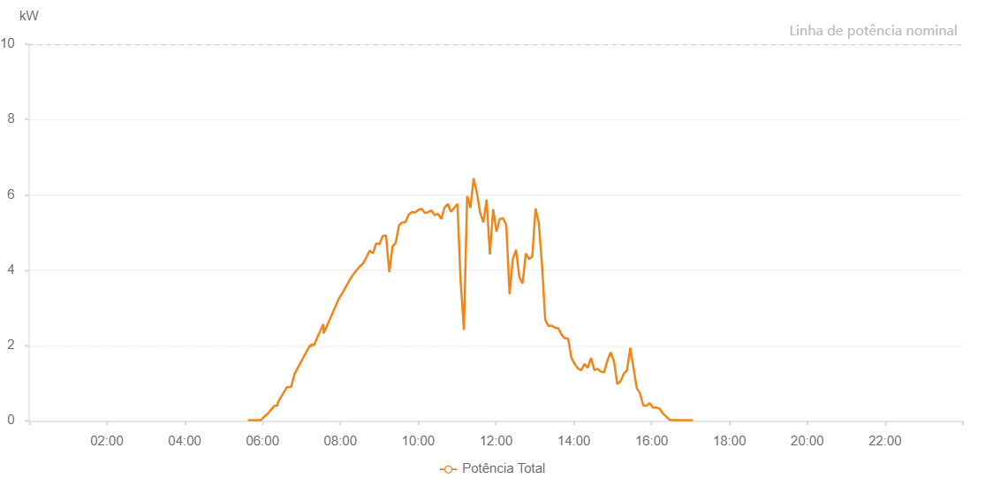

Number | Time | Working State | Alarm Code | Total Inverter Power(W)
1 | 06/08/2022 05:37:23 (UTC-4:00) | Normal |  | 20.000
2 | 06/08/2022 05:42:27 (UTC-4:00) | Normal |  | 20.000
3 | 06/08/2022 05:47:30 (UTC-4:00) | Normal |  | 20.000
4 | 06/08/2022 05:52:34 (UTC-4:00) | Normal |  | 20.000
5 | 06/08/2022 05:57:37 (UTC-4:00) | Normal |  | 20.000
6 | 06/08/2022 06:02:40 (UTC-4:00) | Normal |  | 110.000
7 | 06/08/2022 06:07:44 (UTC-4:00) | Normal |  | 180.000
8 | 06/08/2022 06:12:53 (UTC-4:00) | Normal |  | 290.000
9 | 06/08/2022 06:18:32 (UTC-4:00) | Normal |  | 400.000
10 | 06/08/2022 06:22:25 (UTC-4:00) | Normal |  | 400.000
11 | 06/08/2022 06:23:44 (UTC-4:00) | Normal |  | 490.000
12 | 06/08/2022 06:32:54 (UTC-4:00) | Normal |  | 760.000
13 | 06/08/2022 06:37:56 (UTC-4:00) | Normal |  | 900.000
14 | 06/08/2022 06:38:10 (UTC-4:00) | Normal |  | 900.000
15 | 06/08/2022 06:44:03 (UTC-4:00) | Normal |  | 900.000
16 | 06/08/2022 06:49:26 (UTC-4:00) | Normal |  | 1250.000
17 | 06/08/2022 06:51:24 (UTC-4:00) | Normal |  | 1310.000
18 | 06/08/2022 07:12:53 (UTC-4:00) | Normal |  | 2000.000
19 | 06/08/2022 07:14:46 (UTC-4:00) | Normal |  | 1970.000
20 | 06/08/2022 07:15:18 (UTC-4:00) | Normal |  | 2040.000
21 | 06/08/2022 07:19:00 (UTC-4:00) | Normal |  | 2000.000
22 | 06/08/2022 07:33:42 (UTC-4:00) | Normal |  | 2570.000
23 | 06/08/2022 07:34:12 (UTC-4:00) | Normal |  | 2320.000
24 | 06/08/2022 07:57:52 (UTC-4:00) | Normal |  | 3250.000
25 | 06/08/2022 07:59:38 (UTC-4:00) | Normal |  | 3300.000
26 | 06/08/2022 07:59:51 (UTC-4:00) | Normal |  | 3300.000
27 | 06/08/2022 08:14:48 (UTC-4:00) | Normal |  | 3750.000
28 | 06/08/2022 08:19:54 (UTC-4:00) | Normal |  | 3890.000
29 | 06/08/2022 08:20:03 (UTC-4:00) | Normal |  | 3890.000
30 | 06/08/2022 08:24:57 (UTC-4:00) | Normal |  | 4000.000
31 | 06/08/2022 08:29:58 (UTC-4:00) | Normal |  | 4100.000
32 | 06/08/2022 08:35:01 (UTC-4:00) | Normal |  | 4180.000
33 | 06/08/2022 08:40:05 (UTC-4:00) | Normal |  | 4340.000
34 | 06/08/2022 08:45:08 (UTC-4:00) | Normal |  | 4520.000
35 | 06/08/2022 08:50:11 (UTC-4:00) | Normal |  | 4450.000
36 | 06/08/2022 08:55:15 (UTC-4:00) | Normal |  | 4710.000
37 | 06/08/2022 09:00:18 (UTC-4:00) | Normal |  | 4690.000
38 | 06/08/2022 09:05:21 (UTC-4:00) | Normal |  | 4910.000
39 | 06/08/2022 09:10:25 (UTC-4:00) | Normal |  | 4920.000
40 | 06/08/2022 09:15:28 (UTC-4:00) | Normal |  | 3950.000
41 | 06/08/2022 09:20:27 (UTC-4:00) | Normal |  | 4630.000
42 | 06/08/2022 09:25:26 (UTC-4:00) | Normal |  | 4730.000
43 | 06/08/2022 09:30:26 (UTC-4:00) | Normal |  | 5190.000
44 | 06/08/2022 09:35:25 (UTC-4:00) | Normal |  | 5270.000
45 | 06/08/2022 09:40:24 (UTC-4:00) | Normal |  | 5270.000
46 | 06/08/2022 09:45:24 (UTC-4:00) | Normal |  | 5480.000
47 | 06/08/2022 09:50:23 (UTC-4:00) | Normal |  | 5540.000
48 | 06/08/2022 09:55:22 (UTC-4:00) | Normal |  | 5530.000
49 | 06/08/2022 10:00:22 (UTC-4:00) | Normal |  | 5600.000
50 | 06/08/2022 10:05:21 (UTC-4:00) | Normal |  | 5630.000
51 | 06/08/2022 10:10:20 (UTC-4:00) | Normal |  | 5520.000
52 | 06/08/2022 10:15:19 (UTC-4:00) | Normal |  | 5540.000
53 | 06/08/2022 10:20:23 (UTC-4:00) | Normal |  | 5590.000
54 | 06/08/2022 10:25:26 (UTC-4:00) | Normal |  | 5460.000
55 | 06/08/2022 10:30:29 (UTC-4:00) | Normal |  | 5500.000
56 | 06/08/2022 10:35:32 (UTC-4:00) | Normal |  | 5360.000
57 | 06/08/2022 10:40:36 (UTC-4:00) | Normal |  | 5660.000
58 | 06/08/2022 10:45:35 (UTC-4:00) | Normal |  | 5760.000
59 | 06/08/2022 10:50:34 (UTC-4:00) | Normal |  | 5550.000
60 | 06/08/2022 10:55:33 (UTC-4:00) | Normal |  | 5650.000
61 | 06/08/2022 11:00:33 (UTC-4:00) | Normal |  | 5760.000
62 | 06/08/2022 11:05:32 (UTC-4:00) | Normal |  | 3680.000
63 | 06/08/2022 11:10:31 (UTC-4:00) | Normal |  | 2410.000
64 | 06/08/2022 11:15:31 (UTC-4:00) | Normal |  | 5970.000
65 | 06/08/2022 11:20:30 (UTC-4:00) | Normal |  | 5650.000
66 | 06/08/2022 11:25:29 (UTC-4:00) | Normal |  | 6440.000
67 | 06/08/2022 11:30:29 (UTC-4:00) | Normal |  | 6060.000
68 | 06/08/2022 11:35:29 (UTC-4:00) | Normal |  | 5530.000
69 | 06/08/2022 11:40:31 (UTC-4:00) | Normal |  | 5270.000
70 | 06/08/2022 11:45:31 (UTC-4:00) | Normal |  | 5870.000
71 | 06/08/2022 11:50:35 (UTC-4:00) | Normal |  | 4420.000
72 | 06/08/2022 11:55:38 (UTC-4:00) | Normal |  | 5620.000
73 | 06/08/2022 12:00:41 (UTC-4:00) | Normal |  | 5020.000
74 | 06/08/2022 12:05:45 (UTC-4:00) | Normal |  | 5360.000
75 | 06/08/2022 12:10:48 (UTC-4:00) | Normal |  | 5380.000
76 | 06/08/2022 12:15:51 (UTC-4:00) | Normal |  | 5200.000
77 | 06/08/2022 12:20:55 (UTC-4:00) | Normal |  | 3360.000
78 | 06/08/2022 12:25:58 (UTC-4:00) | Normal |  | 4300.000
79 | 06/08/2022 12:31:01 (UTC-4:00) | Normal |  | 4540.000
80 | 06/08/2022 12:36:01 (UTC-4:00) | Normal |  | 3810.000
81 | 06/08/2022 12:41:00 (UTC-4:00) | Normal |  | 3650.000
82 | 06/08/2022 12:46:00 (UTC-4:00) | Normal |  | 4440.000
83 | 06/08/2022 12:50:59 (UTC-4:00) | Normal |  | 4290.000
84 | 06/08/2022 12:55:58 (UTC-4:00) | Normal |  | 4370.000
85 | 06/08/2022 13:00:58 (UTC-4:00) | Normal |  | 5640.000
86 | 06/08/2022 13:05:57 (UTC-4:00) | Normal |  | 5260.000
87 | 06/08/2022 13:10:56 (UTC-4:00) | Normal |  | 4150.000
88 | 06/08/2022 13:15:56 (UTC-4:00) | Normal |  | 2680.000
89 | 06/08/2022 13:20:55 (UTC-4:00) | Normal |  | 2520.000
90 | 06/08/2022 13:25:55 (UTC-4:00) | Normal |  | 2530.000
91 | 06/08/2022 13:30:54 (UTC-4:00) | Normal |  | 2470.000
92 | 06/08/2022 13:35:58 (UTC-4:00) | Normal |  | 2460.000
93 | 06/08/2022 13:41:01 (UTC-4:00) | Normal |  | 2290.000
94 | 06/08/2022 13:46:04 (UTC-4:00) | Normal |  | 2190.000
95 | 06/08/2022 13:51:08 (UTC-4:00) | Normal |  | 2190.000
96 | 06/08/2022 13:56:11 (UTC-4:00) | Normal |  | 1680.000
97 | 06/08/2022 14:01:15 (UTC-4:00) | Normal |  | 1510.000
98 | 06/08/2022 14:06:18 (UTC-4:00) | Normal |  | 1390.000
99 | 06/08/2022 14:11:21 (UTC-4:00) | Normal |  | 1340.000
100 | 06/08/2022 14:16:25 (UTC-4:00) | Normal |  | 1510.000
101 | 06/08/2022 14:21:31 (UTC-4:00) | Normal |  | 1410.000
102 | 06/08/2022 14:26:31 (UTC-4:00) | Normal |  | 1670.000
103 | 06/08/2022 14:31:35 (UTC-4:00) | Normal |  | 1350.000
104 | 06/08/2022 14:36:38 (UTC-4:00) | Normal |  | 1380.000
105 | 06/08/2022 14:41:41 (UTC-4:00) | Normal |  | 1310.000
106 | 06/08/2022 14:46:45 (UTC-4:00) | Normal |  | 1290.000
107 | 06/08/2022 14:51:48 (UTC-4:00) | Normal |  | 1600.000
108 | 06/08/2022 14:56:51 (UTC-4:00) | Normal |  | 1820.000
109 | 06/08/2022 15:01:55 (UTC-4:00) | Normal |  | 1590.000
110 | 06/08/2022 15:06:58 (UTC-4:00) | Normal |  | 980.000
111 | 06/08/2022 15:12:01 (UTC-4:00) | Normal |  | 1050.000
112 | 06/08/2022 15:17:05 (UTC-4:00) | Normal |  | 1250.000
113 | 06/08/2022 15:22:04 (UTC-4:00) | Normal |  | 1340.000
114 | 06/08/2022 15:27:04 (UTC-4:00) | Normal |  | 1940.000
115 | 06/08/2022 15:32:03 (UTC-4:00) | Normal |  | 1400.000
116 | 06/08/2022 15:37:02 (UTC-4:00) | Normal |  | 870.000
117 | 06/08/2022 15:42:02 (UTC-4:00) | Normal |  | 730.000
118 | 06/08/2022 15:47:01 (UTC-4:00) | Normal |  | 410.000
119 | 06/08/2022 15:52:00 (UTC-4:00) | Normal |  | 400.000
120 | 06/08/2022 15:57:00 (UTC-4:00) | Normal |  | 470.000
121 | 06/08/2022 16:01:59 (UTC-4:00) | Normal |  | 350.000
122 | 06/08/2022 16:06:59 (UTC-4:00) | Normal |  | 350.000
123 | 06/08/2022 16:11:58 (UTC-4:00) | Normal |  | 330.000
124 | 06/08/2022 16:17:00 (UTC-4:00) | Normal |  | 200.000
125 | 06/08/2022 16:22:03 (UTC-4:00) | Normal |  | 120.000
126 | 06/08/2022 16:27:06 (UTC-4:00) | Normal |  | 30.000
127 | 06/08/2022 16:32:06 (UTC-4:00) | Normal |  | 20.000
128 | 06/08/2022 16:37:05 (UTC-4:00) | Normal |  | 20.000
129 | 06/08/2022 16:42:04 (UTC-4:00) | Normal |  | 20.000
130 | 06/08/2022 16:47:04 (UTC-4:00) | Normal |  | 20.000
131 | 06/08/2022 16:52:03 (UTC-4:00) | Normal |  | 20.000
132 | 06/08/2022 16:53:30 (UTC-4:00) | Normal |  | 20.000
133 | 06/08/2022 16:58:46 (UTC-4:00) | Normal |  | 20.000
134 | 06/08/2022 17:03:45 (UTC-4:00) | Normal |  | 20.000

